T0ME30
 | Baroda BNP Paribas Value Fund

 | Monthly Portfolio Statement as on August 31, 2025
 | Name of the Instrument | ISIN | Industry / Rating | Quantity | Market/Fair Value (Rs. in Lakhs) | % to Net Assets | YTM~ | YTC^ | null
 | Equity & Equity related
 | (a) Listed / awaiting listing on Stock Exchanges
HDFB03 | HDFC Bank Limited | INE040A01034 | Banks | 900,000 | 8,564.40 | 7.02%
RIND01 | Reliance Industries Limited | INE002A01018 | Petroleum Products | 550,000 | 7,464.60 | 6.12%
IBCL05 | ICICI Bank Limited | INE090A01021 | Banks | 370,000 | 5,171.86 | 4.24%
KOMA02 | Kotak Mahindra Bank Limited | INE237A01028 | Banks | 250,000 | 4,900.75 | 4.01%
LARS02 | Larsen & Toubro Limited | INE018A01030 | Construction | 100,000 | 3,601.00 | 2.95%
ALLI02 | GE Vernova T&D India Limited | INE200A01026 | Electrical Equipment | 120,000 | 3,335.04 | 2.73%
DIVI02 | Divi's Laboratories Limited | INE361B01024 | Pharmaceuticals & Biotechnology | 50,000 | 3,065.75 | 2.51%
INFS02 | Infosys Limited | INE009A01021 | IT - Software | 200,000 | 2,939.20 | 2.41%
ITCL02 | ITC Limited | INE154A01025 | Diversified FMCG | 700,000 | 2,868.25 | 2.35%
MFSL01 | Mas Financial Services Limited | INE348L01012 | Finance | 850,000 | 2,635.85 | 2.16%
SJVN01 | SJVN Limited | INE002L01015 | Power | 2,700,000 | 2,528.82 | 2.07%
BHAH02 | Bharat Heavy Electricals Limited | INE257A01026 | Electrical Equipment | 1,200,000 | 2,496.12 | 2.04%
PFCL01 | Power Finance Corporation Limited | INE134E01011 | Finance | 635,000 | 2,411.10 | 1.98%
HPEC01 | Hindustan Petroleum Corporation Limited | INE094A01015 | Petroleum Products | 630,000 | 2,368.17 | 1.94%
MAGL01 | Mahanagar Gas Limited | INE002S01010 | Gas | 185,000 | 2,315.83 | 1.90%
TCSL01 | Tata Consultancy Services Limited | INE467B01029 | IT - Software | 75,000 | 2,313.53 | 1.90%
HERO02 | Hero MotoCorp Limited | INE158A01026 | Automobiles | 45,000 | 2,289.47 | 1.88%
BHEL02 | Bharat Electronics Limited | INE263A01024 | Aerospace & Defense | 600,000 | 2,216.40 | 1.82%
ULCC01 | UltraTech Cement Limited | INE481G01011 | Cement & Cement Products | 17,000 | 2,148.80 | 1.76%
ALKE01 | Alkem Laboratories Limited | INE540L01014 | Pharmaceuticals & Biotechnology | 40,000 | 2,121.40 | 1.74%
IPLI01 | ICICI Prudential Life Insurance Company Limited | INE726G01019 | Insurance | 350,000 | 2,099.48 | 1.72%
TEMA02 | Tech Mahindra Limited | INE669C01036 | IT - Software | 140,000 | 2,073.96 | 1.70%
CHEL02 | Zydus Lifesciences Limited | INE010B01027 | Pharmaceuticals & Biotechnology | 200,000 | 1,962.10 | 1.61%
OIIL01 | Oil India Limited | INE274J01014 | Oil | 500,000 | 1,951.50 | 1.60%
HDLI01 | HDFC Life Insurance Company Limited | INE795G01014 | Insurance | 250,000 | 1,930.13 | 1.58%
SPIL03 | Sun Pharmaceutical Industries Limited | INE044A01036 | Pharmaceuticals & Biotechnology | 120,000 | 1,913.40 | 1.57%
SOKO03 | Jtekt India Limited | INE643A01035 | Auto Components | 1,329,000 | 1,791.89 | 1.47%
JBCH03 | JB Chemicals & Pharmaceuticals Limited | INE572A01036 | Pharmaceuticals & Biotechnology | 100,000 | 1,724.30 | 1.41%
PGCI01 | Power Grid Corporation of India Limited | INE752E01010 | Power | 600,000 | 1,651.50 | 1.35%
ICEM01 | The India Cements Limited | INE383A01012 | Cement & Cement Products | 425,000 | 1,621.38 | 1.33%
HLEL02 | Hindustan Unilever Limited | INE030A01027 | Diversified FMCG | 60,000 | 1,595.88 | 1.31%
CIPL03 | Cipla Limited | INE059A01026 | Pharmaceuticals & Biotechnology | 100,000 | 1,589.40 | 1.30%
EIML02 | Eicher Motors Limited | INE066A01021 | Automobiles | 25,000 | 1,525.75 | 1.25%
MAUD01 | Maruti Suzuki India Limited | INE585B01010 | Automobiles | 10,000 | 1,479.10 | 1.21%
CHLO02 | Exide Industries Limited | INE302A01020 | Auto Components | 350,000 | 1,386.88 | 1.14%
SCHI01 | Sanofi Consumer Healthcare India Limited | INE0UOS01011 | Pharmaceuticals & Biotechnology | 26,000 | 1,348.20 | 1.10%
YESB03 | Yes Bank Limited | INE528G01035 | Banks | 7,000,000 | 1,337.00 | 1.10%
COAL01 | Coal India Limited | INE522F01014 | Consumable Fuels | 350,000 | 1,311.80 | 1.07%
CANB02 | Canara Bank | INE476A01022 | Banks | 1,250,000 | 1,297.88 | 1.06%
GUSF02 | Gujarat State Fertilizers & Chemicals Limited | INE026A01025 | Fertilizers & Agrochemicals | 650,000 | 1,284.53 | 1.05%
JYLL02 | Jyothy Labs Limited | INE668F01031 | Household Products | 375,000 | 1,276.50 | 1.05%
HOCH01 | Sanofi India Limited | INE058A01010 | Pharmaceuticals & Biotechnology | 24,728 | 1,272.01 | 1.04%
WIPR02 | Wipro Limited | INE075A01022 | IT - Software | 500,000 | 1,247.05 | 1.02%
SKFB02 | SKF India Limited | INE640A01023 | Industrial Products | 28,000 | 1,243.20 | 1.02%
BPCL01 | Bharat Petroleum Corporation Limited | INE029A01011 | Petroleum Products | 400,000 | 1,232.80 | 1.01%
CARU03 | Carborundum Universal Limited | INE120A01034 | Industrial Products | 135,000 | 1,230.66 | 1.01%
CALC03 | CESC Limited | INE486A01021 | Power | 800,000 | 1,217.52 | 1.00%
KPIT03 | Birlasoft Limited | INE836A01035 | IT - Software | 330,000 | 1,214.73 | 1.00%
PLNG01 | Petronet LNG Limited | INE347G01014 | Gas | 450,000 | 1,212.75 | 0.99%
GAIL01 | GAIL (India) Limited | INE129A01019 | Gas | 700,000 | 1,211.49 | 0.99%
SCDL01 | Sundaram Clayton Limited | INE0Q3R01026 | Auto Components | 72,641 | 1,200.32 | 0.98%
IDBI01 | IDBI Bank Limited | INE008A01015 | Banks | 1,400,000 | 1,199.38 | 0.98%
ADWI01 | AWL Agri Business Limited | INE699H01024 | Agricultural Food & other Products | 475,000 | 1,194.63 | 0.98%
 | Sub Total |  |  |  | 116,585.44 | 95.53%
 | (b) Unlisted |  |  |  | NIL | NIL
 | Sub Total |  |  |  | NIL | NIL
 | Total |  |  |  | 116,585.44 | 95.53%
 | Money Market Instruments
 | Treasury Bill
TBIL2405 | 364 Days Tbill (MD 04/09/2025) | IN002024Z230 | Sovereign | 500,000 | 499.78 | 0.41% | 5.40%
TBIL2490 | 364 Days Tbill (MD 26/03/2026) | IN002024Z503 | Sovereign | 500,000 | 484.80 | 0.40% | 5.55%
TBIL2499 | 364 Days Tbill (MD 16/04/2026) | IN002025Z039 | Sovereign | 500,000 | 483.23 | 0.40% | 5.58%
 | Sub Total |  |  |  | 1,467.81 | 1.21%
 | Total |  |  |  | 1,467.81 | 1.21%
 | Reverse Repo / TREPS
TRP_010925 | Clearing Corporation of India Ltd |  |  |  | 4,304.52 | 3.53% | 5.39%
 | Sub Total |  |  |  | 4,304.52 | 3.53%
 | Total |  |  |  | 4,304.52 | 3.53%
 | Net Receivables / (Payables) |  |  |  | (295.08) | (0.27)%
 | GRAND TOTAL |  |  |  | 122,062.69 | 100.00%

 | ~ YTM as on August 31, 2025
 | ^ YTC represents Yield to Call provided by valuation agencies as on August 31, 2025. It is disclosed for Perpetual Bond issued by Banks (i.e. AT-1 Bond / Tier 1 Bond / Tier 2 Bond), as per AMFI Best Practices Guidelines Circular no. 135/BP/91/2020-21 read with SEBI circular No. SEBI/HO/IMD/DF4/CIR/P/2021/034 on Valuation of AT-1 Bonds and Tier 2 Bonds.

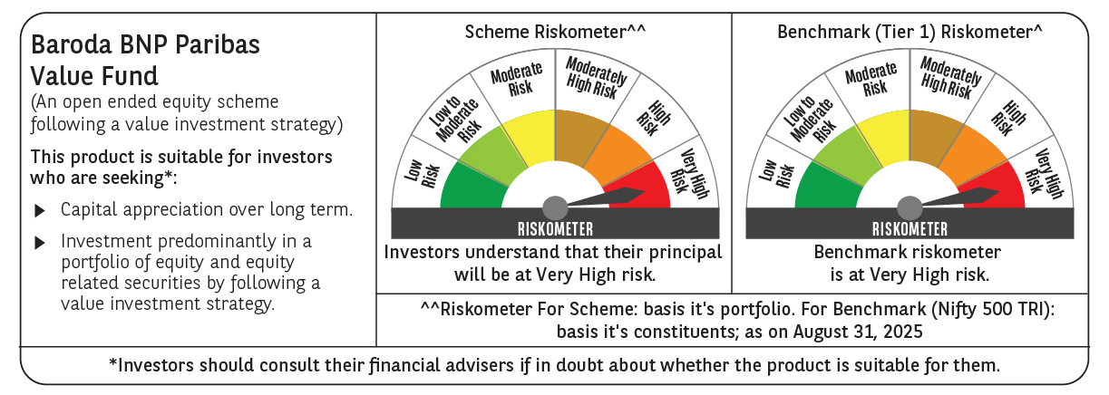

 | Monthly Performance Link: https://www.barodabnpparibasmf.in/assets/download_documents/Performance_of_Schemes_14126.pdf

