Monthly Portfolio
 | Baroda BNP Paribas Value Fund

 | Monthly Portfolio Statement as on September 30, 2025
 | Name of the Instrument | ISIN | Industry / Rating | Quantity | Market/Fair Value (Rs. in Lakhs) | % to Net Assets | YTM~ | YTC^ | null
 | Equity & Equity related
 | (a) Listed / awaiting listing on Stock Exchanges
HDFB03 | HDFC Bank Limited | INE040A01034 | Banks | 900,000 | 8,559.00 | 7.07%
RIND01 | Reliance Industries Limited | INE002A01018 | Petroleum Products | 550,000 | 7,502.00 | 6.20%
IBCL05 | ICICI Bank Limited | INE090A01021 | Banks | 370,000 | 4,987.60 | 4.12%
KOMA02 | Kotak Mahindra Bank Limited | INE237A01028 | Banks | 250,000 | 4,981.75 | 4.12%
LARS02 | Larsen & Toubro Limited | INE018A01030 | Construction | 100,000 | 3,659.00 | 3.02%
ALLI02 | GE Vernova T&D India Limited | INE200A01026 | Electrical Equipment | 120,000 | 3,552.60 | 2.94%
INFS02 | Infosys Limited | INE009A01021 | IT - Software | 200,000 | 2,883.60 | 2.38%
BHAH02 | Bharat Heavy Electricals Limited | INE257A01026 | Electrical Equipment | 1,200,000 | 2,861.40 | 2.36%
DIVI02 | Divi's Laboratories Limited | INE361B01024 | Pharmaceuticals & Biotechnology | 50,000 | 2,844.75 | 2.35%
ITCL02 | ITC Limited | INE154A01025 | Diversified FMCG | 700,000 | 2,810.85 | 2.32%
HPEC01 | Hindustan Petroleum Corporation Limited | INE094A01015 | Petroleum Products | 630,000 | 2,793.42 | 2.31%
PFCL01 | Power Finance Corporation Limited | INE134E01011 | Finance | 635,000 | 2,605.09 | 2.15%
MFSL01 | Mas Financial Services Limited | INE348L01012 | Finance | 850,000 | 2,566.15 | 2.12%
HERO02 | Hero MotoCorp Limited | INE158A01026 | Automobiles | 45,000 | 2,462.63 | 2.04%
SJVN01 | SJVN Limited | INE002L01015 | Power | 2,700,000 | 2,438.64 | 2.02%
BHEL02 | Bharat Electronics Limited | INE263A01024 | Aerospace & Defense | 600,000 | 2,423.70 | 2.00%
ALKE01 | Alkem Laboratories Limited | INE540L01014 | Pharmaceuticals & Biotechnology | 40,000 | 2,170.00 | 1.79%
SOKO03 | Jtekt India Limited | INE643A01035 | Auto Components | 1,329,000 | 2,168.53 | 1.79%
TCSL01 | Tata Consultancy Services Limited | INE467B01029 | IT - Software | 75,000 | 2,166.30 | 1.79%
IPLI01 | ICICI Prudential Life Insurance Company Limited | INE726G01019 | Insurance | 350,000 | 2,083.20 | 1.72%
ULCC01 | UltraTech Cement Limited | INE481G01011 | Cement & Cement Products | 17,000 | 2,077.74 | 1.72%
OIIL01 | Oil India Limited | INE274J01014 | Oil | 500,000 | 2,069.00 | 1.71%
CHEL02 | Zydus Lifesciences Limited | INE010B01027 | Pharmaceuticals & Biotechnology | 200,000 | 1,963.80 | 1.62%
TEMA02 | Tech Mahindra Limited | INE669C01036 | IT - Software | 140,000 | 1,960.42 | 1.62%
SPIL03 | Sun Pharmaceutical Industries Limited | INE044A01036 | Pharmaceuticals & Biotechnology | 120,000 | 1,913.16 | 1.58%
HDLI01 | HDFC Life Insurance Company Limited | INE795G01014 | Insurance | 250,000 | 1,891.13 | 1.56%
MAGL01 | Mahanagar Gas Limited | INE002S01010 | Gas | 140,000 | 1,813.14 | 1.50%
EIML02 | Eicher Motors Limited | INE066A01021 | Automobiles | 25,000 | 1,751.38 | 1.45%
JBCH03 | JB Chemicals & Pharmaceuticals Limited | INE572A01036 | Pharmaceuticals & Biotechnology | 100,000 | 1,709.70 | 1.41%
PGCI01 | Power Grid Corporation of India Limited | INE752E01010 | Power | 600,000 | 1,681.50 | 1.39%
ICEM01 | The India Cements Limited | INE383A01012 | Cement & Cement Products | 425,000 | 1,632.00 | 1.35%
MAUD01 | Maruti Suzuki India Limited | INE585B01010 | Automobiles | 10,000 | 1,602.90 | 1.32%
CANB02 | Canara Bank | INE476A01022 | Banks | 1,250,000 | 1,546.38 | 1.28%
HLEL02 | Hindustan Unilever Limited | INE030A01027 | Diversified FMCG | 60,000 | 1,508.64 | 1.25%
CIPL03 | Cipla Limited | INE059A01026 | Pharmaceuticals & Biotechnology | 100,000 | 1,503.30 | 1.24%
YESB03 | Yes Bank Limited | INE528G01035 | Banks | 7,000,000 | 1,487.50 | 1.23%
CHLO02 | Exide Industries Limited | INE302A01020 | Auto Components | 350,000 | 1,367.63 | 1.13%
BPCL01 | Bharat Petroleum Corporation Limited | INE029A01011 | Petroleum Products | 400,000 | 1,358.60 | 1.12%
SKFB02 | SKF India Limited | INE640A01023 | Industrial Products | 28,000 | 1,320.37 | 1.09%
CALC03 | CESC Limited | INE486A01021 | Power | 800,000 | 1,295.60 | 1.07%
IDBI01 | IDBI Bank Limited | INE008A01015 | Banks | 1,400,000 | 1,279.88 | 1.06%
PLNG01 | Petronet LNG Limited | INE347G01014 | Gas | 450,000 | 1,254.60 | 1.04%
CARU03 | Carborundum Universal Limited | INE120A01034 | Industrial Products | 135,000 | 1,248.28 | 1.03%
GAIL01 | GAIL (India) Limited | INE129A01019 | Gas | 700,000 | 1,234.03 | 1.02%
SCHI01 | Sanofi Consumer Healthcare India Limited | INE0UOS01011 | Pharmaceuticals & Biotechnology | 26,000 | 1,227.33 | 1.01%
SCDL01 | Sundaram Clayton Limited | INE0Q3R01026 | Auto Components | 72,641 | 1,221.24 | 1.01%
WIPR02 | Wipro Limited | INE075A01022 | IT - Software | 500,000 | 1,196.85 | 0.99%
JYLL02 | Jyothy Labs Limited | INE668F01031 | Household Products | 375,000 | 1,182.19 | 0.98%
KPIT03 | Birlasoft Limited | INE836A01035 | IT - Software | 330,000 | 1,164.74 | 0.96%
HOCH01 | Sanofi India Limited | INE058A01010 | Pharmaceuticals & Biotechnology | 24,728 | 1,149.85 | 0.95%
USFB01 | Ujjivan Small Finance Bank Limited | INE551W01018 | Banks | 2,250,000 | 1,042.88 | 0.86%
ICII01 | Akzo Nobel India Limited | INE133A01011 | Consumer Durables | 29,928 | 990.47 | 0.82%
GUSF02 | Gujarat State Fertilizers & Chemicals Limited | INE026A01025 | Fertilizers & Agrochemicals | 400,000 | 785.28 | 0.65%
COAL01 | Coal India Limited | INE522F01014 | Consumable Fuels | 200,000 | 779.90 | 0.64%
 | Sub Total |  |  |  | 117,731.62 | 97.27%
 | (b) Unlisted |  |  |  | NIL | NIL
 | Sub Total |  |  |  | NIL | NIL
 | Total |  |  |  | 117,731.62 | 97.27%
 | Money Market Instruments
 | Treasury Bill
TBIL2490 | 364 Days Tbill (MD 26/03/2026) | IN002024Z503 | Sovereign | 500,000 | 487.05 | 0.40% | 5.51%
TBIL2499 | 364 Days Tbill (MD 16/04/2026) | IN002025Z039 | Sovereign | 500,000 | 485.47 | 0.40% | 5.55%
 | Sub Total |  |  |  | 972.52 | 0.80%
 | Total |  |  |  | 972.52 | 0.80%
 | Reverse Repo / TREPS
TRP_011025 | Clearing Corporation of India Ltd |  |  |  | 2,420.58 | 2.00% | 5.53%
 | Sub Total |  |  |  | 2,420.58 | 2.00%
 | Total |  |  |  | 2,420.58 | 2.00%
 | Net Receivables / (Payables) |  |  |  | (112.71) | (0.07)%
 | GRAND TOTAL |  |  |  | 121,012.01 | 100.00%

 | ~ YTM as on September 30, 2025
 | ^ YTC represents Yield to Call provided by valuation agencies as on September 30, 2025. It is disclosed for Perpetual Bond issued by Banks (i.e. AT-1 Bond / Tier 1 Bond / Tier 2 Bond), as per AMFI Best Practices Guidelines Circular no. 135/BP/91/2020-21 read with SEBI circular No. SEBI/HO/IMD/DF4/CIR/P/2021/034 on Valuation of AT-1 Bonds and Tier 2 Bonds.

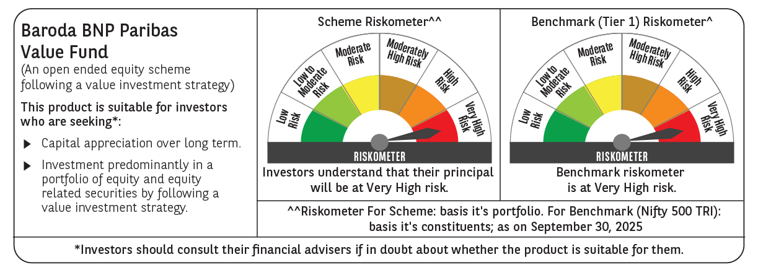

 | Monthly Performance Link: https://www.barodabnpparibasmf.in/assets/download_documents/Performance_of_Schemes_September_14618.pdf

