T0ME30
 | Baroda BNP Paribas Value Fund

 | Monthly Portfolio Statement as on October 31, 2025
 | Name of the Instrument | ISIN | Industry / Rating | Quantity | Market/Fair Value (Rs. in Lakhs) | % to Net Assets | YTM~ | YTC^ | null
 | Equity & Equity related
 | (a) Listed / awaiting listing on Stock Exchanges
HDFB03 | HDFC Bank Limited | INE040A01034 | Banks | 855,000 | 8,441.42 | 6.98%
RIND01 | Reliance Industries Limited | INE002A01018 | Petroleum Products | 540,000 | 8,026.56 | 6.64%
KOMA02 | Kotak Mahindra Bank Limited | INE237A01028 | Banks | 250,000 | 5,255.50 | 4.35%
IBCL05 | ICICI Bank Limited | INE090A01021 | Banks | 370,000 | 4,977.61 | 4.12%
LARS02 | Larsen & Toubro Limited | INE018A01030 | Construction | 108,000 | 4,353.37 | 3.60%
ALLI02 | GE Vernova T&D India Limited | INE200A01026 | Electrical Equipment | 117,000 | 3,553.76 | 2.94%
DIVI02 | Divi's Laboratories Limited | INE361B01024 | Pharmaceuticals & Biotechnology | 50,000 | 3,369.00 | 2.79%
BHAH02 | Bharat Heavy Electricals Limited | INE257A01026 | Electrical Equipment | 1,200,000 | 3,185.88 | 2.64%
INFS02 | Infosys Limited | INE009A01021 | IT - Software | 200,000 | 2,964.60 | 2.45%
ITCL02 | ITC Limited | INE154A01025 | Diversified FMCG | 700,000 | 2,942.45 | 2.43%
HPEC01 | Hindustan Petroleum Corporation Limited | INE094A01015 | Petroleum Products | 600,000 | 2,856.00 | 2.36%
BHEL02 | Bharat Electronics Limited | INE263A01024 | Aerospace & Defense | 600,000 | 2,556.60 | 2.11%
HERO02 | Hero MotoCorp Limited | INE158A01026 | Automobiles | 45,000 | 2,494.80 | 2.06%
MFSL01 | Mas Financial Services Limited | INE348L01012 | Finance | 812,500 | 2,481.78 | 2.05%
SJVN01 | SJVN Limited | INE002L01015 | Power | 2,700,000 | 2,376.81 | 1.97%
TCSL01 | Tata Consultancy Services Limited | INE467B01029 | IT - Software | 75,000 | 2,293.50 | 1.90%
OIIL01 | Oil India Limited | INE274J01014 | Oil | 500,000 | 2,166.75 | 1.79%
SOKO03 | Jtekt India Limited | INE643A01035 | Auto Components | 1,329,000 | 2,063.27 | 1.71%
ULCC01 | UltraTech Cement Limited | INE481G01011 | Cement & Cement Products | 17,000 | 2,030.99 | 1.68%
SPIL03 | Sun Pharmaceutical Industries Limited | INE044A01036 | Pharmaceuticals & Biotechnology | 120,000 | 2,028.84 | 1.68%
TEMA02 | Tech Mahindra Limited | INE669C01036 | IT - Software | 140,000 | 1,994.16 | 1.65%
IPLI01 | ICICI Prudential Life Insurance Company Limited | INE726G01019 | Insurance | 333,000 | 1,968.53 | 1.63%
CHEL02 | Zydus Lifesciences Limited | INE010B01027 | Pharmaceuticals & Biotechnology | 200,000 | 1,948.90 | 1.61%
SESA02 | Vedanta Limited | INE205A01025 | Diversified Metals | 360,000 | 1,776.78 | 1.47%
EIML02 | Eicher Motors Limited | INE066A01021 | Automobiles | 25,000 | 1,751.75 | 1.45%
PGCI01 | Power Grid Corporation of India Limited | INE752E01010 | Power | 600,000 | 1,728.90 | 1.43%
HDLI01 | HDFC Life Insurance Company Limited | INE795G01014 | Insurance | 234,000 | 1,712.53 | 1.42%
CANB02 | Canara Bank | INE476A01022 | Banks | 1,250,000 | 1,712.38 | 1.42%
ICEM01 | The India Cements Limited | INE383A01012 | Cement & Cement Products | 425,000 | 1,709.99 | 1.41%
JBCH03 | JB Chemicals & Pharmaceuticals Limited | INE572A01036 | Pharmaceuticals & Biotechnology | 100,000 | 1,682.30 | 1.39%
ALKE01 | Alkem Laboratories Limited | INE540L01014 | Pharmaceuticals & Biotechnology | 30,000 | 1,651.95 | 1.37%
MAUD01 | Maruti Suzuki India Limited | INE585B01010 | Automobiles | 10,000 | 1,618.60 | 1.34%
YESB03 | Yes Bank Limited | INE528G01035 | Banks | 7,000,000 | 1,591.80 | 1.32%
CIPL03 | Cipla Limited | INE059A01026 | Pharmaceuticals & Biotechnology | 100,000 | 1,501.30 | 1.24%
HLEL02 | Hindustan Unilever Limited | INE030A01027 | Diversified FMCG | 60,000 | 1,479.30 | 1.22%
IDBI01 | IDBI Bank Limited | INE008A01015 | Banks | 1,400,000 | 1,453.20 | 1.20%
CALC03 | CESC Limited | INE486A01021 | Power | 800,000 | 1,439.68 | 1.19%
USFB01 | Ujjivan Small Finance Bank Limited | INE551W01018 | Banks | 2,700,000 | 1,399.68 | 1.16%
BPCL01 | Bharat Petroleum Corporation Limited | INE029A01011 | Petroleum Products | 360,000 | 1,284.48 | 1.06%
GAIL01 | GAIL (India) Limited | INE129A01019 | Gas | 700,000 | 1,279.32 | 1.06%
SCHI01 | Sanofi Consumer Healthcare India Limited | INE0UOS01011 | Pharmaceuticals & Biotechnology | 26,000 | 1,259.08 | 1.04%
KPIT03 | Birlasoft Limited | INE836A01035 | IT - Software | 330,000 | 1,226.28 | 1.01%
CARU03 | Carborundum Universal Limited | INE120A01034 | Industrial Products | 135,000 | 1,215.68 | 1.01%
WIPR02 | Wipro Limited | INE075A01022 | IT - Software | 500,000 | 1,203.35 | 1.00%
CHLO02 | Exide Industries Limited | INE302A01020 | Auto Components | 315,000 | 1,202.99 | 1.00%
LGEL01 | LG Electronics India Ltd | INE324D01010 | Consumer Durables | 72,000 | 1,197.79 | 0.99%
HOCH01 | Sanofi India Limited | INE058A01010 | Pharmaceuticals & Biotechnology | 24,728 | 1,182.15 | 0.98%
JYLL02 | Jyothy Labs Limited | INE668F01031 | Household Products | 375,000 | 1,179.38 | 0.98%
ICII01 | Akzo Nobel India Limited | INE133A01011 | Consumer Durables | 31,500 | 1,021.14 | 0.84%
SCDL01 | Sundaram Clayton Limited | INE0Q3R01026 | Auto Components | 54,519 | 814.84 | 0.67%
MAGL01 | Mahanagar Gas Limited | INE002S01010 | Gas | 62,000 | 791.68 | 0.65%
PFCL01 | Power Finance Corporation Limited | INE134E01011 | Finance | 150,000 | 604.88 | 0.50%
SKFB02 | SKF India Limited | INE640A01023 | Auto Components | 28,000 | 599.42 | 0.50%
GUSF02 | Gujarat State Fertilizers & Chemicals Limited | INE026A01025 | Fertilizers & Agrochemicals | 300,000 | 572.31 | 0.47%
SKFI01 | SKF India (Industrial) Ltd ** | INE2J8701016 | Industrial Products | 28,000 | 758.35 | 0.63%
 | Sub Total |  |  |  | 117,934.34 | 97.56%
 | (b) Unlisted |  |  |  | NIL | NIL
 | Sub Total |  |  |  | NIL | NIL
 | Total |  |  |  | 117,934.34 | 97.56%
 | Money Market Instruments
 | Treasury Bill
TBIL2490 | 364 Days Tbill (MD 26/03/2026) | IN002024Z503 | Sovereign | 500,000 | 489.32 | 0.40% | 5.49%
TBIL2499 | 364 Days Tbill (MD 16/04/2026) | IN002025Z039 | Sovereign | 500,000 | 487.65 | 0.40% | 5.57%
 | Sub Total |  |  |  | 976.97 | 0.80%
 | Total |  |  |  | 976.97 | 0.80%
 | Reverse Repo / TREPS
TRP_031125 | Clearing Corporation of India Ltd |  |  |  | 1,952.73 | 1.62% | 5.59%
 | Sub Total |  |  |  | 1,952.73 | 1.62%
 | Total |  |  |  | 1,952.73 | 1.62%
 | Net Receivables / (Payables) |  |  |  | 23.24 | 0.02%
 | GRAND TOTAL |  |  |  | 120,887.28 | 100.00%

 | ** Thinly Traded / Non Traded Security
 | ~ YTM as on October 31, 2025
 | ^ YTC represents Yield to Call provided by valuation agencies as on October 31, 2025. It is disclosed for Perpetual Bond issued by Banks (i.e. AT-1 Bond / Tier 1 Bond / Tier 2 Bond), as per AMFI Best Practices Guidelines Circular no. 135/BP/91/2020-21 read with SEBI circular No. SEBI/HO/IMD/DF4/CIR/P/2021/034 on Valuation of AT-1 Bonds and Tier 2 Bonds.

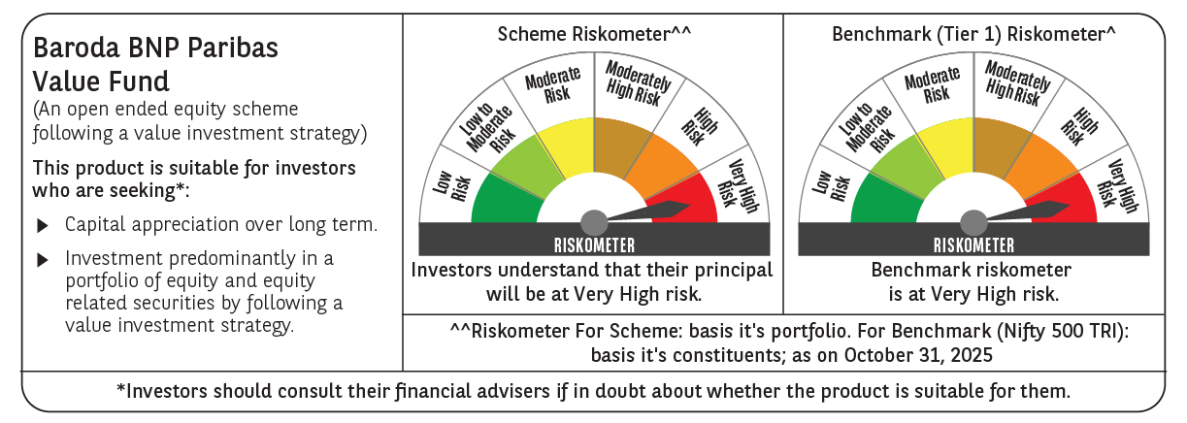

 | Monthly Performance Link: https://www.barodabnpparibasmf.in/assets/download_documents/Performance_of_Schemes-October_2025_15267.pdf

