T0ME30
 | Baroda BNP Paribas Value Fund

 | Monthly Portfolio Statement as on November 30, 2025
 | Name of the Instrument | ISIN | Industry / Rating | Quantity | Market/Fair Value (Rs. in Lakhs) | % to Net Assets | YTM~ | YTC^ | null
 | Equity & Equity related
 | (a) Listed / awaiting listing on Stock Exchanges
RIND01 | Reliance Industries Limited | INE002A01018 | Petroleum Products | 540,000 | 8,464.50 | 7.11%
HDFB03 | HDFC Bank Limited | INE040A01034 | Banks | 810,000 | 8,161.56 | 6.86%
IBCL05 | ICICI Bank Limited | INE090A01021 | Banks | 360,000 | 4,999.68 | 4.20%
KOMA02 | Kotak Mahindra Bank Limited | INE237A01028 | Banks | 207,000 | 4,397.51 | 3.70%
LARS02 | Larsen & Toubro Limited | INE018A01030 | Construction | 108,000 | 4,395.17 | 3.69%
BHAH02 | Bharat Heavy Electricals Limited | INE257A01026 | Electrical Equipment | 1,200,000 | 3,490.20 | 2.93%
DIVI02 | Divi's Laboratories Limited | INE361B01024 | Pharmaceuticals & Biotechnology | 50,000 | 3,238.50 | 2.72%
INFS02 | Infosys Limited | INE009A01021 | IT - Software | 200,000 | 3,120.20 | 2.62%
ALLI02 | GE Vernova T&D India Limited | INE200A01026 | Electrical Equipment | 108,000 | 3,111.91 | 2.62%
ITCL02 | ITC Limited | INE154A01025 | Diversified FMCG | 700,000 | 2,829.75 | 2.38%
HERO02 | Hero MotoCorp Limited | INE158A01026 | Automobiles | 45,000 | 2,778.53 | 2.34%
TCSL01 | Tata Consultancy Services Limited | INE467B01029 | IT - Software | 75,000 | 2,353.13 | 1.98%
MFSL01 | Mas Financial Services Limited | INE348L01012 | Finance | 750,000 | 2,316.00 | 1.95%
SPIL03 | Sun Pharmaceutical Industries Limited | INE044A01036 | Pharmaceuticals & Biotechnology | 120,000 | 2,197.92 | 1.85%
TEMA02 | Tech Mahindra Limited | INE669C01036 | IT - Software | 140,000 | 2,124.22 | 1.79%
SJVN01 | SJVN Limited | INE002L01015 | Power | 2,700,000 | 2,102.22 | 1.77%
SOKO03 | Jtekt India Limited | INE643A01035 | Auto Components | 1,329,000 | 2,085.07 | 1.75%
BHEL02 | Bharat Electronics Limited | INE263A01024 | Aerospace & Defense | 504,000 | 2,075.22 | 1.74%
HPEC01 | Hindustan Petroleum Corporation Limited | INE094A01015 | Petroleum Products | 450,000 | 2,058.75 | 1.73%
ULCC01 | UltraTech Cement Limited | INE481G01011 | Cement & Cement Products | 17,000 | 1,972.00 | 1.66%
IPLI01 | ICICI Prudential Life Insurance Company Limited | INE726G01019 | Insurance | 315,000 | 1,952.21 | 1.64%
CANB02 | Canara Bank | INE476A01022 | Banks | 1,250,000 | 1,894.75 | 1.59%
SESA02 | Vedanta Limited | INE205A01025 | Diversified Metals | 360,000 | 1,893.60 | 1.59%
OIIL01 | Oil India Limited | INE274J01014 | Oil | 450,000 | 1,859.40 | 1.56%
JBCH03 | JB Chemicals & Pharmaceuticals Limited | INE572A01036 | Pharmaceuticals & Biotechnology | 100,000 | 1,771.30 | 1.49%
EIML02 | Eicher Motors Limited | INE066A01021 | Automobiles | 25,000 | 1,763.38 | 1.48%
CHEL02 | Zydus Lifesciences Limited | INE010B01027 | Pharmaceuticals & Biotechnology | 180,000 | 1,696.50 | 1.43%
HDLI01 | HDFC Life Insurance Company Limited | INE795G01014 | Insurance | 216,000 | 1,650.89 | 1.39%
YESB03 | Yes Bank Limited | INE528G01035 | Banks | 7,000,000 | 1,605.10 | 1.35%
ICEM01 | The India Cements Limited | INE383A01012 | Cement & Cement Products | 405,000 | 1,590.84 | 1.34%
MAUD01 | Maruti Suzuki India Limited | INE585B01010 | Automobiles | 10,000 | 1,590.00 | 1.34%
ALKE01 | Alkem Laboratories Limited | INE540L01014 | Pharmaceuticals & Biotechnology | 27,000 | 1,534.95 | 1.29%
HLEL02 | Hindustan Unilever Limited | INE030A01027 | Diversified FMCG | 60,000 | 1,479.96 | 1.24%
USFB01 | Ujjivan Small Finance Bank Limited | INE551W01018 | Banks | 2,700,000 | 1,469.61 | 1.24%
PGCI01 | Power Grid Corporation of India Limited | INE752E01010 | Power | 540,000 | 1,457.73 | 1.23%
IDBI01 | IDBI Bank Limited | INE008A01015 | Banks | 1,400,000 | 1,405.32 | 1.18%
CIPL03 | Cipla Limited | INE059A01026 | Pharmaceuticals & Biotechnology | 90,000 | 1,378.17 | 1.16%
CALC03 | CESC Limited | INE486A01021 | Power | 800,000 | 1,363.84 | 1.15%
TMLC01 | Tata Motors Ltd | INE1TAE01010 | Agricultural, Commercial & Construction Vehicles | 375,000 | 1,320.00 | 1.11%
BPCL01 | Bharat Petroleum Corporation Limited | INE029A01011 | Petroleum Products | 360,000 | 1,292.76 | 1.09%
KPIT03 | Birlasoft Limited | INE836A01035 | IT - Software | 330,000 | 1,254.66 | 1.05%
WIPR02 | Wipro Limited | INE075A01022 | IT - Software | 500,000 | 1,247.65 | 1.05%
GAIL01 | GAIL (India) Limited | INE129A01019 | Gas | 688,514 | 1,212.40 | 1.02%
SCHI01 | Sanofi Consumer Healthcare India Limited | INE0UOS01011 | Pharmaceuticals & Biotechnology | 26,000 | 1,211.52 | 1.02%
LGEL01 | LG Electronics India Ltd | INE324D01010 | Consumer Durables | 72,000 | 1,194.70 | 1.00%
CARU03 | Carborundum Universal Limited | INE120A01034 | Industrial Products | 135,000 | 1,156.75 | 0.97%
HOCH01 | Sanofi India Limited | INE058A01010 | Pharmaceuticals & Biotechnology | 24,728 | 1,084.99 | 0.91%
JYLL02 | Jyothy Labs Limited | INE668F01031 | Household Products | 360,000 | 1,080.18 | 0.91%
ICII01 | Akzo Nobel India Limited | INE133A01011 | Consumer Durables | 31,500 | 1,042.90 | 0.88%
TENN01 | Tenneco Clean Air India Limited | INE19RI01016 | Auto Components | 178,455 | 863.63 | 0.73%
SCDL01 | Sundaram Clayton Limited | INE0Q3R01026 | Auto Components | 54,519 | 720.14 | 0.61%
SKFB02 | SKF India Limited | INE640A01023 | Auto Components | 28,000 | 536.37 | 0.45%
SKFI01 | SKF India (Industrial) Ltd ** | INE2J8701016 | Industrial Products | 28,000 | 758.35 | 0.64%
 | Sub Total |  |  |  | 113,606.59 | 95.52%
 | (b) Unlisted |  |  |  | NIL | NIL
 | Sub Total |  |  |  | NIL | NIL
 | Total |  |  |  | 113,606.59 | 95.52%
 | Money Market Instruments
 | Treasury Bill
TBIL2490 | 364 Days Tbill (MD 26/03/2026) | IN002024Z503 | Sovereign | 500,000 | 491.67 | 0.41% | 5.38%
TBIL2499 | 364 Days Tbill (MD 16/04/2026) | IN002025Z039 | Sovereign | 500,000 | 489.98 | 0.41% | 5.49%
 | Sub Total |  |  |  | 981.65 | 0.82%
 | Total |  |  |  | 981.65 | 0.82%
 | Reverse Repo / TREPS
TRP_011225 | Clearing Corporation of India Ltd |  |  |  | 4,606.09 | 3.87% | 5.43%
 | Sub Total |  |  |  | 4,606.09 | 3.87%
 | Total |  |  |  | 4,606.09 | 3.87%
 | Net Receivables / (Payables) |  |  |  | (204.25) | (0.21)%
 | GRAND TOTAL |  |  |  | 118,990.08 | 100.00%

 | ** Thinly Traded / Non Traded Security
 | ~ YTM as on November 30, 2025
 | ^ YTC represents Yield to Call provided by valuation agencies as on November 30, 2025. It is disclosed for Perpetual Bond issued by Banks (i.e. AT-1 Bond / Tier 1 Bond / Tier 2 Bond), as per AMFI Best Practices Guidelines Circular no. 135/BP/91/2020-21 read with SEBI circular No. SEBI/HO/IMD/DF4/CIR/P/2021/034 on Valuation of AT-1 Bonds and Tier 2 Bonds.

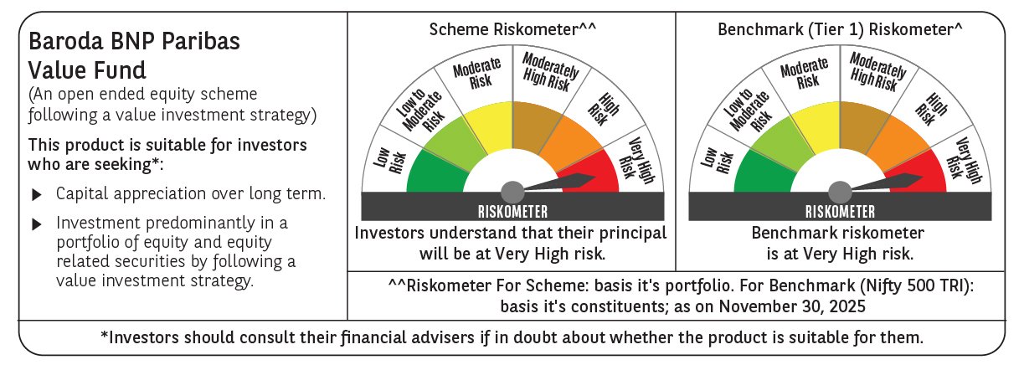

 | Monthly Performance Link: https://www.barodabnpparibasmf.in/assets/download_documents/Performance_of_Schemes_Nov-2025_15612.pdf

