T0ME30
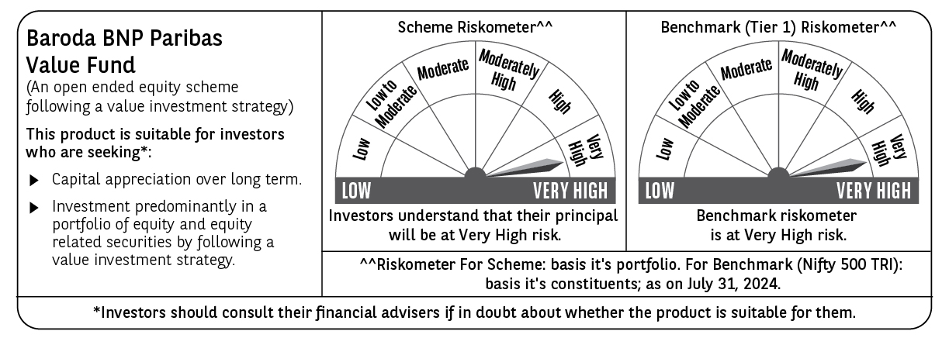
 | Baroda BNP Paribas Value Fund

 | Monthly Portfolio Statement as on July 31, 2024
 | Name of the Instrument | ISIN | Industry / Rating | Quantity | Market/Fair Value (Rs. in Lakhs) | % to Net Assets | YTM~ | YTC^ | null
 | Equity & Equity related
 | (a) Listed / awaiting listing on Stock Exchanges
INFS02 | Infosys Limited | INE009A01021 | IT - Software | 500,000 | 9,341.25 | 5.30%
IBCL05 | ICICI Bank Limited | INE090A01021 | Banks | 650,000 | 7,896.85 | 4.48%
RIND01 | Reliance Industries Limited | INE002A01018 | Petroleum Products | 250,000 | 7,527.13 | 4.27%
HDFB03 | HDFC Bank Limited | INE040A01034 | Banks | 450,000 | 7,270.88 | 4.13%
NTPC01 | NTPC Limited | INE733E01010 | Power | 1,700,000 | 7,072.00 | 4.02%
ITCL02 | ITC Limited | INE154A01025 | Diversified FMCG | 1,400,000 | 6,934.90 | 3.94%
TCSL01 | Tata Consultancy Services Limited | INE467B01029 | IT - Software | 135,000 | 5,920.22 | 3.36%
TELC03 | Tata Motors Limited | INE155A01022 | Automobiles | 500,000 | 5,783.25 | 3.28%
COAL01 | Coal India Limited | INE522F01014 | Consumable Fuels | 950,000 | 4,960.90 | 2.82%
LARS02 | Larsen & Toubro Limited | INE018A01030 | Construction | 117,383 | 4,478.16 | 2.54%
OIIL01 | Oil India Limited | INE274J01014 | Oil | 750,000 | 4,331.63 | 2.46%
SJVN01 | SJVN Limited | INE002L01015 | Power | 2,700,000 | 4,008.69 | 2.28%
BIRJ01 | Birla Corporation Limited | INE340A01012 | Cement & Cement Products | 250,000 | 3,823.75 | 2.17%
MAGL01 | Mahanagar Gas Limited | INE002S01010 | Gas | 200,000 | 3,739.10 | 2.12%
CHLO02 | Exide Industries Limited | INE302A01020 | Auto Components | 680,000 | 3,558.44 | 2.02%
PFCL01 | Power Finance Corporation Limited | INE134E01011 | Finance | 635,000 | 3,535.68 | 2.01%
CANH02 | Can Fin Homes Limited | INE477A01020 | Finance | 410,000 | 3,479.47 | 1.98%
DIVI02 | Divi's Laboratories Limited | INE361B01024 | Pharmaceuticals & Biotechnology | 65,000 | 3,200.08 | 1.82%
ALKE01 | Alkem Laboratories Limited | INE540L01014 | Pharmaceuticals & Biotechnology | 60,000 | 3,185.70 | 1.81%
BHEL02 | Bharat Electronics Limited | INE263A01024 | Aerospace & Defense | 1,000,000 | 3,160.50 | 1.79%
PGCI01 | Power Grid Corporation of India Limited | INE752E01010 | Power | 900,000 | 3,133.80 | 1.78%
CHEL02 | Zydus Lifesciences Limited | INE010B01027 | Pharmaceuticals & Biotechnology | 246,068 | 3,068.96 | 1.74%
BHAH02 | Bharat Heavy Electricals Limited | INE257A01026 | Electrical Equipment | 950,000 | 2,994.88 | 1.70%
KOMA02 | Kotak Mahindra Bank Limited | INE237A01028 | Banks | 165,000 | 2,983.04 | 1.69%
GAIL01 | GAIL (India) Limited | INE129A01019 | Gas | 1,200,000 | 2,891.64 | 1.64%
RATN01 | RBL Bank Limited | INE976G01028 | Banks | 1,200,000 | 2,822.40 | 1.60%
BINL01 | Indus Towers Limited | INE121J01017 | Telecom - Services | 650,000 | 2,815.48 | 1.60%
TTEA02 | Tata Consumer Products Limited | INE192A01025 | Agricultural Food & other Products | 225,000 | 2,675.14 | 1.52%
IPLI01 | ICICI Prudential Life Insurance Company Limited | INE726G01019 | Insurance | 350,000 | 2,575.83 | 1.46%
SOKO03 | Jtekt India Limited | INE643A01035 | Auto Components | 1,179,000 | 2,527.19 | 1.43%
MFSL01 | Mas Financial Services Limited | INE348L01012 | Finance | 873,363 | 2,514.85 | 1.43%
LUPL02 | Lupin Limited | INE326A01037 | Pharmaceuticals & Biotechnology | 130,000 | 2,485.41 | 1.41%
CGCE01 | Crompton Greaves Consumer Electricals Limited | INE299U01018 | Consumer Durables | 550,000 | 2,482.70 | 1.41%
PUBA02 | Punjab National Bank | INE160A01022 | Banks | 2,000,000 | 2,479.00 | 1.41%
BLUS03 | Blue Star Limited | INE472A01039 | Consumer Durables | 142,950 | 2,464.03 | 1.40%
RELS01 | Jio Financial Services Limited | INE758E01017 | Finance | 720,000 | 2,365.20 | 1.34%
IREA01 | Indian Renewable Energy Development Agency Limited | INE202E01016 | Finance | 900,000 | 2,363.67 | 1.34%
ISHF02 | India Shelter Finance Corporation Limited | INE922K01024 | Finance | 300,000 | 2,254.35 | 1.28%
CIPL03 | Cipla Limited | INE059A01026 | Pharmaceuticals & Biotechnology | 140,000 | 2,162.02 | 1.23%
BPCL01 | Bharat Petroleum Corporation Limited | INE029A01011 | Petroleum Products | 600,000 | 2,100.30 | 1.19%
SPIL03 | Sun Pharmaceutical Industries Limited | INE044A01036 | Pharmaceuticals & Biotechnology | 120,000 | 2,063.22 | 1.17%
NACL03 | National Aluminium Company Limited | INE139A01034 | Non - Ferrous Metals | 1,000,000 | 1,942.20 | 1.10%
HLEL02 | Hindustan Unilever Limited | INE030A01027 | Diversified FMCG | 70,000 | 1,893.96 | 1.08%
WIPR02 | Wipro Limited | INE075A01022 | IT - Software | 350,000 | 1,827.00 | 1.04%
SBAI02 | State Bank of India | INE062A01020 | Banks | 200,000 | 1,744.80 | 0.99%
HINI02 | Hindalco Industries Limited | INE038A01020 | Non - Ferrous Metals | 260,000 | 1,740.96 | 0.99%
NHPC01 | NHPC Limited | INE848E01016 | Power | 1,500,000 | 1,575.60 | 0.89%
HOCH01 | Sanofi India Limited | INE058A01010 | Pharmaceuticals & Biotechnology | 22,000 | 1,454.02 | 0.83%
TTEC01 | Tata Technologies Ltd | INE142M01025 | IT - Services | 115,000 | 1,149.25 | 0.65%
SCHI01 | Sanofi Consumer Healthcare India Limited | INE0UOS01011 | Pharmaceuticals & Biotechnology | 22,000 | 746.99 | 0.42%
TTEA02RF | Tata Consumer Products Limited- Right Shares | INE192A20017 | Agricultural Food & other Products | 8,653 | 32.10 | 0.02%
 | Sub Total |  |  |  | 171,538.57 | 97.38%
 | (b) Unlisted |  |  |  | NIL | NIL
 | Sub Total |  |  |  | NIL | NIL
 | Total |  |  |  | 171,538.57 | 97.38%
 | Money Market Instruments
 | Treasury Bill
TBIL2271 | 364 Days Tbill (MD 24/10/2024) | IN002023Z323 | Sovereign | 1,000,000 | 984.90 | 0.56% | 6.66%
TBIL2344 | 182 Days Tbill (MD 26/09/2024) | IN002023Y540 | Sovereign | 900,000 | 891.03 | 0.51% | 6.56%
 | Sub Total |  |  |  | 1,875.93 | 1.07%
 | Total |  |  |  | 1,875.93 | 1.07%
 | Reverse Repo / TREPS
TRP_010824 | Clearing Corporation of India Ltd |  |  |  | 2,691.93 | 1.53% | 6.42%
 | Sub Total |  |  |  | 2,691.93 | 1.53%
 | Total |  |  |  | 2,691.93 | 1.53%
 | Net Receivables / (Payables) |  |  |  | 9.69 | 0.02%
 | GRAND TOTAL |  |  |  | 176,116.12 | 100.00%

 | ~ YTM as on July 31, 2024
 | ^ YTC represents Yield to Call provided by valuation agencies as on July 31, 2024. It is disclosed for Perpetual Bond issued by Banks (i.e. AT-1 Bond / Tier 1 Bond / Tier 2 Bond), as per AMFI Best Practices Guidelines Circular no. 135/BP/91/2020-21 read with SEBI circular No. SEBI/HO/IMD/DF4/CIR/P/2021/034 on Valuation of AT-1 Bonds and Tier 2 Bonds.

