T0ME30
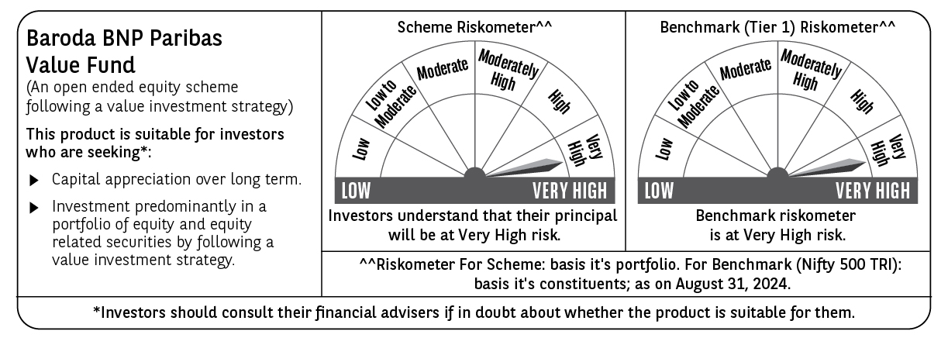
 | Baroda BNP Paribas Value Fund

 | Monthly Portfolio Statement as on August 31, 2024
 | Name of the Instrument | ISIN | Industry / Rating | Quantity | Market/Fair Value (Rs. in Lakhs) | % to Net Assets | YTM~ | YTC^ | null
 | Equity & Equity related
 | (a) Listed / awaiting listing on Stock Exchanges
INFS02 | Infosys Limited | INE009A01021 | IT - Software | 475,000 | 9,232.58 | 5.43%
HDFB03 | HDFC Bank Limited | INE040A01034 | Banks | 500,000 | 8,184.50 | 4.81%
RIND01 | Reliance Industries Limited | INE002A01018 | Petroleum Products | 250,000 | 7,548.13 | 4.44%
IBCL05 | ICICI Bank Limited | INE090A01021 | Banks | 600,000 | 7,375.20 | 4.34%
NTPC01 | NTPC Limited | INE733E01010 | Power | 1,700,000 | 7,075.40 | 4.16%
TCSL01 | Tata Consultancy Services Limited | INE467B01029 | IT - Software | 135,000 | 6,147.56 | 3.62%
OIIL01 | Oil India Limited | INE274J01014 | Oil | 750,000 | 5,557.50 | 3.27%
COAL01 | Coal India Limited | INE522F01014 | Consumable Fuels | 950,000 | 4,987.03 | 2.93%
TELC03 | Tata Motors Limited | INE155A01022 | Automobiles | 400,000 | 4,445.40 | 2.61%
LARS02 | Larsen & Toubro Limited | INE018A01030 | Construction | 117,383 | 4,348.63 | 2.56%
ALKE01 | Alkem Laboratories Limited | INE540L01014 | Pharmaceuticals & Biotechnology | 60,000 | 3,702.21 | 2.18%
SJVN01 | SJVN Limited | INE002L01015 | Power | 2,700,000 | 3,600.45 | 2.12%
MAGL01 | Mahanagar Gas Limited | INE002S01010 | Gas | 200,000 | 3,584.20 | 2.11%
CANH02 | Can Fin Homes Limited | INE477A01020 | Finance | 410,000 | 3,540.56 | 2.08%
ITCL02 | ITC Limited | INE154A01025 | Diversified FMCG | 700,000 | 3,513.30 | 2.07%
PFCL01 | Power Finance Corporation Limited | INE134E01011 | Finance | 635,000 | 3,489.64 | 2.05%
CHLO02 | Exide Industries Limited | INE302A01020 | Auto Components | 680,000 | 3,351.72 | 1.97%
BIRJ01 | Birla Corporation Limited | INE340A01012 | Cement & Cement Products | 250,000 | 3,327.00 | 1.96%
DIVI02 | Divi's Laboratories Limited | INE361B01024 | Pharmaceuticals & Biotechnology | 65,000 | 3,311.04 | 1.95%
PGCI01 | Power Grid Corporation of India Limited | INE752E01010 | Power | 900,000 | 3,036.60 | 1.79%
BHEL02 | Bharat Electronics Limited | INE263A01024 | Aerospace & Defense | 1,000,000 | 2,993.00 | 1.76%
KOMA02 | Kotak Mahindra Bank Limited | INE237A01028 | Banks | 165,000 | 2,938.32 | 1.73%
LUPL02 | Lupin Limited | INE326A01037 | Pharmaceuticals & Biotechnology | 130,000 | 2,912.26 | 1.71%
GAIL01 | GAIL (India) Limited | INE129A01019 | Gas | 1,200,000 | 2,852.28 | 1.68%
BINL01 | Indus Towers Limited | INE121J01017 | Telecom - Services | 620,553 | 2,845.24 | 1.67%
TTEA02 | Tata Consumer Products Limited | INE192A01025 | Agricultural Food & other Products | 236,058 | 2,833.05 | 1.67%
CHEL02 | Zydus Lifesciences Limited | INE010B01027 | Pharmaceuticals & Biotechnology | 246,068 | 2,775.40 | 1.63%
BHAH02 | Bharat Heavy Electricals Limited | INE257A01026 | Electrical Equipment | 950,000 | 2,760.23 | 1.62%
IPLI01 | ICICI Prudential Life Insurance Company Limited | INE726G01019 | Insurance | 350,000 | 2,636.03 | 1.55%
CGCE01 | Crompton Greaves Consumer Electricals Limited | INE299U01018 | Consumer Durables | 550,000 | 2,623.78 | 1.54%
TTEC01 | Tata Technologies Limited | INE142M01025 | IT - Services | 245,000 | 2,610.72 | 1.54%
MFSL01 | Mas Financial Services Limited | INE348L01012 | Finance | 873,363 | 2,534.94 | 1.49%
BLUS03 | Blue Star Limited | INE472A01039 | Consumer Durables | 142,950 | 2,435.73 | 1.43%
PUBA02 | Punjab National Bank | INE160A01022 | Banks | 2,000,000 | 2,331.40 | 1.37%
CIPL03 | Cipla Limited | INE059A01026 | Pharmaceuticals & Biotechnology | 140,000 | 2,316.86 | 1.36%
RELS01 | Jio Financial Services Limited | INE758E01017 | Finance | 720,000 | 2,316.24 | 1.36%
RATN01 | RBL Bank Limited | INE976G01028 | Banks | 1,000,000 | 2,274.50 | 1.34%
ISHF02 | India Shelter Finance Corporation Limited | INE922K01024 | Finance | 300,000 | 2,205.45 | 1.30%
SPIL03 | Sun Pharmaceutical Industries Limited | INE044A01036 | Pharmaceuticals & Biotechnology | 120,000 | 2,185.98 | 1.29%
BPCL01 | Bharat Petroleum Corporation Limited | INE029A01011 | Petroleum Products | 600,000 | 2,145.90 | 1.26%
SOKO03 | Jtekt India Limited | INE643A01035 | Auto Components | 1,179,000 | 2,013.38 | 1.18%
HLEL02 | Hindustan Unilever Limited | INE030A01027 | Diversified FMCG | 70,000 | 1,944.60 | 1.14%
NACL03 | National Aluminium Company Limited | INE139A01034 | Non - Ferrous Metals | 1,000,000 | 1,826.00 | 1.07%
SBAI02 | State Bank of India | INE062A01020 | Banks | 200,000 | 1,631.20 | 0.96%
HOCH01 | Sanofi India Limited | INE058A01010 | Pharmaceuticals & Biotechnology | 22,000 | 1,497.98 | 0.88%
HDLI01 | HDFC Life Insurance Company Limited | INE795G01014 | Insurance | 50,000 | 369.35 | 0.22%
 | Sub Total |  |  |  | 160,168.47 | 94.20%

SCHI01 | Sanofi Consumer Healthcare India Limited ** | INE0UOS01011 | Pharmaceuticals & Biotechnology | 22,000 | 746.99 | 0.44%
 | Sub Total |  |  |  | 746.99 | 0.44%
 | (b) Unlisted |  |  |  | NIL | NIL
 | Sub Total |  |  |  | NIL | NIL
 | Total |  |  |  | 160,915.46 | 94.64%
 | Money Market Instruments
 | Treasury Bill
TBIL2271 | 364 Days Tbill (MD 24/10/2024) | IN002023Z323 | Sovereign | 1,000,000 | 990.53 | 0.58% | 6.59%
TBIL2344 | 182 Days Tbill (MD 26/09/2024) | IN002023Y540 | Sovereign | 900,000 | 895.98 | 0.53% | 6.55%
 | Sub Total |  |  |  | 1,886.51 | 1.11%
 | Total |  |  |  | 1,886.51 | 1.11%
 | Reverse Repo / TREPS
TRP_020924 | Clearing Corporation of India Ltd |  |  |  | 1,287.56 | 0.76% | 6.52%
 | Sub Total |  |  |  | 1,287.56 | 0.76%
 | Total |  |  |  | 1,287.56 | 0.76%
 | Net Receivables / (Payables) |  |  |  | 5,954.76 | 3.49%
 | GRAND TOTAL |  |  |  | 170,044.29 | 100.00%

 | ** Thinly Traded / Non Traded Security
 | ~ YTM as on August 31, 2024
 | ^ YTC represents Yield to Call provided by valuation agencies as on August 31, 2024. It is disclosed for Perpetual Bond issued by Banks (i.e. AT-1 Bond / Tier 1 Bond / Tier 2 Bond), as per AMFI Best Practices Guidelines Circular no. 135/BP/91/2020-21 read with SEBI circular No. SEBI/HO/IMD/DF4/CIR/P/2021/034 on Valuation of AT-1 Bonds and Tier 2 Bonds.

