Monthly Portfolio
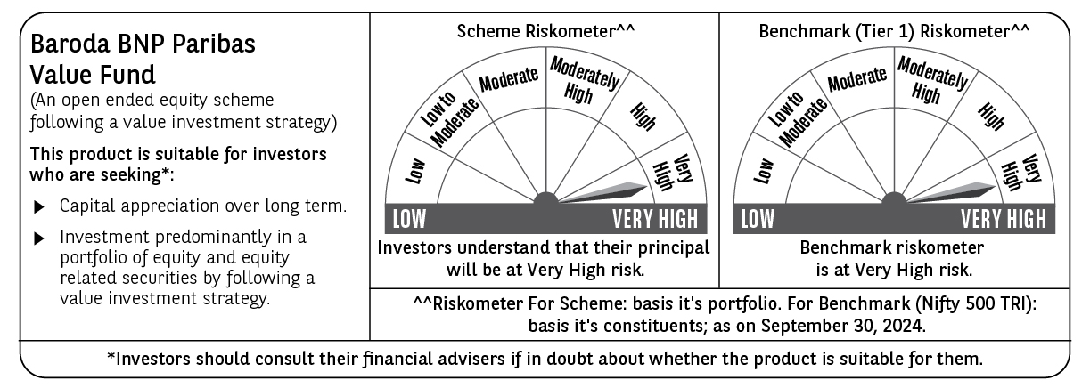
 | Baroda BNP Paribas Value Fund

 | Monthly Portfolio Statement as on September 30, 2024
 | Name of the Instrument | ISIN | Industry / Rating | Quantity | Market/Fair Value (Rs. in Lakhs) | % to Net Assets | YTM~ | YTC^ | null
 | Equity & Equity related
 | (a) Listed / awaiting listing on Stock Exchanges
HDFB03 | HDFC Bank Limited | INE040A01034 | Banks | 600,000 | 10,392.30 | 6.28%
INFS02 | Infosys Limited | INE009A01021 | IT - Software | 475,000 | 8,909.10 | 5.39%
IBCL05 | ICICI Bank Limited | INE090A01021 | Banks | 660,000 | 8,401.80 | 5.08%
NTPC01 | NTPC Limited | INE733E01010 | Power | 1,700,000 | 7,534.40 | 4.56%
RIND01 | Reliance Industries Limited | INE002A01018 | Petroleum Products | 250,000 | 7,382.88 | 4.46%
TCSL01 | Tata Consultancy Services Limited | INE467B01029 | IT - Software | 135,000 | 5,762.48 | 3.48%
COAL01 | Coal India Limited | INE522F01014 | Consumable Fuels | 950,000 | 4,846.43 | 2.93%
LARS02 | Larsen & Toubro Limited | INE018A01030 | Construction | 117,383 | 4,314.47 | 2.61%
TELC03 | Tata Motors Limited | INE155A01022 | Automobiles | 400,000 | 3,898.60 | 2.36%
MAGL01 | Mahanagar Gas Limited | INE002S01010 | Gas | 200,000 | 3,880.80 | 2.35%
CANH02 | Can Fin Homes Limited | INE477A01020 | Finance | 410,000 | 3,658.23 | 2.21%
ALKE01 | Alkem Laboratories Limited | INE540L01014 | Pharmaceuticals & Biotechnology | 60,000 | 3,631.68 | 2.20%
ITCL02 | ITC Limited | INE154A01025 | Diversified FMCG | 700,000 | 3,627.05 | 2.19%
SJVN01 | SJVN Limited | INE002L01015 | Power | 2,700,000 | 3,577.77 | 2.16%
DIVI02 | Divi's Laboratories Limited | INE361B01024 | Pharmaceuticals & Biotechnology | 65,000 | 3,538.18 | 2.14%
CHLO02 | Exide Industries Limited | INE302A01020 | Auto Components | 680,000 | 3,417.34 | 2.07%
PGCI01 | Power Grid Corporation of India Limited | INE752E01010 | Power | 900,000 | 3,175.65 | 1.92%
PFCL01 | Power Finance Corporation Limited | INE134E01011 | Finance | 635,000 | 3,099.12 | 1.87%
KOMA02 | Kotak Mahindra Bank Limited | INE237A01028 | Banks | 165,000 | 3,059.02 | 1.85%
TTEC01 | Tata Technologies Limited | INE142M01025 | IT - Services | 275,000 | 3,033.66 | 1.83%
BLUS03 | Blue Star Limited | INE472A01039 | Consumer Durables | 142,950 | 2,950.06 | 1.78%
OIIL01 | Oil India Limited | INE274J01014 | Oil | 500,000 | 2,903.25 | 1.76%
IPLI01 | ICICI Prudential Life Insurance Company Limited | INE726G01019 | Insurance | 350,000 | 2,730.53 | 1.65%
BHAH02 | Bharat Heavy Electricals Limited | INE257A01026 | Electrical Equipment | 950,000 | 2,657.15 | 1.61%
MFSL01 | Mas Financial Services Limited | INE348L01012 | Finance | 873,363 | 2,550.22 | 1.54%
BIRJ01 | Birla Corporation Limited | INE340A01012 | Cement & Cement Products | 200,000 | 2,535.40 | 1.53%
RELS01 | Jio Financial Services Limited | INE758E01017 | Finance | 720,000 | 2,524.32 | 1.53%
BINL01 | Indus Towers Limited | INE121J01017 | Telecom - Services | 620,553 | 2,435.98 | 1.47%
BHEL02 | Bharat Electronics Limited | INE263A01024 | Aerospace & Defense | 850,000 | 2,423.35 | 1.47%
LUPL02 | Lupin Limited | INE326A01037 | Pharmaceuticals & Biotechnology | 110,000 | 2,410.21 | 1.46%
SPIL03 | Sun Pharmaceutical Industries Limited | INE044A01036 | Pharmaceuticals & Biotechnology | 120,000 | 2,312.04 | 1.40%
CGCE01 | Crompton Greaves Consumer Electricals Limited | INE299U01018 | Consumer Durables | 550,000 | 2,289.38 | 1.38%
ISHF02 | India Shelter Finance Corporation Limited | INE922K01024 | Finance | 300,000 | 2,253.00 | 1.36%
BPCL01 | Bharat Petroleum Corporation Limited | INE029A01011 | Petroleum Products | 600,000 | 2,219.70 | 1.34%
NACL03 | National Aluminium Company Limited | INE139A01034 | Non - Ferrous Metals | 1,000,000 | 2,102.90 | 1.27%
SOKO03 | Jtekt India Limited | INE643A01035 | Auto Components | 1,179,000 | 2,078.11 | 1.26%
HLEL02 | Hindustan Unilever Limited | INE030A01027 | Diversified FMCG | 70,000 | 2,070.81 | 1.25%
HDLI01 | HDFC Life Insurance Company Limited | INE795G01014 | Insurance | 250,000 | 1,795.00 | 1.09%
HPEC01 | Hindustan Petroleum Corporation Limited | INE094A01015 | Petroleum Products | 400,000 | 1,762.20 | 1.07%
PLNG01 | Petronet LNG Limited | INE347G01014 | Gas | 500,000 | 1,707.75 | 1.03%
CIPL03 | Cipla Limited | INE059A01026 | Pharmaceuticals & Biotechnology | 100,000 | 1,654.10 | 1.00%
ALLI02 | GE T&D India Limited | INE200A01026 | Electrical Equipment | 96,774 | 1,626.77 | 0.98%
SBAI02 | State Bank of India | INE062A01020 | Banks | 200,000 | 1,575.80 | 0.95%
HOCH01 | Sanofi India Limited | INE058A01010 | Pharmaceuticals & Biotechnology | 22,000 | 1,550.75 | 0.94%
GSPL01 | Gujarat State Petronet Limited | INE246F01010 | Gas | 350,000 | 1,487.68 | 0.90%
RATN01 | RBL Bank Limited | INE976G01028 | Banks | 500,000 | 1,021.40 | 0.62%
SCHI01 | Sanofi Consumer Healthcare India Limited | INE0UOS01011 | Pharmaceuticals & Biotechnology | 16,500 | 832.51 | 0.50%
CHEL02 | Zydus Lifesciences Limited | INE010B01027 | Pharmaceuticals & Biotechnology | 50,000 | 534.28 | 0.32%
YESB03 | Yes Bank Limited | INE528G01035 | Banks | 2,000,000 | 449.60 | 0.27%
IDBI01 | IDBI Bank Limited | INE008A01015 | Banks | 500,000 | 435.95 | 0.26%
 | Sub Total |  |  |  | 157,021.16 | 94.93%
 | (b) Unlisted |  |  |  | NIL | NIL
 | Sub Total |  |  |  | NIL | NIL
 | Total |  |  |  | 157,021.16 | 94.93%
 | Money Market Instruments
 | Treasury Bill
TBIL2271 | 364 Days Tbill (MD 24/10/2024) | IN002023Z323 | Sovereign | 1,000,000 | 996.02 | 0.60% | 6.35%
TBIL2320 | 364 Days Tbill (MD 06/02/2025) | IN002023Z471 | Sovereign | 900,000 | 879.88 | 0.53% | 6.52%
 | Sub Total |  |  |  | 1,875.90 | 1.13%
 | Total |  |  |  | 1,875.90 | 1.13%
 | Reverse Repo / TREPS
TRP_011024 | Clearing Corporation of India Ltd |  |  |  | 6,646.55 | 4.02% | 6.65%
 | Sub Total |  |  |  | 6,646.55 | 4.02%
 | Total |  |  |  | 6,646.55 | 4.02%
 | Net Receivables / (Payables) |  |  |  | (165.09) | (0.08)%
 | GRAND TOTAL |  |  |  | 165,378.52 | 100.00%

 | ~ YTM as on September 30, 2024
 | ^ YTC represents Yield to Call provided by valuation agencies as on September 30, 2024. It is disclosed for Perpetual Bond issued by Banks (i.e. AT-1 Bond / Tier 1 Bond / Tier 2 Bond), as per AMFI Best Practices Guidelines Circular no. 135/BP/91/2020-21 read with SEBI circular No. SEBI/HO/IMD/DF4/CIR/P/2021/034 on Valuation of AT-1 Bonds and Tier 2 Bonds.

