T0ME30
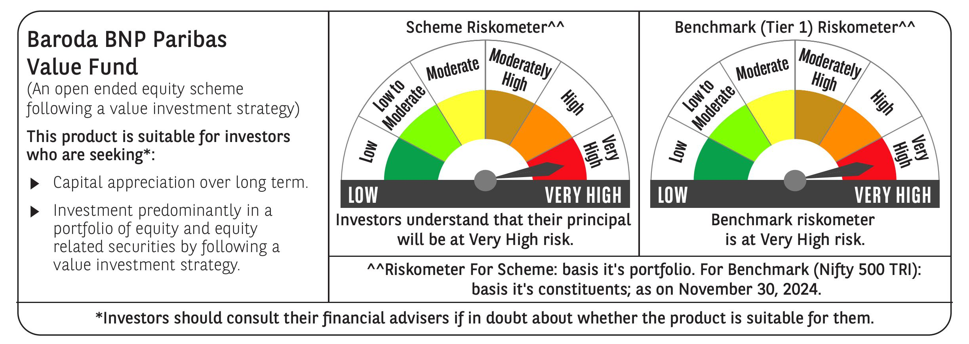
 | Baroda BNP Paribas Value Fund

 | Monthly Portfolio Statement as on November 30, 2024
 | Name of the Instrument | ISIN | Industry / Rating | Quantity | Market/Fair Value (Rs. in Lakhs) | % to Net Assets | YTM~ | YTC^ | null
 | Equity & Equity related
 | (a) Listed / awaiting listing on Stock Exchanges
HDFB03 | HDFC Bank Limited | INE040A01034 | Banks | 600,000 | 10,776.30 | 7.19%
INFS02 | Infosys Limited | INE009A01021 | IT - Software | 475,000 | 8,824.79 | 5.88%
IBCL05 | ICICI Bank Limited | INE090A01021 | Banks | 660,000 | 8,580.66 | 5.72%
RIND01 | Reliance Industries Limited | INE002A01018 | Petroleum Products | 500,000 | 6,461.00 | 4.31%
NTPC01 | NTPC Limited | INE733E01010 | Power | 1,700,000 | 6,182.05 | 4.12%
TCSL01 | Tata Consultancy Services Limited | INE467B01029 | IT - Software | 135,000 | 5,765.65 | 3.84%
LARS02 | Larsen & Toubro Limited | INE018A01030 | Construction | 117,383 | 4,372.28 | 2.92%
DIVI02 | Divi's Laboratories Limited | INE361B01024 | Pharmaceuticals & Biotechnology | 65,000 | 4,012.26 | 2.68%
COAL01 | Coal India Limited | INE522F01014 | Consumable Fuels | 950,000 | 3,955.80 | 2.64%
ALKE01 | Alkem Laboratories Limited | INE540L01014 | Pharmaceuticals & Biotechnology | 60,000 | 3,385.47 | 2.26%
CANH02 | Can Fin Homes Limited | INE477A01020 | Finance | 410,000 | 3,378.20 | 2.25%
ITCL02 | ITC Limited | INE154A01025 | Diversified FMCG | 700,000 | 3,337.25 | 2.23%
MAGL01 | Mahanagar Gas Limited | INE002S01010 | Gas | 280,000 | 3,336.90 | 2.22%
PFCL01 | Power Finance Corporation Limited | INE134E01011 | Finance | 635,000 | 3,145.16 | 2.10%
SJVN01 | SJVN Limited | INE002L01015 | Power | 2,700,000 | 3,102.03 | 2.07%
PGCI01 | Power Grid Corporation of India Limited | INE752E01010 | Power | 900,000 | 2,964.60 | 1.98%
KOMA02 | Kotak Mahindra Bank Limited | INE237A01028 | Banks | 165,000 | 2,912.66 | 1.94%
TELC03 | Tata Motors Limited | INE155A01022 | Automobiles | 360,000 | 2,831.22 | 1.89%
BLUS03 | Blue Star Limited | INE472A01039 | Consumer Durables | 142,950 | 2,649.01 | 1.77%
BPCL01 | Bharat Petroleum Corporation Limited | INE029A01011 | Petroleum Products | 900,000 | 2,628.90 | 1.75%
BHEL02 | Bharat Electronics Limited | INE263A01024 | Aerospace & Defense | 850,000 | 2,618.00 | 1.75%
OIIL01 | Oil India Limited | INE274J01014 | Oil | 500,000 | 2,453.00 | 1.64%
IPLI01 | ICICI Prudential Life Insurance Company Limited | INE726G01019 | Insurance | 350,000 | 2,448.78 | 1.63%
NACL03 | National Aluminium Company Limited | INE139A01034 | Non - Ferrous Metals | 1,000,000 | 2,421.40 | 1.61%
BHAH02 | Bharat Heavy Electricals Limited | INE257A01026 | Electrical Equipment | 950,000 | 2,385.36 | 1.59%
RELS01 | Jio Financial Services Limited | INE758E01017 | Finance | 720,000 | 2,364.12 | 1.58%
MFSL01 | Mas Financial Services Limited | INE348L01012 | Finance | 850,000 | 2,360.88 | 1.57%
ALLI02 | GE Vernova T&D India Limited | INE200A01026 | Electrical Equipment | 131,774 | 2,314.21 | 1.54%
CHLO02 | Exide Industries Limited | INE302A01020 | Auto Components | 500,000 | 2,263.00 | 1.51%
LUPL02 | Lupin Limited | INE326A01037 | Pharmaceuticals & Biotechnology | 110,000 | 2,255.83 | 1.50%
CGCE01 | Crompton Greaves Consumer Electricals Limited | INE299U01018 | Consumer Durables | 550,000 | 2,253.35 | 1.50%
BINL01 | Indus Towers Limited | INE121J01017 | Telecom - Services | 620,553 | 2,167.90 | 1.45%
SPIL03 | Sun Pharmaceutical Industries Limited | INE044A01036 | Pharmaceuticals & Biotechnology | 120,000 | 2,137.08 | 1.42%
TTEC01 | Tata Technologies Limited | INE142M01025 | IT - Services | 220,000 | 2,064.70 | 1.38%
SOKO03 | Jtekt India Limited | INE643A01035 | Auto Components | 1,179,000 | 2,039.43 | 1.36%
ISHF02 | India Shelter Finance Corporation Limited | INE922K01024 | Finance | 300,000 | 1,922.40 | 1.28%
HLEL02 | Hindustan Unilever Limited | INE030A01027 | Diversified FMCG | 70,000 | 1,747.31 | 1.17%
PLNG01 | Petronet LNG Limited | INE347G01014 | Gas | 500,000 | 1,665.50 | 1.11%
HDLI01 | HDFC Life Insurance Company Limited | INE795G01014 | Insurance | 250,000 | 1,644.38 | 1.10%
GSPL01 | Gujarat State Petronet Limited | INE246F01010 | Gas | 435,000 | 1,540.55 | 1.03%
CIPL03 | Cipla Limited | INE059A01026 | Pharmaceuticals & Biotechnology | 100,000 | 1,533.90 | 1.02%
HPEC01 | Hindustan Petroleum Corporation Limited | INE094A01015 | Petroleum Products | 400,000 | 1,532.40 | 1.02%
HOCH01 | Sanofi India Limited | INE058A01010 | Pharmaceuticals & Biotechnology | 22,000 | 1,405.91 | 0.94%
SCDL01 | Sundaram Clayton Limited | INE0Q3R01026 | Auto Components | 58,789 | 1,393.48 | 0.93%
WIPR02 | Wipro Limited | INE075A01022 | IT - Software | 155,000 | 895.67 | 0.60%
SCHI01 | Sanofi Consumer Healthcare India Limited | INE0UOS01011 | Pharmaceuticals & Biotechnology | 16,500 | 796.19 | 0.53%
IDBI01 | IDBI Bank Limited | INE008A01015 | Banks | 500,000 | 409.95 | 0.27%
YESB03 | Yes Bank Limited | INE528G01035 | Banks | 2,000,000 | 399.20 | 0.27%
 | Sub Total |  |  |  | 144,036.07 | 96.06%

SECH03RF | UPL Limited- Rights | INE628A20010 | Fertilizers & Agrochemicals | 36,585 | 67.68 | 0.05%
 | Sub Total |  |  |  | 67.68 | 0.05%
 | (b) Unlisted |  |  |  | NIL | NIL
 | Sub Total |  |  |  | NIL | NIL
 | Total |  |  |  | 144,103.75 | 96.11%
 | Money Market Instruments
 | Treasury Bill
TBIL2404 | 364 Days Tbill (MD 10/07/2025) | IN002024Z156 | Sovereign | 1,000,000 | 961.29 | 0.64% | 6.65%
TBIL2320 | 364 Days Tbill (MD 06/02/2025) | IN002023Z471 | Sovereign | 900,000 | 889.47 | 0.59% | 6.45%
 | Sub Total |  |  |  | 1,850.76 | 1.23%
 | Total |  |  |  | 1,850.76 | 1.23%
 | Reverse Repo / TREPS
TRP_021224 | Clearing Corporation of India Ltd |  |  |  | 4,513.06 | 3.01% | 6.69%
 | Sub Total |  |  |  | 4,513.06 | 3.01%
 | Total |  |  |  | 4,513.06 | 3.01%
 | Net Receivables / (Payables) |  |  |  | (484.36) | (0.35)%
 | GRAND TOTAL |  |  |  | 149,983.21 | 100.00%

 | ** Thinly Traded / Non Traded Security
 | ~ YTM as on November 30, 2024
 | ^ YTC represents Yield to Call provided by valuation agencies as on November 30, 2024. It is disclosed for Perpetual Bond issued by Banks (i.e. AT-1 Bond / Tier 1 Bond / Tier 2 Bond), as per AMFI Best Practices Guidelines Circular no. 135/BP/91/2020-21 re

