T0ME31
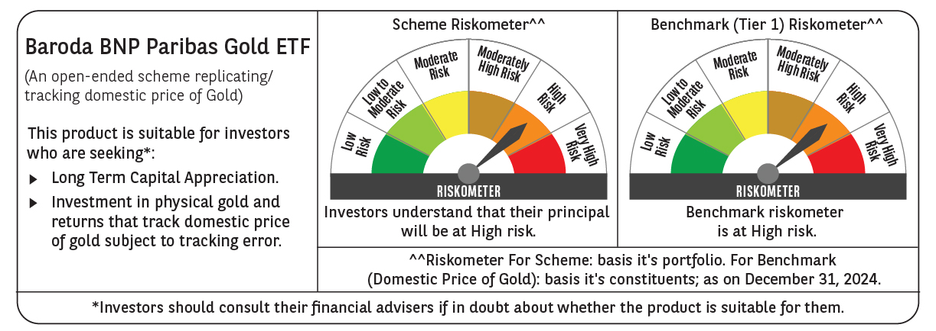
 | Baroda BNP Paribas Gold ETF

 | Monthly Portfolio Statement as on December 31, 2024
 | Name of the Instrument | ISIN | Industry / Rating | Quantity | Market/Fair Value (Rs. in Lakhs) | % to Net Assets | YTM~ | YTC^ | null
 | Gold
GOLD100 | GOLD .995 1KG BAR |  |  | 95 | 7,211.74 | 97.42%
 | Sub Total |  |  |  | 7,211.74 | 97.42%
 | Total |  |  |  | 7,211.74 | 97.42%
 | Reverse Repo / TREPS
TRP_010125 | Clearing Corporation of India Ltd |  |  |  | 14.82 | 0.20% | 6.58%
 | Sub Total |  |  |  | 14.82 | 0.20%
 | Total |  |  |  | 14.82 | 0.20%
 | Net Receivables / (Payables) |  |  |  | 176.14 | 2.38%
 | GRAND TOTAL |  |  |  | 7,402.70 | 100.00%

 | ~ YTM as on December 31, 2024
 | ^ YTC represents Yield to Call provided by valuation agencies as on December 31, 2024. It is disclosed for Perpetual Bond issued by Banks (i.e. AT-1 Bond / Tier 1 Bond / Tier 2 Bond), as per AMFI Best Practices Guidelines Circular no. 135/BP/91/2020-21 re

