T0ME31
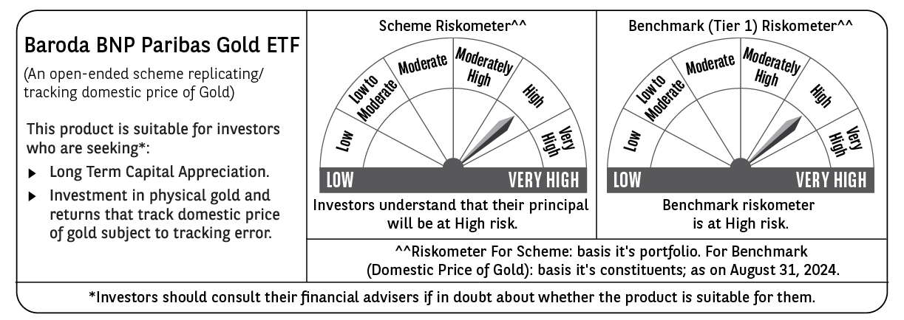
 | Baroda BNP Paribas Gold ETF

 | Monthly Portfolio Statement as on August 31, 2024
 | Name of the Instrument | ISIN | Industry / Rating | Quantity | Market/Fair Value (Rs. in Lakhs) | % to Net Assets | YTM~ | YTC^ | null
 | Gold
GOLD100 | GOLD .995 1KG BAR |  |  | 93 | 6,673.25 | 97.03%
 | Sub Total |  |  |  | 6,673.25 | 97.03%
 | Total |  |  |  | 6,673.25 | 97.03%
 | Reverse Repo / TREPS
TRP_020924 | Clearing Corporation of India Ltd |  |  |  | 30.71 | 0.45% | 6.52%
 | Sub Total |  |  |  | 30.71 | 0.45%
 | Total |  |  |  | 30.71 | 0.45%
 | Net Receivables / (Payables) |  |  |  | 173.30 | 2.52%
 | GRAND TOTAL |  |  |  | 6,877.26 | 100.00%

 | ~ YTM as on August 31, 2024
 | ^ YTC represents Yield to Call provided by valuation agencies as on August 31, 2024. It is disclosed for Perpetual Bond issued by Banks (i.e. AT-1 Bond / Tier 1 Bond / Tier 2 Bond), as per AMFI Best Practices Guidelines Circular no. 135/BP/91/2020-21 read with SEBI circular No. SEBI/HO/IMD/DF4/CIR/P/2021/034 on Valuation of AT-1 Bonds and Tier 2 Bonds.

