T0ME32
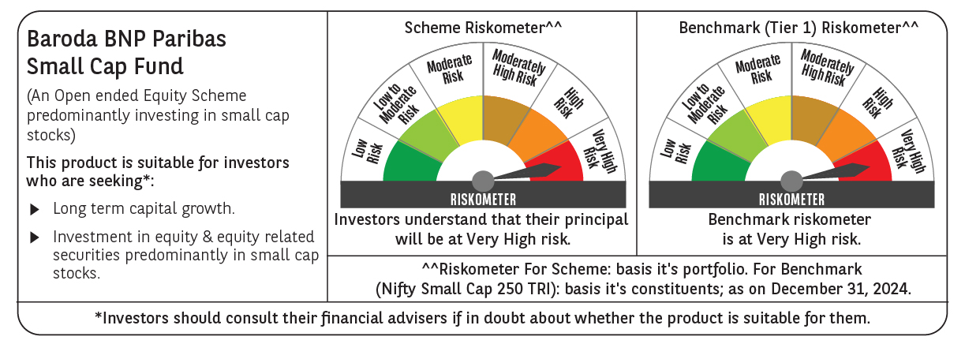
 | Baroda BNP Paribas Small Cap Fund

 | Monthly Portfolio Statement as on December 31, 2024
 | Name of the Instrument | ISIN | Industry / Rating | Quantity | Market/Fair Value (Rs. in Lakhs) | % to Net Assets | YTM~ | YTC^ | null
 | Equity & Equity related
 | (a) Listed / awaiting listing on Stock Exchanges
KFIN01 | KFin Technologies Limited | INE138Y01010 | Capital Markets | 400,000 | 6,149.00 | 4.28%
ALLI02 | GE Vernova T&D India Limited | INE200A01026 | Electrical Equipment | 279,032 | 5,792.43 | 4.03%
ABBP01 | Hitachi Energy India Limited | INE07Y701011 | Electrical Equipment | 32,736 | 4,717.98 | 3.28%
MAGL01 | Mahanagar Gas Limited | INE002S01010 | Gas | 360,000 | 4,623.84 | 3.22%
JYCN01 | Jyoti CNC Automation Ltd | INE980O01024 | Industrial Manufacturing | 275,000 | 3,714.15 | 2.58%
BEFS01 | Mrs. Bectors Food Specialities Limited | INE495P01012 | Food Products | 214,839 | 3,520.35 | 2.45%
CDSL01 | Central Depository Services (India) Limited | INE736A01011 | Capital Markets | 200,000 | 3,517.30 | 2.45%
ALPM01 | Alembic Pharmaceuticals Limited | INE901L01018 | Pharmaceuticals & Biotechnology | 322,976 | 3,443.73 | 2.40%
ICBR01 | ICICI Securities Limited | INE763G01038 | Capital Markets | 400,000 | 3,425.40 | 2.38%
KEIN02 | KEC International Limited | INE389H01022 | Construction | 280,000 | 3,356.64 | 2.33%
SOKO03 | Jtekt India Limited | INE643A01035 | Auto Components | 1,918,000 | 3,106.01 | 2.16%
KSPL02 | KSB Limited | INE999A01023 | Industrial Products | 400,000 | 3,073.20 | 2.14%
VGIL02 | V-Guard Industries Limited | INE951I01027 | Consumer Durables | 725,000 | 3,063.13 | 2.13%
MASP02 | Vardhman Textiles Limited | INE825A01020 | Textiles & Apparels | 573,500 | 2,901.91 | 2.02%
BHAE01 | BEML Limited | INE258A01016 | Agricultural, Commercial & Construction Vehicles | 70,000 | 2,848.13 | 1.98%
LTHL01 | Lemon Tree Hotels Limited | INE970X01018 | Leisure Services | 1,850,000 | 2,829.76 | 1.97%
BASF01 | BASF India Limited | INE373A01013 | Chemicals & Petrochemicals | 50,000 | 2,781.48 | 1.93%
GUOL01 | Gulf Oil Lubricants India Limited | INE635Q01029 | Petroleum Products | 220,000 | 2,675.75 | 1.86%
SAGI01 | Sagility India Limited | INE0W2G01015 | IT - Services | 5,275,000 | 2,661.24 | 1.85%
KAVY06 | Karur Vysya Bank Limited | INE036D01028 | Banks | 1,220,000 | 2,648.99 | 1.84%
TLSL01 | TeamLease Services Limited | INE985S01024 | Commercial Services & Supplies | 90,000 | 2,637.90 | 1.83%
INGE01 | Ingersoll Rand (India) Limited | INE177A01018 | Industrial Products | 63,000 | 2,629.84 | 1.83%
BLUS03 | Blue Star Limited | INE472A01039 | Consumer Durables | 119,125 | 2,548.26 | 1.77%
NSDL02 | Protean eGov Technologies Limited | INE004A01022 | IT - Services | 125,000 | 2,419.44 | 1.68%
SJVN01 | SJVN Limited | INE002L01015 | Power | 2,200,000 | 2,297.02 | 1.60%
CENT02 | Aditya Birla Real Estate Limited | INE055A01016 | Paper, Forest & Jute Products | 90,000 | 2,257.79 | 1.57%
CGCE01 | Crompton Greaves Consumer Electricals Limited | INE299U01018 | Consumer Durables | 550,000 | 2,176.90 | 1.51%
LARS02 | Larsen & Toubro Limited | INE018A01030 | Construction | 60,000 | 2,164.59 | 1.51%
NACL03 | National Aluminium Company Limited | INE139A01034 | Non - Ferrous Metals | 1,000,000 | 2,117.00 | 1.47%
ICRA01 | ICRA Limited | INE725G01011 | Capital Markets | 33,069 | 2,111.77 | 1.47%
ECLE01 | eClerx Services Limited | INE738I01010 | Commercial Services & Supplies | 60,000 | 2,090.04 | 1.45%
CAMS01 | Computer Age Management Services Limited | INE596I01012 | Capital Markets | 40,500 | 2,055.54 | 1.43%
JYLL02 | Jyothy Labs Limited | INE668F01031 | Household Products | 500,000 | 1,985.50 | 1.38%
MFSL01 | Mas Financial Services Limited | INE348L01012 | Finance | 700,000 | 1,927.10 | 1.34%
BRIG01 | Brigade Enterprises Limited | INE791I01019 | Realty | 150,000 | 1,864.50 | 1.30%
KELV01 | Whirlpool of India Limited | INE716A01013 | Consumer Durables | 100,000 | 1,840.15 | 1.28%
HOCH01 | Sanofi India Limited | INE058A01010 | Pharmaceuticals & Biotechnology | 30,000 | 1,836.80 | 1.28%
AMRA03 | Amara Raja Energy & Mobility Ltd | INE885A01032 | Auto Components | 150,000 | 1,799.93 | 1.25%
AFFI02 | Affle (India) Limited | INE00WC01027 | IT - Services | 100,000 | 1,783.25 | 1.24%
AARI02 | Aarti Industries Limited | INE769A01020 | Chemicals & Petrochemicals | 425,000 | 1,742.71 | 1.21%
ISHF02 | India Shelter Finance Corporation Limited | INE922K01024 | Finance | 230,000 | 1,621.50 | 1.13%
SKFB02 | SKF India Limited | INE640A01023 | Industrial Products | 35,000 | 1,567.41 | 1.09%
CHLO02 | Exide Industries Limited | INE302A01020 | Auto Components | 375,000 | 1,562.06 | 1.09%
CUBI02 | City Union Bank Limited | INE491A01021 | Banks | 900,000 | 1,550.97 | 1.08%
GSPL01 | Gujarat State Petronet Limited | INE246F01010 | Gas | 420,000 | 1,519.98 | 1.06%
INKN01 | Inventurus Knowledge Solutions Limited | INE115Q01022 | IT - Services | 78,621 | 1,509.13 | 1.05%
STPR03 | JK Lakshmi Cement Limited | INE786A01032 | Cement & Cement Products | 180,000 | 1,504.98 | 1.05%
EMAM02 | Emami Limited | INE548C01032 | Personal Products | 250,000 | 1,501.88 | 1.04%
SCDL01 | Sundaram Clayton Limited | INE0Q3R01026 | Auto Components | 58,789 | 1,497.27 | 1.04%
FINO02 | Finolex Cables Limited | INE235A01022 | Industrial Products | 120,000 | 1,418.40 | 0.99%
BHAH02 | Bharat Heavy Electricals Limited | INE257A01026 | Electrical Equipment | 600,000 | 1,376.40 | 0.96%
WABT01 | ZF Commercial Vehicle Control Systems India Limited | INE342J01019 | Auto Components | 9,785 | 1,178.50 | 0.82%
CNAF01 | Zydus Wellness Limited | INE768C01010 | Food Products | 56,054 | 1,104.96 | 0.77%
SCHI01 | Sanofi Consumer Healthcare India Limited | INE0UOS01011 | Pharmaceuticals & Biotechnology | 15,000 | 739.11 | 0.51%
PVRL01 | PVR INOX Limited | INE191H01014 | Entertainment | 50,000 | 652.45 | 0.45%
VIPI02 | VIP Industries Limited | INE054A01027 | Consumer Durables | 125,000 | 600.19 | 0.42%
RCCL01 | Raymond Lifestyle Limited | INE02ID01020 | Textiles & Apparels | 25,000 | 526.05 | 0.37%
ADHL01 | Aster DM Healthcare Limited | INE914M01019 | Healthcare Services | 80,000 | 411.16 | 0.29%
 | Sub Total |  |  |  | 134,978.85 | 93.89%
 | (b) Unlisted |  |  |  | NIL | NIL
 | Sub Total |  |  |  | NIL | NIL
 | Total |  |  |  | 134,978.85 | 93.89%
 | Money Market Instruments
 | Treasury Bill
TBIL2396 | 182 Days Tbill (MD 14/02/2025) | IN002024Y209 | Sovereign | 1,500,000 | 1,488.45 | 1.04% | 6.44%
 | Sub Total |  |  |  | 1,488.45 | 1.04%
 | Total |  |  |  | 1,488.45 | 1.04%
 | Reverse Repo / TREPS
TRP_010125 | Clearing Corporation of India Ltd |  |  |  | 7,917.02 | 5.51% | 6.58%
 | Sub Total |  |  |  | 7,917.02 | 5.51%
 | Total |  |  |  | 7,917.02 | 5.51%
 | Net Receivables / (Payables) |  |  |  | (597.36) | (0.44)%
 | GRAND TOTAL |  |  |  | 143,786.96 | 100.00%

 | ~ YTM as on December 31, 2024
 | ^ YTC represents Yield to Call provided by valuation agencies as on December 31, 2024. It is disclosed for Perpetual Bond issued by Banks (i.e. AT-1 Bond / Tier 1 Bond / Tier 2 Bond), as per AMFI Best Practices Guidelines Circular no. 135/BP/91/2020-21 re

