T0ME32
 | Baroda BNP Paribas Small Cap Fund

 | Monthly Portfolio Statement as on November 30, 2025
 | Name of the Instrument | ISIN | Industry | Quantity | Market/Fair Value (Rs. in Lakhs) | % to Net Assets | YTM~ | YTC^ | null
 | Equity & Equity related
 | (a) Listed / awaiting listing on Stock Exchanges
ABBP01 | Hitachi Energy India Limited | INE07Y701011 | Electrical Equipment | 20,000 | 4,411.20 | 3.57%
KSPL02 | KSB Limited | INE999A01023 | Industrial Products | 505,170 | 3,878.95 | 3.14%
CUBI02 | City Union Bank Limited | INE491A01021 | Banks | 1,350,000 | 3,659.58 | 2.96%
BHAE02 | BEML Limited | INE258A01024 | Agricultural, Commercial & Construction Vehicles | 200,000 | 3,656.00 | 2.96%
KAVY06 | Karur Vysya Bank Limited | INE036D01028 | Banks | 1,464,000 | 3,630.28 | 2.94%
SOKO03 | Jtekt India Limited | INE643A01035 | Auto Components | 2,100,377 | 3,295.28 | 2.67%
SAGI01 | Sagility Limited | INE0W2G01015 | IT - Services | 6,302,521 | 3,156.30 | 2.55%
ALLI02 | GE Vernova T&D India Limited | INE200A01026 | Electrical Equipment | 109,100 | 3,143.61 | 2.54%
CAMS01 | Computer Age Management Services Limited | INE596I01012 | Capital Markets | 80,000 | 3,096.24 | 2.51%
CANH02 | Can Fin Homes Limited | INE477A01020 | Finance | 347,000 | 3,069.39 | 2.48%
PHWL01 | PhysicsWallah Limited | INE0LP301011 | Other Consumer Services | 2,382,100 | 2,975.00 | 2.41%
ECLE01 | eClerx Services Limited | INE738I01010 | Commercial Services & Supplies | 65,000 | 2,957.96 | 2.39%
ASPH02 | AstraZeneca Pharma India Limited | INE203A01020 | Pharmaceuticals & Biotechnology | 32,200 | 2,905.73 | 2.35%
AMBE01 | Amber Enterprises India Limited | INE371P01015 | Consumer Durables | 40,000 | 2,872.40 | 2.32%
LTHL01 | Lemon Tree Hotels Limited | INE970X01018 | Leisure Services | 1,700,000 | 2,690.59 | 2.18%
ADHL01 | Aster DM Healthcare Limited | INE914M01019 | Healthcare Services | 400,000 | 2,661.80 | 2.15%
BHAH02 | Bharat Heavy Electricals Limited | INE257A01026 | Electrical Equipment | 900,000 | 2,617.65 | 2.12%
NACL03 | National Aluminium Company Limited | INE139A01034 | Non - Ferrous Metals | 1,000,000 | 2,599.80 | 2.10%
INGE01 | Ingersoll Rand (India) Limited | INE177A01018 | Industrial Products | 66,207 | 2,471.84 | 2.00%
MFSL01 | Mas Financial Services Limited | INE348L01012 | Finance | 800,000 | 2,470.40 | 2.00%
USFB01 | Ujjivan Small Finance Bank Limited | INE551W01018 | Banks | 4,500,000 | 2,449.35 | 1.98%
DLPL01 | Dr. Lal Path Labs Limited | INE600L01024 | Healthcare Services | 80,000 | 2,441.44 | 1.98%
MAGL01 | Mahanagar Gas Limited | INE002S01010 | Gas | 200,000 | 2,400.40 | 1.94%
PRRC03 | Navin Fluorine International Limited | INE048G01026 | Chemicals & Petrochemicals | 38,979 | 2,235.64 | 1.81%
MALE02 | Poonawalla Fincorp Limited | INE511C01022 | Finance | 450,000 | 2,161.35 | 1.75%
MSUW01 | Motherson Sumi Wiring India Limited | INE0FS801015 | Auto Components | 4,632,422 | 2,115.16 | 1.71%
CDSL01 | Central Depository Services (India) Limited | INE736A01011 | Capital Markets | 130,000 | 2,102.36 | 1.70%
ICRA01 | ICRA Limited | INE725G01011 | Capital Markets | 33,701 | 2,088.79 | 1.69%
AFFI02 | Affle 3i Limited | INE00WC01027 | IT - Services | 125,000 | 2,076.13 | 1.68%
DCMC02 | DCM Shriram Limited | INE499A01024 | Diversified | 150,000 | 1,824.00 | 1.48%
ISHF02 | India Shelter Finance Corporation Limited | INE922K01024 | Finance | 200,000 | 1,761.30 | 1.43%
CHOL02 | Cholamandalam Investment and Finance Company Ltd | INE121A01024 | Finance | 100,000 | 1,736.00 | 1.40%
MNGF02 | Manappuram Finance Limited | INE522D01027 | Finance | 600,000 | 1,709.70 | 1.38%
TRFO01 | Travel Food Services Limited | INE103V01028 | Leisure Services | 120,000 | 1,615.08 | 1.31%
YESB03 | Yes Bank Limited | INE528G01035 | Banks | 7,000,000 | 1,605.10 | 1.30%
KFIN01 | KFin Technologies Limited | INE138Y01010 | Capital Markets | 150,000 | 1,584.45 | 1.28%
ICEM01 | The India Cements Limited | INE383A01012 | Cement & Cement Products | 400,000 | 1,571.20 | 1.27%
PFIZ01 | Pfizer Limited | INE182A01018 | Pharmaceuticals & Biotechnology | 30,000 | 1,492.50 | 1.21%
JYLL02 | Jyothy Labs Limited | INE668F01031 | Household Products | 492,385 | 1,477.40 | 1.20%
GUOL01 | Gulf Oil Lubricants India Limited | INE635Q01029 | Petroleum Products | 124,551 | 1,471.94 | 1.19%
SCLB01 | Leela Palaces Hotels & Resorts Limited | INE0AQ201015 | Leisure Services | 353,066 | 1,453.75 | 1.18%
CNAF02 | Zydus Wellness Limited | INE768C01028 | Food Products | 337,206 | 1,451.50 | 1.17%
INKN01 | Inventurus Knowledge Solutions Limited | INE115Q01022 | IT - Services | 82,777 | 1,391.15 | 1.13%
STPR03 | JK Lakshmi Cement Limited | INE786A01032 | Cement & Cement Products | 182,856 | 1,387.60 | 1.12%
MCEX01 | Multi Commodity Exchange of India Limited | INE745G01035 | Capital Markets | 13,450 | 1,354.89 | 1.10%
VRLO01 | VRL Logistics Limited | INE366I01010 | Transport Services | 465,000 | 1,261.55 | 1.02%
GOOD02 | Kansai Nerolac Paints Limited | INE531A01024 | Consumer Durables | 525,000 | 1,241.57 | 1.00%
JSWC01 | JSW Cement Limited | INE718I01012 | Cement & Cement Products | 1,000,000 | 1,147.40 | 0.93%
LGEL01 | LG Electronics India Ltd | INE324D01010 | Consumer Durables | 65,494 | 1,086.74 | 0.88%
CENT02 | Aditya Birla Real Estate Limited | INE055A01016 | Paper, Forest & Jute Products | 60,961 | 1,081.20 | 0.87%
AGBL01 | Angel One Limited | INE732I01013 | Capital Markets | 39,000 | 1,054.48 | 0.85%
HOCH01 | Sanofi India Limited | INE058A01010 | Pharmaceuticals & Biotechnology | 21,643 | 949.63 | 0.77%
BASF01 | BASF India Limited | INE373A01013 | Chemicals & Petrochemicals | 19,852 | 825.21 | 0.67%
VGIL02 | V-Guard Industries Limited | INE951I01027 | Consumer Durables | 123,865 | 426.47 | 0.35%
SKFB02 | SKF India Limited | INE640A01023 | Auto Components | 12,788 | 244.97 | 0.20%
SKFI01 | SKF India (Industrial) Ltd ** | INE2J8701016 | Industrial Products | 42,000 | 1,137.53 | 0.92%
 | Sub Total |  |  |  | 117,634.93 | 95.19%
 | (b) Unlisted |  |  |  | NIL | NIL
 | Sub Total |  |  |  | NIL | NIL
 | Total |  |  |  | 117,634.93 | 95.19%
 | Reverse Repo / TREPS
TRP_011225 | Clearing Corporation of India Ltd |  |  |  | 6,248.57 | 5.06% | 5.43%
 | Sub Total |  |  |  | 6,248.57 | 5.06%
 | Total |  |  |  | 6,248.57 | 5.06%
 | Net Receivables / (Payables) |  |  |  | (288.16) | (0.25)%
 | GRAND TOTAL |  |  |  | 123,595.34 | 100.00%

 | ** Thinly Traded / Non Traded Security
 | ~ YTM as on November 30, 2025
 | ^ YTC represents Yield to Call provided by valuation agencies as on November 30, 2025. It is disclosed for Perpetual Bond issued by Banks (i.e. AT-1 Bond / Tier 1 Bond / Tier 2 Bond), as per AMFI Best Practices Guidelines Circular no. 135/BP/91/2020-21 read with SEBI circular No. SEBI/HO/IMD/DF4/CIR/P/2021/034 on Valuation of AT-1 Bonds and Tier 2 Bonds.

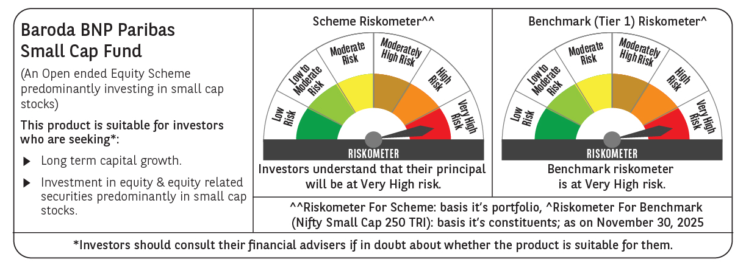

 | Monthly Performance Link: https://www.barodabnpparibasmf.in/assets/download_documents/Performance_of_Schemes_Nov-2025_15612.pdf

