Monthly Portfolio
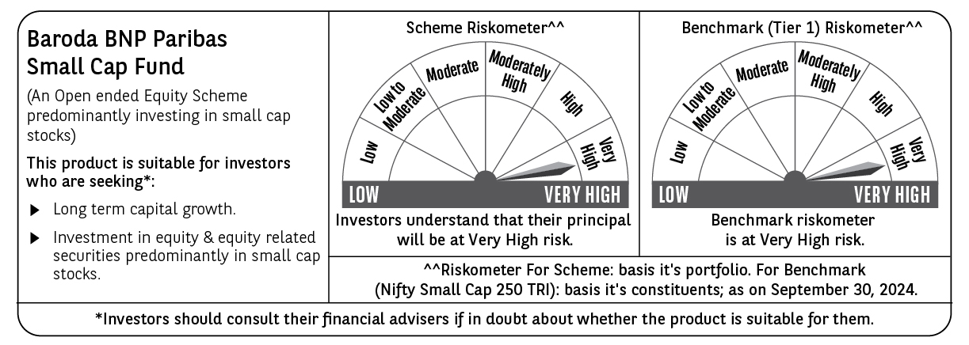
 | Baroda BNP Paribas Small Cap Fund

 | Monthly Portfolio Statement as on September 30, 2024
 | Name of the Instrument | ISIN | Industry / Rating | Quantity | Market/Fair Value (Rs. in Lakhs) | % to Net Assets | YTM~ | YTC^ | null
 | Equity & Equity related
 | (a) Listed / awaiting listing on Stock Exchanges
ABBP01 | Hitachi Energy India Limited | INE07Y701011 | Electrical Equipment | 38,000 | 5,527.21 | 3.50%
MAGL01 | Mahanagar Gas Limited | INE002S01010 | Gas | 270,000 | 5,239.08 | 3.32%
ALLI02 | GE T&D India Limited | INE200A01026 | Electrical Equipment | 279,032 | 4,690.53 | 2.97%
KFIN01 | KFin Technologies Limited | INE138Y01010 | Capital Markets | 450,000 | 4,595.40 | 2.91%
BEFS01 | Mrs. Bectors Food Specialities Limited | INE495P01012 | Food Products | 214,839 | 4,095.48 | 2.60%
ALPM01 | Alembic Pharmaceuticals Limited | INE901L01018 | Pharmaceuticals & Biotechnology | 322,976 | 3,893.48 | 2.47%
BASF01 | BASF India Limited | INE373A01013 | Chemicals & Petrochemicals | 50,000 | 3,692.63 | 2.34%
KSPL02 | KSB Limited | INE999A01023 | Industrial Products | 400,000 | 3,597.20 | 2.28%
ICBR01 | ICICI Securities Limited | INE763G01038 | Capital Markets | 400,000 | 3,491.60 | 2.21%
SOKO03 | Jtekt India Limited | INE643A01035 | Auto Components | 1,918,000 | 3,380.67 | 2.14%
VGIL02 | V-Guard Industries Limited | INE951I01027 | Consumer Durables | 725,000 | 3,242.56 | 2.06%
JYCN01 | Jyoti CNC Automation Ltd | INE980O01024 | Industrial Manufacturing | 275,000 | 3,149.30 | 2.00%
CANH02 | Can Fin Homes Limited | INE477A01020 | Finance | 350,000 | 3,122.88 | 1.98%
KEIN02 | KEC International Limited | INE389H01022 | Construction | 300,000 | 3,115.65 | 1.97%
GUOL01 | Gulf Oil Lubricants India Limited | INE635Q01029 | Petroleum Products | 220,000 | 3,044.80 | 1.93%
JBCH03 | JB Chemicals & Pharmaceuticals Limited | INE572A01036 | Pharmaceuticals & Biotechnology | 160,000 | 3,000.00 | 1.90%
SJVN01 | SJVN Limited | INE002L01015 | Power | 2,200,000 | 2,915.22 | 1.85%
CDSL01 | Central Depository Services (India) Limited | INE736A01011 | Capital Markets | 200,000 | 2,874.20 | 1.82%
IDFC01 | IDFC Limited | INE043D01016 | Finance | 2,500,000 | 2,832.25 | 1.80%
TLSL01 | TeamLease Services Limited | INE985S01024 | Commercial Services & Supplies | 90,000 | 2,816.37 | 1.79%
TTEC01 | Tata Technologies Limited | INE142M01025 | IT - Services | 255,000 | 2,813.03 | 1.78%
JYLL02 | Jyothy Labs Limited | INE668F01031 | Household Products | 500,000 | 2,790.00 | 1.77%
MASP02 | Vardhman Textiles Limited | INE825A01020 | Textiles & Apparels | 573,500 | 2,714.95 | 1.72%
PREE01 | Premier Energies Limited | INE0BS701011 | Electrical Equipment | 250,000 | 2,707.25 | 1.72%
INGE01 | Ingersoll Rand (India) Limited | INE177A01018 | Industrial Products | 63,000 | 2,613.59 | 1.66%
BALC02 | Balrampur Chini Mills Limited | INE119A01028 | Agricultural Food & other Products | 400,000 | 2,595.60 | 1.65%
KAVY06 | Karur Vysya Bank Limited | INE036D01028 | Banks | 1,200,000 | 2,574.72 | 1.63%
CENT02 | Century Textiles & Industries Limited | INE055A01016 | Paper, Forest & Jute Products | 90,000 | 2,565.05 | 1.63%
AARI02 | Aarti Industries Limited | INE769A01020 | Chemicals & Petrochemicals | 425,000 | 2,477.54 | 1.57%
BLUS03 | Blue Star Limited | INE472A01039 | Consumer Durables | 119,125 | 2,458.38 | 1.56%
BHAE01 | BEML Limited | INE258A01016 | Agricultural, Commercial & Construction Vehicles | 65,000 | 2,397.36 | 1.52%
NSDL02 | Protean eGov Technologies Limited | INE004A01022 | IT - Services | 125,000 | 2,357.56 | 1.49%
KELV01 | Whirlpool of India Limited | INE716A01013 | Consumer Durables | 100,000 | 2,289.60 | 1.45%
LARS02 | Larsen & Toubro Limited | INE018A01030 | Construction | 60,000 | 2,205.33 | 1.40%
MFSL01 | Mas Financial Services Limited | INE348L01012 | Finance | 733,625 | 2,142.19 | 1.36%
BRIG01 | Brigade Enterprises Limited | INE791I01019 | Realty | 150,000 | 2,125.58 | 1.35%
HOCH01 | Sanofi India Limited | INE058A01010 | Pharmaceuticals & Biotechnology | 30,000 | 2,114.66 | 1.34%
NACL03 | National Aluminium Company Limited | INE139A01034 | Non - Ferrous Metals | 1,000,000 | 2,102.90 | 1.33%
JUFL02 | Jubilant Foodworks Limited | INE797F01020 | Leisure Services | 300,000 | 2,045.70 | 1.30%
BIRJ01 | Birla Corporation Limited | INE340A01012 | Cement & Cement Products | 150,000 | 1,901.55 | 1.21%
CHLO02 | Exide Industries Limited | INE302A01020 | Auto Components | 375,000 | 1,884.56 | 1.19%
ICRA01 | ICRA Limited | INE725G01011 | Capital Markets | 26,000 | 1,881.80 | 1.19%
CGCE01 | Crompton Greaves Consumer Electricals Limited | INE299U01018 | Consumer Durables | 450,000 | 1,873.13 | 1.19%
ECLE01 | eClerx Services Limited | INE738I01010 | Commercial Services & Supplies | 60,000 | 1,804.83 | 1.14%
CAMS01 | Computer Age Management Services Limited | INE596I01012 | Capital Markets | 40,500 | 1,785.69 | 1.13%
ISHF02 | India Shelter Finance Corporation Limited | INE922K01024 | Finance | 230,000 | 1,727.30 | 1.09%
BHAH02 | Bharat Heavy Electricals Limited | INE257A01026 | Electrical Equipment | 600,000 | 1,678.20 | 1.06%
JKBL02 | The Jammu & Kashmir Bank Limited | INE168A01041 | Banks | 1,500,000 | 1,608.45 | 1.02%
AFFI02 | Affle (India) Limited | INE00WC01027 | IT - Services | 100,000 | 1,588.40 | 1.01%
WABT01 | ZF Commercial Vehicle Control Systems India Limited | INE342J01019 | Auto Components | 9,785 | 1,554.63 | 0.99%
EMAM02 | Emami Limited | INE548C01032 | Personal Products | 200,000 | 1,532.40 | 0.97%
WESD02 | Westlife Foodworld Limited | INE274F01020 | Leisure Services | 160,000 | 1,510.96 | 0.96%
RATN01 | RBL Bank Limited | INE976G01028 | Banks | 700,000 | 1,429.96 | 0.91%
AMRA03 | Amara Raja Energy & Mobility Ltd | INE885A01032 | Auto Components | 100,000 | 1,425.95 | 0.90%
STPR03 | JK Lakshmi Cement Limited | INE786A01032 | Cement & Cement Products | 175,000 | 1,350.30 | 0.86%
CUBI02 | City Union Bank Limited | INE491A01021 | Banks | 700,000 | 1,147.51 | 0.73%
CNAF01 | Zydus Wellness Limited | INE768C01010 | Food Products | 53,700 | 1,079.93 | 0.68%
GSPL01 | Gujarat State Petronet Limited | INE246F01010 | Gas | 250,000 | 1,062.63 | 0.67%
SCHI01 | Sanofi Consumer Healthcare India Limited | INE0UOS01011 | Pharmaceuticals & Biotechnology | 15,000 | 756.83 | 0.48%
RCCL01 | Raymond Lifestyle Limited | INE02ID01020 | Textiles & Apparels | 25,000 | 591.73 | 0.38%
ICEM01 | The India Cements Limited | INE383A01012 | Cement & Cement Products | 20,000 | 73.14 | 0.05%
 | Sub Total |  |  |  | 149,657.38 | 94.88%
 | (b) Unlisted |  |  |  | NIL | NIL
 | Sub Total |  |  |  | NIL | NIL
 | Total |  |  |  | 149,657.38 | 94.88%
 | Money Market Instruments
 | Treasury Bill
TBIL2396 | 182 Days Tbill (MD 14/02/2025) | IN002024Y209 | Sovereign | 1,500,000 | 1,464.42 | 0.93% | 6.52%
 | Sub Total |  |  |  | 1,464.42 | 0.93%
 | Total |  |  |  | 1,464.42 | 0.93%
 | Reverse Repo / TREPS
TRP_011024 | Clearing Corporation of India Ltd |  |  |  | 6,965.82 | 4.42% | 6.65%
 | Sub Total |  |  |  | 6,965.82 | 4.42%
 | Total |  |  |  | 6,965.82 | 4.42%
 | Net Receivables / (Payables) |  |  |  | (326.78) | (0.23)%
 | GRAND TOTAL |  |  |  | 157,760.84 | 100.00%

 | ~ YTM as on September 30, 2024
 | ^ YTC represents Yield to Call provided by valuation agencies as on September 30, 2024. It is disclosed for Perpetual Bond issued by Banks (i.e. AT-1 Bond / Tier 1 Bond / Tier 2 Bond), as per AMFI Best Practices Guidelines Circular no. 135/BP/91/2020-21 read with SEBI circular No. SEBI/HO/IMD/DF4/CIR/P/2021/034 on Valuation of AT-1 Bonds and Tier 2 Bonds.

