T0ME32
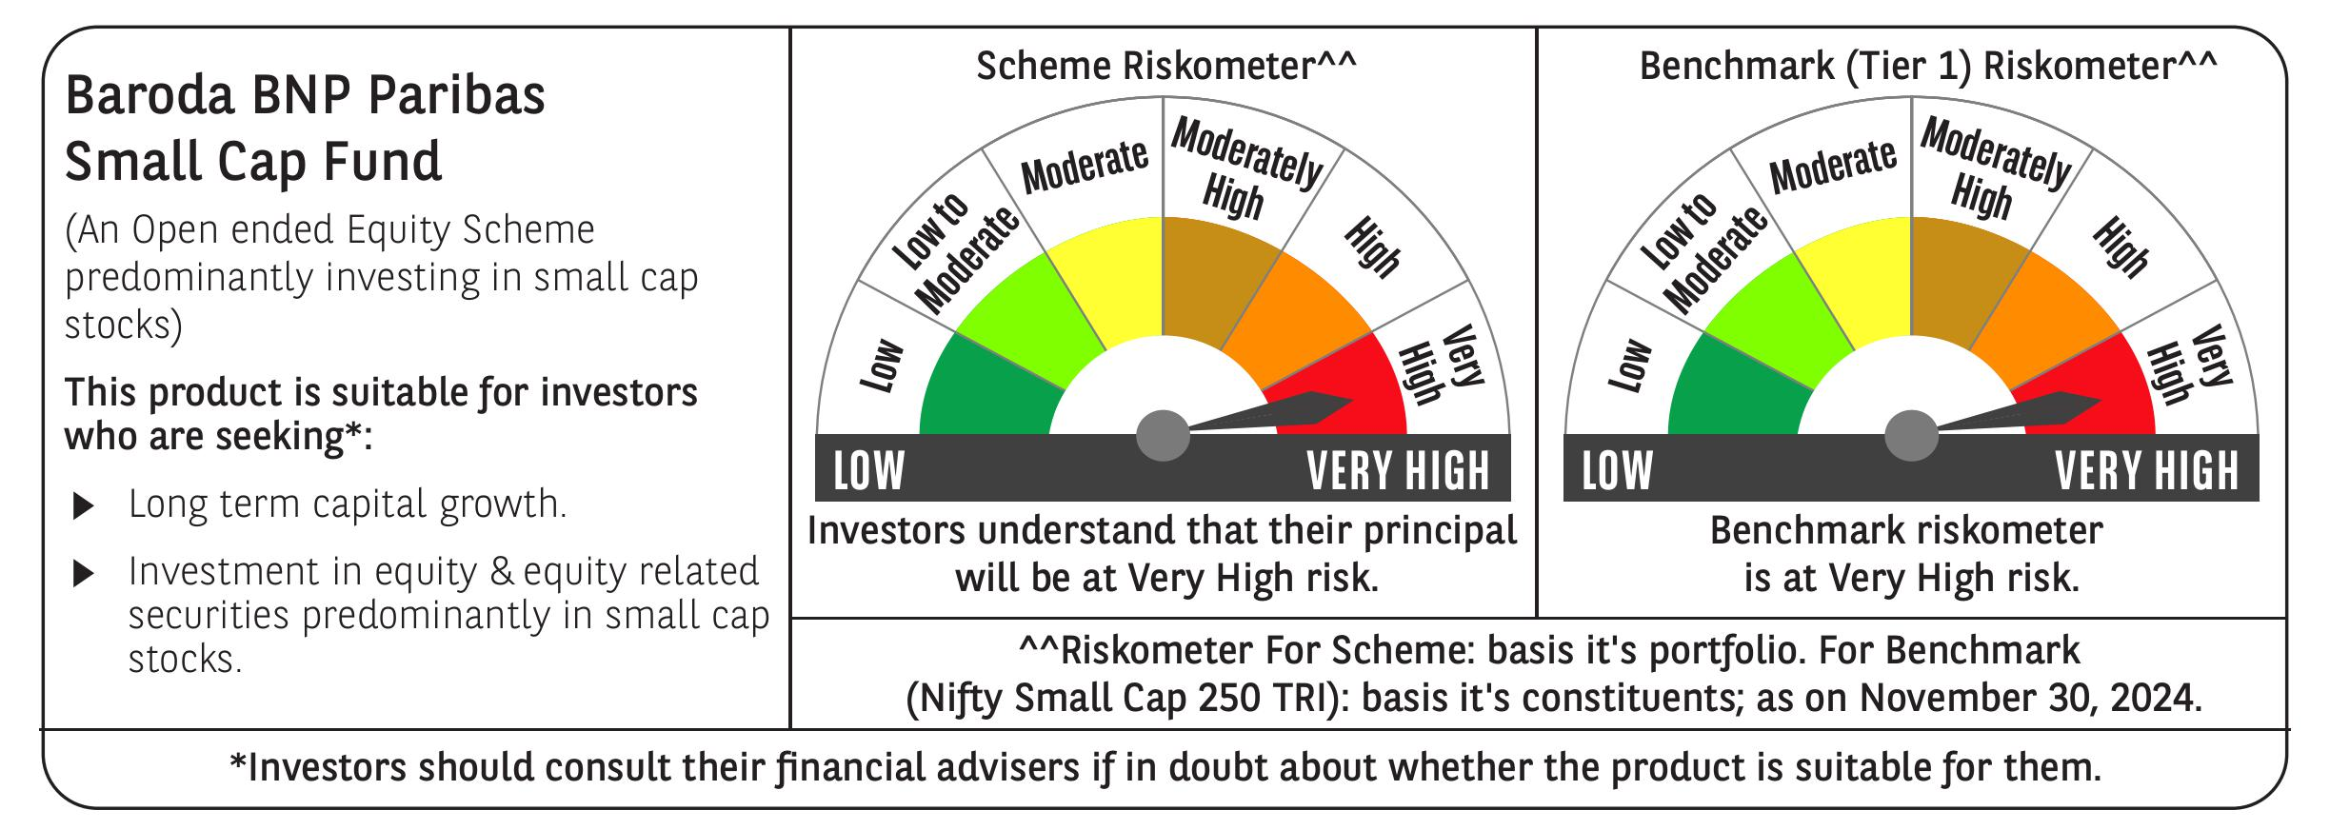
 | Baroda BNP Paribas Small Cap Fund

 | Monthly Portfolio Statement as on November 30, 2024
 | Name of the Instrument | ISIN | Industry / Rating | Quantity | Market/Fair Value (Rs. in Lakhs) | % to Net Assets | YTM~ | YTC^ | null
 | Equity & Equity related
 | (a) Listed / awaiting listing on Stock Exchanges
KFIN01 | KFin Technologies Limited | INE138Y01010 | Capital Markets | 450,000 | 5,236.88 | 3.64%
ALLI02 | GE Vernova T&D India Limited | INE200A01026 | Electrical Equipment | 279,032 | 4,900.36 | 3.40%
MAGL01 | Mahanagar Gas Limited | INE002S01010 | Gas | 360,000 | 4,290.30 | 2.98%
ABBP01 | Hitachi Energy India Limited | INE07Y701011 | Electrical Equipment | 32,736 | 3,921.30 | 2.72%
BEFS01 | Mrs. Bectors Food Specialities Limited | INE495P01012 | Food Products | 214,839 | 3,897.82 | 2.71%
ALPM01 | Alembic Pharmaceuticals Limited | INE901L01018 | Pharmaceuticals & Biotechnology | 322,976 | 3,527.54 | 2.45%
ICBR01 | ICICI Securities Limited | INE763G01038 | Capital Markets | 400,000 | 3,490.60 | 2.42%
JYCN01 | Jyoti CNC Automation Ltd | INE980O01024 | Industrial Manufacturing | 275,000 | 3,415.91 | 2.37%
KSPL02 | KSB Limited | INE999A01023 | Industrial Products | 400,000 | 3,328.20 | 2.31%
SOKO03 | Jtekt India Limited | INE643A01035 | Auto Components | 1,918,000 | 3,317.76 | 2.30%
CDSL01 | Central Depository Services (India) Limited | INE736A01011 | Capital Markets | 200,000 | 3,278.90 | 2.28%
VGIL02 | V-Guard Industries Limited | INE951I01027 | Consumer Durables | 725,000 | 3,022.89 | 2.10%
BASF01 | BASF India Limited | INE373A01013 | Chemicals & Petrochemicals | 50,000 | 3,008.38 | 2.09%
KEIN02 | KEC International Limited | INE389H01022 | Construction | 280,000 | 2,952.04 | 2.05%
CANH02 | Can Fin Homes Limited | INE477A01020 | Finance | 350,000 | 2,883.83 | 2.00%
INGE01 | Ingersoll Rand (India) Limited | INE177A01018 | Industrial Products | 63,000 | 2,844.26 | 1.98%
KAVY06 | Karur Vysya Bank Limited | INE036D01028 | Banks | 1,200,000 | 2,838.72 | 1.97%
BHAE01 | BEML Limited | INE258A01016 | Agricultural, Commercial & Construction Vehicles | 65,000 | 2,755.68 | 1.91%
MASP02 | Vardhman Textiles Limited | INE825A01020 | Textiles & Apparels | 573,500 | 2,730.43 | 1.90%
TLSL01 | TeamLease Services Limited | INE985S01024 | Commercial Services & Supplies | 90,000 | 2,608.43 | 1.81%
SJVN01 | SJVN Limited | INE002L01015 | Power | 2,200,000 | 2,527.58 | 1.76%
CENT02 | Aditya Birla Real Estate Limited | INE055A01016 | Paper, Forest & Jute Products | 90,000 | 2,477.52 | 1.72%
GUOL01 | Gulf Oil Lubricants India Limited | INE635Q01029 | Petroleum Products | 220,000 | 2,431.55 | 1.69%
NACL03 | National Aluminium Company Limited | INE139A01034 | Non - Ferrous Metals | 1,000,000 | 2,421.40 | 1.68%
CGCE01 | Crompton Greaves Consumer Electricals Limited | INE299U01018 | Consumer Durables | 550,000 | 2,253.35 | 1.56%
LARS02 | Larsen & Toubro Limited | INE018A01030 | Construction | 60,000 | 2,234.88 | 1.55%
ICRA01 | ICRA Limited | INE725G01011 | Capital Markets | 32,600 | 2,232.35 | 1.55%
NSDL02 | Protean eGov Technologies Limited | INE004A01022 | IT - Services | 125,000 | 2,218.94 | 1.54%
BLUS03 | Blue Star Limited | INE472A01039 | Consumer Durables | 119,125 | 2,207.51 | 1.53%
JYLL02 | Jyothy Labs Limited | INE668F01031 | Household Products | 500,000 | 2,100.50 | 1.46%
ECLE01 | eClerx Services Limited | INE738I01010 | Commercial Services & Supplies | 60,000 | 2,092.38 | 1.45%
TTEC01 | Tata Technologies Limited | INE142M01025 | IT - Services | 215,000 | 2,017.78 | 1.40%
CAMS01 | Computer Age Management Services Limited | INE596I01012 | Capital Markets | 40,500 | 1,996.00 | 1.39%
SAGI01 | Sagility India Limited | INE0W2G01015 | IT - Services | 5,275,000 | 1,952.81 | 1.36%
MFSL01 | Mas Financial Services Limited | INE348L01012 | Finance | 700,000 | 1,944.25 | 1.35%
HOCH01 | Sanofi India Limited | INE058A01010 | Pharmaceuticals & Biotechnology | 30,000 | 1,917.15 | 1.33%
AARI02 | Aarti Industries Limited | INE769A01020 | Chemicals & Petrochemicals | 425,000 | 1,905.28 | 1.32%
BRIG01 | Brigade Enterprises Limited | INE791I01019 | Realty | 150,000 | 1,861.35 | 1.29%
KELV01 | Whirlpool of India Limited | INE716A01013 | Consumer Durables | 100,000 | 1,849.00 | 1.28%
CHLO02 | Exide Industries Limited | INE302A01020 | Auto Components | 375,000 | 1,697.25 | 1.18%
AFFI02 | Affle (India) Limited | INE00WC01027 | IT - Services | 100,000 | 1,619.25 | 1.12%
CUBI02 | City Union Bank Limited | INE491A01021 | Banks | 900,000 | 1,615.77 | 1.12%
BALC02 | Balrampur Chini Mills Limited | INE119A01028 | Agricultural Food & other Products | 270,000 | 1,579.77 | 1.10%
BHAH02 | Bharat Heavy Electricals Limited | INE257A01026 | Electrical Equipment | 600,000 | 1,506.54 | 1.05%
EMAM02 | Emami Limited | INE548C01032 | Personal Products | 220,000 | 1,504.80 | 1.05%
GSPL01 | Gujarat State Petronet Limited | INE246F01010 | Gas | 420,000 | 1,487.43 | 1.03%
ISHF02 | India Shelter Finance Corporation Limited | INE922K01024 | Finance | 230,000 | 1,473.84 | 1.02%
JBCH03 | JB Chemicals & Pharmaceuticals Limited | INE572A01036 | Pharmaceuticals & Biotechnology | 83,991 | 1,457.50 | 1.01%
AMRA03 | Amara Raja Energy & Mobility Ltd | INE885A01032 | Auto Components | 110,000 | 1,408.77 | 0.98%
SCDL01 | Sundaram Clayton Limited | INE0Q3R01026 | Auto Components | 58,789 | 1,393.48 | 0.97%
FINO02 | Finolex Cables Limited | INE235A01022 | Industrial Products | 120,000 | 1,379.82 | 0.96%
STPR03 | JK Lakshmi Cement Limited | INE786A01032 | Cement & Cement Products | 165,400 | 1,289.71 | 0.90%
WESD02 | Westlife Foodworld Limited | INE274F01020 | Leisure Services | 164,300 | 1,244.74 | 0.86%
WABT01 | ZF Commercial Vehicle Control Systems India Limited | INE342J01019 | Auto Components | 9,785 | 1,221.52 | 0.85%
CNAF01 | Zydus Wellness Limited | INE768C01010 | Food Products | 53,700 | 1,087.40 | 0.76%
SKFB02 | SKF India Limited | INE640A01023 | Industrial Products | 20,000 | 1,001.26 | 0.70%
LTHL01 | Lemon Tree Hotels Limited | INE970X01018 | Leisure Services | 750,000 | 979.43 | 0.68%
JUFL02 | Jubilant Foodworks Limited | INE797F01020 | Leisure Services | 125,000 | 805.69 | 0.56%
PVRL01 | PVR INOX Limited | INE191H01014 | Entertainment | 50,000 | 770.03 | 0.53%
SCHI01 | Sanofi Consumer Healthcare India Limited | INE0UOS01011 | Pharmaceuticals & Biotechnology | 15,000 | 723.81 | 0.50%
IDBK01 | IDFC First Bank Limited | INE092T01019 | Banks | 1,000,000 | 640.80 | 0.45%
RCCL01 | Raymond Lifestyle Limited | INE02ID01020 | Textiles & Apparels | 25,000 | 511.71 | 0.36%
 | Sub Total |  |  |  | 137,292.13 | 95.34%
 | (b) Unlisted |  |  |  | NIL | NIL
 | Sub Total |  |  |  | NIL | NIL
 | Total |  |  |  | 137,292.13 | 95.34%
 | Money Market Instruments
 | Treasury Bill
TBIL2396 | 182 Days Tbill (MD 14/02/2025) | IN002024Y209 | Sovereign | 1,500,000 | 1,480.38 | 1.03% | 6.45%
 | Sub Total |  |  |  | 1,480.38 | 1.03%
 | Total |  |  |  | 1,480.38 | 1.03%
 | Reverse Repo / TREPS
TRP_021224 | Clearing Corporation of India Ltd |  |  |  | 5,770.77 | 4.01% | 6.69%
 | Sub Total |  |  |  | 5,770.77 | 4.01%
 | Total |  |  |  | 5,770.77 | 4.01%
 | Net Receivables / (Payables) |  |  |  | (550.15) | (0.38)%
 | GRAND TOTAL |  |  |  | 143,993.13 | 100.00%

 | ~ YTM as on November 30, 2024
 | ^ YTC represents Yield to Call provided by valuation agencies as on November 30, 2024. It is disclosed for Perpetual Bond issued by Banks (i.e. AT-1 Bond / Tier 1 Bond / Tier 2 Bond), as per AMFI Best Practices Guidelines Circular no. 135/BP/91/2020-21 re

