T0ME33
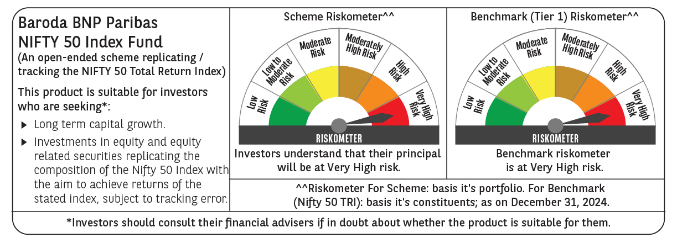
 | Baroda BNP Paribas Nifty 50 Index Fund

 | Monthly Portfolio Statement as on December 31, 2024
 | Name of the Instrument | ISIN | Industry | Quantity | Market/Fair Value (Rs. in Lakhs) | % to Net Assets | YTM~ | YTC^ | null
 | Equity & Equity related
 | (a) Listed / awaiting listing on Stock Exchanges
HDFB03 | HDFC Bank Limited | INE040A01034 | Banks | 41,677 | 738.87 | 12.76%
IBCL05 | ICICI Bank Limited | INE090A01021 | Banks | 38,651 | 495.37 | 8.55%
RIND01 | Reliance Industries Limited | INE002A01018 | Petroleum Products | 37,063 | 450.48 | 7.78%
INFS02 | Infosys Limited | INE009A01021 | IT - Software | 19,734 | 371.00 | 6.40%
ITCL02 | ITC Limited | INE154A01025 | Diversified FMCG | 50,423 | 243.87 | 4.21%
BTVL02 | Bharti Airtel Limited | INE397D01024 | Telecom - Services | 14,551 | 231.03 | 3.99%
LARS02 | Larsen & Toubro Limited | INE018A01030 | Construction | 6,395 | 230.71 | 3.98%
TCSL01 | Tata Consultancy Services Limited | INE467B01029 | IT - Software | 5,583 | 228.61 | 3.95%
SBAI02 | State Bank of India | INE062A01020 | Banks | 21,066 | 167.46 | 2.89%
UTIB02 | Axis Bank Limited | INE238A01034 | Banks | 15,583 | 165.91 | 2.86%
MAHI02 | Mahindra & Mahindra Limited | INE101A01026 | Automobiles | 4,854 | 145.96 | 2.52%
KOMA02 | Kotak Mahindra Bank Limited | INE237A01028 | Banks | 8,056 | 143.88 | 2.48%
HLEL02 | Hindustan Unilever Limited | INE030A01027 | Diversified FMCG | 4,831 | 112.41 | 1.94%
SPIL03 | Sun Pharmaceutical Industries Limited | INE044A01036 | Pharmaceuticals & Biotechnology | 5,779 | 109.01 | 1.88%
HCLT02 | HCL Technologies Limited | INE860A01027 | IT - Software | 5,672 | 108.75 | 1.88%
BAFL02 | Bajaj Finance Limited | INE296A01024 | Finance | 1,522 | 103.85 | 1.79%
LAKM02 | Trent Limited | INE849A01020 | Retailing | 1,222 | 87.05 | 1.50%
NTPC01 | NTPC Limited | INE733E01010 | Power | 25,927 | 86.43 | 1.49%
TELC03 | Tata Motors Limited | INE155A01022 | Automobiles | 11,549 | 85.48 | 1.48%
MAUD01 | Maruti Suzuki India Limited | INE585B01010 | Automobiles | 717 | 77.85 | 1.34%
PGCI01 | Power Grid Corporation of India Limited | INE752E01010 | Power | 24,683 | 76.20 | 1.32%
TWAT02 | Titan Company Limited | INE280A01028 | Consumer Durables | 2,271 | 73.88 | 1.28%
ULCC01 | UltraTech Cement Limited | INE481G01011 | Cement & Cement Products | 619 | 70.73 | 1.22%
TISC03 | Tata Steel Limited | INE081A01020 | Ferrous Metals | 45,321 | 62.57 | 1.08%
TEMA02 | Tech Mahindra Limited | INE669C01036 | IT - Software | 3,415 | 58.27 | 1.01%
BHEL02 | Bharat Electronics Limited | INE263A01024 | Aerospace & Defense | 19,632 | 57.55 | 0.99%
ASPA02 | Asian Paints Limited | INE021A01026 | Consumer Durables | 2,450 | 55.89 | 0.96%
BALN01 | Bajaj Auto Limited | INE917I01010 | Automobiles | 608 | 53.50 | 0.92%
ONGC02 | Oil & Natural Gas Corporation Limited | INE213A01029 | Oil | 21,265 | 50.88 | 0.88%
GRAS02 | Grasim Industries Limited | INE047A01021 | Cement & Cement Products | 2,027 | 49.51 | 0.85%
MUND02 | Adani Ports and Special Economic Zone Limited | INE742F01042 | Transport Infrastructure | 3,998 | 49.22 | 0.85%
HINI02 | Hindalco Industries Limited | INE038A01020 | Non - Ferrous Metals | 8,084 | 48.70 | 0.84%
JVSL04 | JSW Steel Limited | INE019A01038 | Ferrous Metals | 5,266 | 47.47 | 0.82%
COAL01 | Coal India Limited | INE522F01014 | Consumable Fuels | 12,351 | 47.45 | 0.82%
WIPR02 | Wipro Limited | INE075A01022 | IT - Software | 15,605 | 47.10 | 0.81%
BFSL02 | Bajaj Finserv Limited | INE918I01026 | Finance | 2,990 | 46.89 | 0.81%
DRRL03 | Dr. Reddy's Laboratories Limited | INE089A01031 | Pharmaceuticals & Biotechnology | 3,319 | 46.08 | 0.80%
CIPL03 | Cipla Limited | INE059A01026 | Pharmaceuticals & Biotechnology | 2,952 | 45.14 | 0.78%
SHTR01 | Shriram Finance Limited | INE721A01013 | Finance | 1,507 | 43.54 | 0.75%
NEST02 | Nestle India Limited | INE239A01024 | Food Products | 1,946 | 42.23 | 0.73%
APOL02 | Apollo Hospitals Enterprise Limited | INE437A01024 | Healthcare Services | 546 | 39.84 | 0.69%
HDLI01 | HDFC Life Insurance Company Limited | INE795G01014 | Insurance | 5,855 | 36.13 | 0.62%
EIML02 | Eicher Motors Limited | INE066A01021 | Automobiles | 745 | 35.92 | 0.62%
IIBL01 | IndusInd Bank Limited | INE095A01012 | Banks | 3,570 | 34.28 | 0.59%
SLIF01 | SBI Life Insurance Company Limited | INE123W01016 | Insurance | 2,447 | 34.02 | 0.59%
TTEA02 | Tata Consumer Products Limited | INE192A01025 | Agricultural Food & other Products | 3,531 | 32.30 | 0.56%
ADAN02 | Adani Enterprises Limited | INE423A01024 | Metals & Minerals Trading | 1,262 | 31.91 | 0.55%
BPCL01 | Bharat Petroleum Corporation Limited | INE029A01011 | Petroleum Products | 10,580 | 30.94 | 0.53%
BRIT03 | Britannia Industries Limited | INE216A01030 | Food Products | 639 | 30.43 | 0.53%
HERO02 | Hero MotoCorp Limited | INE158A01026 | Automobiles | 711 | 29.58 | 0.51%
 | Sub Total |  |  |  | 5,792.13 | 99.98%
 | (b) Unlisted |  |  |  | NIL | NIL
 | Sub Total |  |  |  | NIL | NIL
 | Total |  |  |  | 5,792.13 | 99.98%
 | Reverse Repo / TREPS
TRP_010125 | Clearing Corporation of India Ltd |  |  |  | 8.18 | 0.14% | 6.59%
 | Sub Total |  |  |  | 8.18 | 0.14%
 | Total |  |  |  | 8.18 | 0.14%
 | Net Receivables / (Payables) |  |  |  | (7.73) | (0.12)%
 | GRAND TOTAL |  |  |  | 5,792.58 | 100.00%

 | ~ YTM as on December 31, 2024
 | ^ YTC represents Yield to Call provided by valuation agencies as on December 31, 2024. It is disclosed for Perpetual Bond issued by Banks (i.e. AT-1 Bond / Tier 1 Bond / Tier 2 Bond), as per AMFI Best Practices Guidelines Circular no. 135/BP/91/2020-21 re

