T0ME33
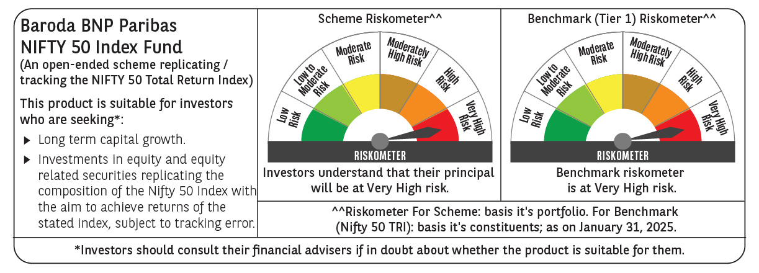
 | Baroda BNP Paribas Nifty 50 Index Fund

 | Monthly Portfolio Statement as on January 31, 2025
 | Name of the Instrument | ISIN | Industry | Quantity | Market/Fair Value (Rs. in Lakhs) | % to Net Assets | YTM~ | YTC^ | null
 | Equity & Equity related
 | (a) Listed / awaiting listing on Stock Exchanges
HDFB03 | HDFC Bank Limited | INE040A01034 | Banks | 48,229 | 819.29 | 12.26%
IBCL05 | ICICI Bank Limited | INE090A01021 | Banks | 45,317 | 567.73 | 8.50%
RIND01 | Reliance Industries Limited | INE002A01018 | Petroleum Products | 43,015 | 544.18 | 8.15%
INFS02 | Infosys Limited | INE009A01021 | IT - Software | 22,694 | 426.60 | 6.39%
BTVL02 | Bharti Airtel Limited | INE397D01024 | Telecom - Services | 17,198 | 279.69 | 4.19%
TCSL01 | Tata Consultancy Services Limited | INE467B01029 | IT - Software | 6,507 | 267.59 | 4.01%
ITCL02 | ITC Limited | INE154A01025 | Diversified FMCG | 57,857 | 258.91 | 3.88%
LARS02 | Larsen & Toubro Limited | INE018A01030 | Construction | 7,213 | 257.32 | 3.85%
SBAI02 | State Bank of India | INE062A01020 | Banks | 24,186 | 186.93 | 2.80%
UTIB02 | Axis Bank Limited | INE238A01034 | Banks | 18,154 | 179.02 | 2.68%
KOMA02 | Kotak Mahindra Bank Limited | INE237A01028 | Banks | 9,393 | 178.59 | 2.67%
MAHI02 | Mahindra & Mahindra Limited | INE101A01026 | Automobiles | 5,590 | 167.13 | 2.50%
BAFL02 | Bajaj Finance Limited | INE296A01024 | Finance | 1,789 | 141.06 | 2.11%
HLEL02 | Hindustan Unilever Limited | INE030A01027 | Diversified FMCG | 5,547 | 136.94 | 2.05%
SPIL03 | Sun Pharmaceutical Industries Limited | INE044A01036 | Pharmaceuticals & Biotechnology | 6,814 | 118.83 | 1.78%
HCLT02 | HCL Technologies Limited | INE860A01027 | IT - Software | 6,696 | 115.54 | 1.73%
MAUD01 | Maruti Suzuki India Limited | INE585B01010 | Automobiles | 818 | 100.70 | 1.51%
NTPC01 | NTPC Limited | INE733E01010 | Power | 30,168 | 97.74 | 1.46%
TELC03 | Tata Motors Limited | INE155A01022 | Automobiles | 13,059 | 93.52 | 1.40%
TWAT02 | Titan Company Limited | INE280A01028 | Consumer Durables | 2,550 | 89.00 | 1.33%
PGCI01 | Power Grid Corporation of India Limited | INE752E01010 | Power | 28,187 | 85.03 | 1.27%
ULCC01 | UltraTech Cement Limited | INE481G01011 | Cement & Cement Products | 724 | 83.17 | 1.24%
LAKM02 | Trent Limited | INE849A01020 | Retailing | 1,357 | 78.07 | 1.17%
TISC03 | Tata Steel Limited | INE081A01020 | Ferrous Metals | 51,509 | 69.34 | 1.04%
TEMA02 | Tech Mahindra Limited | INE669C01036 | IT - Software | 4,037 | 67.60 | 1.01%
ASPA02 | Asian Paints Limited | INE021A01026 | Consumer Durables | 2,831 | 65.14 | 0.98%
ONGC02 | Oil & Natural Gas Corporation Limited | INE213A01029 | Oil | 24,417 | 64.12 | 0.96%
BHEL02 | Bharat Electronics Limited | INE263A01024 | Aerospace & Defense | 21,766 | 63.70 | 0.95%
BALN01 | Bajaj Auto Limited | INE917I01010 | Automobiles | 698 | 61.76 | 0.92%
BFSL02 | Bajaj Finserv Limited | INE918I01026 | Finance | 3,528 | 61.25 | 0.92%
GRAS02 | Grasim Industries Limited | INE047A01021 | Cement & Cement Products | 2,355 | 59.08 | 0.88%
JVSL04 | JSW Steel Limited | INE019A01038 | Ferrous Metals | 6,153 | 58.15 | 0.87%
COAL01 | Coal India Limited | INE522F01014 | Consumable Fuels | 14,113 | 55.87 | 0.84%
WIPR02 | Wipro Limited | INE075A01022 | IT - Software | 17,904 | 55.84 | 0.84%
HINI02 | Hindalco Industries Limited | INE038A01020 | Non - Ferrous Metals | 9,163 | 54.46 | 0.82%
CIPL03 | Cipla Limited | INE059A01026 | Pharmaceuticals & Biotechnology | 3,438 | 50.86 | 0.76%
MUND02 | Adani Ports and Special Economic Zone Limited | INE742F01042 | Transport Infrastructure | 4,596 | 50.53 | 0.76%
NEST02 | Nestle India Limited | INE239A01024 | Food Products | 2,182 | 50.47 | 0.76%
SHTR02 | Shriram Finance Limited | INE721A01047 | Finance | 8,781 | 47.75 | 0.71%
DRRL03 | Dr. Reddy's Laboratories Limited | INE089A01031 | Pharmaceuticals & Biotechnology | 3,810 | 46.38 | 0.69%
EIML02 | Eicher Motors Limited | INE066A01021 | Automobiles | 877 | 45.55 | 0.68%
APOL02 | Apollo Hospitals Enterprise Limited | INE437A01024 | Healthcare Services | 646 | 44.00 | 0.66%
HDLI01 | HDFC Life Insurance Company Limited | INE795G01014 | Insurance | 6,789 | 43.32 | 0.65%
SLIF01 | SBI Life Insurance Company Limited | INE123W01016 | Insurance | 2,837 | 42.09 | 0.63%
IIBL01 | IndusInd Bank Limited | INE095A01012 | Banks | 4,089 | 40.53 | 0.61%
TTEA02 | Tata Consumer Products Limited | INE192A01025 | Agricultural Food & other Products | 3,914 | 40.10 | 0.60%
BRIT03 | Britannia Industries Limited | INE216A01030 | Food Products | 743 | 38.11 | 0.57%
ADAN02 | Adani Enterprises Limited | INE423A01024 | Metals & Minerals Trading | 1,563 | 35.76 | 0.54%
HERO02 | Hero MotoCorp Limited | INE158A01026 | Automobiles | 797 | 34.58 | 0.52%
BPCL01 | Bharat Petroleum Corporation Limited | INE029A01011 | Petroleum Products | 12,209 | 31.88 | 0.48%
ITHO02 | ITC Hotels Limited | INE379A01028 | Leisure Services | 5,080 | 8.28 | 0.12%
 | Sub Total |  |  |  | 6,659.08 | 99.70%
 | (b) Unlisted |  |  |  | NIL | NIL
 | Sub Total |  |  |  | NIL | NIL
 | Total |  |  |  | 6,659.08 | 99.70%
 | Reverse Repo / TREPS
TRP_030225 | Clearing Corporation of India Ltd |  |  |  | 2.56 | 0.04% | 6.54%
 | Sub Total |  |  |  | 2.56 | 0.04%
 | Total |  |  |  | 2.56 | 0.04%
 | Net Receivables / (Payables) |  |  |  | 18.72 | 0.26%
 | GRAND TOTAL |  |  |  | 6,680.36 | 100.00%

 | ~ YTM as on January 31, 2025
 | ^ YTC represents Yield to Call provided by valuation agencies as on January 31, 2025. It is disclosed for Perpetual Bond issued by Banks (i.e. AT-1 Bond / Tier 1 Bond / Tier 2 Bond), as per AMFI Best Practices Guidelines Circular no. 135/BP/91/2020-21 read with SEBI circular No. SEBI/HO/IMD/DF4/CIR/P/2021/034 on Valuation of AT-1 Bonds and Tier 2 Bonds.

