Monthly Portfolio
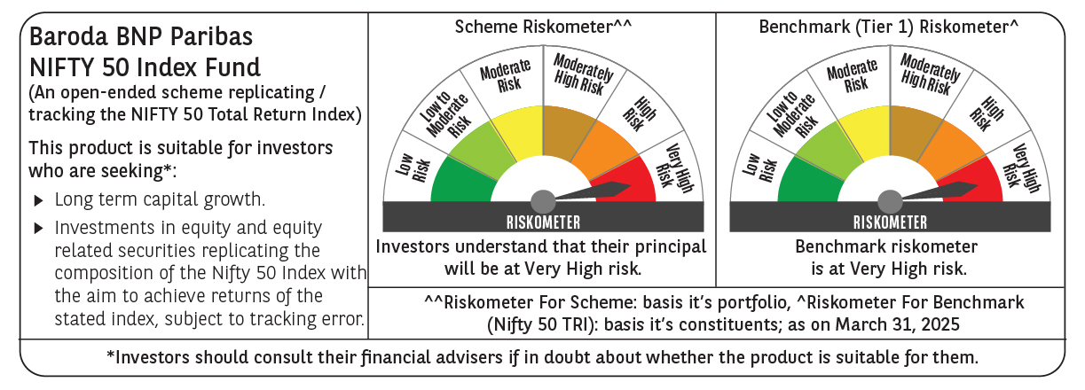
 | Baroda BNP Paribas Nifty 50 Index Fund

 | Monthly Portfolio Statement as on March 31, 2025
 | Name of the Instrument | ISIN | Industry | Quantity | Market/Fair Value (Rs. in Lakhs) | % to Net Assets | YTM~ | YTC^ | null
 | Equity & Equity related
 | (a) Listed / awaiting listing on Stock Exchanges
HDFB03 | HDFC Bank Limited | INE040A01034 | Banks | 45,996 | 840.90 | 12.96%
IBCL05 | ICICI Bank Limited | INE090A01021 | Banks | 43,069 | 580.72 | 8.95%
RIND01 | Reliance Industries Limited | INE002A01018 | Petroleum Products | 41,380 | 527.64 | 8.13%
INFS02 | Infosys Limited | INE009A01021 | IT - Software | 22,034 | 346.08 | 5.34%
BTVL02 | Bharti Airtel Limited | INE397D01024 | Telecom - Services | 16,545 | 286.79 | 4.42%
LARS02 | Larsen & Toubro Limited | INE018A01030 | Construction | 7,061 | 246.59 | 3.80%
ITCL02 | ITC Limited | INE154A01025 | Diversified FMCG | 56,833 | 232.87 | 3.59%
TCSL01 | Tata Consultancy Services Limited | INE467B01029 | IT - Software | 6,238 | 224.95 | 3.47%
KOMA02 | Kotak Mahindra Bank Limited | INE237A01028 | Banks | 9,052 | 196.54 | 3.03%
UTIB02 | Axis Bank Limited | INE238A01034 | Banks | 17,438 | 192.17 | 2.96%
SBAI02 | State Bank of India | INE062A01020 | Banks | 23,422 | 180.70 | 2.79%
MAHI02 | Mahindra & Mahindra Limited | INE101A01026 | Automobiles | 5,490 | 146.35 | 2.26%
BAFL02 | Bajaj Finance Limited | INE296A01024 | Finance | 1,573 | 140.71 | 2.17%
HLEL02 | Hindustan Unilever Limited | INE030A01027 | Diversified FMCG | 5,449 | 123.08 | 1.90%
SPIL03 | Sun Pharmaceutical Industries Limited | INE044A01036 | Pharmaceuticals & Biotechnology | 6,718 | 116.54 | 1.80%
HCLT02 | HCL Technologies Limited | INE860A01027 | IT - Software | 6,548 | 104.28 | 1.61%
NTPC01 | NTPC Limited | INE733E01010 | Power | 28,833 | 103.11 | 1.59%
MAUD01 | Maruti Suzuki India Limited | INE585B01010 | Automobiles | 806 | 92.87 | 1.43%
TELC03 | Tata Motors Limited | INE155A01022 | Automobiles | 13,557 | 91.44 | 1.41%
ZMPL01 | Zomato Limited | INE758T01015 | Retailing | 43,164 | 87.06 | 1.34%
PGCI01 | Power Grid Corporation of India Limited | INE752E01010 | Power | 27,484 | 79.80 | 1.23%
ULCC01 | UltraTech Cement Limited | INE481G01011 | Cement & Cement Products | 683 | 78.61 | 1.21%
TISC03 | Tata Steel Limited | INE081A01020 | Ferrous Metals | 50,734 | 78.25 | 1.21%
TWAT02 | Titan Company Limited | INE280A01028 | Consumer Durables | 2,521 | 77.23 | 1.19%
LAKM02 | Trent Limited | INE849A01020 | Retailing | 1,341 | 71.41 | 1.10%
BHEL02 | Bharat Electronics Limited | INE263A01024 | Aerospace & Defense | 21,970 | 66.20 | 1.02%
BFSL02 | Bajaj Finserv Limited | INE918I01026 | Finance | 3,238 | 65.00 | 1.00%
ASPA02 | Asian Paints Limited | INE021A01026 | Consumer Durables | 2,760 | 64.60 | 1.00%
JVSL04 | JSW Steel Limited | INE019A01038 | Ferrous Metals | 5,773 | 61.38 | 0.95%
GRAS02 | Grasim Industries Limited | INE047A01021 | Cement & Cement Products | 2,330 | 60.84 | 0.94%
HINI02 | Hindalco Industries Limited | INE038A01020 | Non - Ferrous Metals | 8,861 | 60.47 | 0.93%
ONGC02 | Oil & Natural Gas Corporation Limited | INE213A01029 | Oil | 23,698 | 58.39 | 0.90%
SHTR02 | Shriram Finance Limited | INE721A01047 | Finance | 8,530 | 55.96 | 0.86%
COAL01 | Coal India Limited | INE522F01014 | Consumable Fuels | 13,906 | 55.37 | 0.85%
TEMA02 | Tech Mahindra Limited | INE669C01036 | IT - Software | 3,886 | 55.11 | 0.85%
BALN01 | Bajaj Auto Limited | INE917I01010 | Automobiles | 681 | 53.65 | 0.83%
MUND02 | Adani Ports and Special Economic Zone Limited | INE742F01042 | Transport Infrastructure | 4,492 | 53.14 | 0.82%
CIPL03 | Cipla Limited | INE059A01026 | Pharmaceuticals & Biotechnology | 3,463 | 49.94 | 0.77%
NEST02 | Nestle India Limited | INE239A01024 | Food Products | 2,193 | 49.36 | 0.76%
RELS01 | Jio Financial Services Limited | INE758E01017 | Finance | 20,080 | 45.68 | 0.70%
EIML02 | Eicher Motors Limited | INE066A01021 | Automobiles | 849 | 45.40 | 0.70%
WIPR02 | Wipro Limited | INE075A01022 | IT - Software | 17,248 | 45.23 | 0.70%
HDLI01 | HDFC Life Insurance Company Limited | INE795G01014 | Insurance | 6,434 | 44.12 | 0.68%
DRRL03 | Dr. Reddy's Laboratories Limited | INE089A01031 | Pharmaceuticals & Biotechnology | 3,779 | 43.24 | 0.67%
SLIF01 | SBI Life Insurance Company Limited | INE123W01016 | Insurance | 2,734 | 42.32 | 0.65%
APOL02 | Apollo Hospitals Enterprise Limited | INE437A01024 | Healthcare Services | 621 | 41.09 | 0.63%
TTEA02 | Tata Consumer Products Limited | INE192A01025 | Agricultural Food & other Products | 3,941 | 39.48 | 0.61%
ADAN02 | Adani Enterprises Limited | INE423A01024 | Metals & Minerals Trading | 1,589 | 36.80 | 0.57%
HERO02 | Hero MotoCorp Limited | INE158A01026 | Automobiles | 773 | 28.78 | 0.44%
IIBL01 | IndusInd Bank Limited | INE095A01012 | Banks | 3,998 | 25.98 | 0.40%
 | Sub Total |  |  |  | 6,494.22 | 100.12%
 | (b) Unlisted |  |  |  | NIL | NIL
 | Sub Total |  |  |  | NIL | NIL
 | Total |  |  |  | 6,494.22 | 100.12%
 | Reverse Repo / TREPS
TRP_020425 | Clearing Corporation of India Ltd |  |  |  | 3.83 | 0.06% | 6.68%
 | Sub Total |  |  |  | 3.83 | 0.06%
 | Total |  |  |  | 3.83 | 0.06%
 | Net Receivables / (Payables) |  |  |  | (11.76) | (0.18)%
 | GRAND TOTAL |  |  |  | 6,486.29 | 100.00%

 | ~ YTM as on March 31, 2025
 | ^ YTC represents Yield to Call provided by valuation agencies as on March 31, 2025. It is disclosed for Perpetual Bond issued by Banks (i.e. AT-1 Bond / Tier 1 Bond / Tier 2 Bond), as per AMFI Best Practices Guidelines Circular no. 135/BP/91/2020-21 read with SEBI circular No. SEBI/HO/IMD/DF4/CIR/P/2021/034 on Valuation of AT-1 Bonds and Tier 2 Bonds.

