T0ME33
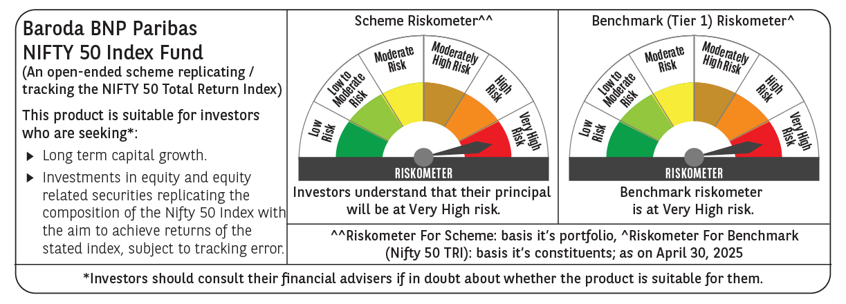
 | Baroda BNP Paribas Nifty 50 Index Fund

 | Monthly Portfolio Statement as on April 30, 2025
 | Name of the Instrument | ISIN | Industry | Quantity | Market/Fair Value (Rs. in Lakhs) | % to Net Assets | YTM~ | YTC^ | null
 | Equity & Equity related
 | (a) Listed / awaiting listing on Stock Exchanges
HDFB03 | HDFC Bank Limited | INE040A01034 | Banks | 45,721 | 880.13 | 13.17%
IBCL05 | ICICI Bank Limited | INE090A01021 | Banks | 42,848 | 611.44 | 9.15%
RIND01 | Reliance Industries Limited | INE002A01018 | Petroleum Products | 40,840 | 573.80 | 8.59%
INFS02 | Infosys Limited | INE009A01021 | IT - Software | 21,775 | 326.65 | 4.89%
BTVL02 | Bharti Airtel Limited | INE397D01024 | Telecom - Services | 15,917 | 296.77 | 4.44%
ITCL02 | ITC Limited | INE154A01025 | Diversified FMCG | 56,530 | 240.70 | 3.60%
LARS02 | Larsen & Toubro Limited | INE018A01030 | Construction | 7,072 | 236.28 | 3.54%
TCSL01 | Tata Consultancy Services Limited | INE467B01029 | IT - Software | 6,202 | 214.20 | 3.21%
UTIB02 | Axis Bank Limited | INE238A01034 | Banks | 17,327 | 205.32 | 3.07%
KOMA02 | Kotak Mahindra Bank Limited | INE237A01028 | Banks | 8,866 | 195.77 | 2.93%
SBAI02 | State Bank of India | INE062A01020 | Banks | 23,995 | 189.24 | 2.83%
MAHI02 | Mahindra & Mahindra Limited | INE101A01026 | Automobiles | 5,336 | 156.28 | 2.34%
BAFL02 | Bajaj Finance Limited | INE296A01024 | Finance | 1,667 | 143.94 | 2.15%
HLEL02 | Hindustan Unilever Limited | INE030A01027 | Diversified FMCG | 5,331 | 124.86 | 1.87%
SPIL03 | Sun Pharmaceutical Industries Limited | INE044A01036 | Pharmaceuticals & Biotechnology | 6,455 | 118.27 | 1.77%
NTPC01 | NTPC Limited | INE733E01010 | Power | 28,959 | 102.67 | 1.54%
HCLT02 | HCL Technologies Limited | INE860A01027 | IT - Software | 6,416 | 100.57 | 1.51%
ZMPL01 | Eternal Limited | INE758T01015 | Retailing | 42,078 | 97.84 | 1.46%
MAUD01 | Maruti Suzuki India Limited | INE585B01010 | Automobiles | 771 | 94.50 | 1.41%
TELC03 | Tata Motors Limited | INE155A01022 | Automobiles | 13,121 | 84.53 | 1.27%
TWAT02 | Titan Company Limited | INE280A01028 | Consumer Durables | 2,498 | 84.42 | 1.26%
ULCC01 | UltraTech Cement Limited | INE481G01011 | Cement & Cement Products | 720 | 83.82 | 1.25%
PGCI01 | Power Grid Corporation of India Limited | INE752E01010 | Power | 26,977 | 82.94 | 1.24%
LAKM02 | Trent Limited | INE849A01020 | Retailing | 1,404 | 72.62 | 1.09%
TISC03 | Tata Steel Limited | INE081A01020 | Ferrous Metals | 50,489 | 70.72 | 1.06%
BHEL02 | Bharat Electronics Limited | INE263A01024 | Aerospace & Defense | 21,941 | 68.92 | 1.03%
BFSL02 | Bajaj Finserv Limited | INE918I01026 | Finance | 3,496 | 68.23 | 1.02%
ASPA02 | Asian Paints Limited | INE021A01026 | Consumer Durables | 2,778 | 67.39 | 1.01%
GRAS02 | Grasim Industries Limited | INE047A01021 | Cement & Cement Products | 2,339 | 64.03 | 0.96%
JVSL04 | JSW Steel Limited | INE019A01038 | Ferrous Metals | 5,795 | 59.68 | 0.89%
ONGC02 | Oil & Natural Gas Corporation Limited | INE213A01029 | Oil | 23,806 | 58.19 | 0.87%
TEMA02 | Tech Mahindra Limited | INE669C01036 | IT - Software | 3,837 | 57.67 | 0.86%
HINI02 | Hindalco Industries Limited | INE038A01020 | Non - Ferrous Metals | 8,746 | 54.63 | 0.82%
BALN01 | Bajaj Auto Limited | INE917I01010 | Automobiles | 679 | 54.52 | 0.82%
MUND02 | Adani Ports and Special Economic Zone Limited | INE742F01042 | Transport Infrastructure | 4,479 | 54.49 | 0.82%
COAL01 | Coal India Limited | INE522F01014 | Consumable Fuels | 13,903 | 53.57 | 0.80%
CIPL03 | Cipla Limited | INE059A01026 | Pharmaceuticals & Biotechnology | 3,401 | 52.72 | 0.79%
SHTR02 | Shriram Finance Limited | INE721A01047 | Finance | 8,545 | 52.27 | 0.78%
NEST02 | Nestle India Limited | INE239A01024 | Food Products | 2,171 | 51.85 | 0.78%
RELS01 | Jio Financial Services Limited | INE758E01017 | Finance | 19,754 | 51.44 | 0.77%
SLIF01 | SBI Life Insurance Company Limited | INE123W01016 | Insurance | 2,668 | 47.11 | 0.71%
HDLI01 | HDFC Life Insurance Company Limited | INE795G01014 | Insurance | 6,281 | 46.71 | 0.70%
EIML02 | Eicher Motors Limited | INE066A01021 | Automobiles | 836 | 46.54 | 0.70%
TTEA02 | Tata Consumer Products Limited | INE192A01025 | Agricultural Food & other Products | 3,969 | 46.27 | 0.69%
DRRL03 | Dr. Reddy's Laboratories Limited | INE089A01031 | Pharmaceuticals & Biotechnology | 3,677 | 43.53 | 0.65%
APOL02 | Apollo Hospitals Enterprise Limited | INE437A01024 | Healthcare Services | 614 | 42.84 | 0.64%
WIPR02 | Wipro Limited | INE075A01022 | IT - Software | 17,348 | 41.90 | 0.63%
ADAN02 | Adani Enterprises Limited | INE423A01024 | Metals & Minerals Trading | 1,601 | 36.84 | 0.55%
IIBL01 | IndusInd Bank Limited | INE095A01012 | Banks | 3,998 | 33.52 | 0.50%
HERO02 | Hero MotoCorp Limited | INE158A01026 | Automobiles | 796 | 30.47 | 0.46%
 | Sub Total |  |  |  | 6,673.61 | 99.89%
 | (b) Unlisted |  |  |  | NIL | NIL
 | Sub Total |  |  |  | NIL | NIL
 | Total |  |  |  | 6,673.61 | 99.89%
 | Reverse Repo / TREPS
TRP_020525 | Clearing Corporation of India Ltd |  |  |  | 4.49 | 0.07% | 5.94%
 | Sub Total |  |  |  | 4.49 | 0.07%
 | Total |  |  |  | 4.49 | 0.07%
 | Net Receivables / (Payables) |  |  |  | 2.24 | 0.04%
 | GRAND TOTAL |  |  |  | 6,680.34 | 100.00%

 | ~ YTM as on April 30, 2025
 | ^ YTC represents Yield to Call provided by valuation agencies as on April 30, 2025. It is disclosed for Perpetual Bond issued by Banks (i.e. AT-1 Bond / Tier 1 Bond / Tier 2 Bond), as per AMFI Best Practices Guidelines Circular no. 135/BP/91/2020-21 read with SEBI circular No. SEBI/HO/IMD/DF4/CIR/P/2021/034 on Valuation of AT-1 Bonds and Tier 2 Bonds.

