T0ME33
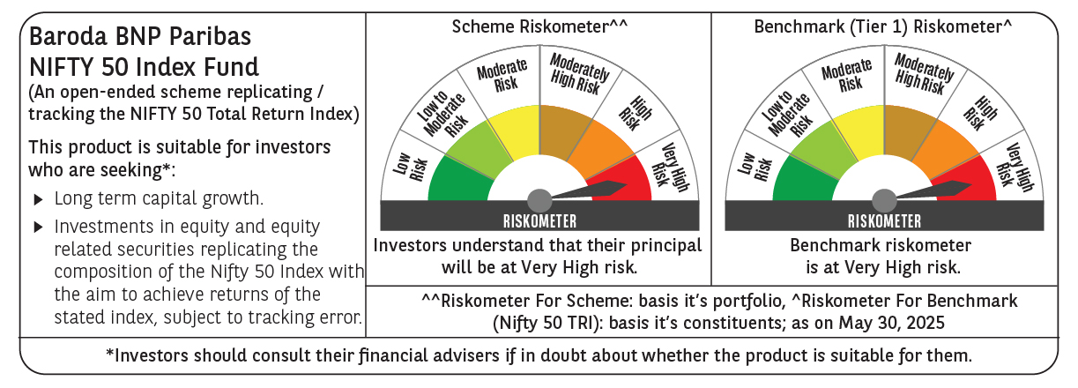
 | Baroda BNP Paribas Nifty 50 Index Fund

 | Monthly Portfolio Statement as on May 31, 2025
 | Name of the Instrument | ISIN | Industry | Quantity | Market/Fair Value (Rs. in Lakhs) | % to Net Assets | YTM~ | YTC^ | null
 | Equity & Equity related
 | (a) Listed / awaiting listing on Stock Exchanges
HDFB03 | HDFC Bank Limited | INE040A01034 | Banks | 43,463 | 845.31 | 13.06%
IBCL05 | ICICI Bank Limited | INE090A01021 | Banks | 40,877 | 591.00 | 9.13%
RIND01 | Reliance Industries Limited | INE002A01018 | Petroleum Products | 39,054 | 554.92 | 8.58%
INFS02 | Infosys Limited | INE009A01021 | IT - Software | 20,948 | 327.35 | 5.06%
BTVL02 | Bharti Airtel Limited | INE397D01024 | Telecom - Services | 15,473 | 287.21 | 4.44%
LARS02 | Larsen & Toubro Limited | INE018A01030 | Construction | 6,720 | 246.97 | 3.82%
ITCL02 | ITC Limited | INE154A01025 | Diversified FMCG | 53,780 | 224.83 | 3.47%
TCSL01 | Tata Consultancy Services Limited | INE467B01029 | IT - Software | 5,899 | 204.31 | 3.16%
UTIB02 | Axis Bank Limited | INE238A01034 | Banks | 16,527 | 197.03 | 3.05%
KOMA02 | Kotak Mahindra Bank Limited | INE237A01028 | Banks | 8,514 | 176.64 | 2.73%
SBAI02 | State Bank of India | INE062A01020 | Banks | 21,716 | 176.40 | 2.73%
MAHI02 | Mahindra & Mahindra Limited | INE101A01026 | Automobiles | 5,138 | 152.95 | 2.36%
BAFL02 | Bajaj Finance Limited | INE296A01024 | Finance | 1,511 | 138.72 | 2.14%
HLEL02 | Hindustan Unilever Limited | INE030A01027 | Diversified FMCG | 5,126 | 120.37 | 1.86%
SPIL03 | Sun Pharmaceutical Industries Limited | INE044A01036 | Pharmaceuticals & Biotechnology | 6,256 | 104.95 | 1.62%
HCLT02 | HCL Technologies Limited | INE860A01027 | IT - Software | 6,133 | 100.37 | 1.55%
MAUD01 | Maruti Suzuki India Limited | INE585B01010 | Automobiles | 762 | 93.87 | 1.45%
NTPC01 | NTPC Limited | INE733E01010 | Power | 27,665 | 92.37 | 1.43%
ZMPL01 | Eternal Limited | INE758T01015 | Retailing | 38,701 | 92.23 | 1.43%
TELC03 | Tata Motors Limited | INE155A01022 | Automobiles | 12,098 | 87.05 | 1.35%
TWAT02 | Titan Company Limited | INE280A01028 | Consumer Durables | 2,383 | 84.72 | 1.31%
BHEL02 | Bharat Electronics Limited | INE263A01024 | Aerospace & Defense | 20,646 | 79.40 | 1.23%
TISC03 | Tata Steel Limited | INE081A01020 | Ferrous Metals | 48,279 | 77.74 | 1.20%
PGCI01 | Power Grid Corporation of India Limited | INE752E01010 | Power | 26,109 | 75.65 | 1.17%
ULCC01 | UltraTech Cement Limited | INE481G01011 | Cement & Cement Products | 672 | 75.33 | 1.16%
LAKM02 | Trent Limited | INE849A01020 | Retailing | 1,280 | 72.24 | 1.12%
BFSL02 | Bajaj Finserv Limited | INE918I01026 | Finance | 3,124 | 63.02 | 0.97%
MUND02 | Adani Ports and Special Economic Zone Limited | INE742F01042 | Transport Infrastructure | 4,252 | 60.92 | 0.94%
ASPA02 | Asian Paints Limited | INE021A01026 | Consumer Durables | 2,635 | 59.53 | 0.92%
TEMA02 | Tech Mahindra Limited | INE669C01036 | IT - Software | 3,693 | 58.12 | 0.90%
GRAS02 | Grasim Industries Limited | INE047A01021 | Cement & Cement Products | 2,218 | 56.47 | 0.87%
BALN01 | Bajaj Auto Limited | INE917I01010 | Automobiles | 655 | 56.38 | 0.87%
JVSL04 | JSW Steel Limited | INE019A01038 | Ferrous Metals | 5,515 | 54.79 | 0.85%
RELS01 | Jio Financial Services Limited | INE758E01017 | Finance | 18,913 | 54.21 | 0.84%
ONGC02 | Oil & Natural Gas Corporation Limited | INE213A01029 | Oil | 22,624 | 54.16 | 0.84%
HINI02 | Hindalco Industries Limited | INE038A01020 | Non - Ferrous Metals | 8,524 | 54.00 | 0.83%
SHTR02 | Shriram Finance Limited | INE721A01047 | Finance | 8,173 | 52.25 | 0.81%
COAL01 | Coal India Limited | INE522F01014 | Consumable Fuels | 13,056 | 51.87 | 0.80%
NEST02 | Nestle India Limited | INE239A01024 | Food Products | 2,086 | 49.98 | 0.77%
HDLI01 | HDFC Life Insurance Company Limited | INE795G01014 | Insurance | 6,195 | 48.13 | 0.74%
CIPL03 | Cipla Limited | INE059A01026 | Pharmaceuticals & Biotechnology | 3,223 | 47.24 | 0.73%
SLIF01 | SBI Life Insurance Company Limited | INE123W01016 | Insurance | 2,602 | 47.15 | 0.73%
DRRL03 | Dr. Reddy's Laboratories Limited | INE089A01031 | Pharmaceuticals & Biotechnology | 3,506 | 43.87 | 0.68%
EIML02 | Eicher Motors Limited | INE066A01021 | Automobiles | 798 | 42.56 | 0.66%
TTEA02 | Tata Consumer Products Limited | INE192A01025 | Agricultural Food & other Products | 3,742 | 41.40 | 0.64%
WIPR02 | Wipro Limited | INE075A01022 | IT - Software | 16,347 | 40.81 | 0.63%
APOL02 | Apollo Hospitals Enterprise Limited | INE437A01024 | Healthcare Services | 581 | 39.98 | 0.62%
ADAN02 | Adani Enterprises Limited | INE423A01024 | Metals & Minerals Trading | 1,507 | 37.97 | 0.59%
HERO02 | Hero MotoCorp Limited | INE158A01026 | Automobiles | 747 | 32.19 | 0.50%
IIBL01 | IndusInd Bank Limited | INE095A01012 | Banks | 3,831 | 31.30 | 0.48%
 | Sub Total |  |  |  | 6,458.23 | 99.82%
 | (b) Unlisted |  |  |  | NIL | NIL
 | Sub Total |  |  |  | NIL | NIL
 | Total |  |  |  | 6,458.23 | 99.82%
 | Reverse Repo / TREPS
TRP_020625 | Clearing Corporation of India Ltd |  |  |  | 4.05 | 0.06% | 5.77%
 | Sub Total |  |  |  | 4.05 | 0.06%
 | Total |  |  |  | 4.05 | 0.06%
 | Net Receivables / (Payables) |  |  |  | 7.91 | 0.12%
 | GRAND TOTAL |  |  |  | 6,470.19 | 100.00%

 | ~ YTM as on May 31, 2025
 | ^ YTC represents Yield to Call provided by valuation agencies as on May 31, 2025. It is disclosed for Perpetual Bond issued by Banks (i.e. AT-1 Bond / Tier 1 Bond / Tier 2 Bond), as per AMFI Best Practices Guidelines Circular no. 135/BP/91/2020-21 read with SEBI circular No. SEBI/HO/IMD/DF4/CIR/P/2021/034 on Valuation of AT-1 Bonds and Tier 2 Bonds.

