T0ME33
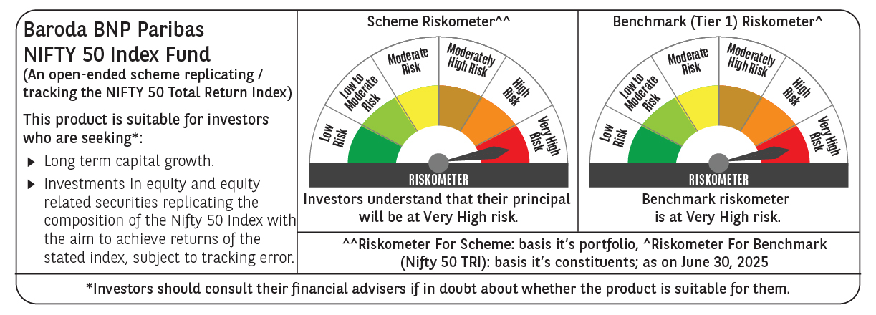
 | Baroda BNP Paribas Nifty 50 Index Fund

 | Monthly Portfolio Statement as on June 30, 2025
 | Name of the Instrument | ISIN | Industry | Quantity | Market/Fair Value (Rs. in Lakhs) | % to Net Assets | YTM~ | YTC^ | null
 | Equity & Equity related
 | (a) Listed / awaiting listing on Stock Exchanges
HDFB03 | HDFC Bank Limited | INE040A01034 | Banks | 43,597 | 872.59 | 13.18%
IBCL05 | ICICI Bank Limited | INE090A01021 | Banks | 40,844 | 590.52 | 8.92%
RIND01 | Reliance Industries Limited | INE002A01018 | Petroleum Products | 38,816 | 582.47 | 8.80%
INFS02 | Infosys Limited | INE009A01021 | IT - Software | 20,478 | 328.02 | 4.95%
BTVL02 | Bharti Airtel Limited | INE397D01024 | Telecom - Services | 15,570 | 312.89 | 4.73%
LARS02 | Larsen & Toubro Limited | INE018A01030 | Construction | 6,679 | 245.11 | 3.70%
ITCL02 | ITC Limited | INE154A01025 | Diversified FMCG | 53,107 | 221.16 | 3.34%
TCSL01 | Tata Consultancy Services Limited | INE467B01029 | IT - Software | 5,760 | 199.41 | 3.01%
UTIB02 | Axis Bank Limited | INE238A01034 | Banks | 16,575 | 198.77 | 3.00%
KOMA02 | Kotak Mahindra Bank Limited | INE237A01028 | Banks | 8,504 | 183.98 | 2.78%
SBAI02 | State Bank of India | INE062A01020 | Banks | 21,388 | 175.46 | 2.65%
MAHI02 | Mahindra & Mahindra Limited | INE101A01026 | Automobiles | 5,043 | 160.53 | 2.42%
BAFL03 | Bajaj Finance Limited | INE296A01032 | Finance | 15,174 | 142.10 | 2.15%
HLEL02 | Hindustan Unilever Limited | INE030A01027 | Diversified FMCG | 5,060 | 116.11 | 1.75%
HCLT02 | HCL Technologies Limited | INE860A01027 | IT - Software | 5,988 | 103.51 | 1.56%
ZMPL01 | Eternal Limited | INE758T01015 | Retailing | 39,033 | 103.11 | 1.56%
SPIL03 | Sun Pharmaceutical Industries Limited | INE044A01036 | Pharmaceuticals & Biotechnology | 6,131 | 102.74 | 1.55%
MAUD01 | Maruti Suzuki India Limited | INE585B01010 | Automobiles | 759 | 94.12 | 1.42%
NTPC01 | NTPC Limited | INE733E01010 | Power | 27,171 | 91.00 | 1.37%
TWAT02 | Titan Company Limited | INE280A01028 | Consumer Durables | 2,325 | 85.80 | 1.30%
BHEL02 | Bharat Electronics Limited | INE263A01024 | Aerospace & Defense | 20,031 | 84.43 | 1.28%
ULCC01 | UltraTech Cement Limited | INE481G01011 | Cement & Cement Products | 682 | 82.47 | 1.25%
TELC03 | Tata Motors Limited | INE155A01022 | Automobiles | 11,804 | 81.21 | 1.23%
PGCI01 | Power Grid Corporation of India Limited | INE752E01010 | Power | 25,673 | 76.99 | 1.16%
LAKM02 | Trent Limited | INE849A01020 | Retailing | 1,229 | 76.41 | 1.15%
TISC03 | Tata Steel Limited | INE081A01020 | Ferrous Metals | 47,336 | 75.62 | 1.14%
BFSL02 | Bajaj Finserv Limited | INE918I01026 | Finance | 3,070 | 63.12 | 0.95%
GRAS02 | Grasim Industries Limited | INE047A01021 | Cement & Cement Products | 2,180 | 62.01 | 0.94%
ASPA02 | Asian Paints Limited | INE021A01026 | Consumer Durables | 2,592 | 60.68 | 0.92%
MUND02 | Adani Ports and Special Economic Zone Limited | INE742F01042 | Transport Infrastructure | 4,164 | 60.39 | 0.91%
TEMA02 | Tech Mahindra Limited | INE669C01036 | IT - Software | 3,574 | 60.29 | 0.91%
RELS01 | Jio Financial Services Limited | INE758E01017 | Finance | 18,381 | 60.06 | 0.91%
HINI02 | Hindalco Industries Limited | INE038A01020 | Non - Ferrous Metals | 8,265 | 57.26 | 0.86%
JVSL04 | JSW Steel Limited | INE019A01038 | Ferrous Metals | 5,437 | 55.48 | 0.84%
SHTR02 | Shriram Finance Limited | INE721A01047 | Finance | 7,839 | 55.41 | 0.84%
ONGC02 | Oil & Natural Gas Corporation Limited | INE213A01029 | Oil | 21,924 | 53.54 | 0.81%
BALN01 | Bajaj Auto Limited | INE917I01010 | Automobiles | 633 | 53.02 | 0.80%
COAL01 | Coal India Limited | INE522F01014 | Consumable Fuels | 12,959 | 50.79 | 0.77%
NEST02 | Nestle India Limited | INE239A01024 | Food Products | 2,024 | 49.90 | 0.75%
HDLI01 | HDFC Life Insurance Company Limited | INE795G01014 | Insurance | 6,018 | 49.00 | 0.74%
CIPL03 | Cipla Limited | INE059A01026 | Pharmaceuticals & Biotechnology | 3,184 | 47.95 | 0.72%
SLIF01 | SBI Life Insurance Company Limited | INE123W01016 | Insurance | 2,560 | 47.06 | 0.71%
DRRL03 | Dr. Reddy's Laboratories Limited | INE089A01031 | Pharmaceuticals & Biotechnology | 3,501 | 44.93 | 0.68%
EIML02 | Eicher Motors Limited | INE066A01021 | Automobiles | 783 | 44.29 | 0.67%
WIPR02 | Wipro Limited | INE075A01022 | IT - Software | 16,155 | 42.97 | 0.65%
APOL02 | Apollo Hospitals Enterprise Limited | INE437A01024 | Healthcare Services | 578 | 41.86 | 0.63%
TTEA02 | Tata Consumer Products Limited | INE192A01025 | Agricultural Food & other Products | 3,782 | 41.56 | 0.63%
ADAN02 | Adani Enterprises Limited | INE423A01024 | Metals & Minerals Trading | 1,493 | 39.11 | 0.59%
IIBL01 | IndusInd Bank Limited | INE095A01012 | Banks | 3,678 | 32.08 | 0.48%
HERO02 | Hero MotoCorp Limited | INE158A01026 | Automobiles | 751 | 31.82 | 0.48%
 | Sub Total |  |  |  | 6,591.11 | 99.54%
 | (b) Unlisted |  |  |  | NIL | NIL
 | Sub Total |  |  |  | NIL | NIL
 | Total |  |  |  | 6,591.11 | 99.54%
 | Reverse Repo / TREPS
TRP_010725 | Clearing Corporation of India Ltd |  |  |  | 5.72 | 0.09% | 5.47%
 | Sub Total |  |  |  | 5.72 | 0.09%
 | Total |  |  |  | 5.72 | 0.09%
 | Net Receivables / (Payables) |  |  |  | 23.77 | 0.37%
 | GRAND TOTAL |  |  |  | 6,620.60 | 100.00%

 | ~ YTM as on June 30, 2025
 | ^ YTC represents Yield to Call provided by valuation agencies as on June 30, 2025. It is disclosed for Perpetual Bond issued by Banks (i.e. AT-1 Bond / Tier 1 Bond / Tier 2 Bond), as per AMFI Best Practices Guidelines Circular no. 135/BP/91/2020-21 read with SEBI circular No. SEBI/HO/IMD/DF4/CIR/P/2021/034 on Valuation of AT-1 Bonds and Tier 2 Bonds.

