T0ME33
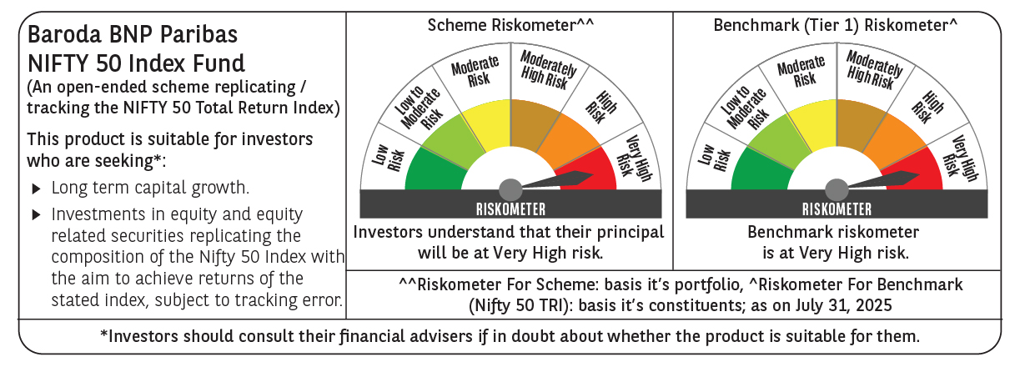
 | Baroda BNP Paribas Nifty 50 Index Fund

 | Monthly Portfolio Statement as on July 31, 2025
 | Name of the Instrument | ISIN | Industry | Quantity | Market/Fair Value (Rs. in Lakhs) | % to Net Assets | YTM~ | YTC^ | null
 | Equity & Equity related
 | (a) Listed / awaiting listing on Stock Exchanges
HDFB03 | HDFC Bank Limited | INE040A01034 | Banks | 42,325 | 854.20 | 13.61%
IBCL05 | ICICI Bank Limited | INE090A01021 | Banks | 39,693 | 588.01 | 9.37%
RIND01 | Reliance Industries Limited | INE002A01018 | Petroleum Products | 37,761 | 524.95 | 8.37%
INFS02 | Infosys Limited | INE009A01021 | IT - Software | 19,960 | 301.20 | 4.80%
BTVL02 | Bharti Airtel Limited | INE397D01024 | Telecom - Services | 15,015 | 287.43 | 4.58%
LARS02 | Larsen & Toubro Limited | INE018A01030 | Construction | 6,224 | 226.34 | 3.61%
ITCL02 | ITC Limited | INE154A01025 | Diversified FMCG | 51,862 | 213.65 | 3.41%
TCSL01 | Tata Consultancy Services Limited | INE467B01029 | IT - Software | 5,669 | 172.16 | 2.74%
SBAI02 | State Bank of India | INE062A01020 | Banks | 21,330 | 169.90 | 2.71%
UTIB02 | Axis Bank Limited | INE238A01034 | Banks | 15,793 | 168.73 | 2.69%
KOMA02 | Kotak Mahindra Bank Limited | INE237A01028 | Banks | 8,219 | 162.62 | 2.59%
MAHI02 | Mahindra & Mahindra Limited | INE101A01026 | Automobiles | 4,897 | 156.86 | 2.50%
BAFL03 | Bajaj Finance Limited | INE296A01032 | Finance | 14,830 | 130.68 | 2.08%
HLEL02 | Hindustan Unilever Limited | INE030A01027 | Diversified FMCG | 4,962 | 125.10 | 1.99%
ZMPL01 | Eternal Limited | INE758T01015 | Retailing | 38,931 | 119.83 | 1.91%
SPIL03 | Sun Pharmaceutical Industries Limited | INE044A01036 | Pharmaceuticals & Biotechnology | 5,924 | 101.10 | 1.61%
MAUD01 | Maruti Suzuki India Limited | INE585B01010 | Automobiles | 723 | 91.16 | 1.45%
NTPC01 | NTPC Limited | INE733E01010 | Power | 25,962 | 86.78 | 1.38%
HCLT02 | HCL Technologies Limited | INE860A01027 | IT - Software | 5,887 | 86.42 | 1.38%
ULCC01 | UltraTech Cement Limited | INE481G01011 | Cement & Cement Products | 658 | 80.60 | 1.28%
TELC03 | Tata Motors Limited | INE155A01022 | Automobiles | 12,016 | 80.02 | 1.28%
TWAT02 | Titan Company Limited | INE280A01028 | Consumer Durables | 2,304 | 77.12 | 1.23%
BHEL02 | Bharat Electronics Limited | INE263A01024 | Aerospace & Defense | 19,994 | 76.60 | 1.22%
PGCI01 | Power Grid Corporation of India Limited | INE752E01010 | Power | 25,028 | 72.83 | 1.16%
TISC03 | Tata Steel Limited | INE081A01020 | Ferrous Metals | 46,018 | 72.68 | 1.16%
LAKM02 | Trent Limited | INE849A01020 | Retailing | 1,228 | 61.62 | 0.98%
ASPA02 | Asian Paints Limited | INE021A01026 | Consumer Durables | 2,503 | 59.97 | 0.96%
RELS01 | Jio Financial Services Limited | INE758E01017 | Finance | 18,214 | 59.97 | 0.96%
BFSL02 | Bajaj Finserv Limited | INE918I01026 | Finance | 3,042 | 59.26 | 0.94%
GRAS02 | Grasim Industries Limited | INE047A01021 | Cement & Cement Products | 2,106 | 57.84 | 0.92%
MUND02 | Adani Ports and Special Economic Zone Limited | INE742F01042 | Transport Infrastructure | 4,114 | 56.49 | 0.90%
HINI02 | Hindalco Industries Limited | INE038A01020 | Non - Ferrous Metals | 8,112 | 55.41 | 0.88%
JVSL04 | JSW Steel Limited | INE019A01038 | Ferrous Metals | 5,275 | 55.30 | 0.88%
ONGC02 | Oil & Natural Gas Corporation Limited | INE213A01029 | Oil | 21,521 | 51.87 | 0.83%
TEMA02 | Tech Mahindra Limited | INE669C01036 | IT - Software | 3,512 | 51.41 | 0.82%
SHTR02 | Shriram Finance Limited | INE721A01047 | Finance | 7,911 | 49.91 | 0.80%
BALN01 | Bajaj Auto Limited | INE917I01010 | Automobiles | 623 | 49.89 | 0.80%
CIPL03 | Cipla Limited | INE059A01026 | Pharmaceuticals & Biotechnology | 3,170 | 49.28 | 0.79%
COAL01 | Coal India Limited | INE522F01014 | Consumable Fuels | 12,736 | 47.93 | 0.76%
SLIF01 | SBI Life Insurance Company Limited | INE123W01016 | Insurance | 2,491 | 45.85 | 0.73%
HDLI01 | HDFC Life Insurance Company Limited | INE795G01014 | Insurance | 5,959 | 45.02 | 0.72%
NEST02 | Nestle India Limited | INE239A01024 | Food Products | 1,988 | 44.68 | 0.71%
DRRL03 | Dr. Reddy's Laboratories Limited | INE089A01031 | Pharmaceuticals & Biotechnology | 3,419 | 43.43 | 0.69%
APOL02 | Apollo Hospitals Enterprise Limited | INE437A01024 | Healthcare Services | 563 | 42.21 | 0.67%
EIML02 | Eicher Motors Limited | INE066A01021 | Automobiles | 763 | 41.72 | 0.67%
WIPR02 | Wipro Limited | INE075A01022 | IT - Software | 15,928 | 39.55 | 0.63%
TTEA02 | Tata Consumer Products Limited | INE192A01025 | Agricultural Food & other Products | 3,575 | 38.37 | 0.61%
ADAN02 | Adani Enterprises Limited | INE423A01024 | Metals & Minerals Trading | 1,454 | 35.34 | 0.56%
HERO02 | Hero MotoCorp Limited | INE158A01026 | Automobiles | 734 | 31.27 | 0.50%
IIBL01 | IndusInd Bank Limited | INE095A01012 | Banks | 3,686 | 29.45 | 0.47%
 | Sub Total |  |  |  | 6,230.01 | 99.29%
 | (b) Unlisted |  |  |  | NIL | NIL
 | Sub Total |  |  |  | NIL | NIL
 | Total |  |  |  | 6,230.01 | 99.29%
 | Reverse Repo / TREPS
TRP_010825 | Clearing Corporation of India Ltd |  |  |  | 24.74 | 0.39% | 5.42%
 | Sub Total |  |  |  | 24.74 | 0.39%
 | Total |  |  |  | 24.74 | 0.39%
 | Net Receivables / (Payables) |  |  |  | 19.27 | 0.32%
 | GRAND TOTAL |  |  |  | 6,274.02 | 100.00%

 | ~ YTM as on July 31, 2025
 | ^ YTC represents Yield to Call provided by valuation agencies as on July 31, 2025. It is disclosed for Perpetual Bond issued by Banks (i.e. AT-1 Bond / Tier 1 Bond / Tier 2 Bond), as per AMFI Best Practices Guidelines Circular no. 135/BP/91/2020-21 read with SEBI circular No. SEBI/HO/IMD/DF4/CIR/P/2021/034 on Valuation of AT-1 Bonds and Tier 2 Bonds.

