T0ME33
 | Baroda BNP Paribas Nifty 50 Index Fund

 | Monthly Portfolio Statement as on August 31, 2025
 | Name of the Instrument | ISIN | Industry | Quantity | Market/Fair Value (Rs. in Lakhs) | % to Net Assets | YTM~ | YTC^ | null
 | Equity & Equity related
 | (a) Listed / awaiting listing on Stock Exchanges
HDFB03 | HDFC Bank Limited | INE040A01034 | Banks | 84,882 | 807.74 | 13.18%
IBCL05 | ICICI Bank Limited | INE090A01021 | Banks | 39,496 | 552.08 | 9.01%
RIND01 | Reliance Industries Limited | INE002A01018 | Petroleum Products | 37,278 | 505.94 | 8.25%
INFS02 | Infosys Limited | INE009A01021 | IT - Software | 20,119 | 295.67 | 4.82%
BTVL02 | Bharti Airtel Limited | INE397D01024 | Telecom - Services | 15,138 | 285.93 | 4.66%
LARS02 | Larsen & Toubro Limited | INE018A01030 | Construction | 6,403 | 230.57 | 3.76%
ITCL02 | ITC Limited | INE154A01025 | Diversified FMCG | 51,386 | 210.55 | 3.43%
TCSL01 | Tata Consultancy Services Limited | INE467B01029 | IT - Software | 5,691 | 175.55 | 2.86%
SBAI02 | State Bank of India | INE062A01020 | Banks | 21,175 | 169.93 | 2.77%
UTIB02 | Axis Bank Limited | INE238A01034 | Banks | 15,694 | 164.03 | 2.68%
KOMA02 | Kotak Mahindra Bank Limited | INE237A01028 | Banks | 8,143 | 159.63 | 2.60%
MAHI02 | Mahindra & Mahindra Limited | INE101A01026 | Automobiles | 4,894 | 156.58 | 2.55%
HLEL02 | Hindustan Unilever Limited | INE030A01027 | Diversified FMCG | 4,929 | 131.10 | 2.14%
BAFL03 | Bajaj Finance Limited | INE296A01032 | Finance | 14,532 | 127.57 | 2.08%
ZMPL01 | Eternal Limited | INE758T01015 | Retailing | 38,346 | 120.39 | 1.96%
MAUD01 | Maruti Suzuki India Limited | INE585B01010 | Automobiles | 716 | 105.90 | 1.73%
SPIL03 | Sun Pharmaceutical Industries Limited | INE044A01036 | Pharmaceuticals & Biotechnology | 5,975 | 95.27 | 1.55%
HCLT02 | HCL Technologies Limited | INE860A01027 | IT - Software | 5,973 | 86.90 | 1.42%
NTPC01 | NTPC Limited | INE733E01010 | Power | 26,235 | 85.93 | 1.40%
ULCC01 | UltraTech Cement Limited | INE481G01011 | Cement & Cement Products | 654 | 82.67 | 1.35%
TWAT02 | Titan Company Limited | INE280A01028 | Consumer Durables | 2,234 | 81.07 | 1.32%
TELC03 | Tata Motors Limited | INE155A01022 | Automobiles | 11,533 | 77.16 | 1.26%
BHEL02 | Bharat Electronics Limited | INE263A01024 | Aerospace & Defense | 19,712 | 72.82 | 1.19%
TISC03 | Tata Steel Limited | INE081A01020 | Ferrous Metals | 45,846 | 70.82 | 1.16%
PGCI01 | Power Grid Corporation of India Limited | INE752E01010 | Power | 25,248 | 69.50 | 1.13%
LAKM02 | Trent Limited | INE849A01020 | Retailing | 1,227 | 65.01 | 1.06%
ASPA02 | Asian Paints Limited | INE021A01026 | Consumer Durables | 2,469 | 62.18 | 1.01%
GRAS02 | Grasim Industries Limited | INE047A01021 | Cement & Cement Products | 2,100 | 58.29 | 0.95%
BFSL02 | Bajaj Finserv Limited | INE918I01026 | Finance | 2,983 | 57.08 | 0.93%
RELS01 | Jio Financial Services Limited | INE758E01017 | Finance | 18,244 | 56.87 | 0.93%
HINI02 | Hindalco Industries Limited | INE038A01020 | Non - Ferrous Metals | 7,994 | 56.27 | 0.92%
JVSL04 | JSW Steel Limited | INE019A01038 | Ferrous Metals | 5,242 | 53.81 | 0.88%
MUND02 | Adani Ports and Special Economic Zone Limited | INE742F01042 | Transport Infrastructure | 4,039 | 53.02 | 0.86%
BALN01 | Bajaj Auto Limited | INE917I01010 | Automobiles | 607 | 52.39 | 0.85%
TEMA02 | Tech Mahindra Limited | INE669C01036 | IT - Software | 3,481 | 51.57 | 0.84%
ONGC02 | Oil & Natural Gas Corporation Limited | INE213A01029 | Oil | 21,317 | 49.82 | 0.81%
CIPL03 | Cipla Limited | INE059A01026 | Pharmaceuticals & Biotechnology | 3,080 | 48.95 | 0.80%
COAL01 | Coal India Limited | INE522F01014 | Consumable Fuels | 12,400 | 46.48 | 0.76%
SHTR02 | Shriram Finance Limited | INE721A01047 | Finance | 7,959 | 46.18 | 0.75%
EIML02 | Eicher Motors Limited | INE066A01021 | Automobiles | 754 | 46.02 | 0.75%
NEST02 | Nestle India Limited | INE239A01024 | Food Products | 3,924 | 45.37 | 0.74%
HDLI01 | HDFC Life Insurance Company Limited | INE795G01014 | Insurance | 5,873 | 45.34 | 0.74%
SLIF01 | SBI Life Insurance Company Limited | INE123W01016 | Insurance | 2,448 | 44.20 | 0.72%
APOL02 | Apollo Hospitals Enterprise Limited | INE437A01024 | Healthcare Services | 558 | 42.46 | 0.69%
DRRL03 | Dr. Reddy's Laboratories Limited | INE089A01031 | Pharmaceuticals & Biotechnology | 3,348 | 42.19 | 0.69%
WIPR02 | Wipro Limited | INE075A01022 | IT - Software | 15,674 | 39.09 | 0.64%
TTEA02 | Tata Consumer Products Limited | INE192A01025 | Agricultural Food & other Products | 3,620 | 38.57 | 0.63%
HERO02 | Hero MotoCorp Limited | INE158A01026 | Automobiles | 706 | 35.92 | 0.59%
ADAN02 | Adani Enterprises Limited | INE423A01024 | Metals & Minerals Trading | 1,422 | 31.92 | 0.52%
IIBL01 | IndusInd Bank Limited | INE095A01012 | Banks | 3,659 | 27.06 | 0.44%
 | Sub Total |  |  |  | 6,117.36 | 99.76%
 | (b) Unlisted |  |  |  | NIL | NIL
 | Sub Total |  |  |  | NIL | NIL
 | Total |  |  |  | 6,117.36 | 99.76%
 | Reverse Repo / TREPS
TRP_010925 | Clearing Corporation of India Ltd |  |  |  | 4.01 | 0.07% | 5.39%
 | Sub Total |  |  |  | 4.01 | 0.07%
 | Total |  |  |  | 4.01 | 0.07%
 | Net Receivables / (Payables) |  |  |  | 8.80 | 0.17%
 | GRAND TOTAL |  |  |  | 6,130.17 | 100.00%

 | ~ YTM as on August 31, 2025
 | ^ YTC represents Yield to Call provided by valuation agencies as on August 31, 2025. It is disclosed for Perpetual Bond issued by Banks (i.e. AT-1 Bond / Tier 1 Bond / Tier 2 Bond), as per AMFI Best Practices Guidelines Circular no. 135/BP/91/2020-21 read with SEBI circular No. SEBI/HO/IMD/DF4/CIR/P/2021/034 on Valuation of AT-1 Bonds and Tier 2 Bonds.

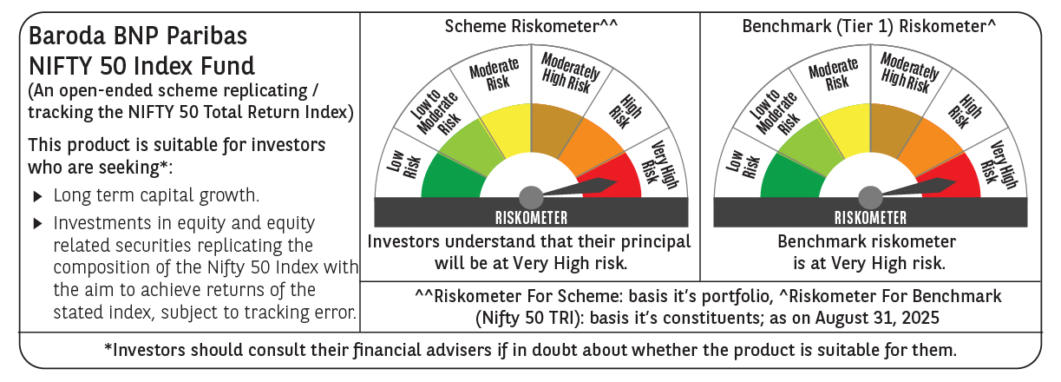

 | Monthly Performance Link: https://www.barodabnpparibasmf.in/assets/download_documents/Performance_of_Schemes_14126.pdf

