Monthly Portfolio
 | Baroda BNP Paribas Nifty 50 Index Fund

 | Monthly Portfolio Statement as on September 30, 2025
 | Name of the Instrument | ISIN | Industry | Quantity | Market/Fair Value (Rs. in Lakhs) | % to Net Assets | YTM~ | YTC^ | null
 | Equity & Equity related
 | (a) Listed / awaiting listing on Stock Exchanges
HDFB03 | HDFC Bank Limited | INE040A01034 | Banks | 82,451 | 784.11 | 12.87%
IBCL05 | ICICI Bank Limited | INE090A01021 | Banks | 38,330 | 516.69 | 8.48%
RIND01 | Reliance Industries Limited | INE002A01018 | Petroleum Products | 36,630 | 499.63 | 8.20%
INFS02 | Infosys Limited | INE009A01021 | IT - Software | 19,418 | 279.97 | 4.60%
BTVL02 | Bharti Airtel Limited | INE397D01024 | Telecom - Services | 14,822 | 278.42 | 4.57%
LARS02 | Larsen & Toubro Limited | INE018A01030 | Construction | 6,368 | 233.01 | 3.83%
ITCL02 | ITC Limited | INE154A01025 | Diversified FMCG | 52,685 | 211.56 | 3.47%
SBAI02 | State Bank of India | INE062A01020 | Banks | 22,286 | 194.43 | 3.19%
UTIB02 | Axis Bank Limited | INE238A01034 | Banks | 15,439 | 174.71 | 2.87%
MAHI02 | Mahindra & Mahindra Limited | INE101A01026 | Automobiles | 4,756 | 162.99 | 2.68%
TCSL01 | Tata Consultancy Services Limited | INE467B01029 | IT - Software | 5,512 | 159.21 | 2.61%
KOMA02 | Kotak Mahindra Bank Limited | INE237A01028 | Banks | 7,908 | 157.58 | 2.59%
BAFL03 | Bajaj Finance Limited | INE296A01032 | Finance | 14,217 | 142.01 | 2.33%
ZMPL01 | Eternal Limited | INE758T01015 | Retailing | 37,458 | 121.93 | 2.00%
HLEL02 | Hindustan Unilever Limited | INE030A01027 | Diversified FMCG | 4,765 | 119.81 | 1.97%
MAUD01 | Maruti Suzuki India Limited | INE585B01010 | Automobiles | 706 | 113.16 | 1.86%
SPIL03 | Sun Pharmaceutical Industries Limited | INE044A01036 | Pharmaceuticals & Biotechnology | 5,658 | 90.21 | 1.48%
NTPC01 | NTPC Limited | INE733E01010 | Power | 25,566 | 87.04 | 1.43%
HCLT02 | HCL Technologies Limited | INE860A01027 | IT - Software | 5,704 | 79.01 | 1.30%
BHEL02 | Bharat Electronics Limited | INE263A01024 | Aerospace & Defense | 19,146 | 77.34 | 1.27%
ULCC01 | UltraTech Cement Limited | INE481G01011 | Cement & Cement Products | 631 | 77.12 | 1.27%
TELC03 | Tata Motors Limited | INE155A01022 | Automobiles | 11,124 | 75.67 | 1.24%
TWAT02 | Titan Company Limited | INE280A01028 | Consumer Durables | 2,245 | 75.59 | 1.24%
TISC03 | Tata Steel Limited | INE081A01020 | Ferrous Metals | 44,633 | 75.33 | 1.24%
PGCI01 | Power Grid Corporation of India Limited | INE752E01010 | Power | 24,483 | 68.61 | 1.13%
INAV01 | InterGlobe Aviation Limited | INE646L01027 | Transport Services | 1,200 | 67.13 | 1.10%
BFSL02 | Bajaj Finserv Limited | INE918I01026 | Finance | 3,105 | 62.30 | 1.02%
HINI02 | Hindalco Industries Limited | INE038A01020 | Non - Ferrous Metals | 7,706 | 58.72 | 0.96%
ASPA02 | Asian Paints Limited | INE021A01026 | Consumer Durables | 2,427 | 57.03 | 0.94%
LAKM02 | Trent Limited | INE849A01020 | Retailing | 1,211 | 56.64 | 0.93%
GRAS02 | Grasim Industries Limited | INE047A01021 | Cement & Cement Products | 2,053 | 56.60 | 0.93%
JVSL04 | JSW Steel Limited | INE019A01038 | Ferrous Metals | 4,950 | 56.56 | 0.93%
MUND02 | Adani Ports and Special Economic Zone Limited | INE742F01042 | Transport Infrastructure | 3,928 | 55.13 | 0.91%
BALN01 | Bajaj Auto Limited | INE917I01010 | Automobiles | 602 | 52.24 | 0.86%
RELS01 | Jio Financial Services Limited | INE758E01017 | Finance | 17,741 | 52.02 | 0.85%
EIML02 | Eicher Motors Limited | INE066A01021 | Automobiles | 738 | 51.70 | 0.85%
ONGC02 | Oil & Natural Gas Corporation Limited | INE213A01029 | Oil | 21,022 | 50.35 | 0.83%
TEMA02 | Tech Mahindra Limited | INE669C01036 | IT - Software | 3,433 | 48.07 | 0.79%
COAL01 | Coal India Limited | INE522F01014 | Consumable Fuels | 12,240 | 47.73 | 0.78%
SHTR02 | Shriram Finance Limited | INE721A01047 | Finance | 7,531 | 46.40 | 0.76%
CIPL03 | Cipla Limited | INE059A01026 | Pharmaceuticals & Biotechnology | 3,014 | 45.31 | 0.74%
MAHE01 | Max Healthcare Institute Limited | INE027H01010 | Healthcare Services | 4,029 | 44.91 | 0.74%
NEST02 | Nestle India Limited | INE239A01024 | Food Products | 3,876 | 44.69 | 0.73%
HDLI01 | HDFC Life Insurance Company Limited | INE795G01014 | Insurance | 5,795 | 43.84 | 0.72%
SLIF01 | SBI Life Insurance Company Limited | INE123W01016 | Insurance | 2,424 | 43.40 | 0.71%
DRRL03 | Dr. Reddy's Laboratories Limited | INE089A01031 | Pharmaceuticals & Biotechnology | 3,316 | 40.58 | 0.67%
APOL02 | Apollo Hospitals Enterprise Limited | INE437A01024 | Healthcare Services | 547 | 40.53 | 0.67%
TTEA02 | Tata Consumer Products Limited | INE192A01025 | Agricultural Food & other Products | 3,489 | 39.40 | 0.65%
WIPR02 | Wipro Limited | INE075A01022 | IT - Software | 15,321 | 36.67 | 0.60%
ADAN02 | Adani Enterprises Limited | INE423A01024 | Metals & Minerals Trading | 1,407 | 35.26 | 0.58%
 | Sub Total |  |  |  | 6,088.35 | 99.97%
 | (b) Unlisted |  |  |  | NIL | NIL
 | Sub Total |  |  |  | NIL | NIL
 | Total |  |  |  | 6,088.35 | 99.97%
 | Reverse Repo / TREPS
TRP_011025 | Clearing Corporation of India Ltd |  |  |  | 6.30 | 0.10% | 5.53%
 | Sub Total |  |  |  | 6.30 | 0.10%
 | Total |  |  |  | 6.30 | 0.10%
 | Net Receivables / (Payables) |  |  |  | (3.12) | (0.07)%
 | GRAND TOTAL |  |  |  | 6,091.53 | 100.00%

 | ~ YTM as on September 30, 2025
 | ^ YTC represents Yield to Call provided by valuation agencies as on September 30, 2025. It is disclosed for Perpetual Bond issued by Banks (i.e. AT-1 Bond / Tier 1 Bond / Tier 2 Bond), as per AMFI Best Practices Guidelines Circular no. 135/BP/91/2020-21 read with SEBI circular No. SEBI/HO/IMD/DF4/CIR/P/2021/034 on Valuation of AT-1 Bonds and Tier 2 Bonds.

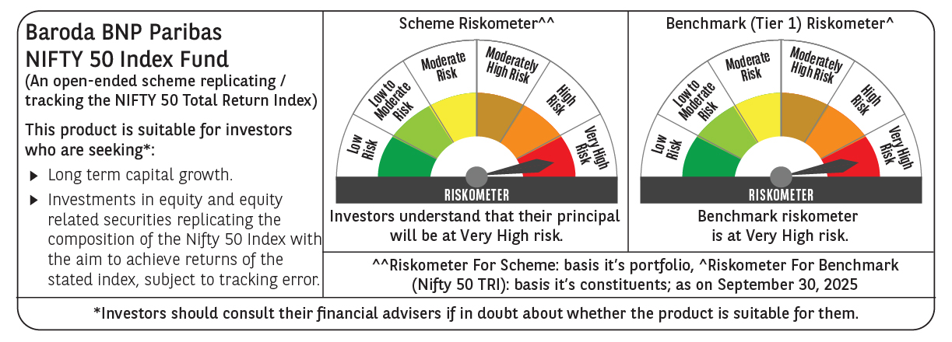

 | Monthly Performance Link: https://www.barodabnpparibasmf.in/assets/download_documents/Performance_of_Schemes_September_14618.pdf

