T0ME33
 | Baroda BNP Paribas Nifty 50 Index Fund

 | Monthly Portfolio Statement as on October 31, 2025
 | Name of the Instrument | ISIN | Industry | Quantity | Market/Fair Value (Rs. in Lakhs) | % to Net Assets | YTM~ | YTC^ | null
 | Equity & Equity related
 | (a) Listed / awaiting listing on Stock Exchanges
HDFB03 | HDFC Bank Limited | INE040A01034 | Banks | 80,597 | 795.73 | 12.76%
RIND01 | Reliance Industries Limited | INE002A01018 | Petroleum Products | 35,902 | 533.65 | 8.55%
IBCL05 | ICICI Bank Limited | INE090A01021 | Banks | 37,609 | 505.95 | 8.11%
BTVL02 | Bharti Airtel Limited | INE397D01024 | Telecom - Services | 14,561 | 299.16 | 4.80%
INFS02 | Infosys Limited | INE009A01021 | IT - Software | 19,142 | 283.74 | 4.55%
LARS02 | Larsen & Toubro Limited | INE018A01030 | Construction | 6,109 | 246.25 | 3.95%
ITCL02 | ITC Limited | INE154A01025 | Diversified FMCG | 50,907 | 213.99 | 3.43%
SBAI02 | State Bank of India | INE062A01020 | Banks | 21,838 | 204.62 | 3.28%
UTIB02 | Axis Bank Limited | INE238A01034 | Banks | 15,116 | 186.35 | 2.99%
TCSL01 | Tata Consultancy Services Limited | INE467B01029 | IT - Software | 5,394 | 164.95 | 2.64%
MAHI02 | Mahindra & Mahindra Limited | INE101A01026 | Automobiles | 4,693 | 163.65 | 2.62%
KOMA02 | Kotak Mahindra Bank Limited | INE237A01028 | Banks | 7,784 | 163.64 | 2.62%
BAFL03 | Bajaj Finance Limited | INE296A01032 | Finance | 14,103 | 147.07 | 2.36%
ZMPL01 | Eternal Limited | INE758T01015 | Retailing | 36,609 | 116.33 | 1.86%
HLEL02 | Hindustan Unilever Limited | INE030A01027 | Diversified FMCG | 4,690 | 115.63 | 1.85%
MAUD01 | Maruti Suzuki India Limited | INE585B01010 | Automobiles | 686 | 111.04 | 1.78%
SPIL03 | Sun Pharmaceutical Industries Limited | INE044A01036 | Pharmaceuticals & Biotechnology | 5,571 | 94.19 | 1.51%
HCLT02 | HCL Technologies Limited | INE860A01027 | IT - Software | 5,591 | 86.19 | 1.38%
NTPC01 | NTPC Limited | INE733E01010 | Power | 25,076 | 84.49 | 1.35%
TWAT02 | Titan Company Limited | INE280A01028 | Consumer Durables | 2,165 | 81.12 | 1.30%
TISC03 | Tata Steel Limited | INE081A01020 | Ferrous Metals | 43,756 | 80.00 | 1.28%
BHEL02 | Bharat Electronics Limited | INE263A01024 | Aerospace & Defense | 18,671 | 79.56 | 1.28%
ULCC01 | UltraTech Cement Limited | INE481G01011 | Cement & Cement Products | 621 | 74.19 | 1.19%
PGCI01 | Power Grid Corporation of India Limited | INE752E01010 | Power | 24,044 | 69.28 | 1.11%
INAV01 | InterGlobe Aviation Limited | INE646L01027 | Transport Services | 1,166 | 65.59 | 1.05%
HINI02 | Hindalco Industries Limited | INE038A01020 | Non - Ferrous Metals | 7,600 | 64.44 | 1.03%
BFSL02 | Bajaj Finserv Limited | INE918I01026 | Finance | 3,026 | 63.19 | 1.01%
ASPA02 | Asian Paints Limited | INE021A01026 | Consumer Durables | 2,384 | 59.86 | 0.96%
JVSL04 | JSW Steel Limited | INE019A01038 | Ferrous Metals | 4,920 | 59.34 | 0.95%
GRAS02 | Grasim Industries Limited | INE047A01021 | Cement & Cement Products | 2,002 | 57.89 | 0.93%
MUND02 | Adani Ports and Special Economic Zone Limited | INE742F01042 | Transport Infrastructure | 3,870 | 56.17 | 0.90%
LAKM02 | Trent Limited | INE849A01020 | Retailing | 1,174 | 55.11 | 0.88%
SHTR02 | Shriram Finance Limited | INE721A01047 | Finance | 7,334 | 54.92 | 0.88%
RELS01 | Jio Financial Services Limited | INE758E01017 | Finance | 17,202 | 52.78 | 0.85%
BALN01 | Bajaj Auto Limited | INE917I01010 | Automobiles | 590 | 52.47 | 0.84%
ONGC02 | Oil & Natural Gas Corporation Limited | INE213A01029 | Oil | 20,505 | 52.36 | 0.84%
EIML02 | Eicher Motors Limited | INE066A01021 | Automobiles | 729 | 51.08 | 0.82%
TEMA02 | Tech Mahindra Limited | INE669C01036 | IT - Software | 3,369 | 47.99 | 0.77%
NEST02 | Nestle India Limited | INE239A01024 | Food Products | 3,739 | 47.55 | 0.76%
SLIF01 | SBI Life Insurance Company Limited | INE123W01016 | Insurance | 2,361 | 46.17 | 0.74%
COAL01 | Coal India Limited | INE522F01014 | Consumable Fuels | 11,741 | 45.63 | 0.73%
CIPL03 | Cipla Limited | INE059A01026 | Pharmaceuticals & Biotechnology | 3,031 | 45.50 | 0.73%
MAHE01 | Max Healthcare Institute Limited | INE027H01010 | Healthcare Services | 3,936 | 45.18 | 0.72%
TELC03 | Tata Motors Passenger Vehicles Limited | INE155A01022 | Automobiles | 10,954 | 44.91 | 0.72%
HDLI01 | HDFC Life Insurance Company Limited | INE795G01014 | Insurance | 5,743 | 42.03 | 0.67%
APOL02 | Apollo Hospitals Enterprise Limited | INE437A01024 | Healthcare Services | 534 | 41.02 | 0.66%
DRRL03 | Dr. Reddy's Laboratories Limited | INE089A01031 | Pharmaceuticals & Biotechnology | 3,332 | 39.90 | 0.64%
TTEA02 | Tata Consumer Products Limited | INE192A01025 | Agricultural Food & other Products | 3,423 | 39.88 | 0.64%
WIPR02 | Wipro Limited | INE075A01022 | IT - Software | 15,022 | 36.15 | 0.58%
ADAN02 | Adani Enterprises Limited | INE423A01024 | Metals & Minerals Trading | 1,375 | 34.11 | 0.55%
TMLC01 | TML Commercial Vehicles Ltd ** | INE1TAE01010 | Agricultural, Commercial & Construction Vehicles | 11,313 | 29.50 | 0.47%
 | Sub Total |  |  |  | 6,231.49 | 99.87%
 | (b) Unlisted |  |  |  | NIL | NIL
 | Sub Total |  |  |  | NIL | NIL
 | Total |  |  |  | 6,231.49 | 99.87%
 | Reverse Repo / TREPS
TRP_031125 | Clearing Corporation of India Ltd |  |  |  | 3.40 | 0.05% | 5.59%
 | Sub Total |  |  |  | 3.40 | 0.05%
 | Total |  |  |  | 3.40 | 0.05%
 | Net Receivables / (Payables) |  |  |  | 3.25 | 0.08%
 | GRAND TOTAL |  |  |  | 6,238.14 | 100.00%

 | ** Thinly Traded / Non Traded Security
 | ~ YTM as on October 31, 2025
 | ^ YTC represents Yield to Call provided by valuation agencies as on October 31, 2025. It is disclosed for Perpetual Bond issued by Banks (i.e. AT-1 Bond / Tier 1 Bond / Tier 2 Bond), as per AMFI Best Practices Guidelines Circular no. 135/BP/91/2020-21 read with SEBI circular No. SEBI/HO/IMD/DF4/CIR/P/2021/034 on Valuation of AT-1 Bonds and Tier 2 Bonds.

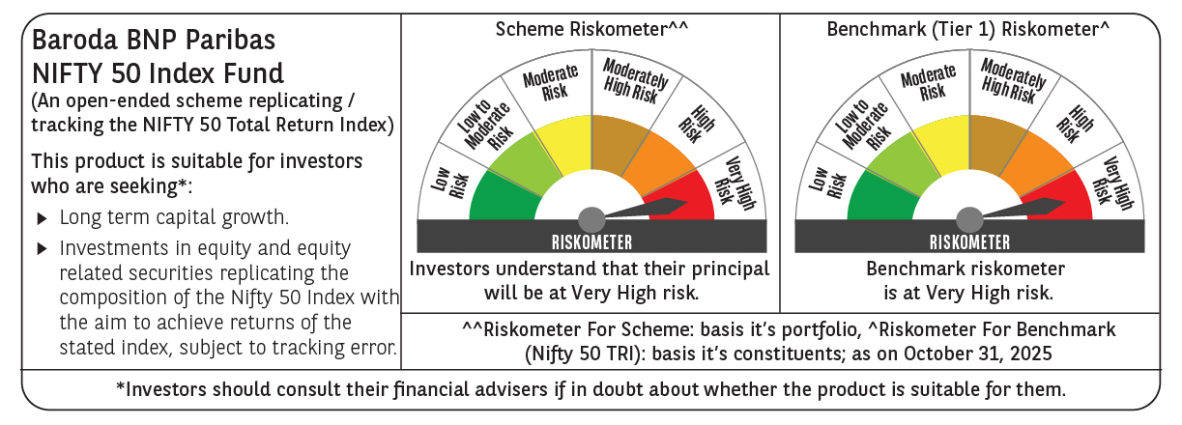

 | Monthly Performance Link: https://www.barodabnpparibasmf.in/assets/download_documents/Performance_of_Schemes-October_2025_15267.pdf

