T0ME33
 | Baroda BNP Paribas Nifty 50 Index Fund

 | Monthly Portfolio Statement as on November 30, 2025
 | Name of the Instrument | ISIN | Industry | Quantity | Market/Fair Value (Rs. in Lakhs) | % to Net Assets | YTM~ | YTC^ | null
 | Equity & Equity related
 | (a) Listed / awaiting listing on Stock Exchanges
HDFB03 | HDFC Bank Limited | INE040A01034 | Banks | 80,641 | 812.54 | 12.90%
RIND01 | Reliance Industries Limited | INE002A01018 | Petroleum Products | 35,657 | 558.92 | 8.87%
IBCL05 | ICICI Bank Limited | INE090A01021 | Banks | 37,803 | 525.01 | 8.33%
BTVL02 | Bharti Airtel Limited | INE397D01024 | Telecom - Services | 14,474 | 304.19 | 4.83%
INFS02 | Infosys Limited | INE009A01021 | IT - Software | 19,071 | 297.53 | 4.72%
LARS02 | Larsen & Toubro Limited | INE018A01030 | Construction | 6,233 | 253.66 | 4.03%
SBAI02 | State Bank of India | INE062A01020 | Banks | 21,691 | 212.35 | 3.37%
ITCL02 | ITC Limited | INE154A01025 | Diversified FMCG | 50,997 | 206.16 | 3.27%
UTIB02 | Axis Bank Limited | INE238A01034 | Banks | 15,231 | 194.91 | 3.09%
MAHI02 | Mahindra & Mahindra Limited | INE101A01026 | Automobiles | 4,594 | 172.61 | 2.74%
TCSL01 | Tata Consultancy Services Limited | INE467B01029 | IT - Software | 5,381 | 168.83 | 2.68%
KOMA02 | Kotak Mahindra Bank Limited | INE237A01028 | Banks | 7,713 | 163.85 | 2.60%
BAFL03 | Bajaj Finance Limited | INE296A01032 | Finance | 14,024 | 145.50 | 2.31%
HLEL02 | Hindustan Unilever Limited | INE030A01027 | Diversified FMCG | 4,660 | 114.94 | 1.82%
ZMPL01 | Eternal Limited | INE758T01015 | Retailing | 37,035 | 111.14 | 1.76%
MAUD01 | Maruti Suzuki India Limited | INE585B01010 | Automobiles | 693 | 110.19 | 1.75%
SPIL03 | Sun Pharmaceutical Industries Limited | INE044A01036 | Pharmaceuticals & Biotechnology | 5,509 | 100.90 | 1.60%
HCLT02 | HCL Technologies Limited | INE860A01027 | IT - Software | 5,590 | 90.79 | 1.44%
TWAT02 | Titan Company Limited | INE280A01028 | Consumer Durables | 2,175 | 84.99 | 1.35%
NTPC01 | NTPC Limited | INE733E01010 | Power | 25,087 | 81.90 | 1.30%
BHEL02 | Bharat Electronics Limited | INE263A01024 | Aerospace & Defense | 19,071 | 78.52 | 1.25%
TISC03 | Tata Steel Limited | INE081A01020 | Ferrous Metals | 43,708 | 73.41 | 1.17%
ULCC01 | UltraTech Cement Limited | INE481G01011 | Cement & Cement Products | 629 | 72.96 | 1.16%
ASPA02 | Asian Paints Limited | INE021A01026 | Consumer Durables | 2,392 | 68.76 | 1.09%
INAV01 | InterGlobe Aviation Limited | INE646L01027 | Transport Services | 1,158 | 68.34 | 1.08%
PGCI01 | Power Grid Corporation of India Limited | INE752E01010 | Power | 24,262 | 65.50 | 1.04%
SHTR02 | Shriram Finance Limited | INE721A01047 | Finance | 7,524 | 64.08 | 1.02%
BFSL02 | Bajaj Finserv Limited | INE918I01026 | Finance | 3,027 | 63.39 | 1.01%
HINI02 | Hindalco Industries Limited | INE038A01020 | Non - Ferrous Metals | 7,634 | 61.71 | 0.98%
MUND02 | Adani Ports and Special Economic Zone Limited | INE742F01042 | Transport Infrastructure | 3,870 | 58.70 | 0.93%
JVSL04 | JSW Steel Limited | INE019A01038 | Ferrous Metals | 4,955 | 57.49 | 0.91%
GRAS02 | Grasim Industries Limited | INE047A01021 | Cement & Cement Products | 2,020 | 55.34 | 0.88%
RELS01 | Jio Financial Services Limited | INE758E01017 | Finance | 17,298 | 52.97 | 0.84%
BALN01 | Bajaj Auto Limited | INE917I01010 | Automobiles | 582 | 52.81 | 0.84%
EIML02 | Eicher Motors Limited | INE066A01021 | Automobiles | 722 | 50.93 | 0.81%
TEMA02 | Tech Mahindra Limited | INE669C01036 | IT - Software | 3,329 | 50.51 | 0.80%
LAKM02 | Trent Limited | INE849A01020 | Retailing | 1,178 | 50.07 | 0.79%
ONGC02 | Oil & Natural Gas Corporation Limited | INE213A01029 | Oil | 20,569 | 50.03 | 0.79%
NEST02 | Nestle India Limited | INE239A01024 | Food Products | 3,801 | 47.93 | 0.76%
SLIF01 | SBI Life Insurance Company Limited | INE123W01016 | Insurance | 2,416 | 47.50 | 0.75%
MAHE01 | Max Healthcare Institute Limited | INE027H01010 | Healthcare Services | 3,924 | 45.63 | 0.72%
COAL01 | Coal India Limited | INE522F01014 | Consumable Fuels | 12,088 | 45.47 | 0.72%
CIPL03 | Cipla Limited | INE059A01026 | Pharmaceuticals & Biotechnology | 2,950 | 45.17 | 0.72%
HDLI01 | HDFC Life Insurance Company Limited | INE795G01014 | Insurance | 5,760 | 44.02 | 0.70%
TTEA02 | Tata Consumer Products Limited | INE192A01025 | Agricultural Food & other Products | 3,467 | 40.65 | 0.65%
DRRL03 | Dr. Reddy's Laboratories Limited | INE089A01031 | Pharmaceuticals & Biotechnology | 3,202 | 40.31 | 0.64%
TELC03 | Tata Motors Passenger Vehicles Limited | INE155A01022 | Automobiles | 11,068 | 39.49 | 0.63%
APOL02 | Apollo Hospitals Enterprise Limited | INE437A01024 | Healthcare Services | 532 | 39.02 | 0.62%
WIPR02 | Wipro Limited | INE075A01022 | IT - Software | 15,043 | 37.54 | 0.60%
ADAN02 | Adani Enterprises Limited | INE423A01024 | Metals & Minerals Trading | 1,359 | 30.99 | 0.49%
ADAN04RF | Adani Enterprises Limited- Rights share | INE423A20016 | Metals & Minerals Trading | 162 | 0.72 | 0.01%
 | Sub Total |  |  |  | 6,310.87 | 100.16%
 | (b) Unlisted |  |  |  | NIL | NIL
 | Sub Total |  |  |  | NIL | NIL
 | Total |  |  |  | 6,310.87 | 100.16%
 | Reverse Repo / TREPS
TRP_011225 | Clearing Corporation of India Ltd |  |  |  | 0.69 | 0.01% | 5.43%
 | Sub Total |  |  |  | 0.69 | 0.01%
 | Total |  |  |  | 0.69 | 0.01%
 | Net Receivables / (Payables) |  |  |  | (11.10) | (0.17)%
 | GRAND TOTAL |  |  |  | 6,300.46 | 100.00%

 | ~ YTM as on November 30, 2025
 | ^ YTC represents Yield to Call provided by valuation agencies as on November 30, 2025. It is disclosed for Perpetual Bond issued by Banks (i.e. AT-1 Bond / Tier 1 Bond / Tier 2 Bond), as per AMFI Best Practices Guidelines Circular no. 135/BP/91/2020-21 read with SEBI circular No. SEBI/HO/IMD/DF4/CIR/P/2021/034 on Valuation of AT-1 Bonds and Tier 2 Bonds.

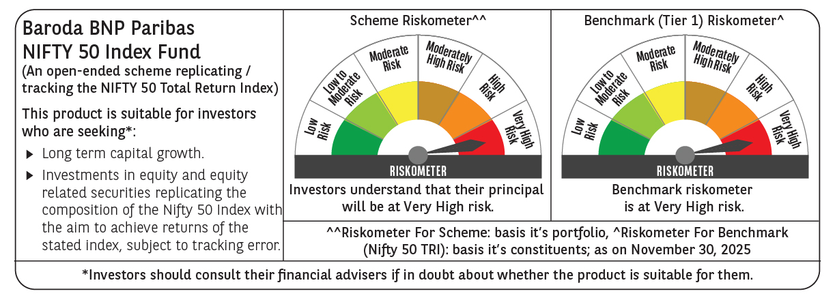

 | Monthly Performance Link: https://www.barodabnpparibasmf.in/assets/download_documents/Performance_of_Schemes_Nov-2025_15612.pdf

