T0ME33
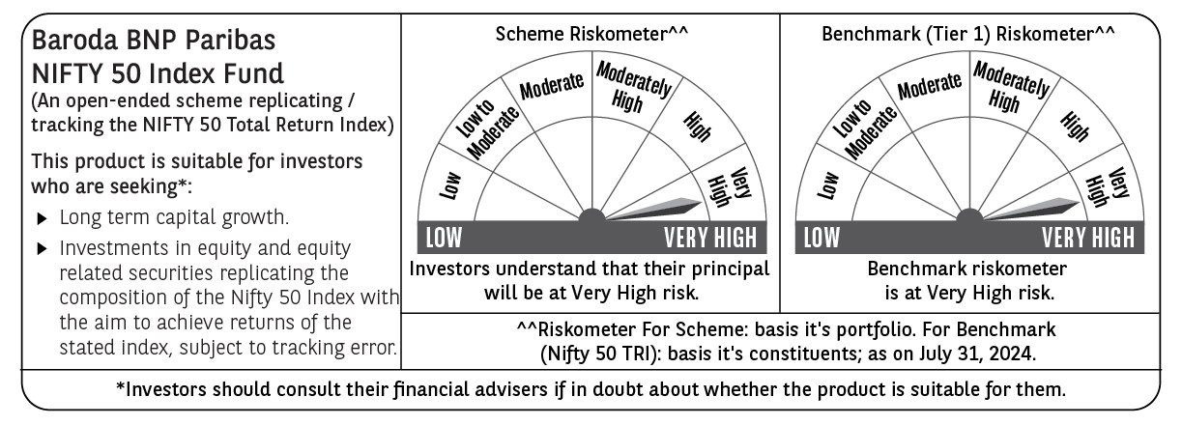
 | Baroda BNP Paribas Nifty 50 Index Fund

 | Monthly Portfolio Statement as on July 31, 2024
 | Name of the Instrument | ISIN | Industry | Quantity | Market/Fair Value (Rs. in Lakhs) | % to Net Assets | YTM~ | YTC^ | null
 | Equity & Equity related
 | (a) Listed / awaiting listing on Stock Exchanges
HDFB03 | HDFC Bank Limited | INE040A01034 | Banks | 43,368 | 700.72 | 11.08%
RIND01 | Reliance Industries Limited | INE002A01018 | Petroleum Products | 19,560 | 588.92 | 9.31%
IBCL05 | ICICI Bank Limited | INE090A01021 | Banks | 40,290 | 489.48 | 7.74%
INFS02 | Infosys Limited | INE009A01021 | IT - Software | 20,855 | 389.62 | 6.16%
ITCL02 | ITC Limited | INE154A01025 | Diversified FMCG | 52,376 | 259.44 | 4.10%
LARS02 | Larsen & Toubro Limited | INE018A01030 | Construction | 6,681 | 254.88 | 4.03%
TCSL01 | Tata Consultancy Services Limited | INE467B01029 | IT - Software | 5,784 | 253.65 | 4.01%
BTVL02 | Bharti Airtel Limited | INE397D01024 | Telecom - Services | 15,048 | 224.45 | 3.55%
SBAI02 | State Bank of India | INE062A01020 | Banks | 22,118 | 192.96 | 3.05%
UTIB02 | Axis Bank Limited | INE238A01034 | Banks | 16,396 | 191.19 | 3.02%
MAHI02 | Mahindra & Mahindra Limited | INE101A01026 | Automobiles | 5,571 | 161.99 | 2.56%
KOMA02 | Kotak Mahindra Bank Limited | INE237A01028 | Banks | 8,409 | 152.03 | 2.40%
HLEL02 | Hindustan Unilever Limited | INE030A01027 | Diversified FMCG | 5,104 | 138.10 | 2.18%
TELC03 | Tata Motors Limited | INE155A01022 | Automobiles | 10,193 | 117.90 | 1.86%
NTPC01 | NTPC Limited | INE733E01010 | Power | 26,767 | 111.35 | 1.76%
BAFL02 | Bajaj Finance Limited | INE296A01024 | Finance | 1,599 | 108.84 | 1.72%
SPIL03 | Sun Pharmaceutical Industries Limited | INE044A01036 | Pharmaceuticals & Biotechnology | 6,144 | 105.64 | 1.67%
HCLT02 | HCL Technologies Limited | INE860A01027 | IT - Software | 6,045 | 99.30 | 1.57%
MAUD01 | Maruti Suzuki India Limited | INE585B01010 | Automobiles | 754 | 98.89 | 1.56%
PGCI01 | Power Grid Corporation of India Limited | INE752E01010 | Power | 26,306 | 91.60 | 1.45%
TWAT02 | Titan Company Limited | INE280A01028 | Consumer Durables | 2,408 | 83.29 | 1.32%
ULCC01 | UltraTech Cement Limited | INE481G01011 | Cement & Cement Products | 660 | 78.46 | 1.24%
ASPA02 | Asian Paints Limited | INE021A01026 | Consumer Durables | 2,527 | 77.94 | 1.23%
TISC03 | Tata Steel Limited | INE081A01020 | Ferrous Metals | 47,043 | 77.78 | 1.23%
ONGC02 | Oil & Natural Gas Corporation Limited | INE213A01029 | Oil | 22,317 | 74.58 | 1.18%
COAL01 | Coal India Limited | INE522F01014 | Consumable Fuels | 13,059 | 68.19 | 1.08%
MUND02 | Adani Ports and Special Economic Zone Limited | INE742F01042 | Transport Infrastructure | 4,163 | 65.35 | 1.03%
BALN01 | Bajaj Auto Limited | INE917I01010 | Automobiles | 636 | 61.46 | 0.97%
GRAS02 | Grasim Industries Limited | INE047A01021 | Cement & Cement Products | 2,127 | 59.06 | 0.93%
TEMA02 | Tech Mahindra Limited | INE669C01036 | IT - Software | 3,619 | 56.25 | 0.89%
HINI02 | Hindalco Industries Limited | INE038A01020 | Non - Ferrous Metals | 8,303 | 55.60 | 0.88%
IIBL01 | IndusInd Bank Limited | INE095A01012 | Banks | 3,824 | 54.60 | 0.86%
BFSL02 | Bajaj Finserv Limited | INE918I01026 | Finance | 3,109 | 51.35 | 0.81%
NEST02 | Nestle India Limited | INE239A01024 | Food Products | 2,044 | 50.21 | 0.79%
JVSL04 | JSW Steel Limited | INE019A01038 | Ferrous Metals | 5,353 | 49.69 | 0.79%
DRRL02 | Dr. Reddy's Laboratories Limited | INE089A01023 | Pharmaceuticals & Biotechnology | 702 | 47.39 | 0.75%
ADAN02 | Adani Enterprises Limited | INE423A01024 | Metals & Minerals Trading | 1,491 | 47.26 | 0.75%
SHTR01 | Shriram Finance Limited | INE721A01013 | Finance | 1,590 | 46.62 | 0.74%
CIPL03 | Cipla Limited | INE059A01026 | Pharmaceuticals & Biotechnology | 2,981 | 46.04 | 0.73%
TTEA02 | Tata Consumer Products Limited | INE192A01025 | Agricultural Food & other Products | 3,790 | 45.06 | 0.71%
SLIF01 | SBI Life Insurance Company Limited | INE123W01016 | Insurance | 2,538 | 44.51 | 0.70%
WIPR02 | Wipro Limited | INE075A01022 | IT - Software | 8,103 | 42.30 | 0.67%
HDLI01 | HDFC Life Insurance Company Limited | INE795G01014 | Insurance | 5,896 | 42.19 | 0.67%
HERO02 | Hero MotoCorp Limited | INE158A01026 | Automobiles | 740 | 40.61 | 0.64%
BRIT03 | Britannia Industries Limited | INE216A01030 | Food Products | 682 | 39.45 | 0.62%
BPCL01 | Bharat Petroleum Corporation Limited | INE029A01011 | Petroleum Products | 11,200 | 39.21 | 0.62%
EIML02 | Eicher Motors Limited | INE066A01021 | Automobiles | 785 | 38.96 | 0.62%
APOL02 | Apollo Hospitals Enterprise Limited | INE437A01024 | Healthcare Services | 582 | 38.50 | 0.61%
DIVI02 | Divi's Laboratories Limited | INE361B01024 | Pharmaceuticals & Biotechnology | 734 | 36.14 | 0.57%
LTIL01 | LTIMindtree Limited | INE214T01019 | IT - Software | 529 | 29.93 | 0.47%
TTEA02RF | Tata Consumer Products Limited- Right Shares | INE192A20017 | Agricultural Food & other Products | 136 | 0.50 | 0.01%
 | Sub Total |  |  |  | 6,319.43 | 99.89%
 | (b) Unlisted |  |  |  | NIL | NIL
 | Sub Total |  |  |  | NIL | NIL
 | Total |  |  |  | 6,319.43 | 99.89%
 | Reverse Repo / TREPS
TRP_010824 | Clearing Corporation of India Ltd |  |  |  | 20.01 | 0.32% | 6.42%
 | Sub Total |  |  |  | 20.01 | 0.32%
 | Total |  |  |  | 20.01 | 0.32%
 | Net Receivables / (Payables) |  |  |  | (13.36) | (0.21)%
 | GRAND TOTAL |  |  |  | 6,326.08 | 100.00%

 | ** Thinly Traded / Non Traded Security
 | ~ YTM as on July 31, 2024
 | ^ YTC represents Yield to Call provided by valuation agencies as on July 31, 2024. It is disclosed for Perpetual Bond issued by Banks (i.e. AT-1 Bond / Tier 1 Bond / Tier 2 Bond), as per AMFI Best Practices Guidelines Circular no. 135/BP/91/2020-21 read with SEBI circular No. SEBI/HO/IMD/DF4/CIR/P/2021/034 on Valuation of AT-1 Bonds and Tier 2 Bonds.

