T0ME33
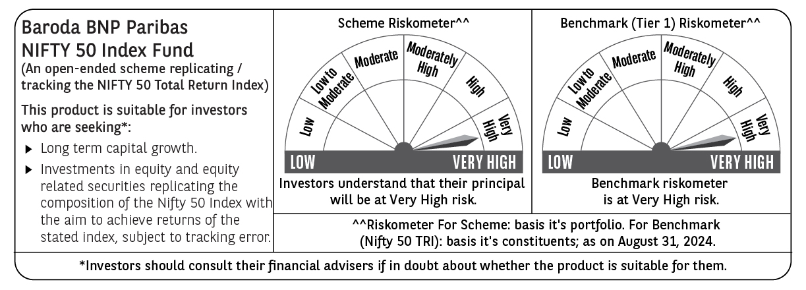
 | Baroda BNP Paribas Nifty 50 Index Fund

 | Monthly Portfolio Statement as on August 31, 2024
 | Name of the Instrument | ISIN | Industry | Quantity | Market/Fair Value (Rs. in Lakhs) | % to Net Assets | YTM~ | YTC^ | null
 | Equity & Equity related
 | (a) Listed / awaiting listing on Stock Exchanges
HDFB03 | HDFC Bank Limited | INE040A01034 | Banks | 42,583 | 697.04 | 11.00%
RIND01 | Reliance Industries Limited | INE002A01018 | Petroleum Products | 19,301 | 582.75 | 9.20%
IBCL05 | ICICI Bank Limited | INE090A01021 | Banks | 39,769 | 488.84 | 7.72%
INFS02 | Infosys Limited | INE009A01021 | IT - Software | 20,531 | 399.06 | 6.30%
ITCL02 | ITC Limited | INE154A01025 | Diversified FMCG | 52,670 | 264.35 | 4.17%
TCSL01 | Tata Consultancy Services Limited | INE467B01029 | IT - Software | 5,719 | 260.43 | 4.11%
LARS02 | Larsen & Toubro Limited | INE018A01030 | Construction | 6,601 | 244.54 | 3.86%
BTVL02 | Bharti Airtel Limited | INE397D01024 | Telecom - Services | 14,916 | 237.02 | 3.74%
UTIB02 | Axis Bank Limited | INE238A01034 | Banks | 16,113 | 189.37 | 2.99%
SBAI02 | State Bank of India | INE062A01020 | Banks | 21,749 | 177.38 | 2.80%
MAHI02 | Mahindra & Mahindra Limited | INE101A01026 | Automobiles | 5,404 | 151.60 | 2.39%
KOMA02 | Kotak Mahindra Bank Limited | INE237A01028 | Banks | 8,310 | 147.98 | 2.34%
HLEL02 | Hindustan Unilever Limited | INE030A01027 | Diversified FMCG | 5,071 | 140.87 | 2.22%
TELC03 | Tata Motors Limited | INE155A01022 | Automobiles | 12,060 | 134.03 | 2.12%
BAFL02 | Bajaj Finance Limited | INE296A01024 | Finance | 1,549 | 111.53 | 1.76%
SPIL03 | Sun Pharmaceutical Industries Limited | INE044A01036 | Pharmaceuticals & Biotechnology | 6,048 | 110.17 | 1.74%
NTPC01 | NTPC Limited | INE733E01010 | Power | 26,468 | 110.16 | 1.74%
HCLT02 | HCL Technologies Limited | INE860A01027 | IT - Software | 5,989 | 105.00 | 1.66%
MAUD01 | Maruti Suzuki India Limited | INE585B01010 | Automobiles | 751 | 93.15 | 1.47%
PGCI01 | Power Grid Corporation of India Limited | INE752E01010 | Power | 25,347 | 85.52 | 1.35%
TWAT02 | Titan Company Limited | INE280A01028 | Consumer Durables | 2,350 | 83.78 | 1.32%
ASPA02 | Asian Paints Limited | INE021A01026 | Consumer Durables | 2,553 | 79.83 | 1.26%
ULCC01 | UltraTech Cement Limited | INE481G01011 | Cement & Cement Products | 650 | 73.46 | 1.16%
ONGC02 | Oil & Natural Gas Corporation Limited | INE213A01029 | Oil | 21,980 | 72.70 | 1.15%
TISC03 | Tata Steel Limited | INE081A01020 | Ferrous Metals | 46,485 | 71.01 | 1.12%
BALN01 | Bajaj Auto Limited | INE917I01010 | Automobiles | 631 | 68.73 | 1.08%
COAL01 | Coal India Limited | INE522F01014 | Consumable Fuels | 12,850 | 67.46 | 1.06%
MUND02 | Adani Ports and Special Economic Zone Limited | INE742F01042 | Transport Infrastructure | 4,168 | 61.77 | 0.97%
TEMA02 | Tech Mahindra Limited | INE669C01036 | IT - Software | 3,627 | 59.36 | 0.94%
HINI02 | Hindalco Industries Limited | INE038A01020 | Non - Ferrous Metals | 8,253 | 57.88 | 0.91%
GRAS02 | Grasim Industries Limited | INE047A01021 | Cement & Cement Products | 2,073 | 55.95 | 0.88%
BFSL02 | Bajaj Finserv Limited | INE918I01026 | Finance | 3,034 | 54.10 | 0.85%
IIBL01 | IndusInd Bank Limited | INE095A01012 | Banks | 3,740 | 53.30 | 0.84%
SHTR01 | Shriram Finance Limited | INE721A01013 | Finance | 1,581 | 50.66 | 0.80%
JVSL04 | JSW Steel Limited | INE019A01038 | Ferrous Metals | 5,382 | 50.65 | 0.80%
NEST02 | Nestle India Limited | INE239A01024 | Food Products | 2,019 | 50.49 | 0.80%
CIPL03 | Cipla Limited | INE059A01026 | Pharmaceuticals & Biotechnology | 2,913 | 48.21 | 0.76%
DRRL02 | Dr. Reddy's Laboratories Limited | INE089A01023 | Pharmaceuticals & Biotechnology | 683 | 48.02 | 0.76%
SLIF01 | SBI Life Insurance Company Limited | INE123W01016 | Insurance | 2,547 | 47.13 | 0.74%
ADAN02 | Adani Enterprises Limited | INE423A01024 | Metals & Minerals Trading | 1,483 | 44.78 | 0.71%
TTEA02 | Tata Consumer Products Limited | INE192A01025 | Agricultural Food & other Products | 3,691 | 44.30 | 0.70%
HDLI01 | HDFC Life Insurance Company Limited | INE795G01014 | Insurance | 5,954 | 43.98 | 0.69%
WIPR02 | Wipro Limited | INE075A01022 | IT - Software | 8,022 | 43.19 | 0.68%
HERO02 | Hero MotoCorp Limited | INE158A01026 | Automobiles | 729 | 39.77 | 0.63%
APOL02 | Apollo Hospitals Enterprise Limited | INE437A01024 | Healthcare Services | 568 | 39.35 | 0.62%
BPCL01 | Bharat Petroleum Corporation Limited | INE029A01011 | Petroleum Products | 10,995 | 39.32 | 0.62%
BRIT03 | Britannia Industries Limited | INE216A01030 | Food Products | 669 | 39.17 | 0.62%
EIML02 | Eicher Motors Limited | INE066A01021 | Automobiles | 771 | 38.25 | 0.60%
DIVI02 | Divi's Laboratories Limited | INE361B01024 | Pharmaceuticals & Biotechnology | 711 | 36.22 | 0.57%
LTIL01 | LTIMindtree Limited | INE214T01019 | IT - Software | 521 | 32.07 | 0.51%
 | Sub Total |  |  |  | 6,325.68 | 99.83%
 | (b) Unlisted |  |  |  | NIL | NIL
 | Sub Total |  |  |  | NIL | NIL
 | Total |  |  |  | 6,325.68 | 99.83%
 | Reverse Repo / TREPS
TRP_020924 | Clearing Corporation of India Ltd |  |  |  | 11.52 | 0.18% | 6.52%
 | Sub Total |  |  |  | 11.52 | 0.18%
 | Total |  |  |  | 11.52 | 0.18%
 | Net Receivables / (Payables) |  |  |  | (0.99) | (0.01)%
 | GRAND TOTAL |  |  |  | 6,336.21 | 100.00%

 | ~ YTM as on August 31, 2024
 | ^ YTC represents Yield to Call provided by valuation agencies as on August 31, 2024. It is disclosed for Perpetual Bond issued by Banks (i.e. AT-1 Bond / Tier 1 Bond / Tier 2 Bond), as per AMFI Best Practices Guidelines Circular no. 135/BP/91/2020-21 read with SEBI circular No. SEBI/HO/IMD/DF4/CIR/P/2021/034 on Valuation of AT-1 Bonds and Tier 2 Bonds.

