Monthly Portfolio
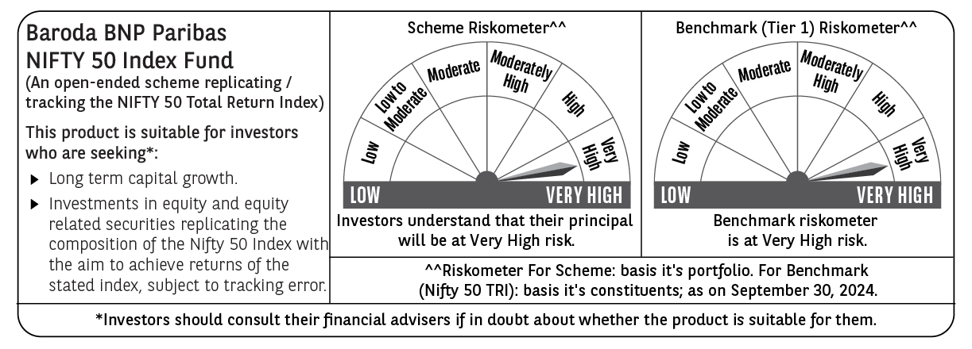
 | Baroda BNP Paribas Nifty 50 Index Fund

 | Monthly Portfolio Statement as on September 30, 2024
 | Name of the Instrument | ISIN | Industry | Quantity | Market/Fair Value (Rs. in Lakhs) | % to Net Assets | YTM~ | YTC^ | null
 | Equity & Equity related
 | (a) Listed / awaiting listing on Stock Exchanges
HDFB03 | HDFC Bank Limited | INE040A01034 | Banks | 41,507 | 718.92 | 11.28%
RIND01 | Reliance Industries Limited | INE002A01018 | Petroleum Products | 18,926 | 558.91 | 8.77%
IBCL05 | ICICI Bank Limited | INE090A01021 | Banks | 39,139 | 498.24 | 7.81%
INFS02 | Infosys Limited | INE009A01021 | IT - Software | 19,846 | 372.23 | 5.84%
ITCL02 | ITC Limited | INE154A01025 | Diversified FMCG | 50,952 | 264.01 | 4.14%
BTVL02 | Bharti Airtel Limited | INE397D01024 | Telecom - Services | 14,723 | 251.70 | 3.95%
TCSL01 | Tata Consultancy Services Limited | INE467B01029 | IT - Software | 5,582 | 238.27 | 3.74%
LARS02 | Larsen & Toubro Limited | INE018A01030 | Construction | 6,434 | 236.48 | 3.71%
UTIB02 | Axis Bank Limited | INE238A01034 | Banks | 15,883 | 195.71 | 3.07%
SBAI02 | State Bank of India | INE062A01020 | Banks | 21,203 | 167.06 | 2.62%
MAHI02 | Mahindra & Mahindra Limited | INE101A01026 | Automobiles | 4,967 | 153.72 | 2.41%
KOMA02 | Kotak Mahindra Bank Limited | INE237A01028 | Banks | 8,034 | 148.95 | 2.34%
HLEL02 | Hindustan Unilever Limited | INE030A01027 | Diversified FMCG | 4,836 | 143.06 | 2.24%
BAFL02 | Bajaj Finance Limited | INE296A01024 | Finance | 1,521 | 117.16 | 1.84%
TELC03 | Tata Motors Limited | INE155A01022 | Automobiles | 11,715 | 114.18 | 1.79%
SPIL03 | Sun Pharmaceutical Industries Limited | INE044A01036 | Pharmaceuticals & Biotechnology | 5,913 | 113.93 | 1.79%
NTPC01 | NTPC Limited | INE733E01010 | Power | 25,255 | 111.93 | 1.76%
HCLT02 | HCL Technologies Limited | INE860A01027 | IT - Software | 5,754 | 103.35 | 1.62%
MAUD01 | Maruti Suzuki India Limited | INE585B01010 | Automobiles | 725 | 95.98 | 1.51%
LAKM02 | Trent Limited | INE849A01020 | Retailing | 1,256 | 95.14 | 1.49%
PGCI01 | Power Grid Corporation of India Limited | INE752E01010 | Power | 24,551 | 86.63 | 1.36%
TWAT02 | Titan Company Limited | INE280A01028 | Consumer Durables | 2,232 | 85.35 | 1.34%
ASPA02 | Asian Paints Limited | INE021A01026 | Consumer Durables | 2,430 | 80.90 | 1.27%
BALN01 | Bajaj Auto Limited | INE917I01010 | Automobiles | 617 | 76.17 | 1.19%
TISC03 | Tata Steel Limited | INE081A01020 | Ferrous Metals | 44,256 | 74.59 | 1.17%
ULCC01 | UltraTech Cement Limited | INE481G01011 | Cement & Cement Products | 625 | 73.76 | 1.16%
COAL01 | Coal India Limited | INE522F01014 | Consumable Fuels | 12,440 | 63.46 | 1.00%
ONGC02 | Oil & Natural Gas Corporation Limited | INE213A01029 | Oil | 20,899 | 62.20 | 0.98%
BFSL02 | Bajaj Finserv Limited | INE918I01026 | Finance | 3,011 | 59.42 | 0.93%
HINI02 | Hindalco Industries Limited | INE038A01020 | Non - Ferrous Metals | 7,783 | 58.86 | 0.92%
MUND02 | Adani Ports and Special Economic Zone Limited | INE742F01042 | Transport Infrastructure | 4,018 | 58.19 | 0.91%
BHEL02 | Bharat Electronics Limited | INE263A01024 | Aerospace & Defense | 19,947 | 56.87 | 0.89%
GRAS02 | Grasim Industries Limited | INE047A01021 | Cement & Cement Products | 1,996 | 55.80 | 0.88%
TEMA02 | Tech Mahindra Limited | INE669C01036 | IT - Software | 3,523 | 55.56 | 0.87%
SHTR01 | Shriram Finance Limited | INE721A01013 | Finance | 1,530 | 54.73 | 0.86%
NEST02 | Nestle India Limited | INE239A01024 | Food Products | 1,974 | 53.10 | 0.83%
IIBL01 | IndusInd Bank Limited | INE095A01012 | Banks | 3,610 | 52.26 | 0.82%
JVSL04 | JSW Steel Limited | INE019A01038 | Ferrous Metals | 5,056 | 52.08 | 0.82%
CIPL03 | Cipla Limited | INE059A01026 | Pharmaceuticals & Biotechnology | 3,007 | 49.74 | 0.78%
SLIF01 | SBI Life Insurance Company Limited | INE123W01016 | Insurance | 2,464 | 45.44 | 0.71%
DRRL02 | Dr. Reddy's Laboratories Limited | INE089A01023 | Pharmaceuticals & Biotechnology | 657 | 44.36 | 0.70%
TTEA02 | Tata Consumer Products Limited | INE192A01025 | Agricultural Food & other Products | 3,533 | 42.29 | 0.66%
HDLI01 | HDFC Life Insurance Company Limited | INE795G01014 | Insurance | 5,870 | 42.15 | 0.66%
HERO02 | Hero MotoCorp Limited | INE158A01026 | Automobiles | 732 | 41.81 | 0.66%
WIPR02 | Wipro Limited | INE075A01022 | IT - Software | 7,687 | 41.62 | 0.65%
ADAN02 | Adani Enterprises Limited | INE423A01024 | Metals & Minerals Trading | 1,275 | 39.98 | 0.63%
BRIT03 | Britannia Industries Limited | INE216A01030 | Food Products | 629 | 39.87 | 0.63%
APOL02 | Apollo Hospitals Enterprise Limited | INE437A01024 | Healthcare Services | 550 | 39.60 | 0.62%
BPCL01 | Bharat Petroleum Corporation Limited | INE029A01011 | Petroleum Products | 10,464 | 38.71 | 0.61%
EIML02 | Eicher Motors Limited | INE066A01021 | Automobiles | 750 | 37.70 | 0.59%
 | Sub Total |  |  |  | 6,362.13 | 99.82%
 | (b) Unlisted |  |  |  | NIL | NIL
 | Sub Total |  |  |  | NIL | NIL
 | Total |  |  |  | 6,362.13 | 99.82%
 | Reverse Repo / TREPS
TRP_011024 | Clearing Corporation of India Ltd |  |  |  | 8.93 | 0.14% | 6.65%
 | Sub Total |  |  |  | 8.93 | 0.14%
 | Total |  |  |  | 8.93 | 0.14%
 | Net Receivables / (Payables) |  |  |  | 4.80 | 0.04%
 | GRAND TOTAL |  |  |  | 6,375.86 | 100.00%

 | ~ YTM as on September 30, 2024
 | ^ YTC represents Yield to Call provided by valuation agencies as on September 30, 2024. It is disclosed for Perpetual Bond issued by Banks (i.e. AT-1 Bond / Tier 1 Bond / Tier 2 Bond), as per AMFI Best Practices Guidelines Circular no. 135/BP/91/2020-21 read with SEBI circular No. SEBI/HO/IMD/DF4/CIR/P/2021/034 on Valuation of AT-1 Bonds and Tier 2 Bonds.

