T0ME33
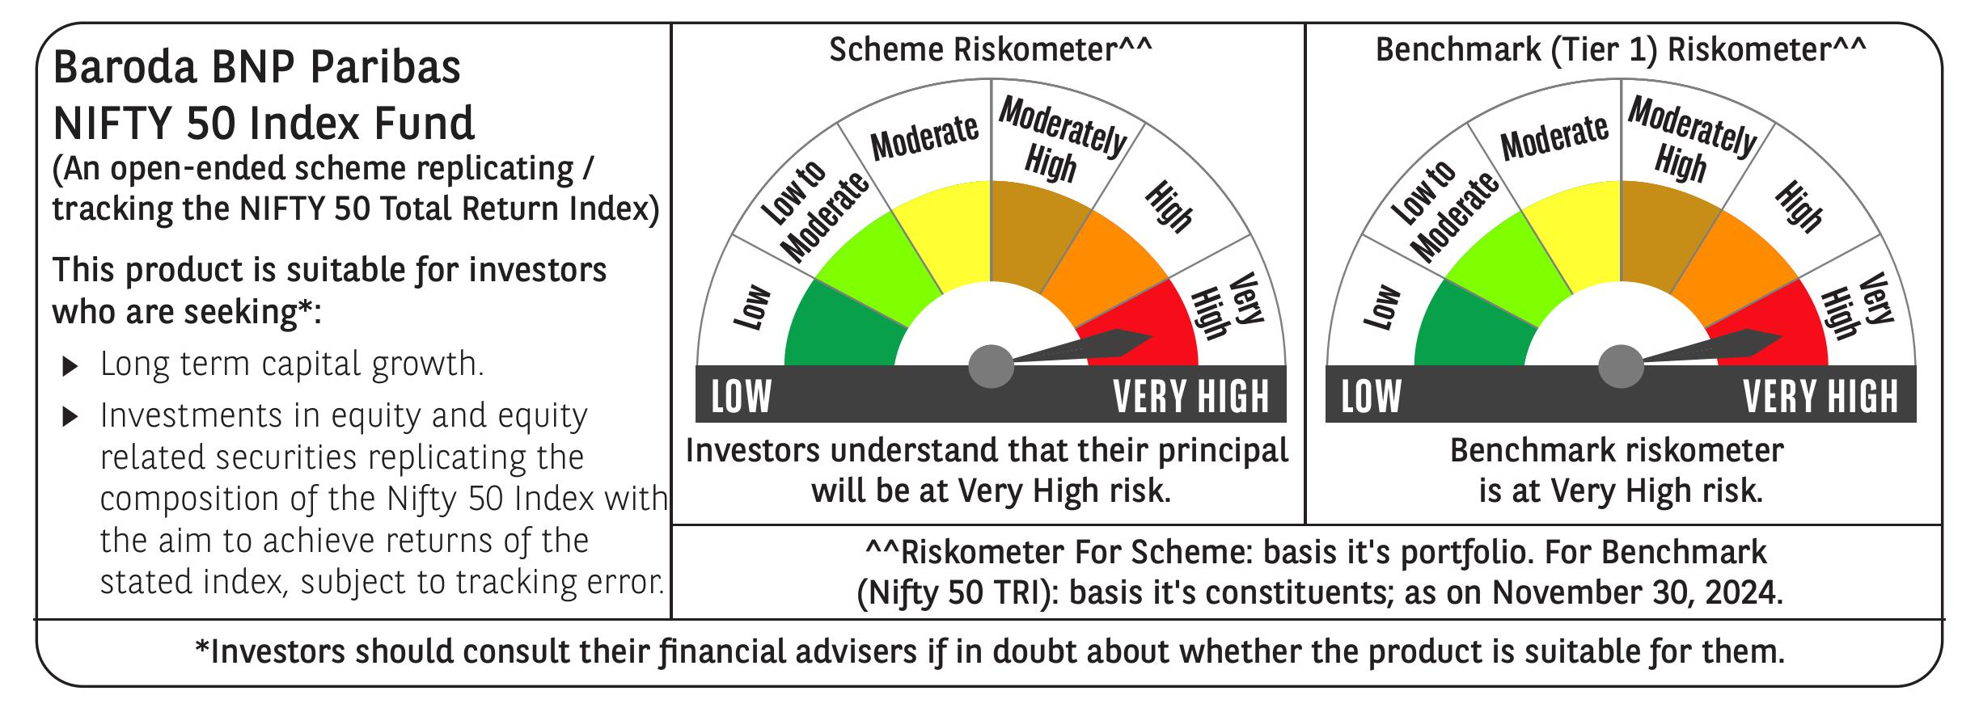
 | Baroda BNP Paribas Nifty 50 Index Fund

 | Monthly Portfolio Statement as on November 30, 2024
 | Name of the Instrument | ISIN | Industry | Quantity | Market/Fair Value (Rs. in Lakhs) | % to Net Assets | YTM~ | YTC^ | null
 | Equity & Equity related
 | (a) Listed / awaiting listing on Stock Exchanges
HDFB03 | HDFC Bank Limited | INE040A01034 | Banks | 42,402 | 761.56 | 12.70%
IBCL05 | ICICI Bank Limited | INE090A01021 | Banks | 38,904 | 505.79 | 8.43%
RIND01 | Reliance Industries Limited | INE002A01018 | Petroleum Products | 37,246 | 481.29 | 8.03%
INFS02 | Infosys Limited | INE009A01021 | IT - Software | 20,066 | 372.80 | 6.22%
ITCL02 | ITC Limited | INE154A01025 | Diversified FMCG | 51,637 | 246.18 | 4.11%
TCSL01 | Tata Consultancy Services Limited | INE467B01029 | IT - Software | 5,670 | 242.16 | 4.04%
LARS02 | Larsen & Toubro Limited | INE018A01030 | Construction | 6,462 | 240.70 | 4.01%
BTVL02 | Bharti Airtel Limited | INE397D01024 | Telecom - Services | 14,321 | 233.02 | 3.89%
SBAI02 | State Bank of India | INE062A01020 | Banks | 21,469 | 180.11 | 3.00%
UTIB02 | Axis Bank Limited | INE238A01034 | Banks | 15,837 | 179.96 | 3.00%
KOMA02 | Kotak Mahindra Bank Limited | INE237A01028 | Banks | 8,197 | 144.70 | 2.41%
MAHI02 | Mahindra & Mahindra Limited | INE101A01026 | Automobiles | 4,855 | 144.00 | 2.40%
HLEL02 | Hindustan Unilever Limited | INE030A01027 | Diversified FMCG | 4,907 | 122.49 | 2.04%
HCLT02 | HCL Technologies Limited | INE860A01027 | IT - Software | 5,861 | 108.31 | 1.81%
SPIL03 | Sun Pharmaceutical Industries Limited | INE044A01036 | Pharmaceuticals & Biotechnology | 5,859 | 104.34 | 1.74%
BAFL02 | Bajaj Finance Limited | INE296A01024 | Finance | 1,550 | 101.93 | 1.70%
NTPC01 | NTPC Limited | INE733E01010 | Power | 26,359 | 95.85 | 1.60%
TELC03 | Tata Motors Limited | INE155A01022 | Automobiles | 11,736 | 92.30 | 1.54%
PGCI01 | Power Grid Corporation of India Limited | INE752E01010 | Power | 25,588 | 84.29 | 1.41%
LAKM02 | Trent Limited | INE849A01020 | Retailing | 1,231 | 83.65 | 1.39%
MAUD01 | Maruti Suzuki India Limited | INE585B01010 | Automobiles | 727 | 80.51 | 1.34%
TWAT02 | Titan Company Limited | INE280A01028 | Consumer Durables | 2,284 | 74.21 | 1.24%
ULCC01 | UltraTech Cement Limited | INE481G01011 | Cement & Cement Products | 624 | 69.90 | 1.17%
TISC03 | Tata Steel Limited | INE081A01020 | Ferrous Metals | 45,878 | 66.31 | 1.11%
ASPA02 | Asian Paints Limited | INE021A01026 | Consumer Durables | 2,503 | 62.06 | 1.03%
TEMA02 | Tech Mahindra Limited | INE669C01036 | IT - Software | 3,560 | 60.96 | 1.02%
BHEL02 | Bharat Electronics Limited | INE263A01024 | Aerospace & Defense | 19,736 | 60.79 | 1.01%
BALN01 | Bajaj Auto Limited | INE917I01010 | Automobiles | 616 | 55.65 | 0.93%
ONGC02 | Oil & Natural Gas Corporation Limited | INE213A01029 | Oil | 21,272 | 54.61 | 0.91%
GRAS02 | Grasim Industries Limited | INE047A01021 | Cement & Cement Products | 2,043 | 53.25 | 0.89%
HINI02 | Hindalco Industries Limited | INE038A01020 | Non - Ferrous Metals | 8,055 | 52.86 | 0.88%
COAL01 | Coal India Limited | INE522F01014 | Consumable Fuels | 12,635 | 52.61 | 0.88%
JVSL04 | JSW Steel Limited | INE019A01038 | Ferrous Metals | 5,290 | 51.10 | 0.85%
BFSL02 | Bajaj Finserv Limited | INE918I01026 | Finance | 3,041 | 48.05 | 0.80%
MUND02 | Adani Ports and Special Economic Zone Limited | INE742F01042 | Transport Infrastructure | 4,019 | 47.83 | 0.80%
SHTR01 | Shriram Finance Limited | INE721A01013 | Finance | 1,564 | 47.23 | 0.79%
CIPL03 | Cipla Limited | INE059A01026 | Pharmaceuticals & Biotechnology | 2,980 | 45.71 | 0.76%
WIPR02 | Wipro Limited | INE075A01022 | IT - Software | 7,807 | 45.11 | 0.75%
NEST02 | Nestle India Limited | INE239A01024 | Food Products | 1,998 | 44.65 | 0.74%
DRRL03 | Dr. Reddy's Laboratories Limited | INE089A01031 | Pharmaceuticals & Biotechnology | 3,375 | 40.58 | 0.68%
HDLI01 | HDFC Life Insurance Company Limited | INE795G01014 | Insurance | 5,958 | 39.19 | 0.65%
APOL02 | Apollo Hospitals Enterprise Limited | INE437A01024 | Healthcare Services | 565 | 38.58 | 0.64%
EIML02 | Eicher Motors Limited | INE066A01021 | Automobiles | 765 | 36.96 | 0.62%
IIBL01 | IndusInd Bank Limited | INE095A01012 | Banks | 3,679 | 36.64 | 0.61%
SLIF01 | SBI Life Insurance Company Limited | INE123W01016 | Insurance | 2,503 | 35.99 | 0.60%
HERO02 | Hero MotoCorp Limited | INE158A01026 | Automobiles | 725 | 34.52 | 0.58%
TTEA02 | Tata Consumer Products Limited | INE192A01025 | Agricultural Food & other Products | 3,555 | 34.08 | 0.57%
BRIT03 | Britannia Industries Limited | INE216A01030 | Food Products | 654 | 32.32 | 0.54%
ADAN02 | Adani Enterprises Limited | INE423A01024 | Metals & Minerals Trading | 1,293 | 31.85 | 0.53%
BPCL01 | Bharat Petroleum Corporation Limited | INE029A01011 | Petroleum Products | 10,740 | 31.37 | 0.52%
 | Sub Total |  |  |  | 5,990.91 | 99.91%
 | (b) Unlisted |  |  |  | NIL | NIL
 | Sub Total |  |  |  | NIL | NIL
 | Total |  |  |  | 5,990.91 | 99.91%
 | Reverse Repo / TREPS
TRP_021224 | Clearing Corporation of India Ltd |  |  |  | 2.61 | 0.04% | 6.69%
 | Sub Total |  |  |  | 2.61 | 0.04%
 | Total |  |  |  | 2.61 | 0.04%
 | Net Receivables / (Payables) |  |  |  | 3.23 | 0.05%
 | GRAND TOTAL |  |  |  | 5,996.75 | 100.00%

 | ~ YTM as on November 30, 2024
 | ^ YTC represents Yield to Call provided by valuation agencies as on November 30, 2024. It is disclosed for Perpetual Bond issued by Banks (i.e. AT-1 Bond / Tier 1 Bond / Tier 2 Bond), as per AMFI Best Practices Guidelines Circular no. 135/BP/91/2020-21 re

