T0ME34
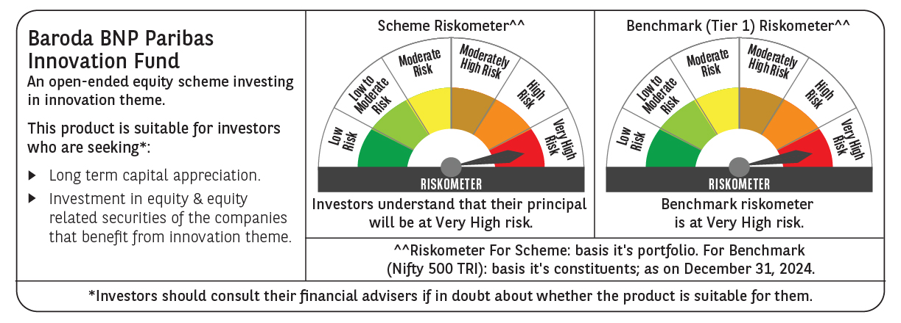
 | Baroda BNP Paribas Innovation Fund

 | Monthly Portfolio Statement as on December 31, 2024
 | Name of the Instrument | ISIN | Industry / Rating | Quantity | Market/Fair Value (Rs. in Lakhs) | % to Net Assets | YTM~ | YTC^ | null
 | Equity & Equity related
 | (a) Listed / awaiting listing on Stock Exchanges
ALLI02 | GE Vernova T&D India Limited | INE200A01026 | Electrical Equipment | 249,032 | 5,169.66 | 4.39%
IEIN01 | Info Edge (India) Limited | INE663F01024 | Retailing | 58,100 | 5,041.48 | 4.28%
ESMC02 | PB Fintech Limited | INE417T01026 | Financial Technology (Fintech) | 231,600 | 4,884.10 | 4.14%
INFS02 | Infosys Limited | INE009A01021 | IT - Software | 253,000 | 4,756.40 | 4.04%
NSDL02 | Protean eGov Technologies Limited | INE004A01022 | IT - Services | 217,600 | 4,211.76 | 3.57%
ZMPL01 | Zomato Limited | INE758T01015 | Retailing | 1,334,500 | 3,710.58 | 3.15%
LAKM02 | Trent Limited | INE849A01020 | Retailing | 52,000 | 3,704.14 | 3.14%
BTVL02 | Bharti Airtel Limited | INE397D01024 | Telecom - Services | 229,358 | 3,641.63 | 3.09%
MCEX01 | Multi Commodity Exchange of India Limited | INE745G01035 | Capital Markets | 54,000 | 3,366.41 | 2.86%
ABBP01 | Hitachi Energy India Limited | INE07Y701011 | Electrical Equipment | 23,297 | 3,357.61 | 2.85%
MOTI02 | Bosch Limited | INE323A01026 | Auto Components | 9,700 | 3,307.72 | 2.81%
IBCL05 | ICICI Bank Limited | INE090A01021 | Banks | 255,000 | 3,268.21 | 2.77%
SPIL03 | Sun Pharmaceutical Industries Limited | INE044A01036 | Pharmaceuticals & Biotechnology | 170,000 | 3,206.80 | 2.72%
CAMS01 | Computer Age Management Services Limited | INE596I01012 | Capital Markets | 63,000 | 3,197.50 | 2.71%
SAEL02 | TVS Motor Company Limited | INE494B01023 | Automobiles | 133,000 | 3,150.11 | 2.67%
JYCN01 | Jyoti CNC Automation Ltd | INE980O01024 | Industrial Manufacturing | 223,750 | 3,021.97 | 2.56%
DIXO02 | Dixon Technologies (India) Limited | INE935N01020 | Consumer Durables | 16,800 | 3,013.30 | 2.56%
TCSL01 | Tata Consultancy Services Limited | INE467B01029 | IT - Software | 72,400 | 2,964.64 | 2.52%
KFIN01 | KFin Technologies Limited | INE138Y01010 | Capital Markets | 190,000 | 2,920.78 | 2.48%
BSEL02 | BSE Limited | INE118H01025 | Capital Markets | 54,700 | 2,912.99 | 2.47%
DIVI02 | Divi's Laboratories Limited | INE361B01024 | Pharmaceuticals & Biotechnology | 43,700 | 2,665.18 | 2.26%
IFEL01 | Oracle Financial Services Software Limited | INE881D01027 | IT - Software | 20,682 | 2,645.11 | 2.24%
BEFS01 | Mrs. Bectors Food Specialities Limited | INE495P01012 | Food Products | 158,200 | 2,592.27 | 2.20%
BOCL01 | Linde India Limited | INE473A01011 | Chemicals & Petrochemicals | 42,774 | 2,564.75 | 2.18%
ASEA02 | ABB India Limited | INE117A01022 | Electrical Equipment | 35,600 | 2,460.76 | 2.09%
PIIN03 | PI Industries Limited | INE603J01030 | Fertilizers & Agrochemicals | 63,500 | 2,340.39 | 1.99%
KPEL01 | KPIT Technologies Limited | INE04I401011 | IT - Software | 146,000 | 2,138.46 | 1.81%
BIRM01 | 3M India Limited | INE470A01017 | Diversified | 6,964 | 2,116.58 | 1.80%
RIND01 | Reliance Industries Limited | INE002A01018 | Petroleum Products | 164,000 | 1,993.34 | 1.69%
TAHO01 | Honeywell Automation India Limited | INE671A01010 | Industrial Manufacturing | 4,500 | 1,888.02 | 1.60%
TBOT01 | TBO Tek Limited | INE673O01025 | Leisure Services | 108,573 | 1,882.82 | 1.60%
NGEL01 | NTPC Green Energy Limited | INE0ONG01011 | Power | 1,403,543 | 1,785.17 | 1.51%
MAXI02 | Max Financial Services Limited | INE180A01020 | Insurance | 159,500 | 1,776.67 | 1.51%
TEGA01 | Tega Industries Limited | INE011K01018 | Industrial Manufacturing | 112,397 | 1,760.53 | 1.49%
JBCH03 | JB Chemicals & Pharmaceuticals Limited | INE572A01036 | Pharmaceuticals & Biotechnology | 89,621 | 1,652.75 | 1.40%
LATE01 | Latent View Analytics Limited | INE0I7C01011 | IT - Software | 334,000 | 1,634.93 | 1.39%
FSNE01 | FSN E-Commerce Ventures Limited | INE388Y01029 | Retailing | 940,000 | 1,539.34 | 1.31%
SONB01 | Sona BLW Precision Forgings Limited | INE073K01018 | Auto Components | 255,000 | 1,516.74 | 1.29%
AMRA03 | Amara Raja Energy & Mobility Ltd | INE885A01032 | Auto Components | 108,097 | 1,297.11 | 1.10%
TTEC01 | Tata Technologies Limited | INE142M01025 | IT - Services | 135,030 | 1,203.59 | 1.02%
BLTE01 | Swiggy Limited | INE00H001014 | Retailing | 60,804 | 328.89 | 0.28%
CONB01 | Concord Biotech Limited | INE338H01029 | Pharmaceuticals & Biotechnology | 4,400 | 97.27 | 0.08%
 | Sub Total |  |  |  | 112,688.46 | 95.62%
 | (b) Unlisted |  |  |  | NIL | NIL
 | Sub Total |  |  |  | NIL | NIL
 | Total |  |  |  | 112,688.46 | 95.62%
 | Derivatives
 | Index / Stock Futures
IFELJAN25 | Oracle Financial Services Software Limited January 2025 Future |  |  | 4,900 | 620.68 | 0.53%
 | Sub Total |  |  |  | 620.68 | 0.53%
 | Total |  |  |  | 620.68 | 0.53%
 | Money Market Instruments
 | Treasury Bill
TBIL2404 | 364 Days Tbill (MD 10/07/2025) | IN002024Z156 | Sovereign | 1,000,000 | 966.40 | 0.82% | 6.68%
 | Sub Total |  |  |  | 966.40 | 0.82%
 | Total |  |  |  | 966.40 | 0.82%
 | Reverse Repo / TREPS
TRP_010125 | Clearing Corporation of India Ltd |  |  |  | 3,638.99 | 3.09% | 6.58%
 | Sub Total |  |  |  | 3,638.99 | 3.09%
 | Total |  |  |  | 3,638.99 | 3.09%
 | Net Receivables / (Payables) |  |  |  | (58.16) | (0.06)%
 | GRAND TOTAL |  |  |  | 117,856.37 | 100.00%

 | ~ YTM as on December 31, 2024
 | ^ YTC represents Yield to Call provided by valuation agencies as on December 31, 2024. It is disclosed for Perpetual Bond issued by Banks (i.e. AT-1 Bond / Tier 1 Bond / Tier 2 Bond), as per AMFI Best Practices Guidelines Circular no. 135/BP/91/2020-21 re
 | Details of Stock Future / Index Future
 | Long/Short | Name of the Instrument | Industry | Quantity. | Market/Fair Value (Rs. in Lacs). | % to NAV.
 | Long | Oracle Financial Services Software Limited_30/01/2025 | IT - Software | 4,900 | 620.68 | 0.53%

