T0ME34
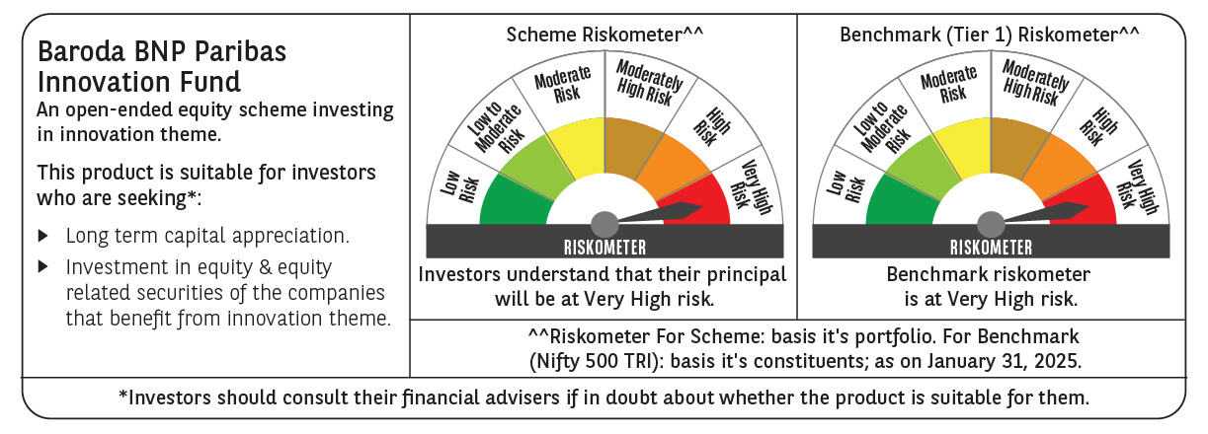
 | Baroda BNP Paribas Innovation Fund

 | Monthly Portfolio Statement as on January 31, 2025
 | Name of the Instrument | ISIN | Industry / Rating | Quantity | Market/Fair Value (Rs. in Lakhs) | % to Net Assets | YTM~ | YTC^ | null
 | Equity & Equity related
 | (a) Listed / awaiting listing on Stock Exchanges
INFS02 | Infosys Limited | INE009A01021 | IT - Software | 253,000 | 4,755.89 | 4.51%
IEIN01 | Info Edge (India) Limited | INE663F01024 | Retailing | 58,100 | 4,487.47 | 4.26%
BTVL02 | Bharti Airtel Limited | INE397D01024 | Telecom - Services | 247,358 | 4,022.78 | 3.82%
BOCL01 | Linde India Limited | INE473A01011 | Chemicals & Petrochemicals | 57,774 | 3,621.19 | 3.44%
SAEL02 | TVS Motor Company Limited | INE494B01023 | Automobiles | 133,000 | 3,269.01 | 3.10%
IBCL05 | ICICI Bank Limited | INE090A01021 | Banks | 255,000 | 3,194.64 | 3.03%
BSEL02 | BSE Limited | INE118H01025 | Capital Markets | 59,700 | 3,167.65 | 3.01%
MCEX01 | Multi Commodity Exchange of India Limited | INE745G01035 | Capital Markets | 54,000 | 3,095.79 | 2.94%
ABBP01 | Hitachi Energy India Limited | INE07Y701011 | Electrical Equipment | 23,297 | 2,996.82 | 2.84%
LAKM02 | Trent Limited | INE849A01020 | Retailing | 52,000 | 2,991.66 | 2.84%
TCSL01 | Tata Consultancy Services Limited | INE467B01029 | IT - Software | 72,400 | 2,977.38 | 2.82%
SPIL03 | Sun Pharmaceutical Industries Limited | INE044A01036 | Pharmaceuticals & Biotechnology | 170,000 | 2,964.72 | 2.81%
ZMPL01 | Zomato Limited | INE758T01015 | Retailing | 1,334,500 | 2,940.57 | 2.79%
ESMC02 | PB Fintech Limited | INE417T01026 | Financial Technology (Fintech) | 168,600 | 2,911.38 | 2.76%
ALLI02 | GE Vernova T&D India Limited | INE200A01026 | Electrical Equipment | 159,895 | 2,858.12 | 2.71%
DIXO02 | Dixon Technologies (India) Limited | INE935N01020 | Consumer Durables | 16,800 | 2,517.64 | 2.39%
MAUD01 | Maruti Suzuki India Limited | INE585B01010 | Automobiles | 20,000 | 2,462.13 | 2.34%
DIVI02 | Divi's Laboratories Limited | INE361B01024 | Pharmaceuticals & Biotechnology | 43,700 | 2,437.45 | 2.31%
JYCN01 | Jyoti CNC Automation Ltd | INE980O01024 | Industrial Manufacturing | 223,640 | 2,405.92 | 2.28%
NSDL02 | Protean eGov Technologies Limited | INE004A01022 | IT - Services | 158,279 | 2,403.62 | 2.28%
BEFS01 | Mrs. Bectors Food Specialities Limited | INE495P01012 | Food Products | 158,200 | 2,325.46 | 2.21%
PIIN03 | PI Industries Limited | INE603J01030 | Fertilizers & Agrochemicals | 63,500 | 2,212.18 | 2.10%
ASEA02 | ABB India Limited | INE117A01022 | Electrical Equipment | 35,600 | 2,091.38 | 1.98%
CAMS01 | Computer Age Management Services Limited | INE596I01012 | Capital Markets | 58,000 | 2,090.03 | 1.98%
BIRM01 | 3M India Limited | INE470A01017 | Diversified | 6,964 | 2,081.70 | 1.97%
RIND01 | Reliance Industries Limited | INE002A01018 | Petroleum Products | 164,000 | 2,074.76 | 1.97%
KPEL01 | KPIT Technologies Limited | INE04I401011 | IT - Software | 146,000 | 2,057.43 | 1.95%
IFEL01 | Oracle Financial Services Software Limited | INE881D01027 | IT - Software | 20,682 | 1,886.62 | 1.79%
TAHO01 | Honeywell Automation India Limited | INE671A01010 | Industrial Manufacturing | 4,500 | 1,821.25 | 1.73%
MAXI02 | Max Financial Services Limited | INE180A01020 | Insurance | 159,500 | 1,779.62 | 1.69%
TEGA01 | Tega Industries Limited | INE011K01018 | Industrial Manufacturing | 112,397 | 1,700.79 | 1.61%
TBOT01 | TBO Tek Limited | INE673O01025 | Leisure Services | 108,573 | 1,691.68 | 1.60%
JBCH03 | JB Chemicals & Pharmaceuticals Limited | INE572A01036 | Pharmaceuticals & Biotechnology | 89,621 | 1,580.82 | 1.50%
KFIN01 | KFin Technologies Limited | INE138Y01010 | Capital Markets | 140,000 | 1,526.35 | 1.45%
FSNE01 | FSN E-Commerce Ventures Limited | INE388Y01029 | Retailing | 890,000 | 1,503.21 | 1.43%
MAHI02 | Mahindra & Mahindra Limited | INE101A01026 | Automobiles | 50,000 | 1,494.93 | 1.42%
MOTI02 | Bosch Limited | INE323A01026 | Auto Components | 4,539 | 1,304.02 | 1.24%
CONB01 | Concord Biotech Limited | INE338H01029 | Pharmaceuticals & Biotechnology | 59,400 | 1,279.86 | 1.21%
AMRA03 | Amara Raja Energy & Mobility Ltd | INE885A01032 | Auto Components | 118,097 | 1,221.89 | 1.16%
SONB01 | Sona BLW Precision Forgings Limited | INE073K01018 | Auto Components | 213,676 | 1,077.57 | 1.02%
LATE01 | Latent View Analytics Limited | INE0I7C01011 | IT - Software | 245,002 | 1,073.48 | 1.02%
NGEL01 | NTPC Green Energy Limited | INE0ONG01011 | Power | 603,543 | 693.53 | 0.66%
AGBL01 | Angel One Limited | INE732I01013 | Capital Markets | 17,800 | 417.61 | 0.40%
 | Sub Total |  |  |  | 99,468.00 | 94.37%
 | (b) Unlisted |  |  |  | NIL | NIL
 | Sub Total |  |  |  | NIL | NIL
 | Total |  |  |  | 99,468.00 | 94.37%
 | Money Market Instruments
 | Treasury Bill
TBIL2404 | 364 Days Tbill (MD 10/07/2025) | IN002024Z156 | Sovereign | 1,000,000 | 972.00 | 0.92% | 6.61%
 | Sub Total |  |  |  | 972.00 | 0.92%
 | Total |  |  |  | 972.00 | 0.92%
 | Reverse Repo / TREPS
TRP_030225 | Clearing Corporation of India Ltd |  |  |  | 4,718.56 | 4.48% | 6.54%
 | Sub Total |  |  |  | 4,718.56 | 4.48%
 | Total |  |  |  | 4,718.56 | 4.48%
 | Net Receivables / (Payables) |  |  |  | 245.36 | 0.23%
 | GRAND TOTAL |  |  |  | 105,403.92 | 100.00%

 | ~ YTM as on January 31, 2025
 | ^ YTC represents Yield to Call provided by valuation agencies as on January 31, 2025. It is disclosed for Perpetual Bond issued by Banks (i.e. AT-1 Bond / Tier 1 Bond / Tier 2 Bond), as per AMFI Best Practices Guidelines Circular no. 135/BP/91/2020-21 read with SEBI circular No. SEBI/HO/IMD/DF4/CIR/P/2021/034 on Valuation of AT-1 Bonds and Tier 2 Bonds.

