Monthly Portfolio
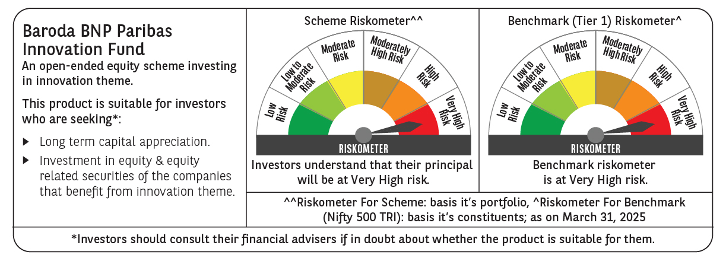
 | Baroda BNP Paribas Innovation Fund

 | Monthly Portfolio Statement as on March 31, 2025
 | Name of the Instrument | ISIN | Industry / Rating | Quantity | Market/Fair Value (Rs. in Lakhs) | % to Net Assets | YTM~ | YTC^ | null
 | Equity & Equity related
 | (a) Listed / awaiting listing on Stock Exchanges
BTVL02 | Bharti Airtel Limited | INE397D01024 | Telecom - Services | 247,358 | 4,287.70 | 4.40%
IEIN01 | Info Edge (India) Limited | INE663F01024 | Retailing | 52,600 | 3,777.42 | 3.88%
BOCL01 | Linde India Limited | INE473A01011 | Chemicals & Petrochemicals | 57,774 | 3,615.15 | 3.71%
IBCL05 | ICICI Bank Limited | INE090A01021 | Banks | 255,000 | 3,438.29 | 3.53%
SAEL02 | TVS Motor Company Limited | INE494B01023 | Automobiles | 133,000 | 3,218.40 | 3.31%
SPIL03 | Sun Pharmaceutical Industries Limited | INE044A01036 | Pharmaceuticals & Biotechnology | 170,000 | 2,948.99 | 3.03%
ESMC02 | PB Fintech Limited | INE417T01026 | Financial Technology (Fintech) | 184,600 | 2,934.68 | 3.01%
MCEX01 | Multi Commodity Exchange of India Limited | INE745G01035 | Capital Markets | 54,000 | 2,868.35 | 2.95%
ABBP01 | Hitachi Energy India Limited | INE07Y701011 | Electrical Equipment | 22,238 | 2,813.92 | 2.89%
DIVI02 | Divi's Laboratories Limited | INE361B01024 | Pharmaceuticals & Biotechnology | 43,700 | 2,523.87 | 2.59%
INFS02 | Infosys Limited | INE009A01021 | IT - Software | 156,750 | 2,461.99 | 2.53%
ZMPL01 | Zomato Limited | INE758T01015 | Retailing | 1,204,500 | 2,429.48 | 2.50%
BEFS01 | Mrs. Bectors Food Specialities Limited | INE495P01012 | Food Products | 158,200 | 2,311.93 | 2.37%
MAUD01 | Maruti Suzuki India Limited | INE585B01010 | Automobiles | 20,000 | 2,304.43 | 2.37%
KCUL02 | Cummins India Limited | INE298A01020 | Industrial Products | 75,200 | 2,294.99 | 2.36%
PRRC03 | Navin Fluorine International Limited | INE048G01026 | Chemicals & Petrochemicals | 52,000 | 2,189.64 | 2.25%
LAKM02 | Trent Limited | INE849A01020 | Retailing | 40,000 | 2,130.06 | 2.19%
RIND01 | Reliance Industries Limited | INE002A01018 | Petroleum Products | 164,000 | 2,091.16 | 2.15%
CONB01 | Concord Biotech Limited | INE338H01029 | Pharmaceuticals & Biotechnology | 122,471 | 2,058.25 | 2.11%
BAFL02 | Bajaj Finance Limited | INE296A01024 | Finance | 23,000 | 2,057.49 | 2.11%
BIRM01 | 3M India Limited | INE470A01017 | Diversified | 6,964 | 2,011.84 | 2.07%
JYCN01 | Jyoti CNC Automation Ltd | INE980O01024 | Industrial Manufacturing | 187,806 | 1,988.02 | 2.04%
ASEA02 | ABB India Limited | INE117A01022 | Electrical Equipment | 35,600 | 1,974.47 | 2.03%
KPEL01 | KPIT Technologies Limited | INE04I401011 | IT - Software | 146,000 | 1,908.88 | 1.96%
TCSL01 | Tata Consultancy Services Limited | INE467B01029 | IT - Software | 52,400 | 1,889.62 | 1.94%
MAXI02 | Max Financial Services Limited | INE180A01020 | Insurance | 159,500 | 1,830.58 | 1.88%
CAMS01 | Computer Age Management Services Limited | INE596I01012 | Capital Markets | 49,000 | 1,824.44 | 1.87%
ALLI02 | GE Vernova T&D India Limited | INE200A01026 | Electrical Equipment | 114,895 | 1,790.93 | 1.84%
NSDL02 | Protean eGov Technologies Limited | INE004A01022 | IT - Services | 124,279 | 1,666.33 | 1.71%
TEGA01 | Tega Industries Limited | INE011K01018 | Industrial Manufacturing | 112,397 | 1,658.64 | 1.70%
IFEL01 | Oracle Financial Services Software Limited | INE881D01027 | IT - Software | 20,682 | 1,623.72 | 1.67%
FSNE01 | FSN E-Commerce Ventures Limited | INE388Y01029 | Retailing | 890,000 | 1,593.81 | 1.64%
AMBE01 | Amber Enterprises India Limited | INE371P01015 | Consumer Durables | 22,000 | 1,586.39 | 1.63%
JBCH03 | JB Chemicals & Pharmaceuticals Limited | INE572A01036 | Pharmaceuticals & Biotechnology | 89,621 | 1,454.73 | 1.49%
KFIN01 | KFin Technologies Limited | INE138Y01010 | Capital Markets | 140,000 | 1,441.44 | 1.48%
TBOT01 | TBO Tek Limited | INE673O01025 | Leisure Services | 118,573 | 1,429.52 | 1.47%
TAHO01 | Honeywell Automation India Limited | INE671A01010 | Industrial Manufacturing | 4,000 | 1,347.38 | 1.38%
MAHI02 | Mahindra & Mahindra Limited | INE101A01026 | Automobiles | 50,000 | 1,332.90 | 1.37%
MOTI02 | Bosch Limited | INE323A01026 | Auto Components | 4,539 | 1,287.19 | 1.32%
PIIN03 | PI Industries Limited | INE603J01030 | Fertilizers & Agrochemicals | 36,500 | 1,251.29 | 1.29%
AMRA03 | Amara Raja Energy & Mobility Ltd | INE885A01032 | Auto Components | 118,097 | 1,184.87 | 1.22%
APLI04 | Hexaware Technologies Limited | INE093A01041 | IT - Software | 162,251 | 1,136.97 | 1.17%
DIXO02 | Dixon Technologies (India) Limited | INE935N01020 | Consumer Durables | 8,300 | 1,093.90 | 1.12%
SONB01 | Sona BLW Precision Forgings Limited | INE073K01018 | Auto Components | 213,676 | 985.47 | 1.01%
AGBL01 | Angel One Limited | INE732I01013 | Capital Markets | 30,800 | 712.47 | 0.73%
 | Sub Total |  |  |  | 92,761.99 | 95.27%
 | (b) Unlisted |  |  |  | NIL | NIL
 | Sub Total |  |  |  | NIL | NIL
 | Total |  |  |  | 92,761.99 | 95.27%
 | Derivatives
 | Index / Stock Futures
BHAHAPR25 | Bharat Heavy Electricals Limited April 2025 Future |  |  | 496,125 | 1,075.55 | 1.10%
 | Sub Total |  |  |  | 1,075.55 | 1.10%
 | Total |  |  |  | 1,075.55 | 1.10%
 | Money Market Instruments
 | Treasury Bill
TBIL2404 | 364 Days Tbill (MD 10/07/2025) | IN002024Z156 | Sovereign | 1,000,000 | 982.90 | 1.01% | 6.35%
 | Sub Total |  |  |  | 982.90 | 1.01%
 | Total |  |  |  | 982.90 | 1.01%
 | Reverse Repo / TREPS
TRP_020425 | Clearing Corporation of India Ltd |  |  |  | 4,303.75 | 4.42% | 6.68%
 | Sub Total |  |  |  | 4,303.75 | 4.42%
 | Total |  |  |  | 4,303.75 | 4.42%
 | Net Receivables / (Payables) |  |  |  | (1,766.54) | (1.80)%
 | GRAND TOTAL |  |  |  | 97,357.65 | 100.00%

 | ~ YTM as on March 31, 2025
 | ^ YTC represents Yield to Call provided by valuation agencies as on March 31, 2025. It is disclosed for Perpetual Bond issued by Banks (i.e. AT-1 Bond / Tier 1 Bond / Tier 2 Bond), as per AMFI Best Practices Guidelines Circular no. 135/BP/91/2020-21 read with SEBI circular No. SEBI/HO/IMD/DF4/CIR/P/2021/034 on Valuation of AT-1 Bonds and Tier 2 Bonds.
 | Details of Stock Future / Index Future
 | Long/Short | Name of the Instrument | Industry | Quantity. | Market/Fair Value (Rs. in Lacs). | % to NAV.
 | Long | Bharat Heavy Electricals Limited_24/04/2025 | Electrical Equipment | 496,125 | 1,075.55 | 1.10%

