T0ME34
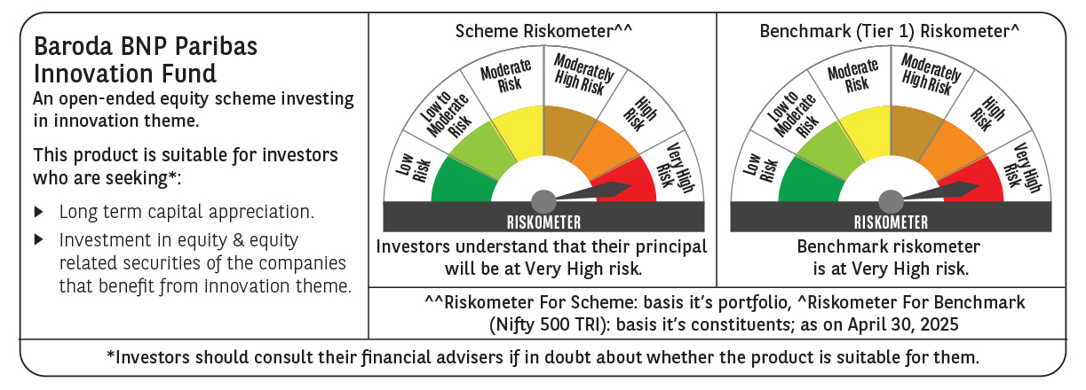
 | Baroda BNP Paribas Innovation Fund

 | Monthly Portfolio Statement as on April 30, 2025
 | Name of the Instrument | ISIN | Industry / Rating | Quantity | Market/Fair Value (Rs. in Lakhs) | % to Net Assets | YTM~ | YTC^ | null
 | Equity & Equity related
 | (a) Listed / awaiting listing on Stock Exchanges
BTVL02 | Bharti Airtel Limited | INE397D01024 | Telecom - Services | 214,858 | 4,006.03 | 4.08%
BOCL01 | Linde India Limited | INE473A01011 | Chemicals & Petrochemicals | 57,774 | 3,660.56 | 3.73%
IBCL05 | ICICI Bank Limited | INE090A01021 | Banks | 255,000 | 3,638.85 | 3.71%
SAEL02 | TVS Motor Company Limited | INE494B01023 | Automobiles | 133,000 | 3,553.76 | 3.62%
ABBP01 | Hitachi Energy India Limited | INE07Y701011 | Electrical Equipment | 22,238 | 3,230.96 | 3.29%
SPIL03 | Sun Pharmaceutical Industries Limited | INE044A01036 | Pharmaceuticals & Biotechnology | 170,000 | 3,114.91 | 3.17%
IEIN01 | Info Edge (India) Limited | INE663F01024 | Retailing | 42,600 | 3,011.61 | 3.07%
ESMC02 | PB Fintech Limited | INE417T01026 | Financial Technology (Fintech) | 184,600 | 3,000.30 | 3.06%
MCEX01 | Multi Commodity Exchange of India Limited | INE745G01035 | Capital Markets | 43,500 | 2,665.68 | 2.72%
ZMPL01 | Eternal Limited | INE758T01015 | Retailing | 1,144,500 | 2,661.19 | 2.71%
DIVI02 | Divi's Laboratories Limited | INE361B01024 | Pharmaceuticals & Biotechnology | 43,700 | 2,660.02 | 2.71%
BEFS01 | Mrs. Bectors Food Specialities Limited | INE495P01012 | Food Products | 158,200 | 2,357.65 | 2.40%
INFS02 | Infosys Limited | INE009A01021 | IT - Software | 156,750 | 2,351.41 | 2.40%
RIND01 | Reliance Industries Limited | INE002A01018 | Petroleum Products | 164,000 | 2,304.20 | 2.35%
KCUL02 | Cummins India Limited | INE298A01020 | Industrial Products | 75,200 | 2,177.34 | 2.22%
PRRC03 | Navin Fluorine International Limited | INE048G01026 | Chemicals & Petrochemicals | 46,800 | 2,116.11 | 2.16%
BIRM01 | 3M India Limited | INE470A01017 | Diversified | 6,964 | 2,096.86 | 2.14%
MAXI02 | Max Financial Services Limited | INE180A01020 | Insurance | 159,500 | 2,081.48 | 2.12%
MAHI02 | Mahindra & Mahindra Limited | INE101A01026 | Automobiles | 70,000 | 2,050.16 | 2.09%
JYCN01 | Jyoti CNC Automation Ltd | INE980O01024 | Industrial Manufacturing | 187,806 | 2,021.92 | 2.06%
BAFL02 | Bajaj Finance Limited | INE296A01024 | Finance | 23,000 | 1,985.94 | 2.02%
ASEA02 | ABB India Limited | INE117A01022 | Electrical Equipment | 35,600 | 1,966.01 | 2.00%
CAMS01 | Computer Age Management Services Limited | INE596I01012 | Capital Markets | 49,000 | 1,914.09 | 1.95%
CONB01 | Concord Biotech Limited | INE338H01029 | Pharmaceuticals & Biotechnology | 122,471 | 1,859.84 | 1.90%
KPEL01 | KPIT Technologies Limited | INE04I401011 | IT - Software | 146,000 | 1,830.26 | 1.86%
TCSL01 | Tata Consultancy Services Limited | INE467B01029 | IT - Software | 52,400 | 1,809.74 | 1.84%
IFEL01 | Oracle Financial Services Software Limited | INE881D01027 | IT - Software | 20,682 | 1,803.78 | 1.84%
FSNE01 | FSN E-Commerce Ventures Limited | INE388Y01029 | Retailing | 890,000 | 1,729.89 | 1.76%
NSDL02 | Protean eGov Technologies Limited | INE004A01022 | IT - Services | 124,279 | 1,628.68 | 1.66%
KFIN01 | KFin Technologies Limited | INE138Y01010 | Capital Markets | 130,000 | 1,556.88 | 1.59%
LAKM02 | Trent Limited | INE849A01020 | Retailing | 30,000 | 1,551.75 | 1.58%
TEGA01 | Tega Industries Limited | INE011K01018 | Industrial Manufacturing | 112,397 | 1,519.16 | 1.55%
JBCH03 | JB Chemicals & Pharmaceuticals Limited | INE572A01036 | Pharmaceuticals & Biotechnology | 89,621 | 1,445.05 | 1.47%
TAHO01 | Honeywell Automation India Limited | INE671A01010 | Industrial Manufacturing | 4,000 | 1,380.80 | 1.41%
DIXO02 | Dixon Technologies (India) Limited | INE935N01020 | Consumer Durables | 8,300 | 1,365.52 | 1.39%
AMBE01 | Amber Enterprises India Limited | INE371P01015 | Consumer Durables | 22,000 | 1,354.21 | 1.38%
MOTI02 | Bosch Limited | INE323A01026 | Auto Components | 4,539 | 1,336.96 | 1.36%
TBOT01 | TBO Tek Limited | INE673O01025 | Leisure Services | 118,573 | 1,331.93 | 1.36%
PIIN03 | PI Industries Limited | INE603J01030 | Fertilizers & Agrochemicals | 36,500 | 1,328.67 | 1.35%
APLI04 | Hexaware Technologies Limited | INE093A01041 | IT - Software | 162,251 | 1,134.95 | 1.16%
ACHI01 | Archean Chemical Industries Limited | INE128X01021 | Chemicals & Petrochemicals | 178,904 | 1,122.26 | 1.14%
MAUD01 | Maruti Suzuki India Limited | INE585B01010 | Automobiles | 7,500 | 919.28 | 0.94%
 | Sub Total |  |  |  | 88,636.65 | 90.32%
 | (b) Unlisted |  |  |  | NIL | NIL
 | Sub Total |  |  |  | NIL | NIL
 | Total |  |  |  | 88,636.65 | 90.32%
 | Derivatives
 | Index / Stock Futures
AGBLMAY25 | Angel One Limited May 2025 Future |  |  | 30,800 | 698.05 | 0.71%
 | Sub Total |  |  |  | 698.05 | 0.71%
 | Total |  |  |  | 698.05 | 0.71%
 | Money Market Instruments
 | Treasury Bill
TBIL2404 | 364 Days Tbill (MD 10/07/2025) | IN002024Z156 | Sovereign | 1,000,000 | 988.91 | 1.01% | 5.85%
 | Sub Total |  |  |  | 988.91 | 1.01%
 | Total |  |  |  | 988.91 | 1.01%
 | Reverse Repo / TREPS
TRP_020525 | Clearing Corporation of India Ltd |  |  |  | 8,880.86 | 9.05% | 5.94%
 | Sub Total |  |  |  | 8,880.86 | 9.05%
 | Total |  |  |  | 8,880.86 | 9.05%
 | Net Receivables / (Payables) |  |  |  | (1,065.93) | (1.09)%
 | GRAND TOTAL |  |  |  | 98,138.54 | 100.00%

 | ~ YTM as on April 30, 2025
 | ^ YTC represents Yield to Call provided by valuation agencies as on April 30, 2025. It is disclosed for Perpetual Bond issued by Banks (i.e. AT-1 Bond / Tier 1 Bond / Tier 2 Bond), as per AMFI Best Practices Guidelines Circular no. 135/BP/91/2020-21 read with SEBI circular No. SEBI/HO/IMD/DF4/CIR/P/2021/034 on Valuation of AT-1 Bonds and Tier 2 Bonds.
 | Details of Stock Future / Index Future
 | Long/Short | Name of the Instrument | Industry | Quantity. | Market/Fair Value (Rs. in Lacs). | % to NAV.
 | Long | Angel One Limited_29/05/2025 | Capital Markets | 30,800 | 698.05 | 0.71%

