T0ME34
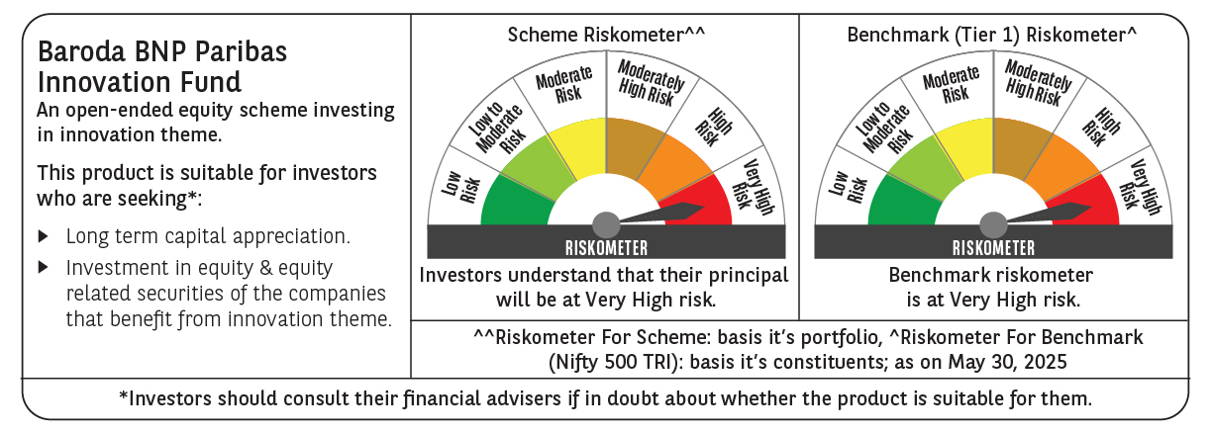
 | Baroda BNP Paribas Innovation Fund

 | Monthly Portfolio Statement as on May 31, 2025
 | Name of the Instrument | ISIN | Industry / Rating | Quantity | Market/Fair Value (Rs. in Lakhs) | % to Net Assets | YTM~ | YTC^ | null
 | Equity & Equity related
 | (a) Listed / awaiting listing on Stock Exchanges
BOCL01 | Linde India Limited | INE473A01011 | Chemicals & Petrochemicals | 57,774 | 4,336.23 | 4.35%
ABBP01 | Hitachi Energy India Limited | INE07Y701011 | Electrical Equipment | 21,138 | 4,079.21 | 4.09%
BTVL02 | Bharti Airtel Limited | INE397D01024 | Telecom - Services | 214,858 | 3,988.19 | 4.00%
SAEL02 | TVS Motor Company Limited | INE494B01023 | Automobiles | 133,000 | 3,698.46 | 3.71%
IBCL05 | ICICI Bank Limited | INE090A01021 | Banks | 255,000 | 3,686.79 | 3.70%
ESMC02 | PB Fintech Limited | INE417T01026 | Financial Technology (Fintech) | 184,600 | 3,251.91 | 3.26%
IEIN02 | Info Edge (India) Limited | INE663F01032 | Retailing | 213,000 | 3,040.58 | 3.05%
SPIL03 | Sun Pharmaceutical Industries Limited | INE044A01036 | Pharmaceuticals & Biotechnology | 170,000 | 2,851.92 | 2.86%
ZMPL01 | Eternal Limited | INE758T01015 | Retailing | 1,144,500 | 2,727.46 | 2.74%
DIVI02 | Divi's Laboratories Limited | INE361B01024 | Pharmaceuticals & Biotechnology | 39,200 | 2,591.90 | 2.60%
MCEX01 | Multi Commodity Exchange of India Limited | INE745G01035 | Capital Markets | 39,150 | 2,584.68 | 2.59%
KCUL02 | Cummins India Limited | INE298A01020 | Industrial Products | 75,200 | 2,457.61 | 2.47%
INFS02 | Infosys Limited | INE009A01021 | IT - Software | 156,750 | 2,449.53 | 2.46%
RIND01 | Reliance Industries Limited | INE002A01018 | Petroleum Products | 164,000 | 2,330.28 | 2.34%
BEFS01 | Mrs. Bectors Food Specialities Limited | INE495P01012 | Food Products | 158,200 | 2,308.30 | 2.32%
KPEL01 | KPIT Technologies Limited | INE04I401011 | IT - Software | 171,000 | 2,287.64 | 2.29%
JYCN01 | Jyoti CNC Automation Ltd | INE980O01024 | Industrial Manufacturing | 168,806 | 2,187.05 | 2.19%
ONCO02 | One 97 Communications Limited | INE982J01020 | Financial Technology (Fintech) | 245,000 | 2,181.60 | 2.19%
MAXI02 | Max Financial Services Limited | INE180A01020 | Insurance | 143,500 | 2,156.37 | 2.16%
CONB01 | Concord Biotech Limited | INE338H01029 | Pharmaceuticals & Biotechnology | 122,471 | 2,141.41 | 2.15%
PRRC03 | Navin Fluorine International Limited | INE048G01026 | Chemicals & Petrochemicals | 49,800 | 2,122.08 | 2.13%
BAFL02 | Bajaj Finance Limited | INE296A01024 | Finance | 23,000 | 2,111.52 | 2.12%
BIRM01 | 3M India Limited | INE470A01017 | Diversified | 6,964 | 2,038.71 | 2.04%
CAMS01 | Computer Age Management Services Limited | INE596I01012 | Capital Markets | 49,000 | 1,940.94 | 1.95%
MAHI02 | Mahindra & Mahindra Limited | INE101A01026 | Automobiles | 63,000 | 1,875.38 | 1.88%
TEGA01 | Tega Industries Limited | INE011K01018 | Industrial Manufacturing | 112,397 | 1,854.55 | 1.86%
FSNE01 | FSN E-Commerce Ventures Limited | INE388Y01029 | Retailing | 890,000 | 1,809.01 | 1.81%
IFEL01 | Oracle Financial Services Software Limited | INE881D01027 | IT - Software | 20,682 | 1,750.21 | 1.76%
LAKM02 | Trent Limited | INE849A01020 | Retailing | 30,000 | 1,693.05 | 1.70%
TBOT01 | TBO Tek Limited | INE673O01025 | Leisure Services | 118,573 | 1,547.02 | 1.55%
TAHO01 | Honeywell Automation India Limited | INE671A01010 | Industrial Manufacturing | 4,000 | 1,541.20 | 1.55%
JBCH03 | JB Chemicals & Pharmaceuticals Limited | INE572A01036 | Pharmaceuticals & Biotechnology | 89,621 | 1,502.32 | 1.51%
AMBE01 | Amber Enterprises India Limited | INE371P01015 | Consumer Durables | 22,000 | 1,428.13 | 1.43%
MOTI02 | Bosch Limited | INE323A01026 | Auto Components | 4,539 | 1,425.93 | 1.43%
KFIN01 | KFin Technologies Limited | INE138Y01010 | Capital Markets | 130,000 | 1,402.31 | 1.41%
ACHI01 | Archean Chemical Industries Limited | INE128X01021 | Chemicals & Petrochemicals | 223,904 | 1,401.64 | 1.41%
APLI04 | Hexaware Technologies Limited | INE093A01041 | IT - Software | 162,251 | 1,391.30 | 1.40%
PFIZ01 | Pfizer Limited | INE182A01018 | Pharmaceuticals & Biotechnology | 22,879 | 1,284.27 | 1.29%
SAGI01 | Sagility India Limited | INE0W2G01015 | IT - Services | 3,000,000 | 1,185.90 | 1.19%
DIXO02 | Dixon Technologies (India) Limited | INE935N01020 | Consumer Durables | 7,000 | 1,028.44 | 1.03%
PIIN03 | PI Industries Limited | INE603J01030 | Fertilizers & Agrochemicals | 26,500 | 1,013.28 | 1.02%
MAUD01 | Maruti Suzuki India Limited | INE585B01010 | Automobiles | 7,500 | 923.93 | 0.93%
 | Sub Total |  |  |  | 91,608.24 | 91.92%
 | (b) Unlisted |  |  |  | NIL | NIL
 | Sub Total |  |  |  | NIL | NIL
 | Total |  |  |  | 91,608.24 | 91.92%
 | Derivatives
 | Index / Stock Futures
ZMPLJUN25 | Eternal Limited June 2025 Future |  |  | 200,000 | 479.82 | 0.48%
 | Sub Total |  |  |  | 479.82 | 0.48%
 | Total |  |  |  | 479.82 | 0.48%
 | Money Market Instruments
 | Treasury Bill
TBIL2404 | 364 Days Tbill (MD 10/07/2025) | IN002024Z156 | Sovereign | 1,000,000 | 994.05 | 1.00% | 5.60%
 | Sub Total |  |  |  | 994.05 | 1.00%
 | Total |  |  |  | 994.05 | 1.00%
 | Reverse Repo / TREPS
TRP_020625 | Clearing Corporation of India Ltd |  |  |  | 8,009.47 | 8.03% | 5.77%
 | Sub Total |  |  |  | 8,009.47 | 8.03%
 | Total |  |  |  | 8,009.47 | 8.03%
 | Net Receivables / (Payables) |  |  |  | (1,396.65) | (1.43)%
 | GRAND TOTAL |  |  |  | 99,694.93 | 100.00%

 | ~ YTM as on May 31, 2025
 | ^ YTC represents Yield to Call provided by valuation agencies as on May 31, 2025. It is disclosed for Perpetual Bond issued by Banks (i.e. AT-1 Bond / Tier 1 Bond / Tier 2 Bond), as per AMFI Best Practices Guidelines Circular no. 135/BP/91/2020-21 read with SEBI circular No. SEBI/HO/IMD/DF4/CIR/P/2021/034 on Valuation of AT-1 Bonds and Tier 2 Bonds.
 | Details of Stock Future / Index Future
 | Long/Short | Name of the Instrument | Industry | Quantity. | Market/Fair Value (Rs. in Lacs). | % to NAV.
 | Long | Eternal Limited_26/06/2025 | Retailing | 200,000 | 479.82 | 0.48%

