T0ME34
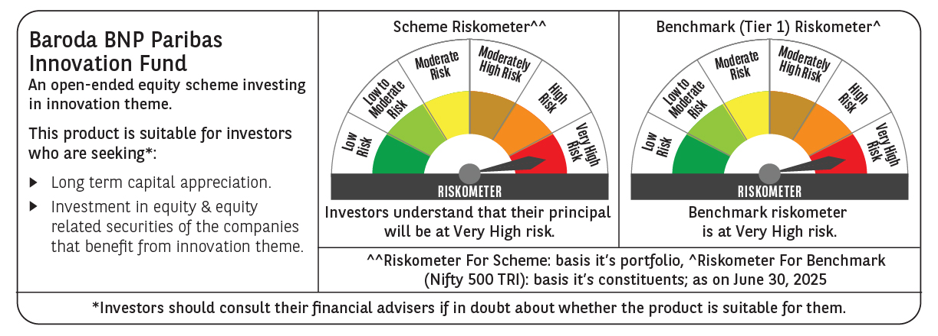
 | Baroda BNP Paribas Innovation Fund

 | Monthly Portfolio Statement as on June 30, 2025
 | Name of the Instrument | ISIN | Industry / Rating | Quantity | Market/Fair Value (Rs. in Lakhs) | % to Net Assets | YTM~ | YTC^ | null
 | Equity & Equity related
 | (a) Listed / awaiting listing on Stock Exchanges
BTVL02 | Bharti Airtel Limited | INE397D01024 | Telecom - Services | 214,858 | 4,317.79 | 4.29%
BOCL01 | Linde India Limited | INE473A01011 | Chemicals & Petrochemicals | 57,774 | 3,845.15 | 3.82%
ABBP01 | Hitachi Energy India Limited | INE07Y701011 | Electrical Equipment | 19,024 | 3,806.13 | 3.79%
IBCL05 | ICICI Bank Limited | INE090A01021 | Banks | 255,000 | 3,686.79 | 3.67%
SAEL02 | TVS Motor Company Limited | INE494B01023 | Automobiles | 118,000 | 3,443.24 | 3.42%
ESMC02 | PB Fintech Limited | INE417T01026 | Financial Technology (Fintech) | 184,600 | 3,366.92 | 3.35%
ZMPL01 | Eternal Limited | INE758T01015 | Retailing | 1,144,500 | 3,023.20 | 3.01%
SPIL03 | Sun Pharmaceutical Industries Limited | INE044A01036 | Pharmaceuticals & Biotechnology | 170,000 | 2,848.69 | 2.83%
IEIN02 | Info Edge (India) Limited | INE663F01032 | Retailing | 181,000 | 2,693.82 | 2.68%
DIVI02 | Divi's Laboratories Limited | INE361B01024 | Pharmaceuticals & Biotechnology | 39,200 | 2,669.32 | 2.66%
KCUL02 | Cummins India Limited | INE298A01020 | Industrial Products | 75,200 | 2,556.35 | 2.54%
INFS02 | Infosys Limited | INE009A01021 | IT - Software | 156,750 | 2,510.82 | 2.50%
ONCO02 | One 97 Communications Limited | INE982J01020 | Financial Technology (Fintech) | 270,000 | 2,494.80 | 2.48%
RIND01 | Reliance Industries Limited | INE002A01018 | Petroleum Products | 164,000 | 2,460.98 | 2.45%
MCEX01 | Multi Commodity Exchange of India Limited | INE745G01035 | Capital Markets | 27,225 | 2,435.00 | 2.42%
KFIN01 | KFin Technologies Limited | INE138Y01010 | Capital Markets | 180,000 | 2,425.86 | 2.41%
PRRC03 | Navin Fluorine International Limited | INE048G01026 | Chemicals & Petrochemicals | 49,800 | 2,400.41 | 2.39%
MAXI02 | Max Financial Services Limited | INE180A01020 | Insurance | 143,500 | 2,363.59 | 2.35%
BEFS01 | Mrs. Bectors Food Specialities Limited | INE495P01012 | Food Products | 158,200 | 2,161.96 | 2.15%
BAFL03 | Bajaj Finance Limited | INE296A01032 | Finance | 230,000 | 2,153.95 | 2.14%
CONB01 | Concord Biotech Limited | INE338H01029 | Pharmaceuticals & Biotechnology | 116,321 | 2,139.84 | 2.13%
CAMS01 | Computer Age Management Services Limited | INE596I01012 | Capital Markets | 49,000 | 2,102.20 | 2.09%
MAHI02 | Mahindra & Mahindra Limited | INE101A01026 | Automobiles | 63,000 | 2,005.42 | 1.99%
BIRM01 | 3M India Limited | INE470A01017 | Diversified | 6,964 | 1,984.74 | 1.97%
LAKM02 | Trent Limited | INE849A01020 | Retailing | 30,000 | 1,865.25 | 1.86%
IFEL01 | Oracle Financial Services Software Limited | INE881D01027 | IT - Software | 20,682 | 1,858.48 | 1.85%
FSNE01 | FSN E-Commerce Ventures Limited | INE388Y01029 | Retailing | 890,000 | 1,854.67 | 1.84%
BLTE01 | Swiggy Limited | INE00H001014 | Retailing | 450,000 | 1,801.80 | 1.79%
TEGA01 | Tega Industries Limited | INE011K01018 | Industrial Manufacturing | 112,397 | 1,750.81 | 1.74%
INAV01 | InterGlobe Aviation Limited | INE646L01027 | Transport Services | 26,500 | 1,583.77 | 1.58%
TAHO01 | Honeywell Automation India Limited | INE671A01010 | Industrial Manufacturing | 4,000 | 1,574.20 | 1.57%
KPEL01 | KPIT Technologies Limited | INE04I401011 | IT - Software | 121,000 | 1,523.03 | 1.51%
JBCH03 | JB Chemicals & Pharmaceuticals Limited | INE572A01036 | Pharmaceuticals & Biotechnology | 89,621 | 1,505.01 | 1.50%
JYCN01 | Jyoti CNC Automation Ltd | INE980O01024 | Industrial Manufacturing | 141,672 | 1,500.31 | 1.49%
AMBE01 | Amber Enterprises India Limited | INE371P01015 | Consumer Durables | 22,000 | 1,489.29 | 1.48%
MOTI02 | Bosch Limited | INE323A01026 | Auto Components | 4,539 | 1,483.35 | 1.48%
HYUN01 | Hyundai Motor India Ltd | INE0V6F01027 | Automobiles | 65,000 | 1,442.81 | 1.44%
ACHI01 | Archean Chemical Industries Limited | INE128X01021 | Chemicals & Petrochemicals | 223,904 | 1,416.42 | 1.41%
APLI04 | Hexaware Technologies Limited | INE093A01041 | IT - Software | 162,251 | 1,380.03 | 1.37%
TBOT01 | TBO Tek Limited | INE673O01025 | Leisure Services | 98,073 | 1,372.73 | 1.37%
PFIZ01 | Pfizer Limited | INE182A01018 | Pharmaceuticals & Biotechnology | 22,879 | 1,298.96 | 1.29%
SAGI01 | Sagility India Limited | INE0W2G01015 | IT - Services | 3,000,000 | 1,236.30 | 1.23%
PIIN03 | PI Industries Limited | INE603J01030 | Fertilizers & Agrochemicals | 26,500 | 1,087.75 | 1.08%
SOKO03 | Jtekt India Limited | INE643A01035 | Auto Components | 600,000 | 873.18 | 0.87%
 | Sub Total |  |  |  | 95,795.12 | 95.28%
 | (b) Unlisted |  |  |  | NIL | NIL
 | Sub Total |  |  |  | NIL | NIL
 | Total |  |  |  | 95,795.12 | 95.28%
 | Derivatives
 | Index / Stock Futures
BNIFYJUL25 | Bank Nifty Index July 2025 Future |  |  | 1,715 | 987.04 | 0.98%
 | Sub Total |  |  |  | 987.04 | 0.98%
 | Total |  |  |  | 987.04 | 0.98%
 | Money Market Instruments
 | Treasury Bill
TBIL2404 | 364 Days Tbill (MD 10/07/2025) | IN002024Z156 | Sovereign | 1,000,000 | 998.69 | 0.99% | 5.32%
 | Sub Total |  |  |  | 998.69 | 0.99%
 | Total |  |  |  | 998.69 | 0.99%
 | Reverse Repo / TREPS
TRP_010725 | Clearing Corporation of India Ltd |  |  |  | 3,459.47 | 3.44% | 5.47%
 | Sub Total |  |  |  | 3,459.47 | 3.44%
 | Total |  |  |  | 3,459.47 | 3.44%
 | Net Receivables / (Payables) |  |  |  | (701.27) | (0.69)%
 | GRAND TOTAL |  |  |  | 100,539.05 | 100.00%

 | ~ YTM as on June 30, 2025
 | ^ YTC represents Yield to Call provided by valuation agencies as on June 30, 2025. It is disclosed for Perpetual Bond issued by Banks (i.e. AT-1 Bond / Tier 1 Bond / Tier 2 Bond), as per AMFI Best Practices Guidelines Circular no. 135/BP/91/2020-21 read with SEBI circular No. SEBI/HO/IMD/DF4/CIR/P/2021/034 on Valuation of AT-1 Bonds and Tier 2 Bonds.
 | Details of Stock Future / Index Future
 | Long/Short | Name of the Instrument | Industry | Quantity. | Market/Fair Value (Rs. in Lacs). | % to NAV.
 | Long | Bank Nifty Index_31/07/2025 | Index | 1,715 | 987.04 | 0.98%

