T0ME34
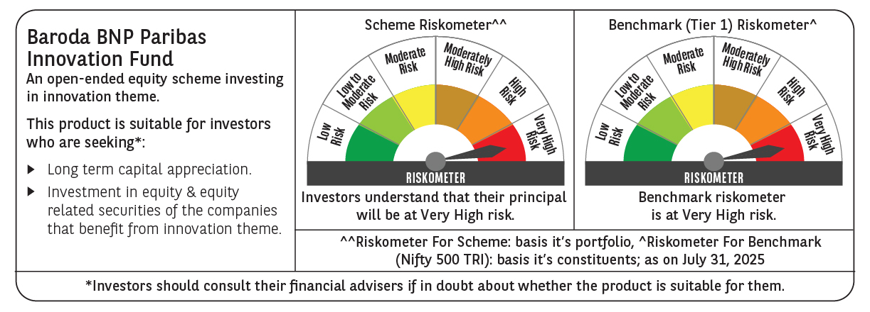
 | Baroda BNP Paribas Innovation Fund

 | Monthly Portfolio Statement as on July 31, 2025
 | Name of the Instrument | ISIN | Industry / Rating | Quantity | Market/Fair Value (Rs. in Lakhs) | % to Net Assets | YTM~ | YTC^ | null
 | Equity & Equity related
 | (a) Listed / awaiting listing on Stock Exchanges
BTVL02 | Bharti Airtel Limited | INE397D01024 | Telecom - Services | 213,108 | 4,079.53 | 4.18%
ABBP01 | Hitachi Energy India Limited | INE07Y701011 | Electrical Equipment | 19,124 | 3,842.97 | 3.94%
BOCL01 | Linde India Limited | INE473A01011 | Chemicals & Petrochemicals | 57,774 | 3,797.77 | 3.89%
IBCL05 | ICICI Bank Limited | INE090A01021 | Banks | 255,000 | 3,777.57 | 3.87%
ZMPL01 | Eternal Limited | INE758T01015 | Retailing | 1,194,500 | 3,676.67 | 3.77%
ESMC02 | PB Fintech Limited | INE417T01026 | Financial Technology (Fintech) | 184,600 | 3,345.14 | 3.43%
SAEL02 | TVS Motor Company Limited | INE494B01023 | Automobiles | 118,000 | 3,306.12 | 3.39%
ONCO02 | One 97 Communications Limited | INE982J01020 | Financial Technology (Fintech) | 270,000 | 2,941.25 | 3.01%
SPIL03 | Sun Pharmaceutical Industries Limited | INE044A01036 | Pharmaceuticals & Biotechnology | 170,000 | 2,901.39 | 2.97%
KCUL02 | Cummins India Limited | INE298A01020 | Industrial Products | 75,200 | 2,673.74 | 2.74%
DIVI02 | Divi's Laboratories Limited | INE361B01024 | Pharmaceuticals & Biotechnology | 39,200 | 2,585.44 | 2.65%
IEIN02 | Info Edge (India) Limited | INE663F01032 | Retailing | 181,000 | 2,520.06 | 2.58%
PRRC03 | Navin Fluorine International Limited | INE048G01026 | Chemicals & Petrochemicals | 49,800 | 2,513.80 | 2.57%
BEFS01 | Mrs. Bectors Food Specialities Limited | INE495P01012 | Food Products | 158,200 | 2,390.88 | 2.45%
MAXI02 | Max Financial Services Limited | INE180A01020 | Insurance | 143,500 | 2,154.51 | 2.21%
AMBE01 | Amber Enterprises India Limited | INE371P01015 | Consumer Durables | 27,000 | 2,150.15 | 2.20%
BIRM01 | 3M India Limited | INE470A01017 | Diversified | 6,964 | 2,141.78 | 2.19%
BLTE01 | Swiggy Limited | INE00H001014 | Retailing | 530,000 | 2,139.88 | 2.19%
MCEX01 | Multi Commodity Exchange of India Limited | INE745G01035 | Capital Markets | 27,225 | 2,094.42 | 2.15%
CONB01 | Concord Biotech Limited | INE338H01029 | Pharmaceuticals & Biotechnology | 116,321 | 2,055.74 | 2.11%
RIND01 | Reliance Industries Limited | INE002A01018 | Petroleum Products | 147,600 | 2,051.94 | 2.10%
TEGA01 | Tega Industries Limited | INE011K01018 | Industrial Manufacturing | 106,797 | 2,035.55 | 2.08%
BAFL03 | Bajaj Finance Limited | INE296A01032 | Finance | 230,000 | 2,026.76 | 2.08%
MAHI02 | Mahindra & Mahindra Limited | INE101A01026 | Automobiles | 63,000 | 2,017.95 | 2.07%
KFIN01 | KFin Technologies Limited | INE138Y01010 | Capital Markets | 180,000 | 1,949.22 | 2.00%
INFS02 | Infosys Limited | INE009A01021 | IT - Software | 125,750 | 1,897.57 | 1.94%
FSNE01 | FSN E-Commerce Ventures Limited | INE388Y01029 | Retailing | 890,000 | 1,865.62 | 1.91%
MOTI02 | Bosch Limited | INE323A01026 | Auto Components | 4,539 | 1,833.08 | 1.88%
CAMS01 | Computer Age Management Services Limited | INE596I01012 | Capital Markets | 49,000 | 1,831.03 | 1.88%
TRFO01 | Travel Food Services Limited | INE103V01028 | Leisure Services | 175,000 | 1,830.15 | 1.87%
INAV01 | InterGlobe Aviation Limited | INE646L01027 | Transport Services | 26,500 | 1,566.28 | 1.60%
TAHO01 | Honeywell Automation India Limited | INE671A01010 | Industrial Manufacturing | 4,000 | 1,550.80 | 1.59%
LAKM02 | Trent Limited | INE849A01020 | Retailing | 30,000 | 1,505.40 | 1.54%
ACHI01 | Archean Chemical Industries Limited | INE128X01021 | Chemicals & Petrochemicals | 223,904 | 1,488.51 | 1.52%
KPEL01 | KPIT Technologies Limited | INE04I401011 | IT - Software | 121,000 | 1,483.94 | 1.52%
HYUN01 | Hyundai Motor India Ltd | INE0V6F01027 | Automobiles | 65,000 | 1,398.67 | 1.43%
SAGI01 | Sagility India Limited | INE0W2G01015 | IT - Services | 3,000,000 | 1,398.60 | 1.43%
TBOT01 | TBO Tek Limited | INE673O01025 | Leisure Services | 98,073 | 1,328.50 | 1.36%
PFIZ01 | Pfizer Limited | INE182A01018 | Pharmaceuticals & Biotechnology | 22,879 | 1,188.45 | 1.22%
APLI04 | Hexaware Technologies Limited | INE093A01041 | IT - Software | 162,251 | 1,142.25 | 1.17%
PIIN03 | PI Industries Limited | INE603J01030 | Fertilizers & Agrochemicals | 26,500 | 1,126.49 | 1.15%
SOKO03 | Jtekt India Limited | INE643A01035 | Auto Components | 600,000 | 773.88 | 0.79%
SONB01 | Sona BLW Precision Forgings Limited | INE073K01018 | Auto Components | 100,000 | 449.55 | 0.46%
SOKO03RF | Jtekt India Limited- Rights share** | INE643A20019 | Auto Components | 54,545 | 11.39 | 0.01%
 | Sub Total |  |  |  | 92,840.39 | 95.09%
 | (b) Unlisted |  |  |  | NIL | NIL
 | Sub Total |  |  |  | NIL | NIL
 | Total |  |  |  | 92,840.39 | 95.09%
 | Derivatives
 | Index / Stock Futures
INFSAUG25 | Infosys Limited August 2025 Future |  |  | 30,000 | 454.50 | 0.47%
 | Sub Total |  |  |  | 454.50 | 0.47%
 | Total |  |  |  | 454.50 | 0.47%
 | Money Market Instruments
 | Treasury Bill
TBIL2501 | 182 Days Tbill (MD 23/10/2025) | IN002025Y040 | Sovereign | 1,000,000 | 987.91 | 1.01% | 5.38%
 | Sub Total |  |  |  | 987.91 | 1.01%
 | Total |  |  |  | 987.91 | 1.01%
 | Reverse Repo / TREPS
TRP_010825 | Clearing Corporation of India Ltd |  |  |  | 2,397.82 | 2.46% | 5.42%
 | Sub Total |  |  |  | 2,397.82 | 2.46%
 | Total |  |  |  | 2,397.82 | 2.46%
 | Net Receivables / (Payables) |  |  |  | 954.03 | 0.97%
 | GRAND TOTAL |  |  |  | 97,634.65 | 100.00%

 | ** Thinly Traded / Non Traded Security
 | ~ YTM as on July 31, 2025
 | ^ YTC represents Yield to Call provided by valuation agencies as on July 31, 2025. It is disclosed for Perpetual Bond issued by Banks (i.e. AT-1 Bond / Tier 1 Bond / Tier 2 Bond), as per AMFI Best Practices Guidelines Circular no. 135/BP/91/2020-21 read with SEBI circular No. SEBI/HO/IMD/DF4/CIR/P/2021/034 on Valuation of AT-1 Bonds and Tier 2 Bonds.
 | Details of Stock Future / Index Future
 | Long/Short | Name of the Instrument | Industry | Quantity. | Market/Fair Value (Rs. in Lacs). | % to NAV.
 | Long | Infosys Limited_28/08/2025 | IT - Software | 30,000 | 454.50 | 0.47%

