T0ME34
 | Baroda BNP Paribas Innovation Fund

 | Monthly Portfolio Statement as on August 31, 2025
 | Name of the Instrument | ISIN | Industry / Rating | Quantity | Market/Fair Value (Rs. in Lakhs) | % to Net Assets | YTM~ | YTC^ | null
 | Equity & Equity related
 | (a) Listed / awaiting listing on Stock Exchanges
BTVL02 | Bharti Airtel Limited | INE397D01024 | Telecom - Services | 213,108 | 4,025.18 | 4.20%
SAEL02 | TVS Motor Company Limited | INE494B01023 | Automobiles | 118,000 | 3,866.39 | 4.04%
ZMPL01 | Eternal Limited | INE758T01015 | Retailing | 1,194,500 | 3,750.13 | 3.92%
BOCL01 | Linde India Limited | INE473A01011 | Chemicals & Petrochemicals | 57,774 | 3,685.11 | 3.85%
ABBP01 | Hitachi Energy India Limited | INE07Y701011 | Electrical Equipment | 19,124 | 3,654.60 | 3.82%
IBCL05 | ICICI Bank Limited | INE090A01021 | Banks | 255,000 | 3,564.39 | 3.72%
ESMC02 | PB Fintech Limited | INE417T01026 | Financial Technology (Fintech) | 184,600 | 3,268.90 | 3.41%
ONCO02 | One 97 Communications Limited | INE982J01020 | Financial Technology (Fintech) | 270,000 | 3,258.90 | 3.40%
KCUL02 | Cummins India Limited | INE298A01020 | Industrial Products | 75,200 | 2,877.30 | 3.00%
SPIL03 | Sun Pharmaceutical Industries Limited | INE044A01036 | Pharmaceuticals & Biotechnology | 170,000 | 2,710.65 | 2.83%
IEIN02 | Info Edge (India) Limited | INE663F01032 | Retailing | 181,000 | 2,458.16 | 2.57%
DIVI02 | Divi's Laboratories Limited | INE361B01024 | Pharmaceuticals & Biotechnology | 39,200 | 2,403.55 | 2.51%
PRRC03 | Navin Fluorine International Limited | INE048G01026 | Chemicals & Petrochemicals | 49,800 | 2,334.38 | 2.44%
MAXI02 | Max Financial Services Limited | INE180A01020 | Insurance | 143,500 | 2,299.16 | 2.40%
TRFO01 | Travel Food Services Limited | INE103V01028 | Leisure Services | 175,000 | 2,191.88 | 2.29%
CAMS01 | Computer Age Management Services Limited | INE596I01012 | Capital Markets | 59,000 | 2,186.07 | 2.28%
BLTE01 | Swiggy Limited | INE00H001014 | Retailing | 530,000 | 2,171.68 | 2.27%
BIRM01 | 3M India Limited | INE470A01017 | Diversified | 6,964 | 2,142.13 | 2.24%
FSNE01 | FSN E-Commerce Ventures Limited | INE388Y01029 | Retailing | 890,000 | 2,048.34 | 2.14%
BAFL03 | Bajaj Finance Limited | INE296A01032 | Finance | 230,000 | 2,019.06 | 2.11%
MAHI02 | Mahindra & Mahindra Limited | INE101A01026 | Automobiles | 63,000 | 2,015.69 | 2.10%
MCEX01 | Multi Commodity Exchange of India Limited | INE745G01035 | Capital Markets | 27,225 | 2,011.93 | 2.10%
RIND01 | Reliance Industries Limited | INE002A01018 | Petroleum Products | 147,600 | 2,003.23 | 2.09%
TEGA01 | Tega Industries Limited | INE011K01018 | Industrial Manufacturing | 106,797 | 1,972.43 | 2.06%
AMBE01 | Amber Enterprises India Limited | INE371P01015 | Consumer Durables | 27,000 | 1,962.23 | 2.05%
CONB01 | Concord Biotech Limited | INE338H01029 | Pharmaceuticals & Biotechnology | 116,321 | 1,956.17 | 2.04%
INAV01 | InterGlobe Aviation Limited | INE646L01027 | Transport Services | 34,500 | 1,947.87 | 2.03%
KFIN01 | KFin Technologies Limited | INE138Y01010 | Capital Markets | 180,000 | 1,838.16 | 1.92%
MOTI02 | Bosch Limited | INE323A01026 | Auto Components | 4,539 | 1,813.78 | 1.89%
HYUN01 | Hyundai Motor India Ltd | INE0V6F01027 | Automobiles | 65,000 | 1,599.26 | 1.67%
LAKM02 | Trent Limited | INE849A01020 | Retailing | 30,000 | 1,589.40 | 1.66%
TAHO01 | Honeywell Automation India Limited | INE671A01010 | Industrial Manufacturing | 4,000 | 1,549.60 | 1.62%
SAGI01 | Sagility India Limited | INE0W2G01015 | IT - Services | 3,500,000 | 1,535.45 | 1.60%
ACHI01 | Archean Chemical Industries Limited | INE128X01021 | Chemicals & Petrochemicals | 223,904 | 1,469.59 | 1.53%
KPEL01 | KPIT Technologies Limited | INE04I401011 | IT - Software | 121,000 | 1,440.51 | 1.50%
INFS02 | Infosys Limited | INE009A01021 | IT - Software | 95,750 | 1,407.14 | 1.47%
TBOT01 | TBO Tek Limited | INE673O01025 | Leisure Services | 98,073 | 1,282.11 | 1.34%
APLI04 | Hexaware Technologies Limited | INE093A01041 | IT - Software | 162,251 | 1,229.46 | 1.28%
PFIZ01 | Pfizer Limited | INE182A01018 | Pharmaceuticals & Biotechnology | 22,879 | 1,179.64 | 1.23%
SOKO03 | Jtekt India Limited | INE643A01035 | Auto Components | 762,768 | 1,028.44 | 1.07%
PIIN03 | PI Industries Limited | INE603J01030 | Fertilizers & Agrochemicals | 26,500 | 979.12 | 1.02%
SONB01 | Sona BLW Precision Forgings Limited | INE073K01018 | Auto Components | 100,000 | 443.05 | 0.46%
 | Sub Total |  |  |  | 91,170.22 | 95.17%

SAEL21PS | TVS Motor Company Limited (Preference Share) ** |  | Automobiles | 472,000 | 47.20 | 0.05%
 | Sub Total |  |  |  | 47.20 | 0.05%
 | (b) Unlisted |  |  |  | NIL | NIL
 | Sub Total |  |  |  | NIL | NIL
 | Total |  |  |  | 91,217.42 | 95.22%
 | Derivatives
 | Index / Stock Futures
TEMASEP25 | Tech Mahindra Limited September 2025 Future |  |  | 63,000 | 939.02 | 0.98%
INFSSEP25 | Infosys Limited September 2025 Future |  |  | 50,000 | 737.85 | 0.77%
 | Sub Total |  |  |  | 1,676.87 | 1.75%
 | Total |  |  |  | 1,676.87 | 1.75%
 | Money Market Instruments
 | Treasury Bill
TBIL2501 | 182 Days Tbill (MD 23/10/2025) | IN002025Y040 | Sovereign | 1,000,000 | 992.25 | 1.04% | 5.48%
 | Sub Total |  |  |  | 992.25 | 1.04%
 | Total |  |  |  | 992.25 | 1.04%
 | Reverse Repo / TREPS
TRP_010925 | Clearing Corporation of India Ltd |  |  |  | 3,885.63 | 4.06% | 5.39%
 | Sub Total |  |  |  | 3,885.63 | 4.06%
 | Total |  |  |  | 3,885.63 | 4.06%
 | Net Receivables / (Payables) |  |  |  | (2,002.56) | (2.07)%
 | GRAND TOTAL |  |  |  | 95,769.61 | 100.00%

 | ** Thinly Traded / Non Traded Security
 | ~ YTM as on August 31, 2025
 | ^ YTC represents Yield to Call provided by valuation agencies as on August 31, 2025. It is disclosed for Perpetual Bond issued by Banks (i.e. AT-1 Bond / Tier 1 Bond / Tier 2 Bond), as per AMFI Best Practices Guidelines Circular no. 135/BP/91/2020-21 read with SEBI circular No. SEBI/HO/IMD/DF4/CIR/P/2021/034 on Valuation of AT-1 Bonds and Tier 2 Bonds.
 | Details of Stock Future / Index Future
 | Long/Short | Name of the Instrument | Industry | Quantity. | Market/Fair Value (Rs. in Lacs). | % to NAV.
 | Long | Tech Mahindra Limited_30/09/2025 | IT - Software | 63,000 | 939.02 | 0.98%
 | Long | Infosys Limited_30/09/2025 | IT - Software | 50,000 | 737.85 | 0.77%

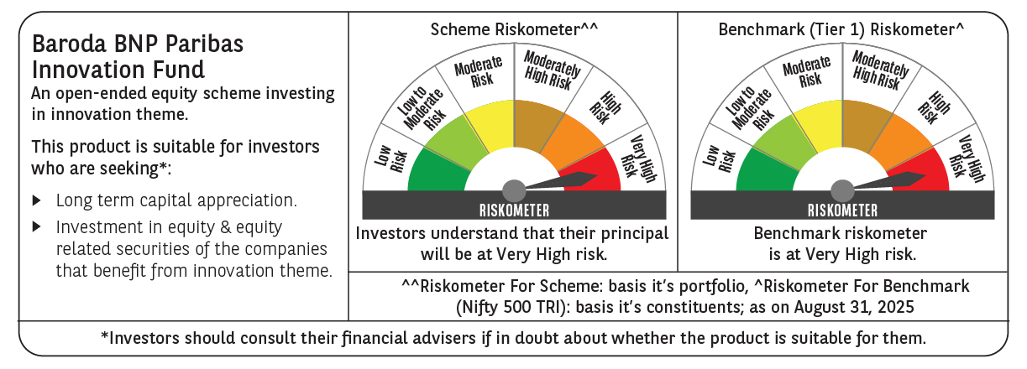

 | Monthly Performance Link: https://www.barodabnpparibasmf.in/assets/download_documents/Performance_of_Schemes_14126.pdf

