Monthly Portfolio
 | Baroda BNP Paribas Innovation Fund

 | Monthly Portfolio Statement as on September 30, 2025
 | Name of the Instrument | ISIN | Industry / Rating | Quantity | Market/Fair Value (Rs. in Lakhs) | % to Net Assets | YTM~ | YTC^ | null
 | Equity & Equity related
 | (a) Listed / awaiting listing on Stock Exchanges
SAEL02 | TVS Motor Company Limited | INE494B01023 | Automobiles | 122,000 | 4,195.21 | 4.49%
BTVL02 | Bharti Airtel Limited | INE397D01024 | Telecom - Services | 213,108 | 4,003.02 | 4.29%
ZMPL01 | Eternal Limited | INE758T01015 | Retailing | 1,194,500 | 3,888.10 | 4.16%
BOCL01 | Linde India Limited | INE473A01011 | Chemicals & Petrochemicals | 57,774 | 3,608.28 | 3.86%
ABBP01 | Hitachi Energy India Limited | INE07Y701011 | Electrical Equipment | 19,124 | 3,442.51 | 3.69%
IBCL05 | ICICI Bank Limited | INE090A01021 | Banks | 255,000 | 3,437.40 | 3.68%
ONCO02 | One 97 Communications Limited | INE982J01020 | Financial Technology (Fintech) | 300,000 | 3,371.40 | 3.61%
ESMC02 | PB Fintech Limited | INE417T01026 | Financial Technology (Fintech) | 184,600 | 3,141.89 | 3.37%
KCUL02 | Cummins India Limited | INE298A01020 | Industrial Products | 75,200 | 2,952.73 | 3.16%
PRRC03 | Navin Fluorine International Limited | INE048G01026 | Chemicals & Petrochemicals | 54,800 | 2,532.58 | 2.71%
MCEX01 | Multi Commodity Exchange of India Limited | INE745G01035 | Capital Markets | 32,225 | 2,512.26 | 2.69%
BLTE01 | Swiggy Limited | INE00H001014 | Retailing | 590,000 | 2,495.41 | 2.67%
IEIN02 | Info Edge (India) Limited | INE663F01032 | Retailing | 181,000 | 2,369.83 | 2.54%
TRFO01 | Travel Food Services Limited | INE103V01028 | Leisure Services | 175,000 | 2,316.30 | 2.48%
BAFL03 | Bajaj Finance Limited | INE296A01032 | Finance | 230,000 | 2,297.47 | 2.46%
MAXI02 | Max Financial Services Limited | INE180A01020 | Insurance | 143,500 | 2,261.42 | 2.42%
DIVI02 | Divi's Laboratories Limited | INE361B01024 | Pharmaceuticals & Biotechnology | 39,200 | 2,230.28 | 2.39%
CAMS01 | Computer Age Management Services Limited | INE596I01012 | Capital Markets | 59,000 | 2,217.57 | 2.38%
AMBE01 | Amber Enterprises India Limited | INE371P01015 | Consumer Durables | 27,000 | 2,184.03 | 2.34%
MAHI02 | Mahindra & Mahindra Limited | INE101A01026 | Automobiles | 63,000 | 2,159.01 | 2.31%
FSNE01 | FSN E-Commerce Ventures Limited | INE388Y01029 | Retailing | 890,000 | 2,068.18 | 2.22%
BIRM01 | 3M India Limited | INE470A01017 | Diversified | 6,964 | 2,050.55 | 2.20%
RIND01 | Reliance Industries Limited | INE002A01018 | Petroleum Products | 147,600 | 2,013.26 | 2.16%
INAV01 | InterGlobe Aviation Limited | INE646L01027 | Transport Services | 34,500 | 1,930.10 | 2.07%
SPIL03 | Sun Pharmaceutical Industries Limited | INE044A01036 | Pharmaceuticals & Biotechnology | 120,000 | 1,913.16 | 2.05%
KFIN01 | KFin Technologies Limited | INE138Y01010 | Capital Markets | 180,000 | 1,893.06 | 2.03%
MOTI02 | Bosch Limited | INE323A01026 | Auto Components | 4,539 | 1,731.40 | 1.85%
HYUN01 | Hyundai Motor India Ltd | INE0V6F01027 | Automobiles | 65,000 | 1,679.86 | 1.80%
TEGA01 | Tega Industries Limited | INE011K01018 | Industrial Manufacturing | 86,797 | 1,641.42 | 1.76%
ACHI01 | Archean Chemical Industries Limited | INE128X01021 | Chemicals & Petrochemicals | 223,904 | 1,543.37 | 1.65%
TBOT01 | TBO Tek Limited | INE673O01025 | Leisure Services | 98,073 | 1,495.71 | 1.60%
SAGI01 | Sagility India Limited | INE0W2G01015 | IT - Services | 3,500,000 | 1,493.10 | 1.60%
INFS02 | Infosys Limited | INE009A01021 | IT - Software | 95,750 | 1,380.52 | 1.48%
KPEL01 | KPIT Technologies Limited | INE04I401011 | IT - Software | 121,000 | 1,328.22 | 1.42%
SOKO03 | Jtekt India Limited | INE643A01035 | Auto Components | 807,136 | 1,317.00 | 1.41%
TAHO01 | Honeywell Automation India Limited | INE671A01010 | Industrial Manufacturing | 3,630 | 1,310.25 | 1.40%
PFIZ01 | Pfizer Limited | INE182A01018 | Pharmaceuticals & Biotechnology | 22,879 | 1,152.19 | 1.23%
APLI04 | Hexaware Technologies Limited | INE093A01041 | IT - Software | 162,251 | 1,087.89 | 1.17%
CONB01 | Concord Biotech Limited | INE338H01029 | Pharmaceuticals & Biotechnology | 62,071 | 1,022.74 | 1.10%
LAKM02 | Trent Limited | INE849A01020 | Retailing | 21,000 | 982.28 | 1.05%
SONB01 | Sona BLW Precision Forgings Limited | INE073K01018 | Auto Components | 100,000 | 411.75 | 0.44%
SAEL21PS | TVS Motor Company Limited (Preference Share) ** | INE494B04019 | Automobiles | 472,000 | 47.40 | 0.05%
 | Sub Total |  |  |  | 89,110.11 | 95.44%
 | (b) Unlisted |  |  |  | NIL | NIL
 | Sub Total |  |  |  | NIL | NIL
 | Total |  |  |  | 89,110.11 | 95.44%
 | Money Market Instruments
 | Treasury Bill
TBIL2501 | 182 Days Tbill (MD 23/10/2025) | IN002025Y040 | Sovereign | 1,000,000 | 996.76 | 1.07% | 5.40%
 | Sub Total |  |  |  | 996.76 | 1.07%
 | Total |  |  |  | 996.76 | 1.07%
 | Reverse Repo / TREPS
TRP_011025 | Clearing Corporation of India Ltd |  |  |  | 3,544.48 | 3.80% | 5.53%
 | Sub Total |  |  |  | 3,544.48 | 3.80%
 | Total |  |  |  | 3,544.48 | 3.80%
 | Net Receivables / (Payables) |  |  |  | (292.53) | (0.31)%
 | GRAND TOTAL |  |  |  | 93,358.82 | 100.00%

 | ** Thinly Traded / Non Traded Security
 | ~ YTM as on September 30, 2025
 | ^ YTC represents Yield to Call provided by valuation agencies as on September 30, 2025. It is disclosed for Perpetual Bond issued by Banks (i.e. AT-1 Bond / Tier 1 Bond / Tier 2 Bond), as per AMFI Best Practices Guidelines Circular no. 135/BP/91/2020-21 read with SEBI circular No. SEBI/HO/IMD/DF4/CIR/P/2021/034 on Valuation of AT-1 Bonds and Tier 2 Bonds.

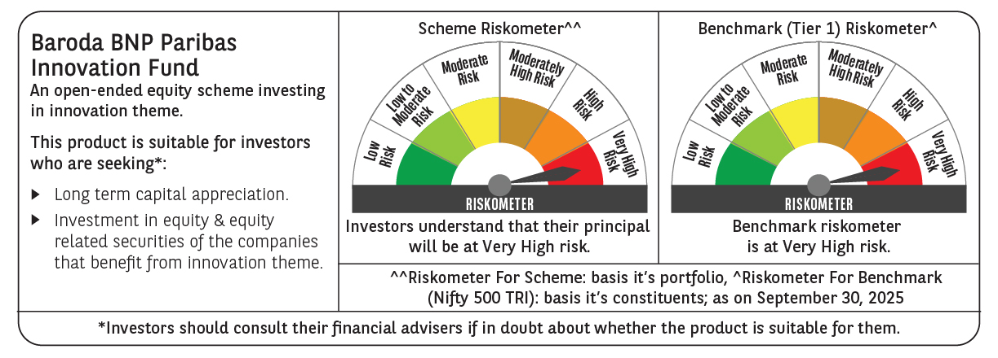

 | Monthly Performance Link: https://www.barodabnpparibasmf.in/assets/download_documents/Performance_of_Schemes_September_14618.pdf

