T0ME34
 | Baroda BNP Paribas Innovation Fund

 | Monthly Portfolio Statement as on October 31, 2025
 | Name of the Instrument | ISIN | Industry / Rating | Quantity | Market/Fair Value (Rs. in Lakhs) | % to Net Assets | YTM~ | YTC^ | null
 | Equity & Equity related
 | (a) Listed / awaiting listing on Stock Exchanges
ONCO02 | One 97 Communications Limited | INE982J01020 | Financial Technology (Fintech) | 330,000 | 4,300.56 | 4.49%
MCEX01 | Multi Commodity Exchange of India Limited | INE745G01035 | Capital Markets | 42,250 | 3,905.38 | 4.08%
ZMPL01 | Eternal Limited | INE758T01015 | Retailing | 1,194,500 | 3,795.52 | 3.96%
BTVL02 | Bharti Airtel Limited | INE397D01024 | Telecom - Services | 173,108 | 3,556.50 | 3.71%
BOCL01 | Linde India Limited | INE473A01011 | Chemicals & Petrochemicals | 57,774 | 3,474.24 | 3.63%
ABBP01 | Hitachi Energy India Limited | INE07Y701011 | Electrical Equipment | 19,124 | 3,399.86 | 3.55%
ESMC02 | PB Fintech Limited | INE417T01026 | Financial Technology (Fintech) | 184,600 | 3,295.85 | 3.44%
KCUL02 | Cummins India Limited | INE298A01020 | Industrial Products | 75,200 | 3,266.76 | 3.41%
SAEL02 | TVS Motor Company Limited | INE494B01023 | Automobiles | 93,000 | 3,263.09 | 3.41%
PRRC03 | Navin Fluorine International Limited | INE048G01026 | Chemicals & Petrochemicals | 54,800 | 3,116.70 | 3.25%
CAMS01 | Computer Age Management Services Limited | INE596I01012 | Capital Markets | 69,000 | 2,719.50 | 2.84%
DIVI02 | Divi's Laboratories Limited | INE361B01024 | Pharmaceuticals & Biotechnology | 39,200 | 2,641.30 | 2.76%
IBCL05 | ICICI Bank Limited | INE090A01021 | Banks | 180,000 | 2,421.54 | 2.53%
BLTE01 | Swiggy Limited | INE00H001014 | Retailing | 590,000 | 2,418.71 | 2.52%
BAFL03 | Bajaj Finance Limited | INE296A01032 | Finance | 230,000 | 2,398.44 | 2.50%
TRFO01 | Travel Food Services Limited | INE103V01028 | Leisure Services | 175,000 | 2,307.38 | 2.41%
IEIN02 | Info Edge (India) Limited | INE663F01032 | Retailing | 163,000 | 2,246.63 | 2.35%
FSNE01 | FSN E-Commerce Ventures Limited | INE388Y01029 | Retailing | 890,000 | 2,206.67 | 2.30%
MAHI02 | Mahindra & Mahindra Limited | INE101A01026 | Automobiles | 63,000 | 2,196.94 | 2.29%
RIND01 | Reliance Industries Limited | INE002A01018 | Petroleum Products | 147,600 | 2,193.93 | 2.29%
AMBE01 | Amber Enterprises India Limited | INE371P01015 | Consumer Durables | 27,000 | 2,169.86 | 2.27%
BIRM01 | 3M India Limited | INE470A01017 | Diversified | 6,964 | 2,058.56 | 2.15%
KFIN01 | KFin Technologies Limited | INE138Y01010 | Capital Markets | 180,000 | 1,976.58 | 2.06%
INAV01 | InterGlobe Aviation Limited | INE646L01027 | Transport Services | 34,500 | 1,940.63 | 2.03%
SAGI01 | Sagility India Limited | INE0W2G01015 | IT - Services | 3,500,000 | 1,838.90 | 1.92%
MAXI02 | Max Financial Services Limited | INE180A01020 | Insurance | 118,500 | 1,832.60 | 1.91%
MOTI02 | Bosch Limited | INE323A01026 | Auto Components | 4,539 | 1,690.55 | 1.76%
AMIO02 | Acutaas Chemicals Limited | INE00FF01025 | Pharmaceuticals & Biotechnology | 93,462 | 1,614.74 | 1.69%
HYUN01 | Hyundai Motor India Ltd | INE0V6F01027 | Automobiles | 65,000 | 1,585.16 | 1.65%
USFB01 | Ujjivan Small Finance Bank Limited | INE551W01018 | Banks | 2,941,407 | 1,524.83 | 1.59%
TBOT01 | TBO Tek Limited | INE673O01025 | Leisure Services | 98,073 | 1,454.62 | 1.52%
INFS02 | Infosys Limited | INE009A01021 | IT - Software | 95,750 | 1,419.30 | 1.48%
KPEL01 | KPIT Technologies Limited | INE04I401011 | IT - Software | 121,000 | 1,411.71 | 1.47%
SOKO03 | Jtekt India Limited | INE643A01035 | Auto Components | 807,136 | 1,253.08 | 1.31%
AGBL01 | Angel One Limited | INE732I01013 | Capital Markets | 50,000 | 1,246.20 | 1.30%
PFIZ01 | Pfizer Limited | INE182A01018 | Pharmaceuticals & Biotechnology | 22,879 | 1,191.77 | 1.24%
APLI04 | Hexaware Technologies Limited | INE093A01041 | IT - Software | 162,251 | 1,115.31 | 1.16%
LGEL01 | LG Electronics India Ltd | INE324D01010 | Consumer Durables | 57,994 | 964.79 | 1.01%
ACHI01 | Archean Chemical Industries Limited | INE128X01021 | Chemicals & Petrochemicals | 77,816 | 514.79 | 0.54%
TEGA01 | Tega Industries Limited | INE011K01018 | Industrial Manufacturing | 4,714 | 91.41 | 0.10%
LENS01 | Lenskart Solutions Limited | INE956O01016 | Retailing | 124,835 | 501.84 | 0.52%
SAEL21PS | TVS Motor Company Limited (Preference Share) ** | INE494B04019 | Automobiles | 472,000 | 47.63 | 0.05%
 | Sub Total |  |  |  | 88,570.36 | 92.45%
 | (b) Unlisted |  |  |  | NIL | NIL
 | Sub Total |  |  |  | NIL | NIL
 | Total |  |  |  | 88,570.36 | 92.45%
 | Money Market Instruments
 | Treasury Bill
TBIL2503 | 364 Days Tbill (MD 01/05/2026) | IN002025Z054 | Sovereign | 1,000,000 | 973.12 | 1.02% | 5.57%
 | Sub Total |  |  |  | 973.12 | 1.02%
 | Total |  |  |  | 973.12 | 1.02%
 | Reverse Repo / TREPS
TRP_031125 | Clearing Corporation of India Ltd |  |  |  | 2,918.61 | 3.05% | 5.59%
 | Sub Total |  |  |  | 2,918.61 | 3.05%
 | Total |  |  |  | 2,918.61 | 3.05%
 | Net Receivables / (Payables) |  |  |  | 3,330.93 | 3.48%
 | GRAND TOTAL |  |  |  | 95,793.02 | 100.00%

 | ** Thinly Traded / Non Traded Security
 | ~ YTM as on October 31, 2025
 | ^ YTC represents Yield to Call provided by valuation agencies as on October 31, 2025. It is disclosed for Perpetual Bond issued by Banks (i.e. AT-1 Bond / Tier 1 Bond / Tier 2 Bond), as per AMFI Best Practices Guidelines Circular no. 135/BP/91/2020-21 read with SEBI circular No. SEBI/HO/IMD/DF4/CIR/P/2021/034 on Valuation of AT-1 Bonds and Tier 2 Bonds.

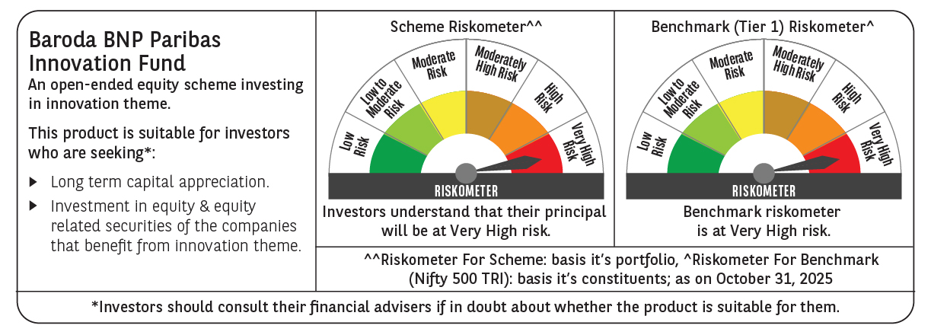

 | Monthly Performance Link: https://www.barodabnpparibasmf.in/assets/download_documents/Performance_of_Schemes-October_2025_15267.pdf

