T0ME34
 | Baroda BNP Paribas Innovation Fund

 | Monthly Portfolio Statement as on November 30, 2025
 | Name of the Instrument | ISIN | Industry / Rating | Quantity | Market/Fair Value (Rs. in Lakhs) | % to Net Assets | YTM~ | YTC^ | null
 | Equity & Equity related
 | (a) Listed / awaiting listing on Stock Exchanges
MCEX01 | Multi Commodity Exchange of India Limited | INE745G01035 | Capital Markets | 42,250 | 4,256.05 | 4.45%
ONCO02 | One 97 Communications Limited | INE982J01020 | Financial Technology (Fintech) | 305,000 | 4,027.83 | 4.21%
ABBP01 | Hitachi Energy India Limited | INE07Y701011 | Electrical Equipment | 17,224 | 3,798.93 | 3.97%
BTVL02 | Bharti Airtel Limited | INE397D01024 | Telecom - Services | 173,108 | 3,638.04 | 3.81%
ZMPL01 | Eternal Limited | INE758T01015 | Retailing | 1,194,500 | 3,584.69 | 3.75%
BOCL01 | Linde India Limited | INE473A01011 | Chemicals & Petrochemicals | 57,774 | 3,446.80 | 3.61%
ESMC02 | PB Fintech Limited | INE417T01026 | Financial Technology (Fintech) | 184,600 | 3,357.69 | 3.51%
SAEL02 | TVS Motor Company Limited | INE494B01023 | Automobiles | 93,000 | 3,284.30 | 3.44%
PRRC03 | Navin Fluorine International Limited | INE048G01026 | Chemicals & Petrochemicals | 51,711 | 2,965.88 | 3.10%
CAMS01 | Computer Age Management Services Limited | INE596I01012 | Capital Markets | 69,000 | 2,670.51 | 2.79%
DIVI02 | Divi's Laboratories Limited | INE361B01024 | Pharmaceuticals & Biotechnology | 39,200 | 2,538.98 | 2.66%
IBCL05 | ICICI Bank Limited | INE090A01021 | Banks | 180,000 | 2,499.84 | 2.62%
KCUL02 | Cummins India Limited | INE298A01020 | Industrial Products | 55,723 | 2,496.00 | 2.61%
BAFL03 | Bajaj Finance Limited | INE296A01032 | Finance | 230,000 | 2,386.25 | 2.50%
FSNE01 | FSN E-Commerce Ventures Limited | INE388Y01029 | Retailing | 890,000 | 2,379.06 | 2.49%
MAHI02 | Mahindra & Mahindra Limited | INE101A01026 | Automobiles | 63,000 | 2,367.10 | 2.48%
TRFO01 | Travel Food Services Limited | INE103V01028 | Leisure Services | 175,000 | 2,355.33 | 2.46%
RIND01 | Reliance Industries Limited | INE002A01018 | Petroleum Products | 147,600 | 2,313.63 | 2.42%
SAGI01 | Sagility Limited | INE0W2G01015 | IT - Services | 4,550,420 | 2,278.85 | 2.38%
BLTE01 | Swiggy Limited | INE00H001014 | Retailing | 590,000 | 2,231.97 | 2.34%
BIRM01 | 3M India Limited | INE470A01017 | Diversified | 6,264 | 2,182.38 | 2.28%
IEIN02 | Info Edge (India) Limited | INE663F01032 | Retailing | 163,000 | 2,168.23 | 2.27%
INAV01 | InterGlobe Aviation Limited | INE646L01027 | Transport Services | 34,500 | 2,036.02 | 2.13%
AGBL01 | Angel One Limited | INE732I01013 | Capital Markets | 75,000 | 2,027.85 | 2.12%
AMIO02 | Acutaas Chemicals Limited | INE00FF01025 | Pharmaceuticals & Biotechnology | 108,462 | 1,992.99 | 2.09%
AMBE01 | Amber Enterprises India Limited | INE371P01015 | Consumer Durables | 27,000 | 1,938.87 | 2.03%
KFIN01 | KFin Technologies Limited | INE138Y01010 | Capital Markets | 180,000 | 1,901.34 | 1.99%
TBOT01 | TBO Tek Limited | INE673O01025 | Leisure Services | 113,073 | 1,868.31 | 1.95%
MOTI02 | Bosch Limited | INE323A01026 | Auto Components | 4,539 | 1,639.03 | 1.71%
USFB01 | Ujjivan Small Finance Bank Limited | INE551W01018 | Banks | 2,941,407 | 1,601.01 | 1.67%
HYUN01 | Hyundai Motor India Ltd | INE0V6F01027 | Automobiles | 65,000 | 1,511.90 | 1.58%
MAXI02 | Max Financial Services Limited | INE180A01020 | Insurance | 88,500 | 1,506.36 | 1.58%
INFS02 | Infosys Limited | INE009A01021 | IT - Software | 95,750 | 1,493.80 | 1.56%
KPEL01 | KPIT Technologies Limited | INE04I401011 | IT - Software | 121,000 | 1,479.10 | 1.55%
SOKO03 | Jtekt India Limited | INE643A01035 | Auto Components | 807,136 | 1,266.32 | 1.32%
PFIZ01 | Pfizer Limited | INE182A01018 | Pharmaceuticals & Biotechnology | 22,879 | 1,138.23 | 1.19%
LGEL01 | LG Electronics India Ltd | INE324D01010 | Consumer Durables | 57,994 | 962.29 | 1.01%
APLI04 | Hexaware Technologies Limited | INE093A01041 | IT - Software | 116,251 | 879.73 | 0.92%
LENS01 | Lenskart Solutions Limited | INE956O01016 | Retailing | 171,638 | 704.49 | 0.74%
ACHI01 | Archean Chemical Industries Limited | INE128X01021 | Chemicals & Petrochemicals | 77,816 | 398.50 | 0.42%
SAEL21PS | TVS Motor Company Limited (Non Convertible Preference Share) ** | INE494B04019 | Automobiles | 472,000 | 47.86 | 0.05%
 | Sub Total |  |  |  | 89,622.34 | 93.76%
 | (b) Unlisted |  |  |  | NIL | NIL
 | Sub Total |  |  |  | NIL | NIL
 | Total |  |  |  | 89,622.34 | 93.76%
 | Derivatives
 | Index / Stock Futures
BAFLDEC25 | Bajaj Finance Limited December 2025 Future |  |  | 90,000 | 938.52 | 0.98%
 | Sub Total |  |  |  | 938.52 | 0.98%
 | Total |  |  |  | 938.52 | 0.98%
 | Money Market Instruments
 | Treasury Bill
TBIL2503 | 364 Days Tbill (MD 01/05/2026) | IN002025Z054 | Sovereign | 1,000,000 | 977.71 | 1.02% | 5.51%
 | Sub Total |  |  |  | 977.71 | 1.02%
 | Total |  |  |  | 977.71 | 1.02%
 | Reverse Repo / TREPS
TRP_011225 | Clearing Corporation of India Ltd |  |  |  | 4,219.97 | 4.41% | 5.43%
 | Sub Total |  |  |  | 4,219.97 | 4.41%
 | Total |  |  |  | 4,219.97 | 4.41%
 | Net Receivables / (Payables) |  |  |  | (174.17) | (0.17)%
 | GRAND TOTAL |  |  |  | 95,584.37 | 100.00%

 | ** Thinly Traded / Non Traded Security
 | ~ YTM as on November 30, 2025
 | ^ YTC represents Yield to Call provided by valuation agencies as on November 30, 2025. It is disclosed for Perpetual Bond issued by Banks (i.e. AT-1 Bond / Tier 1 Bond / Tier 2 Bond), as per AMFI Best Practices Guidelines Circular no. 135/BP/91/2020-21 read with SEBI circular No. SEBI/HO/IMD/DF4/CIR/P/2021/034 on Valuation of AT-1 Bonds and Tier 2 Bonds.
 | Details of Stock Future / Index Future
 | Long/Short | Name of the Instrument | Industry | Quantity. | Market/Fair Value (Rs. in Lacs). | % to NAV.
 | Long | Bajaj Finance Limited_30/12/2025 | Finance | 90,000 | 938.52 | 0.98%

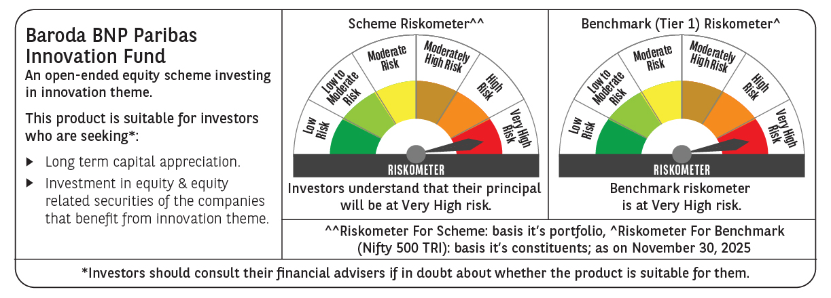

 | Monthly Performance Link: https://www.barodabnpparibasmf.in/assets/download_documents/Performance_of_Schemes_Nov-2025_15612.pdf

