T0ME34
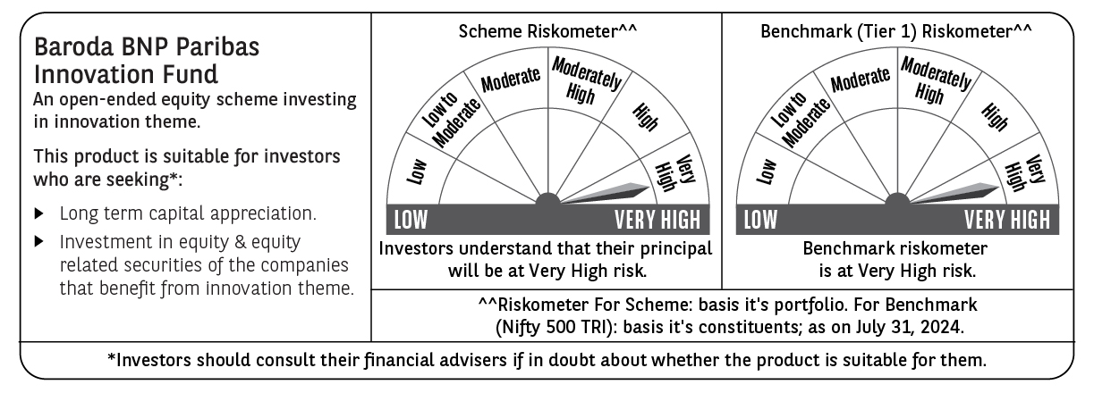
 | Baroda BNP Paribas Innovation Fund

 | Monthly Portfolio Statement as on July 31, 2024
 | Name of the Instrument | ISIN | Industry / Rating | Quantity | Market/Fair Value (Rs. in Lakhs) | % to Net Assets | YTM~ | YTC^ | null
 | Equity & Equity related
 | (a) Listed / awaiting listing on Stock Exchanges
INFS02 | Infosys Limited | INE009A01021 | IT - Software | 253,000 | 4,726.67 | 4.17%
IEIN01 | Info Edge (India) Limited | INE663F01024 | Retailing | 64,500 | 4,532.58 | 4.00%
ZMPL01 | Zomato Limited | INE758T01015 | Retailing | 1,667,500 | 3,826.08 | 3.38%
ESMC02 | PB Fintech Limited | INE417T01026 | Financial Technology (Fintech) | 243,600 | 3,539.51 | 3.12%
LAKM02 | Trent Limited | INE849A01020 | Retailing | 60,000 | 3,503.40 | 3.09%
BOCL01 | Linde India Limited | INE473A01011 | Chemicals & Petrochemicals | 42,774 | 3,491.24 | 3.08%
BTVL02 | Bharti Airtel Limited | INE397D01024 | Telecom - Services | 229,358 | 3,420.99 | 3.02%
MOTI02 | Bosch Limited | INE323A01026 | Auto Components | 9,700 | 3,392.91 | 2.99%
SAEL02 | TVS Motor Company Limited | INE494B01023 | Automobiles | 133,000 | 3,366.23 | 2.97%
TCSL01 | Tata Consultancy Services Limited | INE467B01029 | IT - Software | 71,000 | 3,113.60 | 2.75%
IBCL05 | ICICI Bank Limited | INE090A01021 | Banks | 255,000 | 3,098.00 | 2.73%
SPIL03 | Sun Pharmaceutical Industries Limited | INE044A01036 | Pharmaceuticals & Biotechnology | 170,000 | 2,922.90 | 2.58%
ASEA02 | ABB India Limited | INE117A01022 | Electrical Equipment | 35,600 | 2,811.28 | 2.48%
BIRM01 | 3M India Limited | INE470A01017 | Diversified | 6,964 | 2,735.86 | 2.41%
ABBP01 | Hitachi Energy India Limited | INE07Y701011 | Electrical Equipment | 23,297 | 2,704.11 | 2.39%
KPEL01 | KPIT Technologies Limited | INE04I401011 | IT - Software | 146,000 | 2,690.20 | 2.37%
CAMS01 | Computer Age Management Services Limited | INE596I01012 | Capital Markets | 58,000 | 2,629.84 | 2.32%
PIIN03 | PI Industries Limited | INE603J01030 | Fertilizers & Agrochemicals | 58,500 | 2,591.99 | 2.29%
JYCN01 | Jyoti CNC Automation Ltd | INE980O01024 | Industrial Manufacturing | 223,750 | 2,552.32 | 2.25%
HALT02 | Hindustan Aeronautics Limited | INE066F01020 | Aerospace & Defense | 51,200 | 2,520.50 | 2.22%
IFEL01 | Oracle Financial Services Software Limited | INE881D01027 | IT - Software | 22,482 | 2,483.10 | 2.19%
RIND01 | Reliance Industries Limited | INE002A01018 | Petroleum Products | 82,000 | 2,468.90 | 2.18%
TAHO01 | Honeywell Automation India Limited | INE671A01010 | Industrial Manufacturing | 4,500 | 2,450.56 | 2.16%
TTEA02 | Tata Consumer Products Limited | INE192A01025 | Agricultural Food & other Products | 200,500 | 2,383.84 | 2.10%
JBCH03 | JB Chemicals & Pharmaceuticals Limited | INE572A01036 | Pharmaceuticals & Biotechnology | 112,667 | 2,168.39 | 1.91%
TEGA01 | Tega Industries Limited | INE011K01018 | Industrial Manufacturing | 112,269 | 2,143.83 | 1.89%
DIXO02 | Dixon Technologies (India) Limited | INE935N01020 | Consumer Durables | 16,800 | 2,033.88 | 1.80%
BEFS01 | Mrs. Bectors Food Specialities Limited | INE495P01012 | Food Products | 136,200 | 1,910.00 | 1.69%
MAXI02 | Max Financial Services Limited | INE180A01020 | Insurance | 168,000 | 1,868.16 | 1.65%
BHAH02 | Bharat Heavy Electricals Limited | INE257A01026 | Electrical Equipment | 573,000 | 1,806.38 | 1.59%
TBOT01 | TBO Tek Limited | INE673O01025 | Leisure Services | 97,050 | 1,782.08 | 1.57%
KFIN01 | KFin Technologies Limited | INE138Y01010 | Capital Markets | 200,000 | 1,749.40 | 1.54%
LATE01 | Latent View Analytics Limited | INE0I7C01011 | IT - Software | 334,000 | 1,717.76 | 1.52%
TELC03 | Tata Motors Limited | INE155A01022 | Automobiles | 139,000 | 1,607.74 | 1.42%
CARU03 | Carborundum Universal Limited | INE120A01034 | Industrial Products | 93,500 | 1,607.08 | 1.42%
NEST02 | Nestle India Limited | INE239A01024 | Food Products | 65,000 | 1,596.63 | 1.41%
IRCT02 | Indian Railway Catering And Tourism Corporation Limited | INE335Y01020 | Leisure Services | 160,000 | 1,580.24 | 1.39%
BINL01 | Indus Towers Limited | INE121J01017 | Telecom - Services | 361,275 | 1,564.86 | 1.38%
AMRA03 | Amara Raja Energy & Mobility Ltd | INE885A01032 | Auto Components | 93,097 | 1,514.04 | 1.34%
NSDL02 | Protean eGov Technologies Limited | INE004A01022 | Financial Technology (Fintech) | 75,000 | 1,361.93 | 1.20%
SONB01 | Sona BLW Precision Forgings Limited | INE073K01018 | Auto Components | 200,000 | 1,358.50 | 1.20%
FSNE01 | FSN E-Commerce Ventures Limited | INE388Y01029 | Retailing | 600,000 | 1,157.94 | 1.02%
WESD02 | Westlife Foodworld Limited | INE274F01020 | Leisure Services | 137,312 | 1,137.90 | 1.00%
BSEL02 | BSE Limited | INE118H01025 | Capital Markets | 43,700 | 1,117.17 | 0.99%
TTEC01 | Tata Technologies Ltd | INE142M01025 | IT - Services | 100,000 | 999.35 | 0.88%
BTAT01 | Vodafone Idea Limited | INE669E01016 | Telecom - Services | 6,060,330 | 986.02 | 0.87%
TTEA02RF | Tata Consumer Products Limited- Right Shares | INE192A20017 | Agricultural Food & other Products | 7,711 | 28.60 | 0.03%
 | Sub Total |  |  |  | 108,754.49 | 95.95%
 | (b) Unlisted |  |  |  | NIL | NIL
 | Sub Total |  |  |  | NIL | NIL
 | Total |  |  |  | 108,754.49 | 95.95%
 | Money Market Instruments
 | Treasury Bill
TBIL2271 | 364 Days Tbill (MD 24/10/2024) | IN002023Z323 | Sovereign | 1,000,000 | 984.90 | 0.87% | 6.66%
 | Sub Total |  |  |  | 984.90 | 0.87%
 | Total |  |  |  | 984.90 | 0.87%
 | Reverse Repo / TREPS
TRP_010824 | Clearing Corporation of India Ltd |  |  |  | 3,178.92 | 2.81% | 6.42%
 | Sub Total |  |  |  | 3,178.92 | 2.81%
 | Total |  |  |  | 3,178.92 | 2.81%
 | Net Receivables / (Payables) |  |  |  | 371.72 | 0.37%
 | GRAND TOTAL |  |  |  | 113,290.03 | 100.00%

 | ** Thinly Traded / Non Traded Security
 | ~ YTM as on July 31, 2024
 | ^ YTC represents Yield to Call provided by valuation agencies as on July 31, 2024. It is disclosed for Perpetual Bond issued by Banks (i.e. AT-1 Bond / Tier 1 Bond / Tier 2 Bond), as per AMFI Best Practices Guidelines Circular no. 135/BP/91/2020-21 read with SEBI circular No. SEBI/HO/IMD/DF4/CIR/P/2021/034 on Valuation of AT-1 Bonds and Tier 2 Bonds.

