T0ME34
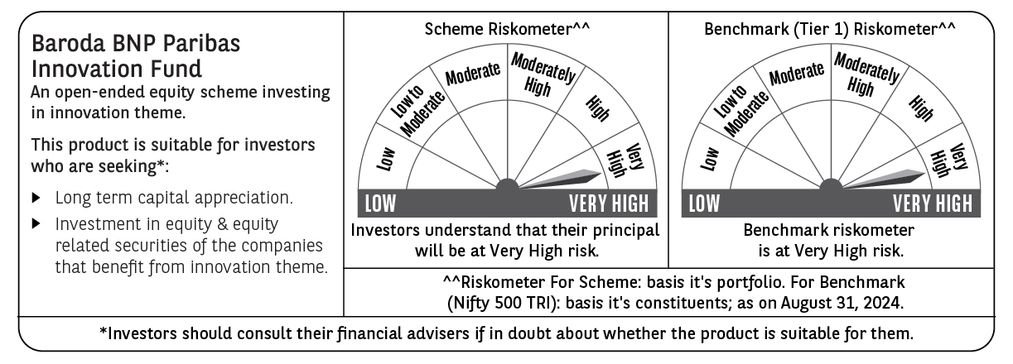
 | Baroda BNP Paribas Innovation Fund

 | Monthly Portfolio Statement as on August 31, 2024
 | Name of the Instrument | ISIN | Industry / Rating | Quantity | Market/Fair Value (Rs. in Lakhs) | % to Net Assets | YTM~ | YTC^ | null
 | Equity & Equity related
 | (a) Listed / awaiting listing on Stock Exchanges
INFS02 | Infosys Limited | INE009A01021 | IT - Software | 253,000 | 4,917.56 | 4.27%
IEIN01 | Info Edge (India) Limited | INE663F01024 | Retailing | 58,100 | 4,461.38 | 3.87%
ESMC02 | PB Fintech Limited | INE417T01026 | Financial Technology (Fintech) | 243,600 | 4,317.20 | 3.74%
LAKM02 | Trent Limited | INE849A01020 | Retailing | 60,000 | 4,295.25 | 3.73%
TCSL01 | Tata Consultancy Services Limited | INE467B01029 | IT - Software | 90,000 | 4,098.38 | 3.55%
SAEL02 | TVS Motor Company Limited | INE494B01023 | Automobiles | 133,000 | 3,741.69 | 3.25%
BTVL02 | Bharti Airtel Limited | INE397D01024 | Telecom - Services | 229,358 | 3,644.61 | 3.16%
ZMPL01 | Zomato Limited | INE758T01015 | Retailing | 1,334,500 | 3,343.32 | 2.90%
MOTI02 | Bosch Limited | INE323A01026 | Auto Components | 9,700 | 3,141.79 | 2.72%
IBCL05 | ICICI Bank Limited | INE090A01021 | Banks | 255,000 | 3,134.46 | 2.72%
SPIL03 | Sun Pharmaceutical Industries Limited | INE044A01036 | Pharmaceuticals & Biotechnology | 170,000 | 3,096.81 | 2.69%
BOCL01 | Linde India Limited | INE473A01011 | Chemicals & Petrochemicals | 42,774 | 3,090.55 | 2.68%
ASEA02 | ABB India Limited | INE117A01022 | Electrical Equipment | 35,600 | 2,825.23 | 2.45%
ABBP01 | Hitachi Energy India Limited | INE07Y701011 | Electrical Equipment | 23,297 | 2,817.78 | 2.44%
JYCN01 | Jyoti CNC Automation Ltd | INE980O01024 | Industrial Manufacturing | 223,750 | 2,779.31 | 2.41%
CAMS01 | Computer Age Management Services Limited | INE596I01012 | Capital Markets | 63,000 | 2,684.59 | 2.33%
KPEL01 | KPIT Technologies Limited | INE04I401011 | IT - Software | 146,000 | 2,650.12 | 2.30%
PIIN03 | PI Industries Limited | INE603J01030 | Fertilizers & Agrochemicals | 58,500 | 2,629.84 | 2.28%
TTEA02 | Tata Consumer Products Limited | INE192A01025 | Agricultural Food & other Products | 210,354 | 2,524.56 | 2.19%
BIRM01 | 3M India Limited | INE470A01017 | Diversified | 6,964 | 2,483.62 | 2.15%
RIND01 | Reliance Industries Limited | INE002A01018 | Petroleum Products | 82,000 | 2,475.79 | 2.15%
IFEL01 | Oracle Financial Services Software Limited | INE881D01027 | IT - Software | 22,482 | 2,470.48 | 2.14%
TAHO01 | Honeywell Automation India Limited | INE671A01010 | Industrial Manufacturing | 4,500 | 2,293.60 | 1.99%
DIXO02 | Dixon Technologies (India) Limited | INE935N01020 | Consumer Durables | 16,800 | 2,212.72 | 1.92%
JBCH03 | JB Chemicals & Pharmaceuticals Limited | INE572A01036 | Pharmaceuticals & Biotechnology | 112,667 | 2,201.29 | 1.91%
BEFS01 | Mrs. Bectors Food Specialities Limited | INE495P01012 | Food Products | 136,200 | 2,190.78 | 1.90%
KFIN01 | KFin Technologies Limited | INE138Y01010 | Capital Markets | 190,000 | 1,973.34 | 1.71%
TEGA01 | Tega Industries Limited | INE011K01018 | Industrial Manufacturing | 111,860 | 1,909.51 | 1.66%
FSNE01 | FSN E-Commerce Ventures Limited | INE388Y01029 | Retailing | 900,000 | 1,869.30 | 1.62%
TTEC01 | Tata Technologies Limited | INE142M01025 | IT - Services | 170,000 | 1,811.52 | 1.57%
MAXI02 | Max Financial Services Limited | INE180A01020 | Insurance | 168,000 | 1,805.75 | 1.57%
TBOT01 | TBO Tek Limited | INE673O01025 | Leisure Services | 97,050 | 1,719.43 | 1.49%
DIVI02 | Divi's Laboratories Limited | INE361B01024 | Pharmaceuticals & Biotechnology | 33,000 | 1,680.99 | 1.46%
AMRA03 | Amara Raja Energy & Mobility Ltd | INE885A01032 | Auto Components | 108,097 | 1,644.43 | 1.43%
NSDL02 | Protean eGov Technologies Limited | INE004A01022 | Financial Technology (Fintech) | 75,000 | 1,642.73 | 1.42%
LATE01 | Latent View Analytics Limited | INE0I7C01011 | IT - Software | 334,000 | 1,614.72 | 1.40%
BINL01 | Indus Towers Limited | INE121J01017 | Telecom - Services | 344,921 | 1,581.46 | 1.37%
IRCT02 | Indian Railway Catering And Tourism Corporation Limited | INE335Y01020 | Leisure Services | 160,000 | 1,492.48 | 1.29%
SONB01 | Sona BLW Precision Forgings Limited | INE073K01018 | Auto Components | 200,000 | 1,366.70 | 1.19%
WESD02 | Westlife Foodworld Limited | INE274F01020 | Leisure Services | 137,312 | 1,129.67 | 0.98%
NEST02 | Nestle India Limited | INE239A01024 | Food Products | 45,000 | 1,125.34 | 0.98%
BSEL02 | BSE Limited | INE118H01025 | Capital Markets | 39,700 | 1,124.56 | 0.98%
TELC03 | Tata Motors Limited | INE155A01022 | Automobiles | 99,000 | 1,100.24 | 0.95%
CARU03 | Carborundum Universal Limited | INE120A01034 | Industrial Products | 62,000 | 945.38 | 0.82%
 | Sub Total |  |  |  | 108,060.26 | 93.73%
 | (b) Unlisted |  |  |  | NIL | NIL
 | Sub Total |  |  |  | NIL | NIL
 | Total |  |  |  | 108,060.26 | 93.73%
 | Money Market Instruments
 | Treasury Bill
TBIL2271 | 364 Days Tbill (MD 24/10/2024) | IN002023Z323 | Sovereign | 1,000,000 | 990.53 | 0.86% | 6.59%
 | Sub Total |  |  |  | 990.53 | 0.86%
 | Total |  |  |  | 990.53 | 0.86%
 | Reverse Repo / TREPS
TRP_020924 | Clearing Corporation of India Ltd |  |  |  | 2,337.00 | 2.03% | 6.52%
 | Sub Total |  |  |  | 2,337.00 | 2.03%
 | Total |  |  |  | 2,337.00 | 2.03%
 | Net Receivables / (Payables) |  |  |  | 3,911.44 | 3.38%
 | GRAND TOTAL |  |  |  | 115,299.23 | 100.00%

 | ~ YTM as on August 31, 2024
 | ^ YTC represents Yield to Call provided by valuation agencies as on August 31, 2024. It is disclosed for Perpetual Bond issued by Banks (i.e. AT-1 Bond / Tier 1 Bond / Tier 2 Bond), as per AMFI Best Practices Guidelines Circular no. 135/BP/91/2020-21 read with SEBI circular No. SEBI/HO/IMD/DF4/CIR/P/2021/034 on Valuation of AT-1 Bonds and Tier 2 Bonds.

