Monthly Portfolio
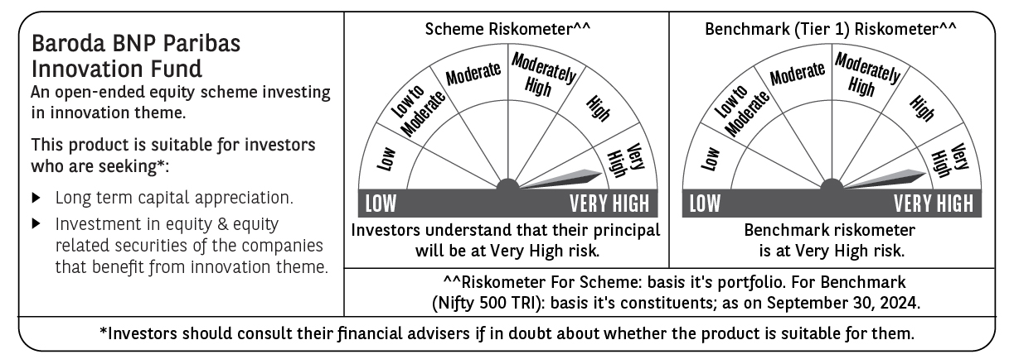
 | Baroda BNP Paribas Innovation Fund

 | Monthly Portfolio Statement as on September 30, 2024
 | Name of the Instrument | ISIN | Industry / Rating | Quantity | Market/Fair Value (Rs. in Lakhs) | % to Net Assets | YTM~ | YTC^ | null
 | Equity & Equity related
 | (a) Listed / awaiting listing on Stock Exchanges
INFS02 | Infosys Limited | INE009A01021 | IT - Software | 253,000 | 4,745.27 | 4.03%
IEIN01 | Info Edge (India) Limited | INE663F01024 | Retailing | 58,100 | 4,706.51 | 4.00%
LAKM02 | Trent Limited | INE849A01020 | Retailing | 60,000 | 4,544.79 | 3.86%
ESMC02 | PB Fintech Limited | INE417T01026 | Financial Technology (Fintech) | 243,600 | 3,946.20 | 3.35%
BTVL02 | Bharti Airtel Limited | INE397D01024 | Telecom - Services | 229,358 | 3,920.99 | 3.33%
TCSL01 | Tata Consultancy Services Limited | INE467B01029 | IT - Software | 90,000 | 3,841.65 | 3.26%
SAEL02 | TVS Motor Company Limited | INE494B01023 | Automobiles | 133,000 | 3,777.00 | 3.21%
MOTI02 | Bosch Limited | INE323A01026 | Auto Components | 9,700 | 3,654.85 | 3.10%
ZMPL01 | Zomato Limited | INE758T01015 | Retailing | 1,334,500 | 3,647.19 | 3.10%
BOCL01 | Linde India Limited | INE473A01011 | Chemicals & Petrochemicals | 42,774 | 3,629.42 | 3.08%
ABBP01 | Hitachi Energy India Limited | INE07Y701011 | Electrical Equipment | 23,297 | 3,388.62 | 2.88%
SPIL03 | Sun Pharmaceutical Industries Limited | INE044A01036 | Pharmaceuticals & Biotechnology | 170,000 | 3,275.39 | 2.78%
IBCL05 | ICICI Bank Limited | INE090A01021 | Banks | 255,000 | 3,246.15 | 2.76%
PIIN03 | PI Industries Limited | INE603J01030 | Fertilizers & Agrochemicals | 63,500 | 2,956.40 | 2.51%
IFEL01 | Oracle Financial Services Software Limited | INE881D01027 | IT - Software | 25,582 | 2,931.36 | 2.49%
ASEA02 | ABB India Limited | INE117A01022 | Electrical Equipment | 35,600 | 2,867.58 | 2.43%
CAMS01 | Computer Age Management Services Limited | INE596I01012 | Capital Markets | 63,000 | 2,777.73 | 2.36%
BEFS01 | Mrs. Bectors Food Specialities Limited | INE495P01012 | Food Products | 136,200 | 2,596.38 | 2.20%
JYCN01 | Jyoti CNC Automation Ltd | INE980O01024 | Industrial Manufacturing | 223,750 | 2,562.39 | 2.18%
TTEA02 | Tata Consumer Products Limited | INE192A01025 | Agricultural Food & other Products | 210,354 | 2,517.83 | 2.14%
RIND01 | Reliance Industries Limited | INE002A01018 | Petroleum Products | 82,000 | 2,421.58 | 2.06%
DIVI02 | Divi's Laboratories Limited | INE361B01024 | Pharmaceuticals & Biotechnology | 43,700 | 2,378.74 | 2.02%
KPEL01 | KPIT Technologies Limited | INE04I401011 | IT - Software | 146,000 | 2,376.88 | 2.02%
BIRM01 | 3M India Limited | INE470A01017 | Diversified | 6,964 | 2,356.20 | 2.00%
DIXO02 | Dixon Technologies (India) Limited | INE935N01020 | Consumer Durables | 16,800 | 2,318.90 | 1.97%
TAHO01 | Honeywell Automation India Limited | INE671A01010 | Industrial Manufacturing | 4,500 | 2,204.08 | 1.87%
ALLI02 | GE T&D India Limited | INE200A01026 | Electrical Equipment | 129,032 | 2,169.03 | 1.84%
TEGA01 | Tega Industries Limited | INE011K01018 | Industrial Manufacturing | 111,860 | 2,096.54 | 1.78%
MAXI02 | Max Financial Services Limited | INE180A01020 | Insurance | 168,000 | 2,000.88 | 1.70%
KFIN01 | KFin Technologies Limited | INE138Y01010 | Capital Markets | 190,000 | 1,940.28 | 1.65%
JBCH03 | JB Chemicals & Pharmaceuticals Limited | INE572A01036 | Pharmaceuticals & Biotechnology | 101,367 | 1,900.63 | 1.61%
TTEC01 | Tata Technologies Limited | INE142M01025 | IT - Services | 170,000 | 1,875.36 | 1.59%
FSNE01 | FSN E-Commerce Ventures Limited | INE388Y01029 | Retailing | 940,000 | 1,838.73 | 1.56%
TBOT01 | TBO Tek Limited | INE673O01025 | Leisure Services | 97,050 | 1,741.37 | 1.48%
NSDL02 | Protean eGov Technologies Limited | INE004A01022 | IT - Services | 90,000 | 1,697.45 | 1.44%
LATE01 | Latent View Analytics Limited | INE0I7C01011 | IT - Software | 334,000 | 1,580.66 | 1.34%
AMRA03 | Amara Raja Energy & Mobility Ltd | INE885A01032 | Auto Components | 108,097 | 1,541.41 | 1.31%
SONB01 | Sona BLW Precision Forgings Limited | INE073K01018 | Auto Components | 200,000 | 1,486.80 | 1.26%
IRCT02 | Indian Railway Catering And Tourism Corporation Limited | INE335Y01020 | Leisure Services | 160,000 | 1,485.68 | 1.26%
BSEL02 | BSE Limited | INE118H01025 | Capital Markets | 39,700 | 1,462.81 | 1.24%
BINL01 | Indus Towers Limited | INE121J01017 | Telecom - Services | 344,921 | 1,353.99 | 1.15%
WESD02 | Westlife Foodworld Limited | INE274F01020 | Leisure Services | 137,312 | 1,296.71 | 1.10%
TELC03 | Tata Motors Limited | INE155A01022 | Automobiles | 99,000 | 964.90 | 0.82%
CARU03 | Carborundum Universal Limited | INE120A01034 | Industrial Products | 62,000 | 929.01 | 0.79%
BHFL01 | Bajaj Housing Finance Limited | INE377Y01014 | Finance | 31,885 | 49.12 | 0.04%
 | Sub Total |  |  |  | 113,001.44 | 95.95%
 | (b) Unlisted |  |  |  | NIL | NIL
 | Sub Total |  |  |  | NIL | NIL
 | Total |  |  |  | 113,001.44 | 95.95%
 | Money Market Instruments
 | Treasury Bill
TBIL2271 | 364 Days Tbill (MD 24/10/2024) | IN002023Z323 | Sovereign | 1,000,000 | 996.02 | 0.85% | 6.35%
 | Sub Total |  |  |  | 996.02 | 0.85%
 | Total |  |  |  | 996.02 | 0.85%
 | Reverse Repo / TREPS
TRP_011024 | Clearing Corporation of India Ltd |  |  |  | 3,829.22 | 3.25% | 6.65%
 | Sub Total |  |  |  | 3,829.22 | 3.25%
 | Total |  |  |  | 3,829.22 | 3.25%
 | Net Receivables / (Payables) |  |  |  | (49.66) | (0.05)%
 | GRAND TOTAL |  |  |  | 117,777.02 | 100.00%

 | ~ YTM as on September 30, 2024
 | ^ YTC represents Yield to Call provided by valuation agencies as on September 30, 2024. It is disclosed for Perpetual Bond issued by Banks (i.e. AT-1 Bond / Tier 1 Bond / Tier 2 Bond), as per AMFI Best Practices Guidelines Circular no. 135/BP/91/2020-21 read with SEBI circular No. SEBI/HO/IMD/DF4/CIR/P/2021/034 on Valuation of AT-1 Bonds and Tier 2 Bonds.

