T0ME34
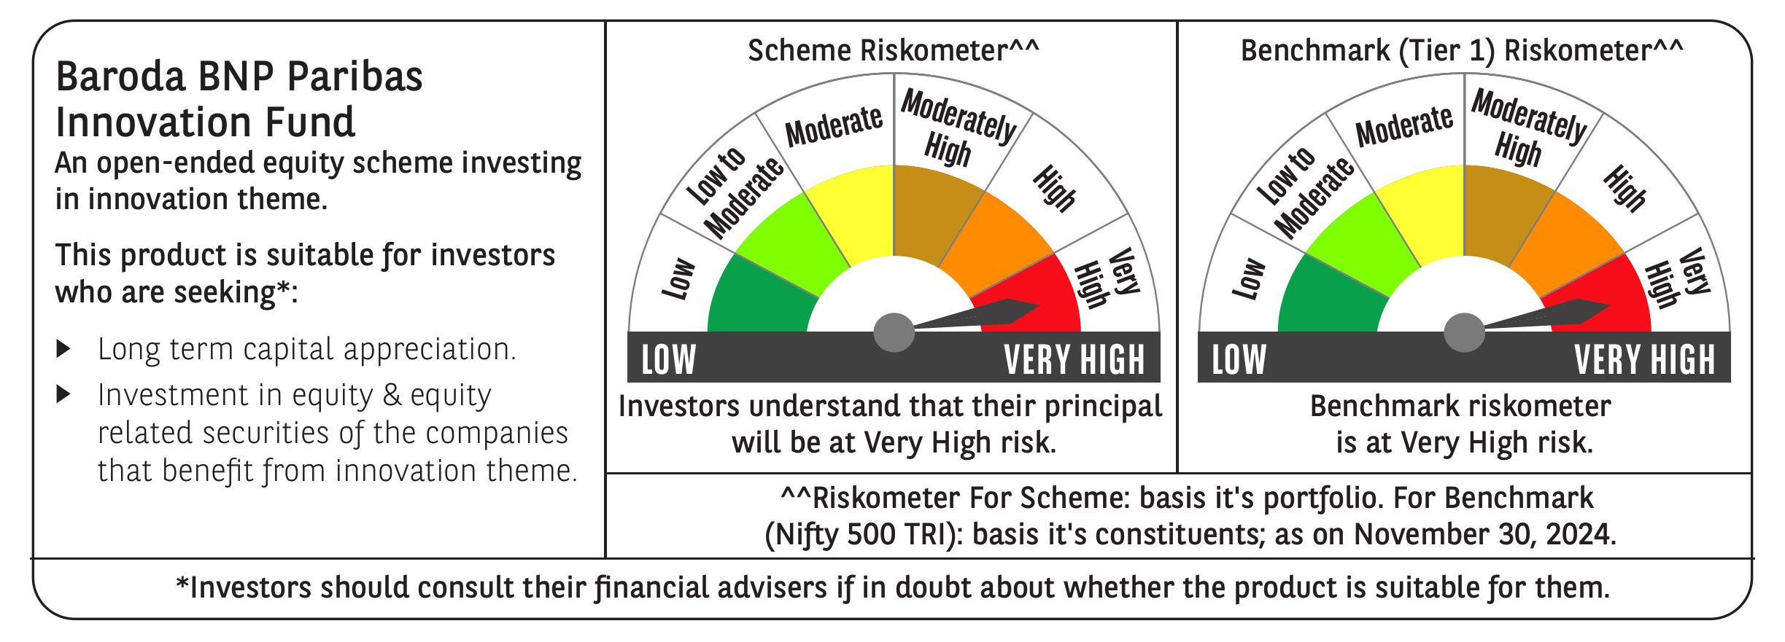
 | Baroda BNP Paribas Innovation Fund

 | Monthly Portfolio Statement as on November 30, 2024
 | Name of the Instrument | ISIN | Industry / Rating | Quantity | Market/Fair Value (Rs. in Lakhs) | % to Net Assets | YTM~ | YTC^ | null
 | Equity & Equity related
 | (a) Listed / awaiting listing on Stock Exchanges
IEIN01 | Info Edge (India) Limited | INE663F01024 | Retailing | 58,100 | 4,796.33 | 4.18%
INFS02 | Infosys Limited | INE009A01021 | IT - Software | 253,000 | 4,700.36 | 4.09%
ESMC02 | PB Fintech Limited | INE417T01026 | Financial Technology (Fintech) | 243,600 | 4,613.54 | 4.02%
ZMPL01 | Zomato Limited | INE758T01015 | Retailing | 1,334,500 | 3,733.40 | 3.25%
BTVL02 | Bharti Airtel Limited | INE397D01024 | Telecom - Services | 229,358 | 3,732.00 | 3.25%
LAKM02 | Trent Limited | INE849A01020 | Retailing | 52,000 | 3,533.61 | 3.08%
NSDL02 | Protean eGov Technologies Limited | INE004A01022 | IT - Services | 198,600 | 3,525.45 | 3.07%
ALLI02 | GE Vernova T&D India Limited | INE200A01026 | Electrical Equipment | 199,032 | 3,495.40 | 3.04%
TCSL01 | Tata Consultancy Services Limited | INE467B01029 | IT - Software | 81,000 | 3,459.39 | 3.01%
MOTI02 | Bosch Limited | INE323A01026 | Auto Components | 9,700 | 3,391.72 | 2.95%
IBCL05 | ICICI Bank Limited | INE090A01021 | Banks | 255,000 | 3,315.26 | 2.89%
SAEL02 | TVS Motor Company Limited | INE494B01023 | Automobiles | 133,000 | 3,237.82 | 2.82%
CAMS01 | Computer Age Management Services Limited | INE596I01012 | Capital Markets | 63,000 | 3,104.89 | 2.70%
SPIL03 | Sun Pharmaceutical Industries Limited | INE044A01036 | Pharmaceuticals & Biotechnology | 170,000 | 3,027.53 | 2.64%
IFEL01 | Oracle Financial Services Software Limited | INE881D01027 | IT - Software | 25,582 | 2,992.19 | 2.61%
BOCL01 | Linde India Limited | INE473A01011 | Chemicals & Petrochemicals | 42,774 | 2,960.28 | 2.58%
BEFS01 | Mrs. Bectors Food Specialities Limited | INE495P01012 | Food Products | 158,200 | 2,870.22 | 2.50%
ABBP01 | Hitachi Energy India Limited | INE07Y701011 | Electrical Equipment | 23,297 | 2,790.64 | 2.43%
JYCN01 | Jyoti CNC Automation Ltd | INE980O01024 | Industrial Manufacturing | 223,750 | 2,779.31 | 2.42%
MCEX01 | Multi Commodity Exchange of India Limited | INE745G01035 | Capital Markets | 44,000 | 2,721.55 | 2.37%
DIVI02 | Divi's Laboratories Limited | INE361B01024 | Pharmaceuticals & Biotechnology | 43,700 | 2,697.47 | 2.35%
DIXO02 | Dixon Technologies (India) Limited | INE935N01020 | Consumer Durables | 16,800 | 2,655.64 | 2.31%
ASEA02 | ABB India Limited | INE117A01022 | Electrical Equipment | 35,600 | 2,641.97 | 2.30%
PIIN03 | PI Industries Limited | INE603J01030 | Fertilizers & Agrochemicals | 63,500 | 2,581.59 | 2.25%
BIRM01 | 3M India Limited | INE470A01017 | Diversified | 6,964 | 2,245.56 | 1.96%
KFIN01 | KFin Technologies Limited | INE138Y01010 | Capital Markets | 190,000 | 2,211.13 | 1.93%
RIND01 | Reliance Industries Limited | INE002A01018 | Petroleum Products | 164,000 | 2,119.21 | 1.85%
KPEL01 | KPIT Technologies Limited | INE04I401011 | IT - Software | 146,000 | 1,998.45 | 1.74%
TEGA01 | Tega Industries Limited | INE011K01018 | Industrial Manufacturing | 112,397 | 1,933.06 | 1.68%
BSEL02 | BSE Limited | INE118H01025 | Capital Markets | 39,700 | 1,854.29 | 1.62%
TAHO01 | Honeywell Automation India Limited | INE671A01010 | Industrial Manufacturing | 4,500 | 1,837.58 | 1.60%
MAXI02 | Max Financial Services Limited | INE180A01020 | Insurance | 159,500 | 1,808.65 | 1.58%
NGEL01 | NTPC Green Energy Limited | INE0ONG01011 | Power | 1,403,543 | 1,752.18 | 1.53%
TBOT01 | TBO Tek Limited | INE673O01025 | Leisure Services | 108,573 | 1,722.62 | 1.50%
SONB01 | Sona BLW Precision Forgings Limited | INE073K01018 | Auto Components | 255,000 | 1,712.58 | 1.49%
FSNE01 | FSN E-Commerce Ventures Limited | INE388Y01029 | Retailing | 940,000 | 1,617.36 | 1.41%
JBCH03 | JB Chemicals & Pharmaceuticals Limited | INE572A01036 | Pharmaceuticals & Biotechnology | 89,621 | 1,555.19 | 1.35%
LATE01 | Latent View Analytics Limited | INE0I7C01011 | IT - Software | 334,000 | 1,495.99 | 1.30%
AMRA03 | Amara Raja Energy & Mobility Ltd | INE885A01032 | Auto Components | 108,097 | 1,384.40 | 1.21%
TTEC01 | Tata Technologies Limited | INE142M01025 | IT - Services | 135,030 | 1,267.26 | 1.10%
WESD02 | Westlife Foodworld Limited | INE274F01020 | Leisure Services | 128,727 | 975.24 | 0.85%
TELC03 | Tata Motors Limited | INE155A01022 | Automobiles | 109,000 | 857.23 | 0.75%
BLTE01 | Swiggy Limited | INE00H001014 | Retailing | 60,804 | 286.23 | 0.25%
 | Sub Total |  |  |  | 109,991.77 | 95.81%
 | (b) Unlisted |  |  |  | NIL | NIL
 | Sub Total |  |  |  | NIL | NIL
 | Total |  |  |  | 109,991.77 | 95.81%
 | Money Market Instruments
 | Treasury Bill
TBIL2404 | 364 Days Tbill (MD 10/07/2025) | IN002024Z156 | Sovereign | 1,000,000 | 961.29 | 0.84% | 6.65%
 | Sub Total |  |  |  | 961.29 | 0.84%
 | Total |  |  |  | 961.29 | 0.84%
 | Reverse Repo / TREPS
TRP_021224 | Clearing Corporation of India Ltd |  |  |  | 3,818.50 | 3.33% | 6.69%
 | Sub Total |  |  |  | 3,818.50 | 3.33%
 | Total |  |  |  | 3,818.50 | 3.33%
 | Net Receivables / (Payables) |  |  |  | 30.96 | 0.02%
 | GRAND TOTAL |  |  |  | 114,802.52 | 100.00%

 | ~ YTM as on November 30, 2024
 | ^ YTC represents Yield to Call provided by valuation agencies as on November 30, 2024. It is disclosed for Perpetual Bond issued by Banks (i.e. AT-1 Bond / Tier 1 Bond / Tier 2 Bond), as per AMFI Best Practices Guidelines Circular no. 135/BP/91/2020-21 re

