T0ME35
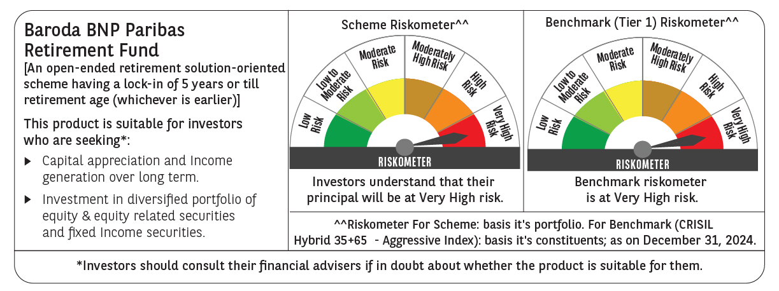
 | Baroda BNP Paribas Retirement Fund

 | Monthly Portfolio Statement as on December 31, 2024
 | Name of the Instrument | ISIN | Industry / Rating | Quantity | Market/Fair Value (Rs. in Lakhs) | % to Net Assets | YTM~ | YTC^ | null
 | Equity & Equity related
 | (a) Listed / awaiting listing on Stock Exchanges
HDFB03 | HDFC Bank Limited | INE040A01034 | Banks | 100,000 | 1,772.85 | 4.96%
INFS02 | Infosys Limited | INE009A01021 | IT - Software | 80,000 | 1,504.00 | 4.21%
IBCL05 | ICICI Bank Limited | INE090A01021 | Banks | 97,000 | 1,243.20 | 3.48%
ALLI02 | GE Vernova T&D India Limited | INE200A01026 | Electrical Equipment | 51,403 | 1,067.07 | 2.99%
RIND01 | Reliance Industries Limited | INE002A01018 | Petroleum Products | 72,000 | 875.12 | 2.45%
DIVI02 | Divi's Laboratories Limited | INE361B01024 | Pharmaceuticals & Biotechnology | 13,200 | 805.04 | 2.25%
BTVL02 | Bharti Airtel Limited | INE397D01024 | Telecom - Services | 46,000 | 730.37 | 2.04%
IIFM02 | 360 One WAM Limited | INE466L01038 | Capital Markets | 58,060 | 728.54 | 2.04%
ITCL02 | ITC Limited | INE154A01025 | Diversified FMCG | 125,000 | 604.56 | 1.69%
JYCN01 | Jyoti CNC Automation Ltd | INE980O01024 | Industrial Manufacturing | 40,000 | 540.24 | 1.51%
DIXO02 | Dixon Technologies (India) Limited | INE935N01020 | Consumer Durables | 3,000 | 538.09 | 1.51%
MAHI02 | Mahindra & Mahindra Limited | INE101A01026 | Automobiles | 17,000 | 511.21 | 1.43%
VNBL03 | Varun Beverages Limited | INE200M01039 | Beverages | 79,849 | 509.84 | 1.43%
DABU02 | Dabur India Limited | INE016A01026 | Personal Products | 100,000 | 507.00 | 1.42%
BEFS01 | Mrs. Bectors Food Specialities Limited | INE495P01012 | Food Products | 29,000 | 475.19 | 1.33%
BKBA02 | Bank of Baroda | INE028A01039 | Banks | 195,000 | 469.07 | 1.31%
HLEL02 | Hindustan Unilever Limited | INE030A01027 | Diversified FMCG | 20,000 | 465.37 | 1.30%
ESMC02 | PB Fintech Limited | INE417T01026 | Financial Technology (Fintech) | 21,300 | 449.19 | 1.26%
PHFP02 | PNB Housing Finance Limited | INE572E01012 | Finance | 50,000 | 438.85 | 1.23%
BHAH02 | Bharat Heavy Electricals Limited | INE257A01026 | Electrical Equipment | 185,000 | 424.39 | 1.19%
MASL02 | Mastek Limited | INE759A01021 | IT - Software | 14,000 | 416.92 | 1.17%
SAGI01 | Sagility India Limited | INE0W2G01015 | IT - Services | 822,847 | 415.13 | 1.16%
ABBP01 | Hitachi Energy India Limited | INE07Y701011 | Electrical Equipment | 2,800 | 403.54 | 1.13%
PSYL02 | Persistent Systems Limited | INE262H01021 | IT - Software | 6,200 | 400.38 | 1.12%
KEII02 | KEI Industries Limited | INE878B01027 | Industrial Products | 9,000 | 399.30 | 1.12%
BSEL02 | BSE Limited | INE118H01025 | Capital Markets | 7,400 | 394.08 | 1.10%
LARS02 | Larsen & Toubro Limited | INE018A01030 | Construction | 10,800 | 389.63 | 1.09%
HAIL03 | Havells India Limited | INE176B01034 | Consumer Durables | 23,100 | 386.95 | 1.08%
LAKM02 | Trent Limited | INE849A01020 | Retailing | 5,400 | 384.66 | 1.08%
MAHE01 | Max Healthcare Institute Limited | INE027H01010 | Healthcare Services | 34,000 | 383.57 | 1.07%
PFCL01 | Power Finance Corporation Limited | INE134E01011 | Finance | 85,500 | 383.47 | 1.07%
PRRC03 | Navin Fluorine International Limited | INE048G01026 | Chemicals & Petrochemicals | 11,701 | 379.79 | 1.06%
ZMPL01 | Zomato Limited | INE758T01015 | Retailing | 135,000 | 375.37 | 1.05%
AFPL02 | AU Small Finance Bank Limited | INE949L01017 | Banks | 66,000 | 369.01 | 1.03%
LTIL01 | LTIMindtree Limited | INE214T01019 | IT - Software | 6,600 | 368.67 | 1.03%
NTPC01 | NTPC Limited | INE733E01010 | Power | 108,000 | 360.02 | 1.01%
MAXI02 | Max Financial Services Limited | INE180A01020 | Insurance | 32,200 | 358.68 | 1.00%
SBAI02 | State Bank of India | INE062A01020 | Banks | 45,000 | 357.73 | 1.00%
VORL03 | Vinati Organics Limited | INE410B01037 | Chemicals & Petrochemicals | 19,826 | 357.57 | 1.00%
GUAM02 | Ambuja Cements Limited | INE079A01024 | Cement & Cement Products | 64,000 | 342.91 | 0.96%
KOMA02 | Kotak Mahindra Bank Limited | INE237A01028 | Banks | 19,000 | 339.35 | 0.95%
CIPL03 | Cipla Limited | INE059A01026 | Pharmaceuticals & Biotechnology | 22,000 | 336.38 | 0.94%
BFLS01 | Mphasis Limited | INE356A01018 | IT - Software | 11,500 | 327.43 | 0.92%
IEIN01 | Info Edge (India) Limited | INE663F01024 | Retailing | 3,600 | 312.38 | 0.87%
PGCI01 | Power Grid Corporation of India Limited | INE752E01010 | Power | 100,000 | 308.70 | 0.86%
SAEL02 | TVS Motor Company Limited | INE494B01023 | Automobiles | 13,000 | 307.91 | 0.86%
MIIL02 | UNO Minda Limited | INE405E01023 | Auto Components | 28,000 | 294.90 | 0.83%
HINI02 | Hindalco Industries Limited | INE038A01020 | Non - Ferrous Metals | 48,000 | 289.18 | 0.81%
BOCL01 | Linde India Limited | INE473A01011 | Chemicals & Petrochemicals | 4,600 | 275.82 | 0.77%
BIRM01 | 3M India Limited | INE470A01017 | Diversified | 900 | 273.54 | 0.77%
MUND02 | Adani Ports and Special Economic Zone Limited | INE742F01042 | Transport Infrastructure | 21,000 | 258.53 | 0.72%
TEMA02 | Tech Mahindra Limited | INE669C01036 | IT - Software | 15,000 | 255.93 | 0.72%
CHOL02 | Cholamandalam Investment and Finance Company Ltd | INE121A01024 | Finance | 20,000 | 237.19 | 0.66%
CONB01 | Concord Biotech Limited | INE338H01029 | Pharmaceuticals & Biotechnology | 1,100 | 24.32 | 0.07%
 | Sub Total |  |  |  | 26,128.13 | 73.11%
 | (b) Unlisted |  |  |  | NIL | NIL
 | Sub Total |  |  |  | NIL | NIL
 | Total |  |  |  | 26,128.13 | 73.11%
 | Debt Instruments
 | (a) Listed / awaiting listing on Stock Exchange
GOI5728 | 7.34% Government of India (22/04/2064) | IN0020240035 | Sovereign | 5,021,800 | 5,217.71 | 14.61% | 7.17%
GOI6156 | 6.79% Government of India (07/10/2034) | IN0020240126 | Sovereign | 1,500,000 | 1,503.05 | 4.21% | 6.87%
RUPL50 | 7.90% Jamnagar Utilities & Power Private Limited (10/08/2028) ** | INE936D07182 | CRISIL AAA | 1,000 | 1,009.71 | 2.83% | 7.56%
PHFL84 | 6.75% Piramal Capital & Housing Finance Limited (26/09/2031) ** | INE516Y07444 | ICRA AA | 57,142 | 432.14 | 1.21% | 10.49%
 | Sub Total |  |  |  | 8,162.61 | 22.86%
 | (b) Privately placed / Unlisted |  |  |  | NIL | NIL
 | Sub Total |  |  |  | NIL | NIL
 | Total |  |  |  | 8,162.61 | 22.86%
 | Reverse Repo / TREPS
TRP_010125 | Clearing Corporation of India Ltd |  |  |  | 1,365.06 | 3.82% | 6.58%
 | Sub Total |  |  |  | 1,365.06 | 3.82%
 | (b) Privately placed / Unlisted |  |  |  | NIL | NIL
 | Sub Total |  |  |  | NIL | NIL
 | Total |  |  |  | 1,365.06 | 3.82%
 | Net Receivables / (Payables) |  |  |  | 67.29 | 0.21%
 | GRAND TOTAL |  |  |  | 35,723.09 | 100.00%

 | ** Thinly Traded / Non Traded Security
 | ~ YTM as on December 31, 2024
 | ^ YTC represents Yield to Call provided by valuation agencies as on December 31, 2024. It is disclosed for Perpetual Bond issued by Banks (i.e. AT-1 Bond / Tier 1 Bond / Tier 2 Bond), as per AMFI Best Practices Guidelines Circular no. 135/BP/91/2020-21 re

