Monthly Portfolio
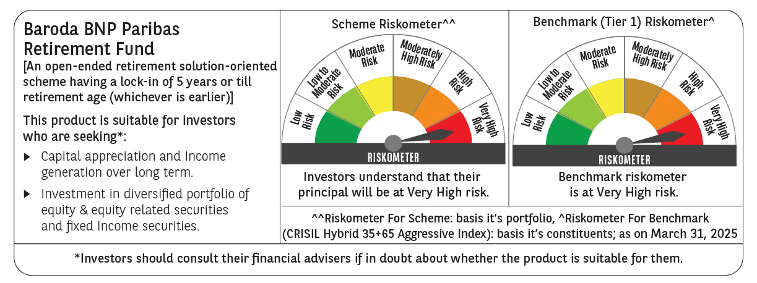
 | Baroda BNP Paribas Retirement Fund

 | Monthly Portfolio Statement as on March 31, 2025
 | Name of the Instrument | ISIN | Industry / Rating | Quantity | Market/Fair Value (Rs. in Lakhs) | % to Net Assets | YTM~ | YTC^ | null
 | Equity & Equity related
 | (a) Listed / awaiting listing on Stock Exchanges
HDFB03 | HDFC Bank Limited | INE040A01034 | Banks | 100,000 | 1,828.20 | 5.14%
IBCL05 | ICICI Bank Limited | INE090A01021 | Banks | 117,000 | 1,577.57 | 4.44%
RIND01 | Reliance Industries Limited | INE002A01018 | Petroleum Products | 79,000 | 1,007.33 | 2.83%
BTVL02 | Bharti Airtel Limited | INE397D01024 | Telecom - Services | 46,000 | 797.36 | 2.24%
INFS02 | Infosys Limited | INE009A01021 | IT - Software | 50,600 | 794.75 | 2.24%
DIVI02 | Divi's Laboratories Limited | INE361B01024 | Pharmaceuticals & Biotechnology | 13,200 | 762.36 | 2.14%
ALLI02 | GE Vernova T&D India Limited | INE200A01026 | Electrical Equipment | 38,590 | 601.52 | 1.69%
MAUD01 | Maruti Suzuki India Limited | INE585B01010 | Automobiles | 5,000 | 576.11 | 1.62%
KOMA02 | Kotak Mahindra Bank Limited | INE237A01028 | Banks | 25,000 | 542.80 | 1.53%
ADWI01 | Adani Wilmar Limited | INE699H01024 | Agricultural Food & other Products | 207,000 | 534.72 | 1.50%
ULCC01 | UltraTech Cement Limited | INE481G01011 | Cement & Cement Products | 4,600 | 529.44 | 1.49%
ITCL02 | ITC Limited | INE154A01025 | Diversified FMCG | 125,000 | 512.19 | 1.44%
CHOL02 | Cholamandalam Investment and Finance Company Ltd | INE121A01024 | Finance | 33,000 | 501.58 | 1.41%
ABBP01 | Hitachi Energy India Limited | INE07Y701011 | Electrical Equipment | 3,930 | 497.29 | 1.40%
PRRC03 | Navin Fluorine International Limited | INE048G01026 | Chemicals & Petrochemicals | 11,701 | 492.71 | 1.39%
VNBL03 | Varun Beverages Limited | INE200M01039 | Beverages | 87,849 | 474.08 | 1.33%
NTPC01 | NTPC Limited | INE733E01010 | Power | 130,000 | 464.88 | 1.31%
MAHI02 | Mahindra & Mahindra Limited | INE101A01026 | Automobiles | 17,000 | 453.19 | 1.27%
BKBA02 | Bank of Baroda | INE028A01039 | Banks | 195,000 | 445.63 | 1.25%
PHFP02 | PNB Housing Finance Limited | INE572E01012 | Finance | 50,000 | 440.75 | 1.24%
BEFS01 | Mrs. Bectors Food Specialities Limited | INE495P01012 | Food Products | 29,000 | 423.81 | 1.19%
BHAH02 | Bharat Heavy Electricals Limited | INE257A01026 | Electrical Equipment | 185,000 | 400.40 | 1.13%
RAKH02 | Radico Khaitan Limited | INE944F01028 | Beverages | 16,000 | 388.63 | 1.09%
JYCN01 | Jyoti CNC Automation Ltd | INE980O01024 | Industrial Manufacturing | 36,411 | 385.43 | 1.08%
LARS02 | Larsen & Toubro Limited | INE018A01030 | Construction | 10,800 | 377.17 | 1.06%
MAHE01 | Max Healthcare Institute Limited | INE027H01010 | Healthcare Services | 34,000 | 372.96 | 1.05%
MAXI02 | Max Financial Services Limited | INE180A01020 | Insurance | 32,200 | 369.56 | 1.04%
IIFM02 | 360 One WAM Limited | INE466L01038 | Capital Markets | 38,060 | 358.77 | 1.01%
PFCL01 | Power Finance Corporation Limited | INE134E01011 | Finance | 85,500 | 354.18 | 1.00%
HAIL03 | Havells India Limited | INE176B01034 | Consumer Durables | 23,100 | 353.18 | 0.99%
SAGI01 | Sagility India Limited | INE0W2G01015 | IT - Services | 822,847 | 353.08 | 0.99%
ZMPL01 | Zomato Limited | INE758T01015 | Retailing | 175,000 | 352.98 | 0.99%
AFPL02 | AU Small Finance Bank Limited | INE949L01017 | Banks | 66,000 | 352.84 | 0.99%
BOCL01 | Linde India Limited | INE473A01011 | Chemicals & Petrochemicals | 5,600 | 350.41 | 0.99%
SBAI02 | State Bank of India | INE062A01020 | Banks | 45,000 | 347.18 | 0.98%
GUAM02 | Ambuja Cements Limited | INE079A01024 | Cement & Cement Products | 64,000 | 344.54 | 0.97%
PSYL02 | Persistent Systems Limited | INE262H01021 | IT - Software | 6,200 | 341.85 | 0.96%
KCUL02 | Cummins India Limited | INE298A01020 | Industrial Products | 11,000 | 335.70 | 0.94%
DIXO02 | Dixon Technologies (India) Limited | INE935N01020 | Consumer Durables | 2,500 | 329.49 | 0.93%
HINI02 | Hindalco Industries Limited | INE038A01020 | Non - Ferrous Metals | 48,000 | 327.58 | 0.92%
CIPL03 | Cipla Limited | INE059A01026 | Pharmaceuticals & Biotechnology | 22,000 | 317.28 | 0.89%
SAEL02 | TVS Motor Company Limited | INE494B01023 | Automobiles | 13,000 | 314.58 | 0.88%
VORL03 | Vinati Organics Limited | INE410B01037 | Chemicals & Petrochemicals | 19,826 | 313.44 | 0.88%
DABU02 | Dabur India Limited | INE016A01026 | Personal Products | 60,681 | 307.35 | 0.86%
MASL02 | Mastek Limited | INE759A01021 | IT - Software | 14,000 | 305.36 | 0.86%
ESMC02 | PB Fintech Limited | INE417T01026 | Financial Technology (Fintech) | 19,200 | 305.23 | 0.86%
LTIL01 | LTIMindtree Limited | INE214T01019 | IT - Software | 6,600 | 296.43 | 0.83%
PGCI01 | Power Grid Corporation of India Limited | INE752E01010 | Power | 100,000 | 290.35 | 0.82%
LAKM02 | Trent Limited | INE849A01020 | Retailing | 5,400 | 287.56 | 0.81%
BAFL02 | Bajaj Finance Limited | INE296A01024 | Finance | 3,000 | 268.37 | 0.75%
BIRM01 | 3M India Limited | INE470A01017 | Diversified | 900 | 260.00 | 0.73%
IEIN01 | Info Edge (India) Limited | INE663F01024 | Retailing | 3,600 | 258.53 | 0.73%
MCEX01 | Multi Commodity Exchange of India Limited | INE745G01035 | Capital Markets | 4,800 | 254.96 | 0.72%
CONB01 | Concord Biotech Limited | INE338H01029 | Pharmaceuticals & Biotechnology | 15,100 | 253.77 | 0.71%
MUND02 | Adani Ports and Special Economic Zone Limited | INE742F01042 | Transport Infrastructure | 21,000 | 248.42 | 0.70%
MIIL02 | UNO Minda Limited | INE405E01023 | Auto Components | 28,000 | 245.14 | 0.69%
CUBI02 | City Union Bank Limited | INE491A01021 | Banks | 150,000 | 235.77 | 0.66%
APLI04 | Hexaware Technologies Limited | INE093A01041 | IT - Software | 14,794 | 103.67 | 0.29%
 | Sub Total |  |  |  | 25,920.41 | 72.87%
 | (b) Invits
ANZE01 | Anzen India Energy Yield Plus Trust | INE0MIZ23019 | Power | 1,000,000 | 1,060.00 | 2.98%
 | Sub Total |  |  |  | 1,060.00 | 2.98%
 | (c) Unlisted |  |  |  | NIL | NIL
 | Sub Total |  |  |  | NIL | NIL
 | Total |  |  |  | 26,980.41 | 75.85%
 | Debt Instruments
 | (a) Listed / awaiting listing on Stock Exchange
GOI5728 | 7.34% Government of India (22/04/2064) | IN0020240035 | Sovereign | 5,021,800 | 5,285.62 | 14.87% | 7.07%
GOI6156 | 6.79% Government of India (07/10/2034) | IN0020240126 | Sovereign | 1,000,000 | 1,014.74 | 2.85% | 6.69%
RUPL50 | 7.90% Jamnagar Utilities & Power Private Limited (10/08/2028) ** | INE936D07182 | CRISIL AAA | 1,000 | 1,012.88 | 2.85% | 7.43%
PHFL84 | 6.75% Piramal Capital & Housing Finance Limited (26/09/2031) ** | INE516Y07444 | ICRA AA | 57,142 | 425.53 | 1.20% | 10.12%
 | Sub Total |  |  |  | 7,738.77 | 21.77%
 | (b) Privately placed / Unlisted |  |  |  | NIL | NIL
 | Sub Total |  |  |  | NIL | NIL
 | Total |  |  |  | 7,738.77 | 21.77%
 | Reverse Repo / TREPS
TRP_020425 | Clearing Corporation of India Ltd |  |  |  | 693.95 | 1.95% | 6.68%
 | Sub Total |  |  |  | 693.95 | 1.95%
 | (b) Privately placed / Unlisted |  |  |  | NIL | NIL
 | Sub Total |  |  |  | NIL | NIL
 | Total |  |  |  | 693.95 | 1.95%
 | Net Receivables / (Payables) |  |  |  | 137.08 | 0.43%
 | GRAND TOTAL |  |  |  | 35,550.21 | 100.00%

 | ** Thinly Traded / Non Traded Security
 | ~ YTM as on March 31, 2025
 | ^ YTC represents Yield to Call provided by valuation agencies as on March 31, 2025. It is disclosed for Perpetual Bond issued by Banks (i.e. AT-1 Bond / Tier 1 Bond / Tier 2 Bond), as per AMFI Best Practices Guidelines Circular no. 135/BP/91/2020-21 read with SEBI circular No. SEBI/HO/IMD/DF4/CIR/P/2021/034 on Valuation of AT-1 Bonds and Tier 2 Bonds.

