T0ME35
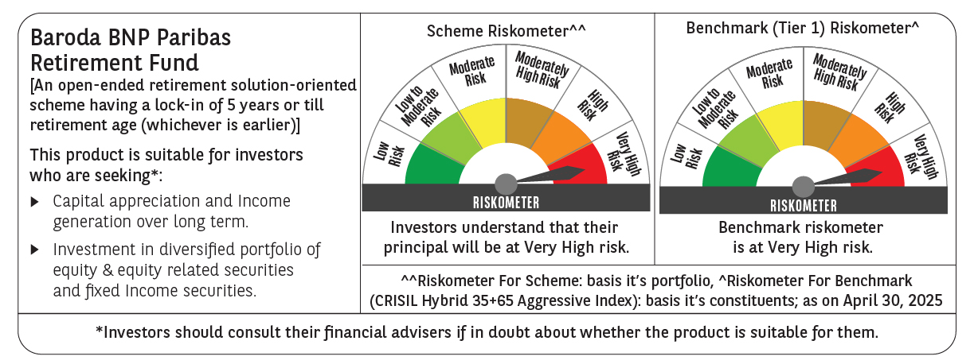
 | Baroda BNP Paribas Retirement Fund

 | Monthly Portfolio Statement as on April 30, 2025
 | Name of the Instrument | ISIN | Industry / Rating | Quantity | Market/Fair Value (Rs. in Lakhs) | % to Net Assets | YTM~ | YTC^ | null
 | Equity & Equity related
 | (a) Listed / awaiting listing on Stock Exchanges
HDFB03 | HDFC Bank Limited | INE040A01034 | Banks | 110,000 | 2,117.50 | 5.69%
IBCL05 | ICICI Bank Limited | INE090A01021 | Banks | 117,000 | 1,669.59 | 4.48%
RIND01 | Reliance Industries Limited | INE002A01018 | Petroleum Products | 91,000 | 1,278.55 | 3.43%
INFS02 | Infosys Limited | INE009A01021 | IT - Software | 56,700 | 850.56 | 2.28%
BTVL02 | Bharti Airtel Limited | INE397D01024 | Telecom - Services | 43,700 | 814.79 | 2.19%
DIVI02 | Divi's Laboratories Limited | INE361B01024 | Pharmaceuticals & Biotechnology | 13,200 | 803.48 | 2.16%
ABBP01 | Hitachi Energy India Limited | INE07Y701011 | Electrical Equipment | 3,930 | 570.99 | 1.53%
BHAH02 | Bharat Heavy Electricals Limited | INE257A01026 | Electrical Equipment | 250,000 | 567.10 | 1.52%
ADWI01 | AWL Agri Business Limited | INE699H01024 | Agricultural Food & other Products | 207,000 | 552.79 | 1.48%
KOMA02 | Kotak Mahindra Bank Limited | INE237A01028 | Banks | 25,000 | 552.03 | 1.48%
ULCC01 | UltraTech Cement Limited | INE481G01011 | Cement & Cement Products | 4,600 | 535.49 | 1.44%
ITCL02 | ITC Limited | INE154A01025 | Diversified FMCG | 125,000 | 532.25 | 1.43%
MAHI02 | Mahindra & Mahindra Limited | INE101A01026 | Automobiles | 17,000 | 497.90 | 1.34%
CHOL02 | Cholamandalam Investment and Finance Company Ltd | INE121A01024 | Finance | 33,000 | 492.43 | 1.32%
BKBA02 | Bank of Baroda | INE028A01039 | Banks | 195,000 | 487.36 | 1.31%
PRRC03 | Navin Fluorine International Limited | INE048G01026 | Chemicals & Petrochemicals | 10,501 | 474.81 | 1.28%
NTPC01 | NTPC Limited | INE733E01010 | Power | 130,000 | 460.92 | 1.24%
VNBL03 | Varun Beverages Limited | INE200M01039 | Beverages | 87,849 | 458.88 | 1.23%
PHFP02 | PNB Housing Finance Limited | INE572E01012 | Finance | 45,000 | 454.59 | 1.22%
AFPL02 | AU Small Finance Bank Limited | INE949L01017 | Banks | 66,000 | 447.88 | 1.20%
BEFS01 | Mrs. Bectors Food Specialities Limited | INE495P01012 | Food Products | 29,000 | 432.19 | 1.16%
MAXI02 | Max Financial Services Limited | INE180A01020 | Insurance | 32,200 | 420.21 | 1.13%
DIXO02 | Dixon Technologies (India) Limited | INE935N01020 | Consumer Durables | 2,500 | 411.30 | 1.10%
ZMPL01 | Eternal Limited | INE758T01015 | Retailing | 175,000 | 406.91 | 1.09%
RAKH02 | Radico Khaitan Limited | INE944F01028 | Beverages | 16,000 | 392.91 | 1.06%
JYCN01 | Jyoti CNC Automation Ltd | INE980O01024 | Industrial Manufacturing | 36,411 | 392.00 | 1.05%
TEMA02 | Tech Mahindra Limited | INE669C01036 | IT - Software | 25,000 | 375.75 | 1.01%
MAHE01 | Max Healthcare Institute Limited | INE027H01010 | Healthcare Services | 34,000 | 373.39 | 1.00%
HAIL03 | Havells India Limited | INE176B01034 | Consumer Durables | 23,100 | 369.83 | 0.99%
LARS02 | Larsen & Toubro Limited | INE018A01030 | Construction | 10,800 | 360.83 | 0.97%
SBAI02 | State Bank of India | INE062A01020 | Banks | 45,000 | 354.89 | 0.95%
BOCL01 | Linde India Limited | INE473A01011 | Chemicals & Petrochemicals | 5,600 | 354.82 | 0.95%
PFCL01 | Power Finance Corporation Limited | INE134E01011 | Finance | 85,500 | 348.33 | 0.94%
SAEL02 | TVS Motor Company Limited | INE494B01023 | Automobiles | 13,000 | 347.36 | 0.93%
GUAM02 | Ambuja Cements Limited | INE079A01024 | Cement & Cement Products | 64,000 | 345.41 | 0.93%
CIPL03 | Cipla Limited | INE059A01026 | Pharmaceuticals & Biotechnology | 22,000 | 341.02 | 0.92%
SAGI01 | Sagility India Limited | INE0W2G01015 | IT - Services | 822,847 | 337.86 | 0.91%
PSYL02 | Persistent Systems Limited | INE262H01021 | IT - Software | 6,200 | 329.93 | 0.89%
KCUL02 | Cummins India Limited | INE298A01020 | Industrial Products | 11,000 | 318.49 | 0.86%
ESMC02 | PB Fintech Limited | INE417T01026 | Financial Technology (Fintech) | 19,200 | 312.06 | 0.84%
PGCI01 | Power Grid Corporation of India Limited | INE752E01010 | Power | 100,000 | 307.45 | 0.83%
MAUD01 | Maruti Suzuki India Limited | INE585B01010 | Automobiles | 2,500 | 306.43 | 0.82%
LTIL01 | LTIMindtree Limited | INE214T01019 | IT - Software | 6,600 | 302.71 | 0.81%
HINI02 | Hindalco Industries Limited | INE038A01020 | Non - Ferrous Metals | 48,000 | 299.83 | 0.81%
DABU02 | Dabur India Limited | INE016A01026 | Personal Products | 60,681 | 295.97 | 0.79%
VORL03 | Vinati Organics Limited | INE410B01037 | Chemicals & Petrochemicals | 17,826 | 289.62 | 0.78%
LAKM02 | Trent Limited | INE849A01020 | Retailing | 5,400 | 279.32 | 0.75%
BIRM01 | 3M India Limited | INE470A01017 | Diversified | 900 | 270.99 | 0.73%
CUBI02 | City Union Bank Limited | INE491A01021 | Banks | 150,000 | 264.84 | 0.71%
MCEX01 | Multi Commodity Exchange of India Limited | INE745G01035 | Capital Markets | 4,300 | 263.50 | 0.71%
BAFL02 | Bajaj Finance Limited | INE296A01024 | Finance | 3,000 | 259.04 | 0.70%
MUND02 | Adani Ports and Special Economic Zone Limited | INE742F01042 | Transport Infrastructure | 21,000 | 255.47 | 0.69%
IEIN01 | Info Edge (India) Limited | INE663F01024 | Retailing | 3,600 | 254.50 | 0.68%
MIIL02 | UNO Minda Limited | INE405E01023 | Auto Components | 28,000 | 250.38 | 0.67%
CONB01 | Concord Biotech Limited | INE338H01029 | Pharmaceuticals & Biotechnology | 15,100 | 229.31 | 0.62%
ALLI02 | GE Vernova T&D India Limited | INE200A01026 | Electrical Equipment | 14,590 | 228.49 | 0.61%
APLI04 | Hexaware Technologies Limited | INE093A01041 | IT - Software | 14,794 | 103.48 | 0.28%
 | Sub Total |  |  |  | 26,406.71 | 70.92%
 | (b) Invits
ANZE01 | Anzen India Energy Yield Plus Trust | INE0MIZ23019 | Power | 950,000 | 1,083.00 | 2.91%
 | Sub Total |  |  |  | 1,083.00 | 2.91%
 | (c) Unlisted |  |  |  | NIL | NIL
 | Sub Total |  |  |  | NIL | NIL
 | Total |  |  |  | 27,489.71 | 73.83%
 | Debt Instruments
 | (a) Listed / awaiting listing on Stock Exchange
GOI5728 | 7.34% Government of India (22/04/2064) | IN0020240035 | Sovereign | 6,021,800 | 6,455.39 | 17.34% | 6.93%
GOI6156 | 6.79% Government of India (07/10/2034) | IN0020240126 | Sovereign | 1,000,000 | 1,030.20 | 2.77% | 6.46%
RUPL50 | 7.90% Jamnagar Utilities & Power Private Limited (10/08/2028) ** | INE936D07182 | CRISIL AAA | 1,000 | 1,020.55 | 2.74% | 7.16%
PHFL84 | 6.75% Piramal Capital & Housing Finance Limited (26/09/2031) | INE516Y07444 | ICRA AA | 57,142 | 428.91 | 1.15% | 9.92%
 | Sub Total |  |  |  | 8,935.05 | 24.00%
 | (b) Privately placed / Unlisted |  |  |  | NIL | NIL
 | Sub Total |  |  |  | NIL | NIL
 | Total |  |  |  | 8,935.05 | 24.00%
 | Reverse Repo / TREPS
TRP_020525 | Clearing Corporation of India Ltd |  |  |  | 843.89 | 2.27% | 5.94%
 | Sub Total |  |  |  | 843.89 | 2.27%
 | (b) Privately placed / Unlisted |  |  |  | NIL | NIL
 | Sub Total |  |  |  | NIL | NIL
 | Total |  |  |  | 843.89 | 2.27%
 | Net Receivables / (Payables) |  |  |  | (33.47) | (0.10)%
 | GRAND TOTAL |  |  |  | 37,235.18 | 100.00%

 | ** Thinly Traded / Non Traded Security
 | ~ YTM as on April 30, 2025
 | ^ YTC represents Yield to Call provided by valuation agencies as on April 30, 2025. It is disclosed for Perpetual Bond issued by Banks (i.e. AT-1 Bond / Tier 1 Bond / Tier 2 Bond), as per AMFI Best Practices Guidelines Circular no. 135/BP/91/2020-21 read with SEBI circular No. SEBI/HO/IMD/DF4/CIR/P/2021/034 on Valuation of AT-1 Bonds and Tier 2 Bonds.

