T0ME35
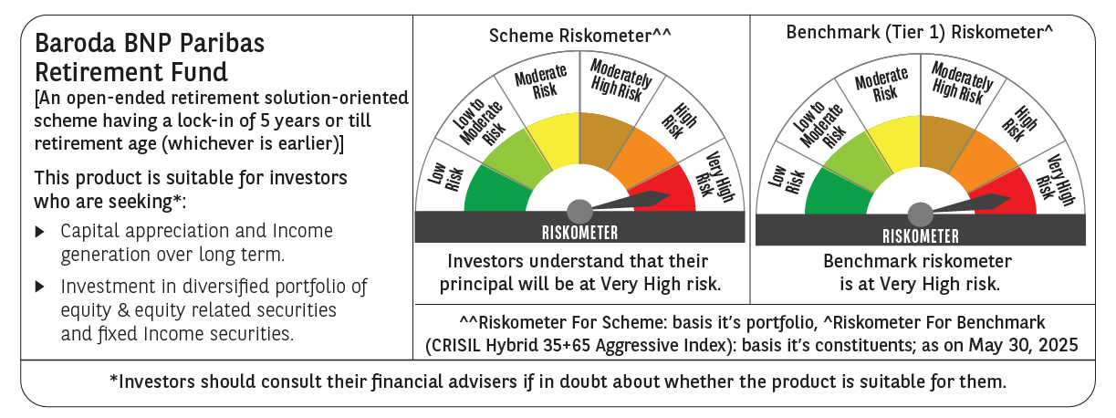
 | Baroda BNP Paribas Retirement Fund

 | Monthly Portfolio Statement as on May 31, 2025
 | Name of the Instrument | ISIN | Industry / Rating | Quantity | Market/Fair Value (Rs. in Lakhs) | % to Net Assets | YTM~ | YTC^ | null
 | Equity & Equity related
 | (a) Listed / awaiting listing on Stock Exchanges
HDFB03 | HDFC Bank Limited | INE040A01034 | Banks | 110,000 | 2,139.39 | 5.61%
IBCL05 | ICICI Bank Limited | INE090A01021 | Banks | 117,000 | 1,691.59 | 4.43%
RIND01 | Reliance Industries Limited | INE002A01018 | Petroleum Products | 91,000 | 1,293.02 | 3.39%
INFS02 | Infosys Limited | INE009A01021 | IT - Software | 56,700 | 886.05 | 2.32%
BTVL02 | Bharti Airtel Limited | INE397D01024 | Telecom - Services | 43,700 | 811.16 | 2.13%
DIVI02 | Divi's Laboratories Limited | INE361B01024 | Pharmaceuticals & Biotechnology | 11,800 | 780.22 | 2.04%
ABBP01 | Hitachi Energy India Limited | INE07Y701011 | Electrical Equipment | 3,930 | 758.41 | 1.99%
BHAH02 | Bharat Heavy Electricals Limited | INE257A01026 | Electrical Equipment | 250,000 | 649.58 | 1.70%
CHOL02 | Cholamandalam Investment and Finance Company Ltd | INE121A01024 | Finance | 33,000 | 528.33 | 1.38%
ITCL02 | ITC Limited | INE154A01025 | Diversified FMCG | 125,000 | 522.56 | 1.37%
KOMA02 | Kotak Mahindra Bank Limited | INE237A01028 | Banks | 25,000 | 518.68 | 1.36%
ULCC01 | UltraTech Cement Limited | INE481G01011 | Cement & Cement Products | 4,600 | 515.66 | 1.35%
BKBA02 | Bank of Baroda | INE028A01039 | Banks | 195,000 | 486.62 | 1.27%
PHFP02 | PNB Housing Finance Limited | INE572E01012 | Finance | 45,000 | 470.21 | 1.23%
AFPL02 | AU Small Finance Bank Limited | INE949L01017 | Banks | 66,000 | 457.41 | 1.20%
MAHI02 | Mahindra & Mahindra Limited | INE101A01026 | Automobiles | 15,300 | 455.45 | 1.19%
MAXI02 | Max Financial Services Limited | INE180A01020 | Insurance | 29,200 | 438.79 | 1.15%
NTPC01 | NTPC Limited | INE733E01010 | Power | 130,000 | 434.07 | 1.14%
JYCN01 | Jyoti CNC Automation Ltd | INE980O01024 | Industrial Manufacturing | 32,811 | 425.10 | 1.11%
BEFS01 | Mrs. Bectors Food Specialities Limited | INE495P01012 | Food Products | 29,000 | 423.14 | 1.11%
BOCL01 | Linde India Limited | INE473A01011 | Chemicals & Petrochemicals | 5,600 | 420.31 | 1.10%
VNBL03 | Varun Beverages Limited | INE200M01039 | Beverages | 87,849 | 418.12 | 1.10%
UTIB02 | Axis Bank Limited | INE238A01034 | Banks | 35,000 | 417.27 | 1.09%
ZMPL01 | Eternal Limited | INE758T01015 | Retailing | 175,000 | 417.04 | 1.09%
RAKH02 | Radico Khaitan Limited | INE944F01028 | Beverages | 16,000 | 405.25 | 1.06%
SAGI01 | Sagility India Limited | INE0W2G01015 | IT - Services | 1,012,847 | 400.38 | 1.05%
LARS02 | Larsen & Toubro Limited | INE018A01030 | Construction | 10,800 | 396.91 | 1.04%
TEMA02 | Tech Mahindra Limited | INE669C01036 | IT - Software | 25,000 | 393.48 | 1.03%
MAHE01 | Max Healthcare Institute Limited | INE027H01010 | Healthcare Services | 34,000 | 382.57 | 1.00%
PRRC03 | Navin Fluorine International Limited | INE048G01026 | Chemicals & Petrochemicals | 8,901 | 379.29 | 0.99%
SBAI02 | State Bank of India | INE062A01020 | Banks | 45,000 | 365.54 | 0.96%
SAEL02 | TVS Motor Company Limited | INE494B01023 | Automobiles | 13,000 | 361.50 | 0.95%
KCUL02 | Cummins India Limited | INE298A01020 | Industrial Products | 11,000 | 359.49 | 0.94%
GUAM02 | Ambuja Cements Limited | INE079A01024 | Cement & Cement Products | 64,000 | 354.24 | 0.93%
HAIL03 | Havells India Limited | INE176B01034 | Consumer Durables | 23,100 | 352.74 | 0.92%
PSYL02 | Persistent Systems Limited | INE262H01021 | IT - Software | 6,200 | 349.56 | 0.92%
ESMC02 | PB Fintech Limited | INE417T01026 | Financial Technology (Fintech) | 19,200 | 338.23 | 0.89%
LTIL01 | LTIMindtree Limited | INE214T01019 | IT - Software | 6,600 | 334.55 | 0.88%
VORL03 | Vinati Organics Limited | INE410B01037 | Chemicals & Petrochemicals | 17,826 | 328.60 | 0.86%
ALLI02 | GE Vernova T&D India Limited | INE200A01026 | Electrical Equipment | 14,590 | 327.02 | 0.86%
PFCL01 | Power Finance Corporation Limited | INE134E01011 | Finance | 79,477 | 322.64 | 0.85%
CIPL03 | Cipla Limited | INE059A01026 | Pharmaceuticals & Biotechnology | 22,000 | 322.45 | 0.84%
DIXO02 | Dixon Technologies (India) Limited | INE935N01020 | Consumer Durables | 2,100 | 308.53 | 0.81%
MAUD01 | Maruti Suzuki India Limited | INE585B01010 | Automobiles | 2,500 | 307.98 | 0.81%
LAKM02 | Trent Limited | INE849A01020 | Retailing | 5,400 | 304.75 | 0.80%
HINI02 | Hindalco Industries Limited | INE038A01020 | Non - Ferrous Metals | 48,000 | 304.08 | 0.80%
MUND02 | Adani Ports and Special Economic Zone Limited | INE742F01042 | Transport Infrastructure | 21,000 | 300.89 | 0.79%
CUBI02 | City Union Bank Limited | INE491A01021 | Banks | 150,000 | 293.55 | 0.77%
DABU02 | Dabur India Limited | INE016A01026 | Personal Products | 60,681 | 293.06 | 0.77%
PGCI01 | Power Grid Corporation of India Limited | INE752E01010 | Power | 100,000 | 289.75 | 0.76%
MIIL02 | UNO Minda Limited | INE405E01023 | Auto Components | 28,000 | 281.86 | 0.74%
BRIT03 | Britannia Industries Limited | INE216A01030 | Food Products | 5,000 | 275.53 | 0.72%
BAFL02 | Bajaj Finance Limited | INE296A01024 | Finance | 3,000 | 275.42 | 0.72%
CONB01 | Concord Biotech Limited | INE338H01029 | Pharmaceuticals & Biotechnology | 15,100 | 264.02 | 0.69%
BIRM01 | 3M India Limited | INE470A01017 | Diversified | 900 | 263.48 | 0.69%
IEIN02 | Info Edge (India) Limited | INE663F01032 | Retailing | 18,000 | 256.95 | 0.67%
MCEX01 | Multi Commodity Exchange of India Limited | INE745G01035 | Capital Markets | 3,850 | 254.18 | 0.67%
APLI04 | Hexaware Technologies Limited | INE093A01041 | IT - Software | 14,794 | 126.86 | 0.33%
 | Sub Total |  |  |  | 27,233.51 | 71.36%
 | (b) Invits
ANZE01 | Anzen India Energy Yield Plus Trust | INE0MIZ23019 | Power | 950,000 | 1,083.00 | 2.84%
 | Sub Total |  |  |  | 1,083.00 | 2.84%
 | (c) Unlisted |  |  |  | NIL | NIL
 | Sub Total |  |  |  | NIL | NIL
 | Total |  |  |  | 28,316.51 | 74.20%
 | Debt Instruments
 | (a) Listed / awaiting listing on Stock Exchange
GOI5728 | 7.34% Government of India (22/04/2064) | IN0020240035 | Sovereign | 6,521,800 | 6,942.03 | 18.19% | 6.98%
GOI6156 | 6.79% Government of India (07/10/2034) | IN0020240126 | Sovereign | 1,000,000 | 1,035.93 | 2.71% | 6.37%
RUPL50 | 7.90% Jamnagar Utilities & Power Private Limited (10/08/2028) ** | INE936D07182 | CRISIL AAA | 500 | 514.41 | 1.35% | 6.85%
NTPC257 | 6.84% NTPC Limited (09/05/2035) | INE733E08270 | CRISIL AAA | 500 | 503.07 | 1.32% | 6.75%
PHFL84 | 6.75% Piramal Finance Limited (26/09/2031) | INE516Y07444 | ICRA AA | 57,142 | 436.66 | 1.14% | 9.37%
 | Sub Total |  |  |  | 9,432.10 | 24.71%
 | (b) Privately placed / Unlisted |  |  |  | NIL | NIL
 | Sub Total |  |  |  | NIL | NIL
 | Total |  |  |  | 9,432.10 | 24.71%
 | Reverse Repo / TREPS
TRP_020625 | Clearing Corporation of India Ltd |  |  |  | 732.59 | 1.92% | 5.77%
 | Sub Total |  |  |  | 732.59 | 1.92%
 | (b) Privately placed / Unlisted |  |  |  | NIL | NIL
 | Sub Total |  |  |  | NIL | NIL
 | Total |  |  |  | 732.59 | 1.92%
 | Net Receivables / (Payables) |  |  |  | (313.64) | (0.83)%
 | GRAND TOTAL |  |  |  | 38,167.56 | 100.00%

 | ** Thinly Traded / Non Traded Security
 | ~ YTM as on May 31, 2025
 | ^ YTC represents Yield to Call provided by valuation agencies as on May 31, 2025. It is disclosed for Perpetual Bond issued by Banks (i.e. AT-1 Bond / Tier 1 Bond / Tier 2 Bond), as per AMFI Best Practices Guidelines Circular no. 135/BP/91/2020-21 read with SEBI circular No. SEBI/HO/IMD/DF4/CIR/P/2021/034 on Valuation of AT-1 Bonds and Tier 2 Bonds.

