T0ME35
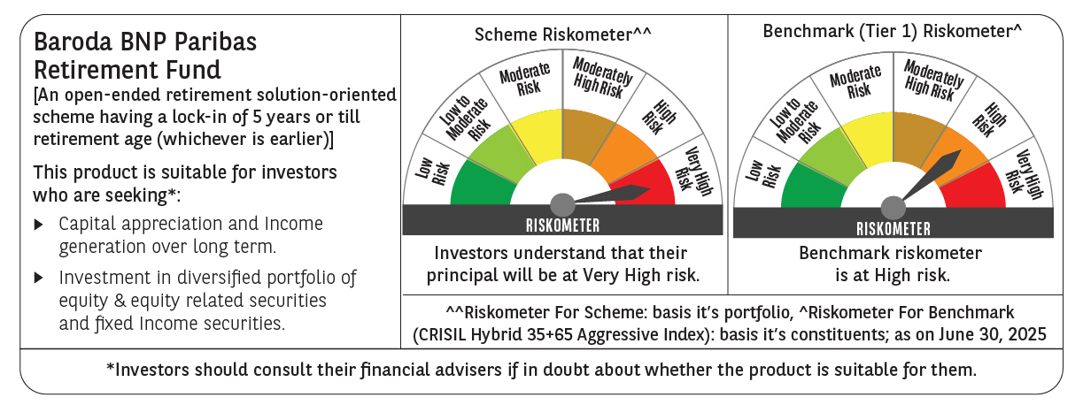
 | Baroda BNP Paribas Retirement Fund

 | Monthly Portfolio Statement as on June 30, 2025
 | Name of the Instrument | ISIN | Industry / Rating | Quantity | Market/Fair Value (Rs. in Lakhs) | % to Net Assets | YTM~ | YTC^ | null
 | Equity & Equity related
 | (a) Listed / awaiting listing on Stock Exchanges
HDFB03 | HDFC Bank Limited | INE040A01034 | Banks | 110,000 | 2,201.65 | 5.65%
IBCL05 | ICICI Bank Limited | INE090A01021 | Banks | 117,000 | 1,691.59 | 4.34%
RIND01 | Reliance Industries Limited | INE002A01018 | Petroleum Products | 91,000 | 1,365.55 | 3.50%
INFS02 | Infosys Limited | INE009A01021 | IT - Software | 56,700 | 908.22 | 2.33%
BTVL02 | Bharti Airtel Limited | INE397D01024 | Telecom - Services | 43,700 | 878.20 | 2.25%
DIVI02 | Divi's Laboratories Limited | INE361B01024 | Pharmaceuticals & Biotechnology | 11,800 | 803.52 | 2.06%
ABBP01 | Hitachi Energy India Limited | INE07Y701011 | Electrical Equipment | 3,537 | 707.65 | 1.82%
BHAH02 | Bharat Heavy Electricals Limited | INE257A01026 | Electrical Equipment | 250,000 | 665.75 | 1.71%
INAV01 | InterGlobe Aviation Limited | INE646L01027 | Transport Services | 10,500 | 627.53 | 1.61%
BRIT03 | Britannia Industries Limited | INE216A01030 | Food Products | 9,850 | 576.32 | 1.48%
PHFP02 | PNB Housing Finance Limited | INE572E01012 | Finance | 51,800 | 574.67 | 1.47%
ULCC01 | UltraTech Cement Limited | INE481G01011 | Cement & Cement Products | 4,600 | 556.28 | 1.43%
KOMA02 | Kotak Mahindra Bank Limited | INE237A01028 | Banks | 25,000 | 540.88 | 1.39%
AFPL02 | AU Small Finance Bank Limited | INE949L01017 | Banks | 66,000 | 539.55 | 1.38%
CHOL02 | Cholamandalam Investment and Finance Company Ltd | INE121A01024 | Finance | 33,000 | 537.24 | 1.38%
ITCL02 | ITC Limited | INE154A01025 | Diversified FMCG | 125,000 | 520.56 | 1.34%
TWAT02 | Titan Company Limited | INE280A01028 | Consumer Durables | 14,000 | 516.63 | 1.33%
MAHI02 | Mahindra & Mahindra Limited | INE101A01026 | Automobiles | 15,300 | 487.03 | 1.25%
BKBA02 | Bank of Baroda | INE028A01039 | Banks | 195,000 | 485.12 | 1.24%
MAXI02 | Max Financial Services Limited | INE180A01020 | Insurance | 29,200 | 480.95 | 1.23%
ZMPL01 | Eternal Limited | INE758T01015 | Retailing | 175,000 | 462.26 | 1.19%
VMML01 | Vishal Mega Mart Limited | INE01EA01019 | Retailing | 342,222 | 458.51 | 1.18%
NTPC01 | NTPC Limited | INE733E01010 | Power | 130,000 | 435.37 | 1.12%
MAHE01 | Max Healthcare Institute Limited | INE027H01010 | Healthcare Services | 34,000 | 433.84 | 1.11%
PRRC03 | Navin Fluorine International Limited | INE048G01026 | Chemicals & Petrochemicals | 8,901 | 429.04 | 1.10%
TEMA02 | Tech Mahindra Limited | INE669C01036 | IT - Software | 25,000 | 421.75 | 1.08%
UTIB02 | Axis Bank Limited | INE238A01034 | Banks | 35,000 | 419.72 | 1.08%
RAKH02 | Radico Khaitan Limited | INE944F01028 | Beverages | 16,000 | 418.75 | 1.07%
SAGI01 | Sagility India Limited | INE0W2G01015 | IT - Services | 1,012,847 | 417.39 | 1.07%
LARS02 | Larsen & Toubro Limited | INE018A01030 | Construction | 10,800 | 396.34 | 1.02%
BEFS01 | Mrs. Bectors Food Specialities Limited | INE495P01012 | Food Products | 29,000 | 396.31 | 1.02%
SAEL02 | TVS Motor Company Limited | INE494B01023 | Automobiles | 13,000 | 379.34 | 0.97%
PSYL02 | Persistent Systems Limited | INE262H01021 | IT - Software | 6,200 | 374.57 | 0.96%
KCUL02 | Cummins India Limited | INE298A01020 | Industrial Products | 11,000 | 373.93 | 0.96%
BOCL01 | Linde India Limited | INE473A01011 | Chemicals & Petrochemicals | 5,600 | 372.71 | 0.96%
GUAM02 | Ambuja Cements Limited | INE079A01024 | Cement & Cement Products | 64,000 | 369.57 | 0.95%
SBAI02 | State Bank of India | INE062A01020 | Banks | 45,000 | 369.16 | 0.95%
VORL03 | Vinati Organics Limited | INE410B01037 | Chemicals & Petrochemicals | 17,826 | 352.26 | 0.90%
LTIL01 | LTIMindtree Limited | INE214T01019 | IT - Software | 6,600 | 350.92 | 0.90%
ESMC02 | PB Fintech Limited | INE417T01026 | Financial Technology (Fintech) | 19,200 | 350.19 | 0.90%
ALLI02 | GE Vernova T&D India Limited | INE200A01026 | Electrical Equipment | 14,590 | 344.48 | 0.88%
JYCN01 | Jyoti CNC Automation Ltd | INE980O01024 | Industrial Manufacturing | 32,325 | 342.32 | 0.88%
LAKM02 | Trent Limited | INE849A01020 | Retailing | 5,400 | 335.75 | 0.86%
HINI02 | Hindalco Industries Limited | INE038A01020 | Non - Ferrous Metals | 48,000 | 332.57 | 0.85%
CIPL03 | Cipla Limited | INE059A01026 | Pharmaceuticals & Biotechnology | 22,000 | 331.30 | 0.85%
CUBI02 | City Union Bank Limited | INE491A01021 | Banks | 150,000 | 328.07 | 0.84%
MCEX01 | Multi Commodity Exchange of India Limited | INE745G01035 | Capital Markets | 3,460 | 309.46 | 0.79%
MIIL02 | UNO Minda Limited | INE405E01023 | Auto Components | 28,000 | 309.20 | 0.79%
MUND02 | Adani Ports and Special Economic Zone Limited | INE742F01042 | Transport Infrastructure | 21,000 | 304.54 | 0.78%
VNBL03 | Varun Beverages Limited | INE200M01039 | Beverages | 62,849 | 287.57 | 0.74%
BAFL03 | Bajaj Finance Limited | INE296A01032 | Finance | 30,000 | 280.95 | 0.72%
FRHL01 | Fortis Healthcare Limited | INE061F01013 | Healthcare Services | 35,000 | 278.08 | 0.71%
ONCO02 | One 97 Communications Limited | INE982J01020 | Financial Technology (Fintech) | 30,000 | 277.20 | 0.71%
CONB01 | Concord Biotech Limited | INE338H01029 | Pharmaceuticals & Biotechnology | 14,300 | 263.06 | 0.67%
IEIN02 | Info Edge (India) Limited | INE663F01032 | Retailing | 15,300 | 227.71 | 0.58%
APLI04 | Hexaware Technologies Limited | INE093A01041 | IT - Software | 14,794 | 125.83 | 0.32%
 | Sub Total |  |  |  | 28,324.91 | 72.65%
 | (b) Invits
ANZE01 | Anzen India Energy Yield Plus Trust | INE0MIZ23019 | Power | 950,000 | 1,069.32 | 2.74%
 | Sub Total |  |  |  | 1,069.32 | 2.74%
 | (c) Unlisted |  |  |  | NIL | NIL
 | Sub Total |  |  |  | NIL | NIL
 | Total |  |  |  | 29,394.23 | 75.39%
 | Debt Instruments
 | (a) Listed / awaiting listing on Stock Exchange
GOI5728 | 7.34% Government of India (22/04/2064) | IN0020240035 | Sovereign | 6,221,800 | 6,408.69 | 16.44% | 7.24%
GOI6156 | 6.79% Government of India (07/10/2034) | IN0020240126 | Sovereign | 1,000,000 | 1,028.19 | 2.64% | 6.48%
RUPL50 | 7.90% Jamnagar Utilities & Power Private Limited (10/08/2028) ** | INE936D07182 | CRISIL AAA | 500 | 512.76 | 1.32% | 6.95%
NTPC257 | 6.84% NTPC Limited (09/05/2035) ** | INE733E08270 | CRISIL AAA | 500 | 498.19 | 1.28% | 6.89%
PHFL84 | 6.75% Piramal Finance Limited (26/09/2031) | INE516Y07444 | ICRA AA | 57,142 | 436.99 | 1.12% | 9.40%
 | Sub Total |  |  |  | 8,884.82 | 22.80%
 | (b) Privately placed / Unlisted |  |  |  | NIL | NIL
 | Sub Total |  |  |  | NIL | NIL
 | Total |  |  |  | 8,884.82 | 22.80%
 | Reverse Repo / TREPS
TRP_010725 | Clearing Corporation of India Ltd |  |  |  | 543.95 | 1.40% | 5.47%
 | Sub Total |  |  |  | 543.95 | 1.40%
 | (b) Privately placed / Unlisted |  |  |  | NIL | NIL
 | Sub Total |  |  |  | NIL | NIL
 | Total |  |  |  | 543.95 | 1.40%
 | Net Receivables / (Payables) |  |  |  | 160.25 | 0.41%
 | GRAND TOTAL |  |  |  | 38,983.25 | 100.00%

 | ** Thinly Traded / Non Traded Security
 | ~ YTM as on June 30, 2025
 | ^ YTC represents Yield to Call provided by valuation agencies as on June 30, 2025. It is disclosed for Perpetual Bond issued by Banks (i.e. AT-1 Bond / Tier 1 Bond / Tier 2 Bond), as per AMFI Best Practices Guidelines Circular no. 135/BP/91/2020-21 read with SEBI circular No. SEBI/HO/IMD/DF4/CIR/P/2021/034 on Valuation of AT-1 Bonds and Tier 2 Bonds.

