T0ME35
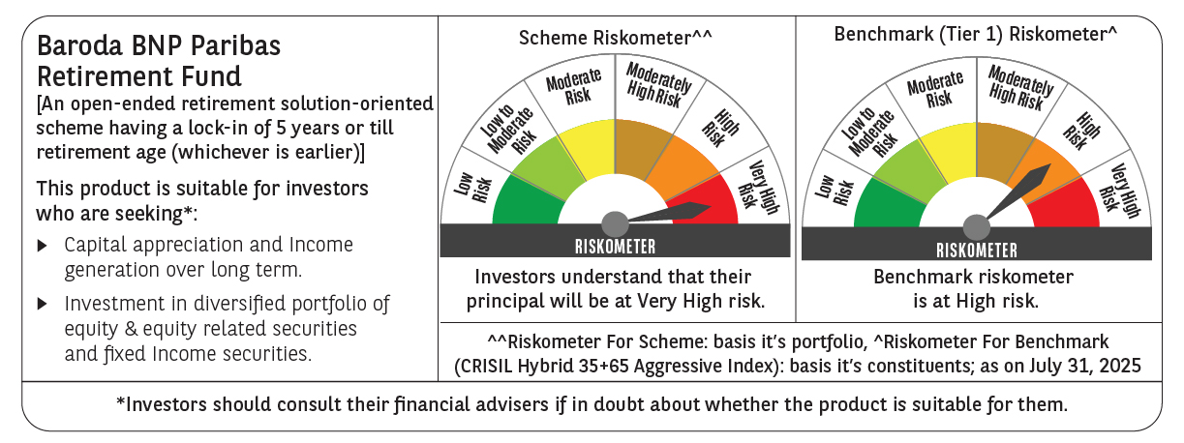
 | Baroda BNP Paribas Retirement Fund

 | Monthly Portfolio Statement as on July 31, 2025
 | Name of the Instrument | ISIN | Industry / Rating | Quantity | Market/Fair Value (Rs. in Lakhs) | % to Net Assets | YTM~ | YTC^ | null
 | Equity & Equity related
 | (a) Listed / awaiting listing on Stock Exchanges
HDFB03 | HDFC Bank Limited | INE040A01034 | Banks | 110,000 | 2,220.02 | 5.75%
IBCL05 | ICICI Bank Limited | INE090A01021 | Banks | 117,000 | 1,733.24 | 4.49%
RIND01 | Reliance Industries Limited | INE002A01018 | Petroleum Products | 81,900 | 1,138.57 | 2.95%
INFS02 | Infosys Limited | INE009A01021 | IT - Software | 56,700 | 855.60 | 2.22%
BTVL02 | Bharti Airtel Limited | INE397D01024 | Telecom - Services | 41,515 | 794.72 | 2.06%
DIVI02 | Divi's Laboratories Limited | INE361B01024 | Pharmaceuticals & Biotechnology | 11,800 | 778.27 | 2.02%
ZMPL01 | Eternal Limited | INE758T01015 | Retailing | 215,000 | 661.77 | 1.71%
ABBP01 | Hitachi Energy India Limited | INE07Y701011 | Electrical Equipment | 3,187 | 640.43 | 1.66%
INAV01 | InterGlobe Aviation Limited | INE646L01027 | Transport Services | 10,500 | 620.60 | 1.61%
BHAH02 | Bharat Heavy Electricals Limited | INE257A01026 | Electrical Equipment | 250,000 | 596.13 | 1.54%
BRIT03 | Britannia Industries Limited | INE216A01030 | Food Products | 9,850 | 568.44 | 1.47%
ULCC01 | UltraTech Cement Limited | INE481G01011 | Cement & Cement Products | 4,600 | 563.45 | 1.46%
PHFP02 | PNB Housing Finance Limited | INE572E01012 | Finance | 51,800 | 510.85 | 1.32%
KOMA02 | Kotak Mahindra Bank Limited | INE237A01028 | Banks | 25,000 | 494.65 | 1.28%
MAHI02 | Mahindra & Mahindra Limited | INE101A01026 | Automobiles | 15,300 | 490.07 | 1.27%
VMML01 | Vishal Mega Mart Limited | INE01EA01019 | Retailing | 342,222 | 477.54 | 1.24%
CHOL02 | Cholamandalam Investment and Finance Company Ltd | INE121A01024 | Finance | 33,000 | 476.26 | 1.23%
SAGI01 | Sagility India Limited | INE0W2G01015 | IT - Services | 1,012,847 | 472.19 | 1.22%
FRHL01 | Fortis Healthcare Limited | INE061F01013 | Healthcare Services | 55,000 | 471.60 | 1.22%
TWAT02 | Titan Company Limited | INE280A01028 | Consumer Durables | 14,000 | 468.62 | 1.21%
BKBA02 | Bank of Baroda | INE028A01039 | Banks | 195,000 | 463.85 | 1.20%
PRRC03 | Navin Fluorine International Limited | INE048G01026 | Chemicals & Petrochemicals | 8,901 | 449.30 | 1.16%
AFPL02 | AU Small Finance Bank Limited | INE949L01017 | Banks | 59,400 | 440.45 | 1.14%
MAXI02 | Max Financial Services Limited | INE180A01020 | Insurance | 29,200 | 438.41 | 1.14%
BEFS01 | Mrs. Bectors Food Specialities Limited | INE495P01012 | Food Products | 29,000 | 438.28 | 1.13%
RAKH02 | Radico Khaitan Limited | INE944F01028 | Beverages | 16,000 | 437.52 | 1.13%
NTPC01 | NTPC Limited | INE733E01010 | Power | 130,000 | 434.53 | 1.13%
MAHE01 | Max Healthcare Institute Limited | INE027H01010 | Healthcare Services | 34,000 | 423.64 | 1.10%
TEMA02 | Tech Mahindra Limited | INE669C01036 | IT - Software | 28,750 | 420.81 | 1.09%
INSP01 | Indiqube Spaces Limited | INE06ST01018 | Commercial Services & Supplies | 183,645 | 401.12 | 1.04%
ALLI02 | GE Vernova T&D India Limited | INE200A01026 | Electrical Equipment | 14,590 | 397.84 | 1.03%
LARS02 | Larsen & Toubro Limited | INE018A01030 | Construction | 10,800 | 392.74 | 1.02%
KCUL02 | Cummins India Limited | INE298A01020 | Industrial Products | 11,000 | 391.11 | 1.01%
PSYL02 | Persistent Systems Limited | INE262H01021 | IT - Software | 7,450 | 384.46 | 1.00%
GUAM02 | Ambuja Cements Limited | INE079A01024 | Cement & Cement Products | 64,000 | 379.33 | 0.98%
TRFO01 | Travel Food Services Limited | INE103V01028 | Leisure Services | 36,000 | 376.49 | 0.97%
UTIB02 | Axis Bank Limited | INE238A01034 | Banks | 35,000 | 373.94 | 0.97%
BOCL01 | Linde India Limited | INE473A01011 | Chemicals & Petrochemicals | 5,600 | 368.12 | 0.95%
SAEL02 | TVS Motor Company Limited | INE494B01023 | Automobiles | 13,000 | 364.23 | 0.94%
SBAI02 | State Bank of India | INE062A01020 | Banks | 45,000 | 358.45 | 0.93%
ESMC02 | PB Fintech Limited | INE417T01026 | Financial Technology (Fintech) | 19,200 | 347.92 | 0.90%
HYUN01 | Hyundai Motor India Ltd | INE0V6F01027 | Automobiles | 16,000 | 344.29 | 0.89%
CIPL03 | Cipla Limited | INE059A01026 | Pharmaceuticals & Biotechnology | 22,000 | 342.01 | 0.89%
LTIL01 | LTIMindtree Limited | INE214T01019 | IT - Software | 6,600 | 337.00 | 0.87%
VNBL03 | Varun Beverages Limited | INE200M01039 | Beverages | 62,849 | 328.45 | 0.85%
HINI02 | Hindalco Industries Limited | INE038A01020 | Non - Ferrous Metals | 48,000 | 327.86 | 0.85%
ONCO02 | One 97 Communications Limited | INE982J01020 | Financial Technology (Fintech) | 30,000 | 326.81 | 0.85%
VORL03 | Vinati Organics Limited | INE410B01037 | Chemicals & Petrochemicals | 17,826 | 326.25 | 0.84%
CUBI02 | City Union Bank Limited | INE491A01021 | Banks | 150,000 | 321.42 | 0.83%
MUND02 | Adani Ports and Special Economic Zone Limited | INE742F01042 | Transport Infrastructure | 21,000 | 288.35 | 0.75%
LAKM02 | Trent Limited | INE849A01020 | Retailing | 5,400 | 270.97 | 0.70%
MCEX01 | Multi Commodity Exchange of India Limited | INE745G01035 | Capital Markets | 3,460 | 266.18 | 0.69%
BAFL03 | Bajaj Finance Limited | INE296A01032 | Finance | 30,000 | 264.36 | 0.68%
CONB01 | Concord Biotech Limited | INE338H01029 | Pharmaceuticals & Biotechnology | 14,300 | 252.72 | 0.65%
APLI04 | Hexaware Technologies Limited | INE093A01041 | IT - Software | 16,794 | 118.23 | 0.31%
 | Sub Total |  |  |  | 27,630.46 | 71.54%
 | (b) Invits
ANZE01 | Anzen India Energy Yield Plus Trust | INE0MIZ23019 | Power | 950,000 | 1,083.00 | 2.80%
 | Sub Total |  |  |  | 1,083.00 | 2.80%
 | (c) Unlisted |  |  |  | NIL | NIL
 | Sub Total |  |  |  | NIL | NIL
 | Total |  |  |  | 28,713.46 | 74.34%
 | Debt Instruments
 | (a) Listed / awaiting listing on Stock Exchange
GOI5728 | 7.34% Government of India (22/04/2064) | IN0020240035 | Sovereign | 6,221,800 | 6,406.39 | 16.59% | 7.24%
GOI6156 | 6.79% Government of India (07/10/2034) | IN0020240126 | Sovereign | 1,000,000 | 1,025.23 | 2.65% | 6.52%
RUPL50 | 7.90% Jamnagar Utilities & Power Private Limited (10/08/2028) | INE936D07182 | CRISIL AAA | 500 | 513.89 | 1.33% | 6.85%
NTPC257 | 6.84% NTPC Limited (09/05/2035) ** | INE733E08270 | CRISIL AAA | 500 | 498.58 | 1.29% | 6.88%
PHFL84 | 6.75% Piramal Finance Limited (26/09/2031) ** | INE516Y07444 | ICRA AA | 57,142 | 437.53 | 1.13% | 9.41%
 | Sub Total |  |  |  | 8,881.62 | 22.99%
 | (b) Privately placed / Unlisted |  |  |  | NIL | NIL
 | Sub Total |  |  |  | NIL | NIL
 | Total |  |  |  | 8,881.62 | 22.99%
 | Reverse Repo / TREPS
TRP_010825 | Clearing Corporation of India Ltd |  |  |  | 1,061.03 | 2.75% | 5.42%
 | Sub Total |  |  |  | 1,061.03 | 2.75%
 | (b) Privately placed / Unlisted |  |  |  | NIL | NIL
 | Sub Total |  |  |  | NIL | NIL
 | Total |  |  |  | 1,061.03 | 2.75%
 | Net Receivables / (Payables) |  |  |  | (33.32) | (0.08)%
 | GRAND TOTAL |  |  |  | 38,622.79 | 100.00%

 | ** Thinly Traded / Non Traded Security
 | ~ YTM as on July 31, 2025
 | ^ YTC represents Yield to Call provided by valuation agencies as on July 31, 2025. It is disclosed for Perpetual Bond issued by Banks (i.e. AT-1 Bond / Tier 1 Bond / Tier 2 Bond), as per AMFI Best Practices Guidelines Circular no. 135/BP/91/2020-21 read with SEBI circular No. SEBI/HO/IMD/DF4/CIR/P/2021/034 on Valuation of AT-1 Bonds and Tier 2 Bonds.

